Design Calculator
Note: The components calculated in this worksheet are reasonable starting values for a design using the LM5069 Hot-swap Controller. As such, they are not optimized for any particular performance attribute. Tolerances of the components are not included in the calculations. See the Instructions tab for additional information.
Consult the LM5069 datasheet for more detail.
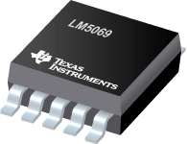
LM5069 Hot Swap Design Tool with FET Recommendation
 | www.ti.com/hotswap

 |  |  | Enter Values in Green Shaded Cells
 |  |  | Calculated Values are shown in White Cells
 |  |  | Yellow and Red cells highlight potential issues with the design. Red highlights items that are higher risk.

 |  |  | LM5069 Datasheet
 |  |  | *For additional questions not addressed in the instructions, please post on E2E.ti.com

 | Step 1: System Parameters |  |  | Minimum Input Operating Voltage: VIN(MIN) | 10 | V
 |  |  |  | Nominal Input Operating Voltage: VIN(NOM) | 24 | V
 |  |  |  | Maximum Input Operating Voltage: VIN(MAX) | 30 | V
 |  |  |  | Maximum Load Current: IOUT(MAX) | 8 | A
 |  |  |  | Maximum Output Load Capacitance: CLOAD | 3000 | µF
 |  |  |  | Maximum Ambient Operating Temperature: TMAX | 85 | oC | Note: The tool adjusts the number of FETs required in parallel to maintain the preferred FET operating junction temperature (TJ,DC)
 |  |  |  | Preferred FET operating junction temperature (Tj,DC) | 100 | oC
 |  |  |  | Estimated MOSFET RQJA | 30 | oC/W
 |  |  |  | Load Turn-On Threshold | 0 | V
 |  |  |  | Startup Load Type | Constant Current |  | Note: In case none of the FETs satisfy the SOA margin, reduce the load startup conditions
 |  |  |  | Startup Load Value | 0.2 | A
 |  |  |  | System startup mode | Soft Start |  | Note: In case none of the FETs satisfy the SOA margin, reduce the fault timer
 |  |  |  | Fault timer required | 1.000 | ms
 | Step 2: Current Limit and Power Limit Selection |  |  | Current Limit Threshold Voltage | 55 mV
R_{CL1}
R_{CL2}
 |  |  |  | Maximum Recommended Value for Effective Sense Resistance | 6.00 | mW
 |  |  |  | Use External Resistor Divider to Reduce Effecitve RS | No
 |  |  |  | Enter the Resistance for RS | 2.5 | mW
 |  |  |  | Recommended Value for RCL1 | NA | W
 |  |  |  | Recommended Value for RCL2 | NA | W
 |  |  |  | Enter value for RCL1 | 10 | W
 |  |  |  | Enter value for RCL2 | 0.31 | W
 |  |  |  | Effective Sense Resistance (RS,EFF) | 2.50 | mW
 |  |  |  | Resulting Minimum Current Limit | 19.4 | A
 |  |  |  | Resulting Typical Current Limit | 22.0 | A
 |  |  |  | Resulting Maximum Current Limit | 24.6 | A
 |  |  |  | Maximum Power Dissipation in RS | 1.5 | W |  |  |  | Note: Use a resistive divider to fine tune the current limit setting if needed
 |  |  |  | Fault Response | Retry
 |  |  |  | Circuit Breaker to Current Limit Raitio | 1.9 x Current Limit

 |  |  |  | Minimum Power Limit to Ensure Vsns > 5mV (PLIM,MIN) | 60.0 | W
 |  |  |  | Target Power Limit | 75.00 | W
 |  |  |  | Calculated RPWR | 23.44 | kW
 |  |  |  | Actual RPWR | 22 | kW
 |  |  |  | Actual PLIM | 70.40 | W
 | Typ. Device SOA Limit
 | Step 3: MOSFET Suggestions |  |  | Q1 FET Name | Part Number , SOA margin, $1ku | Part Number , SOA margin, $1ku | MOSFET from non-TI suppliers
 | Scroll down the dropdown menu to select MOSFET |  |  | Choose FETs for comparison | CSD18536KTT , 7.93 , $1.894 | CSD18540Q5B , 2.99 , $0.867 | Vishay SiJ186DP
 |  |  |  | MOSFET On resistance @ TJ,DC | 2.24 | 3.124 | 4.5 | mW
 |  |  |  | Maximum FET Junction Temperature | 175 | 175 | 175 | oC
 |  |  |  | 10us SOA Current@ VIN(MAX) | 400.00 | 400.00 | 200.00 | A
 |  |  |  | 100µs SOA Current @ VIN(MAX) | 240.00 | 116.63 | 200.00 | A
 |  |  |  | 1ms SOA Current @ VIN(MAX) | 34.55 | 13.46 | 15.00 | A
 |  |  |  | 10ms Current at @ VIN(MAX) | 9.69 | 4.84 | 3.00 | A
 |  |  |  | 100ms SOA Current at @ VIN(MAX) | 4.98 | 2.38 | 0.65 | A

 | Note: TI recommends choosing a FET with SOA current specified for 100ms and/or 1s or DC. If choosing a FET without these parameters, this calculator will estimate the values via extrapolation, which leaves an inherent associated risk.
 |  |  |  | Number of FETs suggested | 1 | 1 | 1 | #
 |  |  |  | FET Power dissapation at full load (per FET) | 0.14 | 0.20 | 0.29 | W
 |  |  |  | Maximum steady state FET Junction Temperature (TJ,DC) | 89.30 | 91.00 | 93.64 | oC
 |  |  |  | SOA Margin | 8.41 | 3.21 | 3.47
 |  |  |  | Webpage Link | CSD18536KTT | CSD18540Q5B | Enter Webpage Link
 |  |  |  | Cost per FET (1k USD) | $1.894 | $0.867 | Enter Cost Details |  |  | Note: Hover here to see the 3 values affecting this curve, consult a thermal expert if you are unsure!
 |  |  |  | Total Cost of the FETs | $1.894 | $0.867

 |  |  |  |  | Note: If none of the FETs are meeting the requirement, reduce the startup load or select a stronger FET in cell H62
 |  |  |  |  | Note: If none of the FETs are meeting the requirement, reduce the fault timer or select a stronger FET in cell H62

ILOAD and IFET vs Vout (VIN = VINMAX)
 | ILOAD | IFET
 | Step 4: Startup |  |  | Select preferred FET from the dropdown menu | CSD18536KTT , 7.93 , $1.894

 |  |  |  | Timer Overview
 |  |  |  | Typical Start Time with Vinmax (Tstart) | 281.25 | ms
 |  |  |  | IFET - ILOAD margin (lowest for Vout range) | 62%
 |  |  |  | Target Fault Timer: Tstart + Margin | 421.88 | ms
 |  |  |  | Target Timer capacitance | 8964.84 | nF
 |  |  |  | Selected Timer capacitance | 600 | nF
 |  |  |  | Final Fault Timer(Tfault) | 28.24 | ms
 |  |  |  | Derated SOA / PLIM | 8.25
 |  |  |  | Can a "hot" board be hotplugged | No
 |  |  |  | Recommended slew Rate (max) | 1.19 | V/ms
 |  |  |  | Recommended slew Rate (min) | 0.11 | V/ms
Start - up: FET Power (VIN = VINMAX)
 | FET power dissipation
 | Note: This is the typical dv/dt rate, but max value can be 1.4x. This is because the gate source current can vary from 16uA to 22uA. Thus TI recommends keeping the overall SOA margin during start-up >1.5 in order to compensate for this. |  |  | dv/dt rate on Vout | 0.12 | V/ms
 |  |  |  | calculated SS capacitance | 133.33 | nF
 |  |  |  | actual SS capacitance | 150 | nF
 |  |  |  | actual typical dv/dt rate on Vout | 0.11 | V/ms
 |  |  |  | SOA margin during start-up | 10.03
 |  |  |  | Target Fault Time | 1.000 | ms
 |  |  |  | Calculated Timer Capacitance | 21.25 | nF
 |  |  |  | Actual Timer Capacitance ( pick one smaller than CT,CALC) | 22 | nF
 |  |  |  | Actual Fault Time (Tfault) | 1.04 | ms
 |  |  |  | SOA margin during "hot-short" or "start-into short" | 8.25
 |  |  |  | Resulting Typical Insertion Delay Time | 16 | ms
 |  |  |  | Resulting Typical Restart Time | 206.94 | ms
 | Step 5: UVLO, OVLO & PGD Thresholds |  |  | Select Option A or Option B | Option A
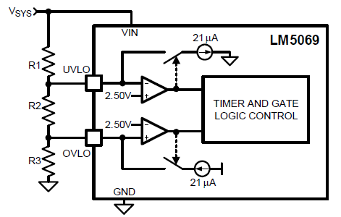
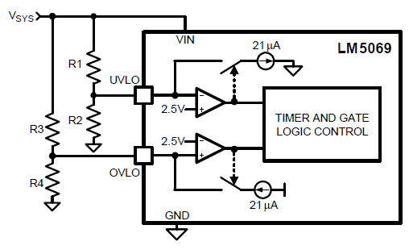
 |  |  |  | Desired Upper UVLO Threshold | 12 | V
 |  |  |  | Desired Lower UVLO Threshold | 10 | V
 |  |  |  | Desired Upper OVLO Threshold | 30 | V
 |  |  |  | Desired Lower OVLO Threshold | 63 | V
 |  |  |  | Recommended Resistance for: R1 | 95.24 | kW
 |  |  |  | R2 | 21.16 | kW
 |  |  |  | R3 | 10.58 | kW
 |  |  |  | R4 |  | kW
 |  |  |  | Enter the Resistance for R1 | 95.24 | kW
 |  |  |  | Enter the Resistance for R2 | 21.16 | kW
 |  |  |  | Enter the Resistance for R3 | 10.58 | kW
 |  |  |  | Enter the Resistance for R4 | 3.74 | kW

 |  | Resulting Thresholds: | Minimum | Typical | Maximum
 |  | Resulting Upper UVLO Threshold = | 10.94 | 12.00 | 13.06 | V
 |  | Resulting Lower UVLO Threshold = | 9.80 | 10.00 | 10.20 | V
 |  | Resulting Upper OVLO Threshold = | 29.40 | 30.00 | 30.60 | V
 |  | Resulting Lower OVLO Threshold = | 25.91 | 27.56 | 29.21 | V
 |  | Note: If any of the cells above are yellow, then these values are outside of the device's operating range. This will result in the device turning either on or off at its operating limits rather than at the user selected values in yellow.

 |  |  |  | Enter the Resistance for RPG | 10 | kW
 | Design Summary |  |  | RSNS = | 2.5 | mW
 |  |  |  | RCL1 = | DNP | W
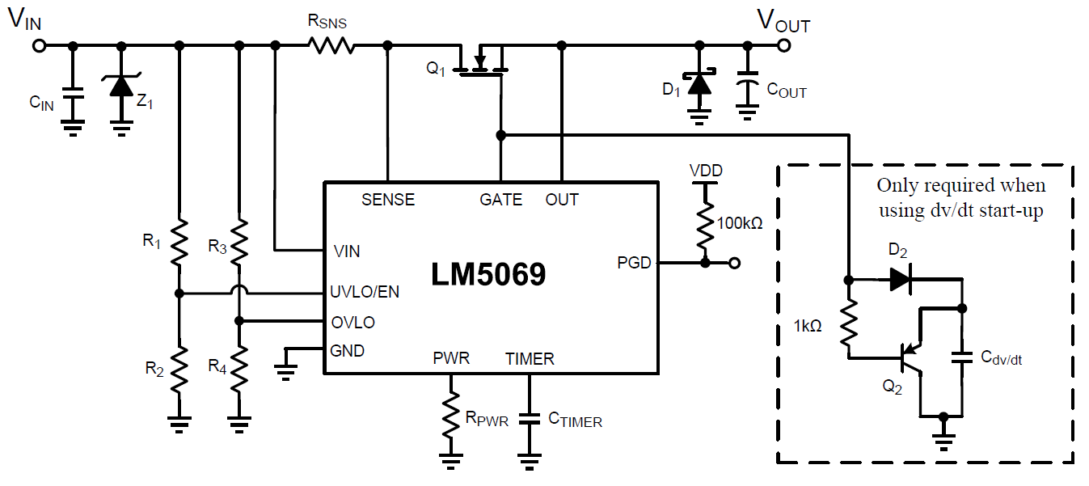
 |  |  |  | RCL2 = | 0 | W
 |  |  |  | RPWR = | 22 | kW
 |  |  |  | CTIMER = | 22.00 | nF |  |  | Design Results
 |  |  |  | R1 = | 95.24 | kW |  |  | Settings | Units
 |  |  |  | R2 = | 21.16 | kW |  | Current limit | 22.0 | A
 |  |  |  | R3 = | 10.58 | kW |  | Power Limit | 70 | W
 |  |  |  | R4 = | N/A | kW |  | Circuit Breaker Current | 22.0 | A
 |  |  |  | Cdv/dt = | 150 | nF |  | Startup Time | 281.25 | ms
 |  |  |  | CIN = | 0.01 | µF |  | Insertion Delay | 16.0 | ms
 |  |  |  | D1 | B380-13-F |  |  | Fault Timeout | 1.04 | ms
 |  |  |  | D2 | 1N4148W-7-F |  |  | Restart Time During Fault | 206.942 | ms
 |  |  |  | Q1 | CSD18536KTT , 7.93 , $1.894 |  |  | Upper UVLO Threshold | 12.002 | V
 |  |  |  | #FETs in parallel | 1 |  |  | Lower UVLO Threshold | 10.002 | V
 |  |  |  | Q2 | MMBT5401LT1G |  |  | Upper OVLO Threshold | 30.005 | V
 |  |  |  | Z1 | 5.0SMDxx |  |  | Lower OVLO Threshold | 27.560 | V

 | Notes: | 1. Although not mandatory, CIN provides transient suppression at the VIN pin
 |  | 2. A TVS clamp from VIN to GND is absolutely mandatory to clamp the voltage overshoot upon MOSFET turn-off, e.g. during circuit breaker

 |  | 3. Componet tolerances not accounted for in Min/Max Calculations.

