Design Calculator
Note: The components calculated in this worksheet are reasonable starting values for a design using the LM5069 Hot-swap Controller. As such, they are not optimized for any particular performance attribute. Tolerances of the components are not included in the calculations. See the Instructions tab for additional information.
Consult the LM5069 datasheet for more detail.
LM5069 Hot Swap Design Tool
 | www.ti.com/hotswap
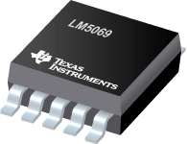

 |  |  | Enter Values in Green Shaded Cells
 |  |  | Calculated Values are shown in White Cells
 |  |  | Yellow and Red cells highlight potential issues with the design. Red highlights items that are higher risk.

 | Step 0: Calculator Tutorials |  | Note: Before proceeding, please watch the video tutorials listed to ensure accurate results from this tool!

 |  |  | Steps 1 & 2: Operating Conditions, Current Limit, & Circuit Breaker (7:41)
 |  |  | Step 3: MOSFET Selection (9:58)
 |  |  | Step 4: Startup (10:32)
 |  |  | Step 5: UVLO, OVLO & PGD Thresholds (4:20)
 |  |  | LM5069 Datasheet

 |  |  | I understand and agree to watch the video tutorials if help is needed. (Choose Yes to enable the calculator.) |  |  | Yes
 |  |  | Assure to follow the layout and application guidelines listed on the datasheet. |  |  | Yes
 |  |  | *For additional questions not addressed in the videos, please post on E2E.ti.com

 | Step 1: Operating Conditions |  |  | Minimum Input Operating Voltage: VIN(MIN) | 10 | V
 |  |  |  | Nominal Input Operating Voltage: VIN(NOM) | 24 | V
 |  |  |  | Maximum Input Operating Voltage: VIN(MAX) | 30 | V
 |  |  |  | Maximum Load Current: IOUT(MAX) | 8 | A
 |  |  |  | Maximum Output Load Capacitance: CLOAD | 1400 | µF
 |  |  |  | Maximum Ambient Operating Temperature: TMAX | 85 | oC
 | Steps 1 & 2: Operating Conditions, Current Limit, & Circuit Breaker

R_{CL1}
R_{CL2}
 | Step 2: Current Limit and Circuit Breaker |  |  | Current Limit Threshold Voltage | 55 mV
 |  |  |  | Maximum Recommended Value for Effective Sense Resistance | 6.00 | mW
 |  |  |  | Use External Resistor Divider to Reduce Effecitve RS | No |  |  |  |  |  | Yes
 |  |  |  | Enter the Resistance for RS | 5 | mW |  |  |  |  | No
 |  |  |  | Recommended Value for RCL1 | NA | W
 |  |  |  | Recommended Value for RCL2 | NA | W
 |  |  |  | Enter value for RCL1 | 10 | W |  |  |  |  | TRUE
 | Steps 1 & 2: Operating Conditions, Current Limit, & Circuit Breaker |  |  | Enter value for RCL2 | 3.04 | W
 |  |  |  | Effective Sense Resistance (RS,EFF) | 5.00 | mW
 |  |  |  | Resulting Minimum Current Limit | 9.7 | A
 |  |  |  | Resulting Typical Current Limit | 11.0 | A
 |  |  |  | Resulting Maximum Current Limit | 12.3 | A |  |  |  |  | Retry
 |  |  |  | Maximum Power Dissipation in RS | 0.8 | W |  |  |  |  | Latch Off
 |  |  |  | Fault Response | Retry |  |  |  |  |  | 1.9 x Current Limit
 |  |  |  | Circuit Breaker to Current Limit Raitio | 1.9 x Current Limit |  |  |  |  |  | 3.9 x Current Limit
 | Tem Derated FET SOA | Typ Device SOA Limit
1 | 97.88 | 11.00
2 | 48.94 | 11.00
3 | 32.63 | 11.00
4 | 24.47 | 11.00
5 | 19.58 | 8.92
6 | 16.31 | 7.47
7 | 13.98 | 6.43
8 | 12.24 | 5.65
9 | 10.88 | 5.04
10 | 9.79 | 4.56
11 | 8.90 | 4.16
12 | 8.16 | 3.83
13 | 7.53 | 3.55
14 | 6.99 | 3.31
15 | 6.53 | 3.11
16 | 6.12 | 2.93
17 | 5.76 | 2.76
18 | 5.44 | 2.62
19 | 5.15 | 2.49
20 | 4.89 | 2.38
21 | 4.66 | 2.28
22 | 4.45 | 2.18
23 | 4.26 | 2.10
24 | 4.08 | 2.02
25 | 3.92 | 1.94
26 | 3.76 | 1.88
27 | 3.63 | 1.81
28 | 3.50 | 1.76
29 | 3.38 | 1.70
30 | 3.26 | 1.65
31 | 3.16 | 0.00
32 | 3.06 | 0.00
33 | 2.97 | 0.00
34 | 2.88 | 0.00
35 | 2.80 | 0.00
36 | 2.72 | 0.00
37 | 2.65 | 0.00
38 | 2.58 | 0.00
39 | 2.51 | 0.00
40 | 2.45 | 0.00
41 | 2.39 | 0.00
42 | 2.33 | 0.00
43 | 2.28 | 0.00
44 | 2.22 | 0.00
45 | 2.18 | 0.00
46 | 2.13 | 0.00
47 | 2.08 | 0.00
48 | 2.04 | 0.00
49 | 2.00 | 0.00
50 | 1.96 | 0.00
...
 | Step 3: MOSFET Selection |  |  | Q1 FET Name | Vishay SiJ186DP
 |  |  |  | Estimated MOSFET RQJA | 30 | oC/W |  |  |  |  | 14.321281424 | 2.1666666667
 |  |  |  | Number of MosFETs | 1 | # |  |  |  |  | Values Used
 |  |  |  | MOSFET On resistance @ TJ,DC | 7 | mW |  |  |  |  | 7
 |  |  |  | Maximum FET Junction Temperature | 150 | oC |  |  |  |  | 150
 |  |  |  | 100ms SOA Current (re-use 1ms data if unavailable) @ VIN(MAX) | 150 | A |  |  |  |  | 150
 | Step 3: MOSFET Selection |  |  | 1ms SOA Current @ VIN(MAX) | 16 | A |  |  |  |  | 16
 |  |  |  | 10ms SOA Current @ VIN(MAX) | 3 | A |  |  |  |  | 3
 |  |  |  | 100ms Current at @ VIN(MAX) (enter 'NA' if not available) | 0.7 | A |  |  |  |  | 0.7
 |  |  |  | 1s or DC SOA Current at @ VIN(MAX) (enter 'NA' if not available) | 0.3 | A |  |  |  |  | 0.3
Max R_{S} = 45 mV
(Max Load Current x 1.01)
The 1.01 factor provides 1% margin from the max. normal load current.
 | Note: TI recommends choosing a FET with SOA current specified for 100ms and/or 1s or DC. If choosing a FET without these parameters, this calculator will estimate the values via extrapolation, which leaves an inherent associated risk. |  |  | FET Power dissapation at full load (per FET) | 0.4 | W
 |  |  |  | Maximum steady state FET Junction Temperature (TJ,DC) | 98.4 | oC
 |  |  |  | Minimum Power Limit to Ensure Vsns > 5mV (PLIM,MIN) | 30.0 | W
 |  |  |  | Target Power Limit | 50.00 | W
 |  |  |  | Calculated RPWR | 31.25 | kW
 |  |  |  | Actual RPWR | 31 | kW | Note: Hover here to see the 3 values affecting this curve, consult a thermal expert if you are unsure!
 |  |  |  | Actual PLIM | 49.60 | W
ILOAD and IFET vs Vout (VIN = VINMAX)
 | ILOAD | IFET
0.00 | 0.000 | 0.16842105263
0.29 | 0.000 | 0.16842105263
0.58 | 0.000 | 0.16842105263
0.87 | 0.000 | 0.16842105263
1.15 | 0.000 | 0.16842105263
1.44 | 0.000 | 0.16842105263
1.73 | 0.000 | 0.16842105263
2.02 | 0.000 | 0.16842105263
2.31 | 0.000 | 0.16842105263
2.60 | 0.000 | 0.16842105263
2.88 | 0.000 | 0.16842105263
3.17 | 0.000 | 0.16842105263
3.46 | 0.000 | 0.16842105263
3.75 | 0.000 | 0.16842105263
4.04 | 0.000 | 0.16842105263
4.33 | 0.000 | 0.16842105263
4.62 | 0.000 | 0.16842105263
4.90 | 0.000 | 0.16842105263
5.19 | 0.000 | 0.16842105263
5.48 | 0.000 | 0.16842105263
5.77 | 0.000 | 0.16842105263
6.06 | 0.000 | 0.16842105263
6.35 | 0.000 | 0.16842105263
6.63 | 0.000 | 0.16842105263
6.92 | 0.000 | 0.16842105263
7.21 | 0.000 | 0.16842105263
7.50 | 0.000 | 0.16842105263
7.79 | 0.000 | 0.16842105263
8.08 | 0.000 | 0.16842105263
8.37 | 0.000 | 0.16842105263
8.65 | 0.000 | 0.16842105263
8.94 | 0.000 | 0.16842105263
9.23 | 0.000 | 0.16842105263
9.52 | 0.000 | 0.16842105263
9.81 | 0.000 | 0.16842105263
10.10 | 0.000 | 0.16842105263
10.38 | 0.000 | 0.16842105263
10.67 | 0.000 | 0.16842105263
10.96 | 0.000 | 0.16842105263
11.25 | 0.000 | 0.16842105263
11.54 | 0.000 | 0.16842105263
11.83 | 0.000 | 0.16842105263
12.12 | 0.000 | 0.16842105263
12.40 | 0.000 | 0.16842105263
12.69 | 0.000 | 0.16842105263
12.98 | 0.000 | 0.16842105263
13.27 | 0.000 | 0.16842105263
13.56 | 0.000 | 0.16842105263
13.85 | 0.000 | 0.16842105263
14.13 | 0.000 | 0.16842105263
...
 | Step 4: Startup |  |  | Load Turn-On Threshold | 0 | V
 |  |  |  | Startup Load Type | Constant Current
 |  |  |  | Startup Load Value | 0 | A |  |  |  |  | Constant Current
 |  |  |  | Use External Soft-Start Control (dv/dt) | Yes |  |  |  |  |  | Resistive
 |  |  |  | Typical Start Time with Vinmax (Tstart) | 249.37 | ms
 |  |  |  | IFET - ILOAD margin (lowest for Vout range) | 100%
 |  |  |  | Target Fault Timer: Tstart + Margin | 374.06 | ms
 |  |  |  | Target Timer capacitance | 7948.83 | nF
 |  |  |  | Selected Timer capacitance | 470 | nF
 |  |  |  | Final Fault Timer(Tfault) | 22.12 | ms
 | Step 4: Startup |  |  | Derated SOA / PLIM | 1.97
 |  |  |  | Can a "hot" board be hotplugged | Yes
 |  |  |  | Recommended slew Rate (max) | 0.13 | V/ms
 |  |  |  | Recommended slew Rate (min) | 0.11 | V/ms
Start - up: FET Power (VIN = VINMAX)
 | FET power dissipation
-1.00 | 0
-0.01 | 0
0.00 | 5.0526315789
2.40 | 5.004048583
4.80 | 4.955465587
7.19 | 4.9068825911
9.59 | 4.8582995951
11.99 | 4.8097165992
14.39 | 4.7611336032
16.78 | 4.7125506073
19.18 | 4.6639676113
21.58 | 4.6153846154
23.98 | 4.5668016194
26.38 | 4.5182186235
28.77 | 4.4696356275
31.17 | 4.4210526316
33.57 | 4.3724696356
35.97 | 4.3238866397
38.37 | 4.2753036437
40.76 | 4.2267206478
43.16 | 4.1781376518
45.56 | 4.1295546559
47.96 | 4.0809716599
50.35 | 4.032388664
52.75 | 3.983805668
55.15 | 3.9352226721
57.55 | 3.8866396761
59.95 | 3.8380566802
62.34 | 3.7894736842
64.74 | 3.7408906883
67.14 | 3.6923076923
69.54 | 3.6437246964
71.94 | 3.5951417004
74.33 | 3.5465587045
76.73 | 3.4979757085
79.13 | 3.4493927126
81.53 | 3.4008097166
83.92 | 3.3522267206
86.32 | 3.3036437247
88.72 | 3.2550607287
91.12 | 3.2064777328
93.52 | 3.1578947368
95.91 | 3.1093117409
98.31 | 3.0607287449
100.71 | 3.012145749
103.11 | 2.963562753
105.50 | 2.9149797571
107.90 | 2.8663967611
110.30 | 2.8178137652
112.70 | 2.7692307692
...
 |  |  |  | dv/dt rate on Vout | 0.12 | V/ms
 |  |  |  | calculated SS capacitance | 133.33 | nF
 | Note: This is the typical dv/dt rate, but max value can be 1.4x. This is because the gate source current can vary from 16uA to 22uA. Thus TI recommends keeping the overall SOA margin during start-up >1.5 in order to compensate for this. |  |  | actual SS capacitance | 133 | nF
 |  |  |  | actual typical dv/dt rate on Vout | 0.12 | V/ms
 |  |  |  | SOA margin during start-up | 1.59
 |  |  |  | Target Fault Time | 2.5 | ms
 |  |  |  | Calculated Timer Capacitance | 53.13 | nF
 |  |  |  | Actual Timer Capacitance ( pick one smaller than CT,CALC) | 56 | nF
 |  |  |  | Actual Fault Time (Tfault) | 2.64 | ms
 |  |  |  | SOA margin during "hot-short" or "start-into short" | 1.97
 |  |  |  | Resulting Typical Insertion Delay Time | 41 | ms
 |  |  |  | Resulting Typical Restart Time | 526.76 | ms
 | Step 5: UVLO, OVLO & PGD Thresholds |  |  | Select Option A or Option B | Option B |  |  |  |  |  | Option A
 |  |  |  | Desired Upper UVLO Threshold | 10 | V |  |  |  |  | Option B
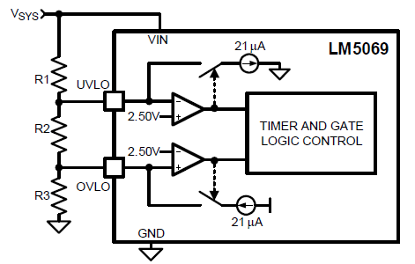
 |  |  |  | Desired Lower UVLO Threshold | 9 | V |  |  |  |  | Option C
 |  |  |  | Desired Upper OVLO Threshold | 30 | V |  |  |  |  | Option D
 |  |  |  | Desired Lower OVLO Threshold | 29 | V
 |  |  |  | Recommended Resistance for: R1 | 47.62 | kW
 |  |  |  | R2 | 18.32 | kW
 | Step 5: UVLO, OVLO & PGD Thresholds |  |  | R3 | 47.62 | kW
 |  |  |  | R4 | 4.33 | kW
 |  |  |  | Enter the Resistance for R1 | 48.7 | kW
 |  |  |  | Enter the Resistance for R2 | 15.8 | kW
 |  |  |  | Enter the Resistance for R3 | 48.7 | kW
 |  |  |  | Enter the Resistance for R4 | 4.32 | kW
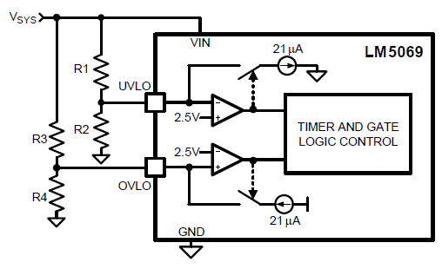
 |  | Resulting Thresholds: | Minimum | Typical | Maximum
 |  | Resulting Upper UVLO Threshold = | 10.59 | 11.23 | 11.87 | V
 |  | Resulting Lower UVLO Threshold = | 10.00 | 10.21 | 10.41 | V
 |  | Resulting Upper OVLO Threshold = | 30.07 | 30.68 | 31.30 | V
 |  | Resulting Lower OVLO Threshold = | 28.61 | 29.66 | 30.71 | V
 |  | Note: If any of the cells above are yellow, then these values are outside of the device's operating range. This will result in the device turning either on or off at its operating limits rather than at the user selected values in yellow.

Option B
R1 = UVLO(upper) - UVLO(lower)
20 uA
R2 = 1.17V x R1
UVLO(lower) - 1.17V
R3 = OVLO(upper) - OVLO(lower)
20 uA
R4 = 1.16V x R3
OVLO(upper) - 1.16V
Typical UVLO(upper) = 1.17V + (R1 x ( 1.17V + 20uA)
R2
Typical UVLO(lower) = 1.17V x (R1 + R2)/R2
Typical OVLO(upper) = 1.16V x (R3 + R4)
R4
Typical UVLO(lower) = (R3 x (( 1.16V) - 20uA)) + 1.16V
R4
 |  |  |  | Enter the Resistance for RPG | 10 | kW

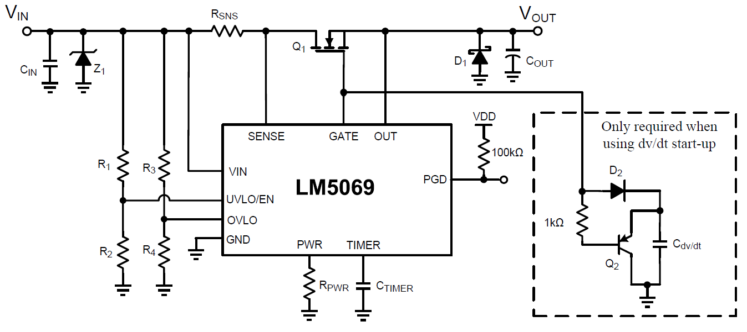
 | Design Summary |  |  | RSNS = | 5 | mW
 |  |  |  | RCL1 = | DNP | W
 |  |  |  | RCL2 = | 0 | W
 |  |  |  | RPWR = | 31 | kW |  |  | Settings | Units
 |  |  |  | CTIMER = | 56.00 | nF |  | Current limit | 11.0 | A
 |  |  |  | R1 = | 48.7 | kW |  | Power Limit | 50 | W
 |  |  |  | R2 = | 15.8 | kW |  | Circuit Breaker Current | 11.0 | A
 |  |  |  | R3 = | 48.7 | kW |  | Startup Time | 249.38 | ms
 |  |  |  | R4 = | 4.32 | kW |  | Insertion Delay | 40.7 | ms
 |  |  |  | Cdv/dt = | 133 | nF |  | Fault Timeout | 2.64 | ms
 |  |  |  | CIN = | 0.01 | µF |  | Restart Time During Fault | 526.762 | ms
 |  |  |  | D1 | B380-13-F |  |  | Upper UVLO Threshold | 11.228 | V
 |  |  |  | D2 | 1N4148W-7-F |  |  | Lower UVLO Threshold | 10.206 | V
 |  |  |  | Q1 | PSMN4R8-100BSE |  |  | Upper OVLO Threshold | 30.683 | V
 |  |  |  | Q2 | MMBT5401LT1G |  |  | Lower OVLO Threshold | 29.660 | V
 |  |  |  | Z1 | 5.0SMDxx

 | Notes: | 1. Although not mandatory, CIN provides transient suppression at the VIN pin
 |  | 2. A TVS clamp from VIN to GND is absolutely mandatory to clamp the voltage overshoot upon MOSFET turn-off, e.g. during circuit breaker
 |  | 3. Componet tolerances not accounted for in Min/Max Calculations.

