Checklist
Texas Instruments
LMG1210 Schematic and Layout Checklist
Use this document as a supplemental checklist to be used with the driver's datasheet

System | Component | Purpose | Component Required | Typical Value | Additional Considerations | Connections | Layout Recommendations | Check if Complete | Comments
Bootstrap | Cboot | Build charge to drive high side gate | Yes | Based on system specs (sizing of Cboot and Cvdd is based on Qtot - check Sec 3.1 in link at the bottom) | 10V, Feedthru, SMD recommended | HS, HB | Place close to HS, HB pins | Open |  | Typical Application Schematic
 | Rboot | Limit Dboot current | No | 1Ω - 20Ω | Rboot must be able to withstand high power dissipation during the first charging sequence of the bootstrap capacitor (calculations can be found in Sec 3.4 in link at the bottom) | HB, Dboot | Minimize path length from supply to Cboot | Open |  | 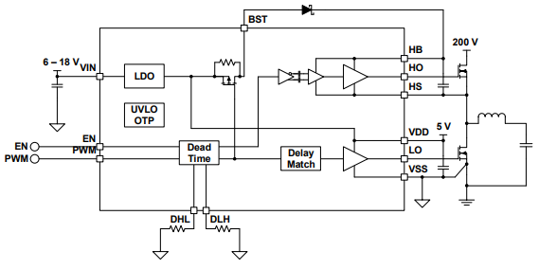
 | Dboot | Allow charging of Cboot when forward biased, and prevent Cboot charges flowing back to VDD when reverse biased | Yes |  | High Voltage (Voltage rating should be higher than the DC link), fast recovery diode or SiC Schottky diode with a low forward drop voltage and low junction capacitance | Rboot, VDD | Minimize path length from supply to Cboot | Open
Power supply | Vdd Large Bypass cap | Reduce VDD drop at switch on and replenish Cboot | Yes | 220nF - 10μF | 25V, MLCC, X7R recommended | VDD,GND | Place as close to VDD pin as possible, connect to Vss | Open
 | Vdd Small Bypass cap | Reduce noise on VDD pin | Yes | 100nF | 10V, Feedthru, SMD recommended | VDD,GND | Place as close to VDD pin as possible, connect to Vss | Open
 | Vin Bypass Capacitor | Reduce noise on Vin pin | Yes | 10μF | 25V - 50V, MLCC, X7R recommended |  | Place as close to Vin pin as possible, connect to Vss | Open
Dead Time Selection | DHL dead time resistor | Sets the dead time for a high-to-low transition in PWM mode | Yes (only in PWM mode) | 20kΩ - 1.8MΩ | For a desired dead time (tdt), the corresponding required resistance can be calculated with tdt in ns and Rext in kΩ by this formula: Rext = (900/tdt ) – 25 | DHL,VSS | DHL, GND (If using IIM this pin can be left floating, tied to GND, tied to VDD) | Open
 | DLH dead time resistor | Sets the dead time for a low-to-high transition in PWM mode | Yes (only in PWM mode) | 20kΩ - 1.8MΩ | For a desired dead time (tdt), the corresponding required resistance can be calculated with tdt in ns and Rext in kΩ by this formula: Rext = (900/tdt ) – 25 | DLH,VSS | DLH, GND (Tie to VDD to select IIM) | Open
Input Filtering | HI Resistor | Filter input noise | No | 0Ω - 100Ω | Have symetrical traces/component placement between HI and LI circuit. For applications with pulse widths in the single digit ns range avoid input filtering. | HI, Input | Place close to HI pin | Open
 | HI Cap | Filter input noise | No | 10pF-100pF |  | HI, GND | Place close to HI pin, connect to GND | Open
 | LI Resistor | Filter input noise | No | 0Ω - 100Ω |  | LI, Input | Place close to LI pin | Open
 | LI Cap | Filter input noise | No | 10pF-100pF |  | LI, GND | Place close to LI pin, connect to GND | Open
Outputs | HO Rgate | Adjust switching speed and reduce ringing | No | 0 - 5Ω |  | HO, High gate | Place between HO and gate with trace as short and wide as possible to minimize group loop | Open
 | LO Rgate | Adjust switching speed and reduce ringing | No | 0 - 5Ω |  | LO, Low Gate | Place between LO and gate with trace as short and wide as possible to minimize group loop | Open

Bootstrap Circuitry Selection for Half Bridge Configurations

