Insructions
Texas Instruments:
Limited use policy
You must treat this software and documentation like any other copyrighted material.
You may not:
-Copy documentation of the software.
-Copy this software except to make archival or backup copies.
-Reverse engineer, decompile, disassemble, or make any attempt to discover the source code of the software.
-Place the software onto a server so that it is accessible via a public network suck as the internet.
-Sublicense, rent, lease, or lend any portion of the software or documentation.
Texas instruments is not responsible for the validity of any design created with this software and urges all designs to be fully tested and carefully verified. Refer to the LMR336x0 data sheet and EVM user's guide for more details.

LMR336x0 Quick Start Design Tool
This calculator can be used to select typical component values for the LMR336x0 family of DC/DC buck converters (note: for LMR33610, use the LMR33620 in the pull-down menu). The user is encouraged to check the results over the full input voltage and load current range of the application. The results given are only typical. As always, the final design should be tested on the bench before committing to production. For more details about achieving a successful design, see the LMR336x0 data sheets.
Input Specifications
Select the device and package type from the pull-down menu and then enter values for input voltage, output voltage, load current and switching frequency. The switching frequency is restricted to the fixed values found in the pull down menu. The inductor current ripple factor is multiplied by the device current rating to give the inductor ripple current magnitude. This factor should be in the range of 0.2 to 0.4; 0.3 being the typical value.
Inductor Calculations
Typical and minimum values of power inductor are calculated. The user must select the next standard value and enter where shown. The inductor must be selected to withstand the current limit of the device.
Output Capacitor Calculations
Typical and minimum values of output capacitance are calculated. The user then enters in the actual capacitance where shown. The output capacitor(s) should be ceramic, with at least an X7R dielectric or better. The user must select a capacitor bank to give the calculated capacitance under all conditions of DC bias, temperature, and tolerance. Aluminium electrolytic capacitors can also be used to build up to the required capacitance, if needed.
Feed-back Divider Resistors
A feed-back voltage divider is required for this family of devices (fixed output voltage options are not supported). Select the desired value of top feed-back resistor and the bottom resistor will be calculated.
Feed-forward Capacitor Calculations
A starting point value for the feed-forward capacitor is calculated. The user can enter this value where shown. The value of this capacitor can be adjusted to give the desired loop performance. The use of this capacitor is optional, but it is recommended to leave space on the PCB if it should become necessary.
Input Voltage Range
This sections calculates the approximate input voltage range for full frequency operation and/or drop-out. The D.C. resistance of the inductor must be entered where shown.
Auxiliary Components and Connections
This section details the rest of the external components and connections required. All capacitors should be ceramic. The input capacitors must be rated for at least twice the maximum input voltage. CIN-HF must be placed within 1mm of the device VIN and PGND pins.
Inductor Current Calculations
This section calculates the peak, valley and ripple current in the inductor.
Current Limit Calculations
This device incorporates peak and valley current limit as well as "hiccup" mode. When the load current exceeds the "Fold-back Current Limit" value, the switching frequency will drop, while
the output voltage remains in regulation. When the load current exceeds the "Current Limit" value, the switching frequency will drop, and the output voltage will drop out of regulation. In this mode
the maximum output current is limited to the value "Maximum Output Current". When the output voltage falls below about 40% of the regulated value, hiccup mode is entered. In this mode the
output current is limited to about 20% of the value Maximum Output Current". Hiccup mode is not modeled in this spreadsheet. The user is notified if the current limit is reached.
Estimated Loop Performance
This section gives the estimated loop cross-over frequency and phase margin for the design. By adjusting the output capacitor, load, and feed-forward capacitor (if applicable) the user can see the results on the Bode plot. Please note that the graph indicates the actual loop phase, and not the phase margin, as some frequency response analyzers give.

Main
LMR336x0 Component Calculator
Rev A0

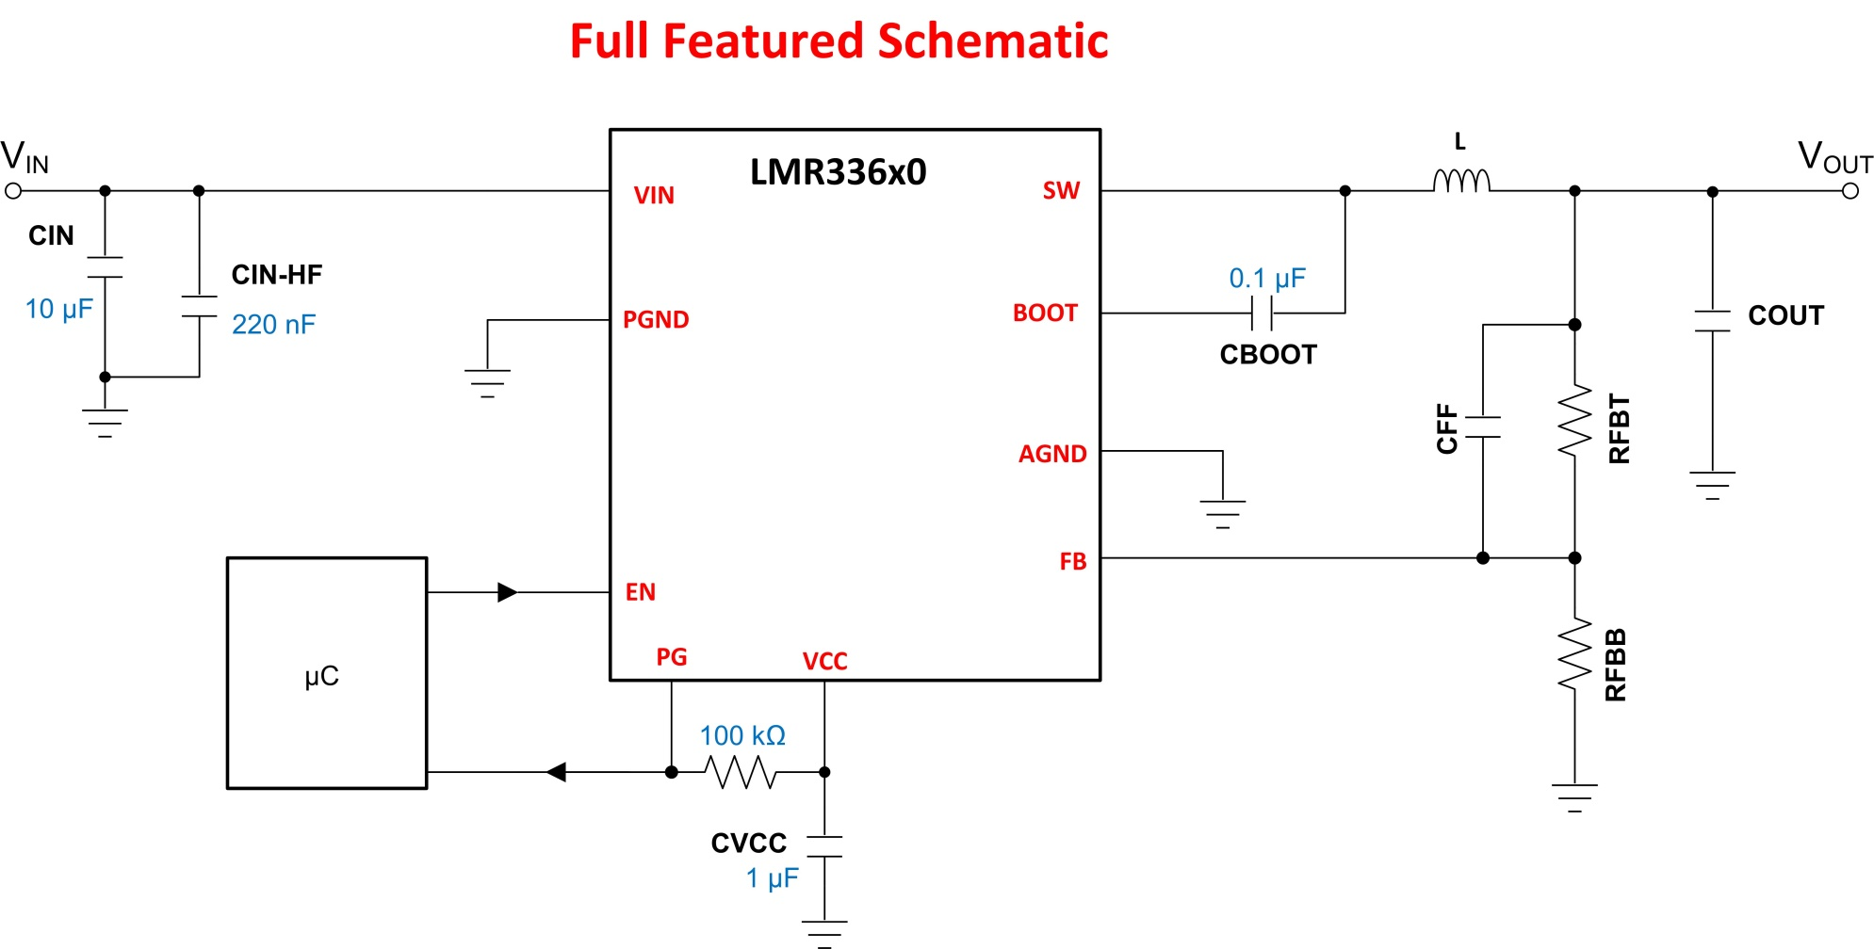

 | Input Cells
 | Results

Input Specifications
Device Number | LMR33630
Package | DDA

Nominal Input Voltage | 12
Output Voltage | 5 |  | adj
Output Current | 3
Switching Frequency (kHz) | 400

Inductor Current Ripple Factor | 0.3

Inductor Calculations
Calculated Inductance (µH) | 8.10
Calculated Minimum Inductance (µH) | 3.47
Actual Inductance used (µH) | 6.8 | UPDATE BASED ON CALCULATED INDUCTANCE

Output Capacitor Calculations
Calculated Output Capacitance (µF) | 72.0
Calculated Minimum Output Capacitance (µF) | 55.0
Actual Output Capacitance used (µF) | 43.0 | UPDATE BASED ON CALCULATED CAPACITANCE

Al. Electrolytic Output Capacitance (if used) (µF) | 0
Al. Electrolytic ESR (if used) (mΩ) | 0.0

Feed-back Divider Resistors
RFBT (kΩ) | Enter Value at Right | 100
RFBB (kΩ) | 25.0

Feed-forward Capacitor Calculations
Calculated Feed-forward Capacitance (pF) | 45.4
Actual Feed-forward capacitance (if used) (pF) | 0 | UPDATE BASED ON CALCULATED CAPACITANCE

Input Voltage Range
Inductor DC Resistance (mΩ) | 40
Maximum Input for Full Frequency (V) | 36.00 | This is the maximum input voltage before the switching frequency will drop because of minimum on-time restrictions.
Minimum Input for Full Frequency (V) | 5.79 | This is the minimum input voltage before the switching frequency will drop because of minimum off-time restrictions
Minimum Input for Regulation (V) | 5.65 | This is the minimum input voltage before the output voltage falls out of regulation. (drop-out)

Auxiliary Components and Connections

CVCC (µF) | 1
CBOOT (µF) | 0.1
CIN-HF (µF) | 0.22
CIN (µF) | 10

Inductor Current Calculations
Peak Inductor Current (A) | 3.54
Valley Inductor Current (A) | 2.46
Inductor Current Ripple (A) | 1.072

Current Limit Calculations
Fold-back Current Limit (A) | N/A | This is the maximum output current before the switching frequency will drop.
Current Limit (A) | 3.31 | This is the maximum output current before the output voltage falls out of regulation
Maximum Output Current (A) | N/A | Maximum output current in current limit

Estimated Loop Performance
Loop Gain Crossover Frequency (kHz) | 35.0
Loop Gain Phase Margin (°) | 62.7

Bode Plot
 | Loop Gain | Phase
10.0 | 40.32 | -0.96045611356
15.0 | 40.32 | -1.4405633011
20.0 | 40.32 | -1.9205255354
25.0 | 40.31 | -2.4002946482
30.0 | 40.31 | -2.879822599
35.0 | 40.31 | -3.3590615068
40.0 | 40.30 | -3.8379636812
45.0 | 40.30 | -4.3164816535
50.0 | 40.30 | -4.7945682071
55.0 | 40.29 | -5.2721764079
60.0 | 40.28 | -5.7492596341
65.0 | 40.28 | -6.2257716051
70.0 | 40.27 | -6.7016664105
75.0 | 40.26 | -7.1768985378
80.0 | 40.26 | -7.6514229002
85.0 | 40.25 | -8.1251948631
90.0 | 40.24 | -8.5981702702
95.0 | 40.23 | -9.0703054688
100.0 | 40.22 | -9.5415573343
150.0 | 40.10 | -14.196427586
200.0 | 39.93 | -18.720243835
250.0 | 39.73 | -23.0814255
300.0 | 39.49 | -27.25654747
350.0 | 39.22 | -31.230263037
400.0 | 38.93 | -34.994559196
450.0 | 38.62 | -38.547607626
500.0 | 38.30 | -41.892455893
550.0 | 37.96 | -45.035744054
600.0 | 37.62 | -47.986562054
650.0 | 37.28 | -50.755502407
700.0 | 36.93 | -53.353918904
750.0 | 36.58 | -55.793375592
800.0 | 36.23 | -58.085257485
850.0 | 35.88 | -60.240510903
900.0 | 35.54 | -62.269483044
950.0 | 35.20 | -64.181834609
1,000.0 | 34.87 | -65.986504292
1,500.0 | 31.78 | -79.606271015
2,000.0 | 29.16 | -88.140763287
2,500.0 | 26.92 | -93.819210206
3,000.0 | 24.97 | -97.700344664
3,500.0 | 23.27 | -100.382254
4,000.0 | 21.77 | -102.24234418
4,500.0 | 20.44 | -103.53277154
5,000.0 | 19.25 | -104.42671412
5,500.0 | 18.18 | -105.04474019
6,000.0 | 17.22 | -105.47141638
6,500.0 | 16.34 | -105.76633178
7,000.0 | 15.53 | -105.97160718
7,500.0 | 14.79 | -106.11707822
...

