Schematic checklist
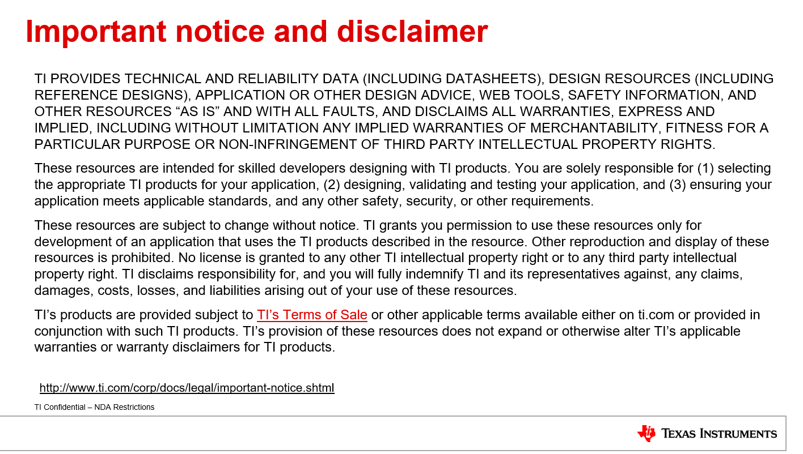
Table 1: LP8774x-Q1 PMIC schematic review checklist |  |  |  | OTP ID: 00, Device part number: P877451A1RXVRQ1 | Customer: xxx | Date: xxx | Revision:xx
Pin | Name | I/O | Purpose | Connection for functional use | Connection if not used | Check if complete | Comments
1 | SCLK_SPI | D/I | Clock signal for SPI interface. | Connect o MCU SCLK_SPI port | GND | Used & completed
2 | SDO_SPI | D/O | Output data signal for SPI interface | Connect to MCU SDO_SPI port | Not connected | Used & completed
3 | FB_B1 | A | Output voltage feedback (positive) for BUCK1. | Connect to BUCK1 output voltage at local capacitor (near to PMIC) or at point of load capacitor (near to MCU) * If feedback is taken from point of load, there should not be any 2nd stage L/ferrite filter in the path. Also if the board parasitic inductance is large (> 5nH at 100 MHz), local feedback is recommended. * For stability measurements, 0 ohm resistor could be added in series and stability should be always measured on the PCB. | GND | Used & completed | Recommending adding 0 Ohm series resistor to allow stability measurements during prototyping.
4 | CS_SPI/ WD_DIS | D/O | Primary function: Chip select signal for SPI interface. Alternative programmable function: Watchdog Disable Input. | Connect to MCU CS_SPI port * If WD_DIS function is needed and device OTP supports it, connect a resistor (4.5K ohm or less) to ground from this pin. | GND | Used & completed
5, 19 | AGND | P | Analog Ground. | Connect this pin to PCB ground on the inner layer quiet ground through vias Do not connect PGND pins to this pin on the layer on which PMIC is placed | GND | Used & completed
6 | NRSTOUT | D/O | Reset/PGOOD output. | Connect to MCU reset port. Verify the OTP excel sheet for its configuration. -If OTP is configured as open drain, external pull up resistor is needed. With TI default OTP option, this pin is internally pulled up and no external pull up is needed. | Not connected | Used & completed
7 | nINT | D/O | Interrupt output and CAN PHY control or both. | Connect to MCU interrupt port and CAN transceiver disable input -If OTP is configured as open drain, external pull up resistor is needed. With TI default OTP option, this pin is internally pulled up and no external pull up is needed. | Not connected | Used & completed | Pullup not needed since internal pullup is enabled on the preview device.
8 | SDI_SPI | D/I | Input data signal for SPI interface. | Connect to MCU SDI_SPI port | GND | Used & completed
9 | VIO_LDO | P | IO supply from the internal LDO or from external source | If VIO_LDO is enabled: * Connect 2.2uF (6.3V or higher) from this pin to GND, if point of load capacitor is less than 5uF * Connect 4.7uF (6.3V or higher) from this pin to GND, if point of load capacitor is more than 5uF If VIO_LDO disabled and used as external IO supply voltage: * Connect 2.2uF (6.3V or higher) from this pin to GND If VIO_LDO is used as AWR IO supply in the system/ECU, all the external peripherals/components IO supply, pull up resistors should also be connected to VIO_LDO to have one common IO supply on the system/ECU. VIO_LDO maximum current is 150mA and if the system has other compnents in addition to CAN and Ethernet components which require 3.3V IO supply, max current capability should be checked. If pre regulator output is used as IO supply for some components and VIO_LDO is used as IO supply for AWR device, then there is a possibility that pre regulator IO supply can appear on AWR IO supply even before VIO_LDO is powered on and it could prevent PMIC power up if VIO_LDO residual voltage check is enabled in the PMIC. Current OTP's have VIO_LDO residual voltage check enabled by default ! | N/A | Used & completed
10 | VOUT_BST | P | BOOST regulator output | BOOST enabled: BOOST output (internally connected as VIO_LDO input): Connect 10uF (10V or higher) capacitor from this pin to GND. BOOST disabled and VIO_LDO disabled: short with VIO_LDO. BOOST disabled and VIO_LDO enabled: Input for connecting to an external supply used as VIO_LDO input. Use 2.2uF (6.3V or higher) capacitor from this pin to GND. | N/A | Used & completed | Verify the output capacitor voltage rating.
11 | SW_BST | P | BOOST switch node | Connect 1.5uH inductor ( more than 1.5A saturation current) and 4.7uF (6.3V or higher) input filter capacitor at 3.3V supply input. | GND | Used & completed
12 | PGND_B3BST | G | Power ground for BUCK3 and BOOST. | Connect to PCB ground and do not connect to AGND power pad on the layer on which PMIC is placed. | GND | Used & completed
13 | PVIN_B3 | P | Power input for BUCK3. | Connect to 3.3V pre regulator supply voltage. Place minimum 4.7uF (6.3V or higher) capacitor from this pin to GND. Place 1uF high frequency 3-T capacitor from this pin to GND. More capacitors may be needed depending on the load transient requirements. | VIN_3V3 | Used & completed
14 | SW_B3 | P | BUCK3 switch node. | Depending on the OTP configuration, use 240nH inductor or 470nH Depending on the OTP configuration, use minimum 22uF local output capacitor + 22uF point of load capacitor (POL) or 10uF local output capacitor. Refer to the Table-2 BUCK External components recommendation on row 36. Add a place holder for RC snubber circuit (example: 330pF-0402 size and 3.9 ohm-0603 size) on Sw_Bx pins to optimize the EMC performance, if needed. However this snubber is not needed for device operation and efficiency will be affected with it. If used, this RC snubber value must be optimized on the customer board. | Not connected | Open | Is the inductor shorted?
15 | ENABLE | D/I | Programmable ENABLE signal. | Connect this pin to 3.3V pre regulator input supply/PVIN_x pins or to pre regulator PGOOD signal or PMIC enable signal. | NA | Used & completed
16 | nERR/GPO2 | D/O | Primary function: System MCU Error Monitoring Input. Alternative programmable function: General Purpose Output signal (GPO2) Alternative programmable function: Fault Communication Output signal (FAULT2). | If configured as nERR, connect it to Error output of the MCU. | GND | Used & completed
17 | FB_B3 | A | Output voltage feedback (positive) for BUCK3 | * Connect to BUCK3 output voltage at local capacitor (near to PMIC) or at point of load capacitor (near to MCU) * If feedback is taken from point of load, there should not be any 2nd stage L/ferrite filter in the path. Also if the board parasitic inductance is large (> 5nH at 100 MHz), local feedback is recommended. * For stability measurements, 0 ohm resistor could be added in series and stability should be always measured on the PCB. | GND | Used & completed | Recommending adding 0 Ohm series resistor to allow stability measurements during prototyping.
18 | VOUT_LDO | P | LDO regulator filter node. LDO is used for internal purposes. | Connect 2.2uF (6.3V or higher) capacitor from this pin to AGND. Do not connect this supply to any other external circuits. | NA | Used & completed
20 | VCCA | A | Supply voltage for internal LDO. | Connect this pin to 3.3V pre regulator input supply/PVIN_x pins. Connect 2.2uF ( 6.3V or higher) capacitor from this pin to AGND. | NA | Used & completed
21 | FB_B2 | A | Output voltage feedback (positive) for BUCK2. | * Connect to BUCK2 output voltage at local capacitor (near to PMIC) or at point of load capacitor (near to MCU) * If feedback is taken from point of load, there should not be any 2nd stage L/ferrite filter in the path. Also if the board parasitic inductance is large (> 5nH at 100 MHz), local feedback is recommended. * For stability measurements, 0 ohm resistor could be added in series and stability should be always measured on the PCB. | GND | Used & completed | Recommending adding 0 Ohm series resistor to allow stability measurements during prototyping.
22 | VMON1/ GPO1 | A/D/O | Voltage monitoring input. Alternative programmable function: General Purpose Output signal (GPO1). Alternative programmable function: Fault Communication Output signal (FAULT1). Alternative programmable function: CAN PHY control (CAN_DIS). | If configured as VMON1 in OTP, connect to appropriate supply voltage for monitoring. | GND | Open | Should be connected to GND since the pin is disabled on the preview device.
23 | SYNCCLKIN | D/I | External clock input. | If configured to work with external clock signal, connect to external clock source (for example: PMIC clock out from MCU) | Not connected | Used & completed | 2.2 MHz clock expected if external clock synchronization is used.
24 | SW_B2 | P | BUCK2 switch node | Depending on the OTP configuration, use 240nH inductor or 470nH Depending on the OTP configuration, use minimum 22uF local output capacitor + 22uF point of load capacitor or 10uF local output capacitor. Refer to the Table-2 BUCK External components recommendation on row 36. Add a place holder for RC snubber circuit (example: 330pF-0402 size and 3.9 ohm-0603 size) on Sw_Bx pins to optimize the EMC performance, if needed. However this snubber is not needed for device operation and efficiency will be affected with it. If used, this RC snubber value must be optimized on the customer board. | Not connected | Open | Is the inductor shorted?
25 | PVIN_B2 | P | Power input for BUCK2. The separate power pins PVIN_Bxx are not connected together internally – PVIN_Bxx and VCCA pins must be connected together in the application and be locally bypassed. | Connect to 3.3V pre regulator supply voltage. Place minimum 4.7uF (6.3V or higher) capacitor from this pin to GND. Place shared (with PVIN_B1) 1uF high frequency 3-T capacitor from this pin to GND. More capacitors may be needed depending on the load transient requirements. | VIN_3V3 | Used & completed
26 | PGND_B12 | G | Power ground for BUCK1 and BUCK2. | Connect to PCB ground and do not connect to AGND power pad on the layer on which PMIC is placed. | GND | Used & completed
27 | PVIN_B1 | P | Power input for BUCK1 | Connect to 3.3V pre regulator supply voltage. Place minimum 4.7uF (6.3V or higher) capacitor from this pin to GND. Place shared (with PVIN_B2) 1uF high frequency 3-T capacitor from this pin to GND. More capacitors may be needed depending on the load transient requirements. | VIN_3V3 | Used & completed
28 | SW_B1 | P | BUCK1 switch node. | Depending on the OTP configuration, use 240nH inductor or 470nH Depending on the OTP configuration, use minimum 22uF local output capacitor + 22uF point of load capacitor or 10uF local output capacitor. Refer to the Table-2 BUCK External components recommendation on row 36. Add a place holder for RC snubber circuit (example: 330pF-0402 size and 3.9 ohm-0603 size) on Sw_Bx pins to optimize the EMC performance, if needed. However this snubber is not needed for device operation and efficiency will be affected with it. If used, this RC snubber value must be optimized on the customer board. | Not connected | Open | Is the inductor shorted? 24 µF is minimum effective capacitance (includes derating, tolerance etc.) required with 240 nH inductor. Currently the second 22 µF is marked as NC. Add second 22 µF unless the capacitance requirement is met with capacitors that are not shown in the PDF.

Note: A: Analog Pin, D: Digital Pin, G: Ground Pin, P: Power Pin, I: Input Pin, O: Output Pin

CHECK TOTAL OUTPUT INDUCTOR /CAPACITANCE PER PHASE AGAINST TABLE BELOW |  |  |  |  |  | Open | BUCK1 is missing second 22 µF output capacitor.

 |  |  |  | Table 2- BUCK External components recommendation
 |  | S No | Device configuration | Output Inductor value (nH) | Output capacitor (uF)***
 |  |  |  |  | Min Typical capacitor- Local | Min Typical capacitor-POL | Minimum/Maximum Total Capacitance (Local+POL), considering derating and all tolerances
 |  | 1* | 17.6 MHz Low noise | 240 | 22 ** | 22 | 24/106
 |  | 2 | 8.8 MHz Low noise | 240 | 22 ** | 22 | 24/106
 |  | 3 | 4.4 MHz | 470 | 22 | 22 | 24/106
 |  | 4* | 17.6 MHz cost optimized | 470 | 10 (or 2x4.7uF) | 4.7uF or 10uF | 8/53
 |  | 5 | 8.8 MHz cost optimized | 470 | 10 (or 2x4.7uF) | NA | 5/53

 |  |  | * 1st samples (For AWR2944 power attach, PMIC part number: P877451A1RXVRQ1 ) are only with option-1 with BUCK1 Vout = 1.8V, BUCK2 Vout = 1.0V, BUCK3 Vout=1.2V, BOOST = 5V, VIO_LDO = 3.3V.
 |  |  | **2x22uF needed on 1V to meet AWR Low noise specification of 1V rail.
 |  |  | *** If 2nd stage LC filters are used: - POL feedback should not be used. - Local minimum capacitance should be >= minimum Total capacitance specified. - Sum of local capacitance and the Capacitance after the 2nd stage "L/Ferrite" should be < maximum total capacitance specified - TI recommends to use X7 type capacitors. All the recommendations are based on measurements/simulations done with Table 9-1. Recommended Components table in the datasheet/checklist

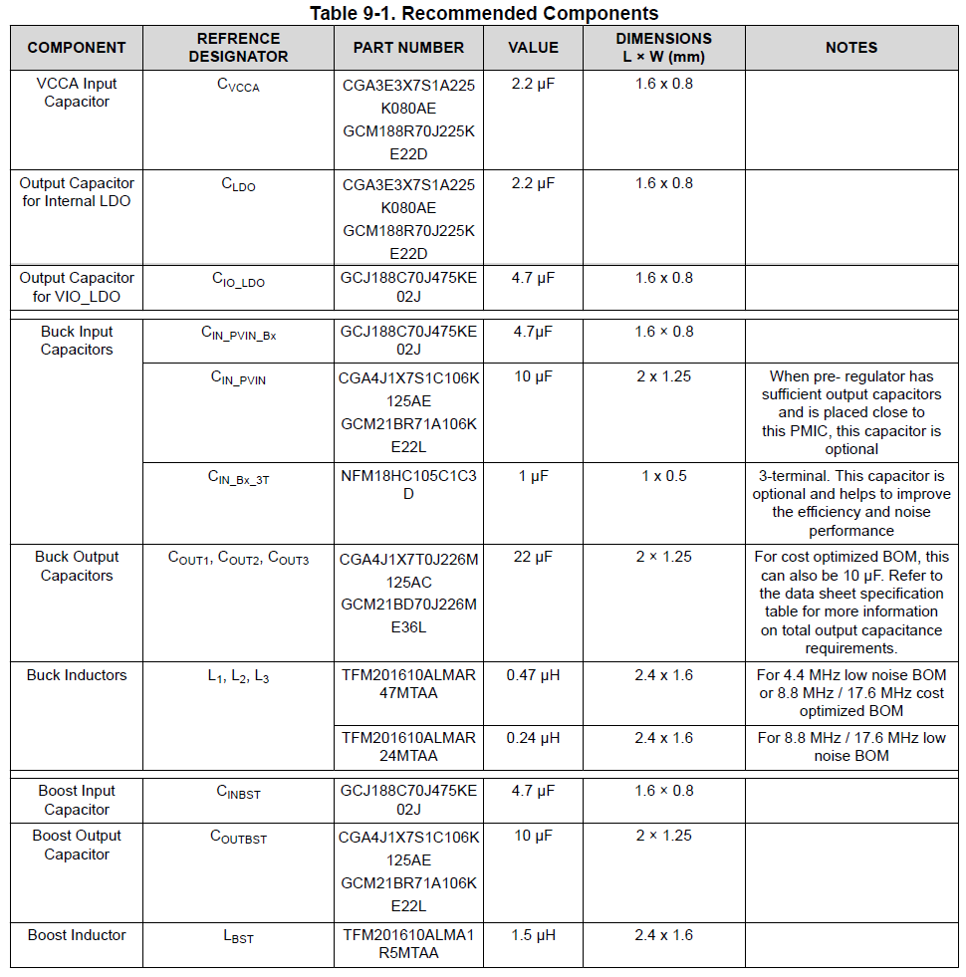
 |  |  | Typical schematic diagram with AWR2944 Radar

