Main Table
User Input
Calculated
Constant
 |  |  |  |  | Comment
 | Topology |  | Boost |  | choose Boost or Buck-Boost topology
 | Input voltage | Vin | 5 | V
 | Max current per channel | Iout_Full Scale/string | 450 | mA
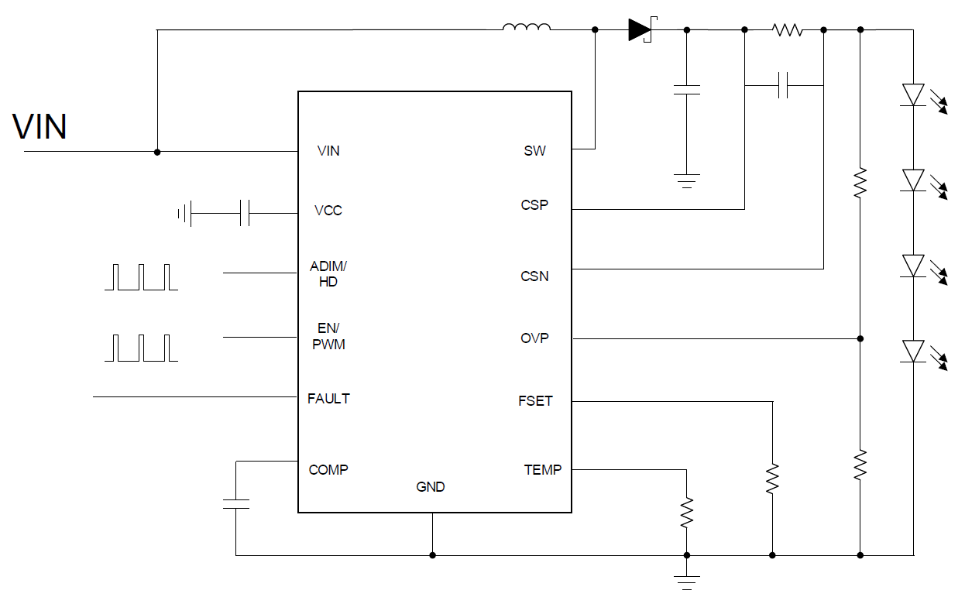
 | channel count |  | 1
 | Max output current | Iout_Full Scale total | 450 | mA
 | PWM dimming duty | Dpwm | 1
 | Analog dimming duty | Dadim | 1
 | Actual output current | Iout | 450 | mA
 | LED number # | LED count/string | 6
 | LED forward voltage | LED Vf | 3.17 | V
 | Total LED Voltage | Vled | 19.02 | V
 | Diode forward voltage | VD | 0.35 | V
 | Switching frequency | Fsw | 0.4 | MHz
 | switching frequency resistor | RFET | 59 | kΩ
 | Suggested power Inductor | L | 22 | uH
 | Actual power Inductor | Lact | 22 | uH
 | Actual power Inductor DCR | RL | 0.01 | Ω
 | Inductor peak current | IL_peak | 2.16 | A | if current is higher than 2A, pls choosen LP8868
 | Inductor ripple current | IL_rip_pp | 0.37 | A
 | recommended inductor saturation current | IL_sat | 3.52 | A
 | Sense resistor | Rse | 444.44 | mΩ
 | Actual sense resistor | Rse_actual | 400.00 | mΩ
 | Power rating of sense resistor min. |  | 0.36 | W
 | OVP upper resistor | Rop1 | 500 | kΩ
 | OVP lower resistor | Rop2 | 10 | kΩ
 | OVP verification |  | PASS
 | Device package |  | VSON
 | Device power loss | Ploss | 0.80 | W
 | Device thermal rise | Trise | 23.95 | deg
 | Thermal foldback | Ttemp | 100 | deg | TI recommended at least 25deg margin
 | Thermal foldback | Rtemp | 57.6 | kΩ
 | Efficiency | η | 0.8579 |  | system efficiency
 | Input capacitance | Cin | 22 | uF | TI recommended at least 15uF MLCC
 | Output caps | Cout | 10 | uF
 | Output caps ESR | ESR | 0.01 | W
 | desired output ripple | Vrip_d | 25 | mV
 | calculated output ripple | Vrip_c | 1.16 | mV | calculated output ripple shuold be smaller than desired output ripple
 | Sense capacitor | Cse | 2.89 | uF | For accurate current regulation

