Instructions
Mode of Operation and Operating Frequency Calculator for LMR33620/30-Q1 and LMR36006/15-Q1
 |  |  |  |  |  |  |  | Click to begin
What? |  | This is a tool for LMR33620/30 (Q1 and non-Q1) and LMR36006/15 (Q1 and non-Q1). This tool helps predict the mode of operation and approximate switching frequency for particular operating conditions.

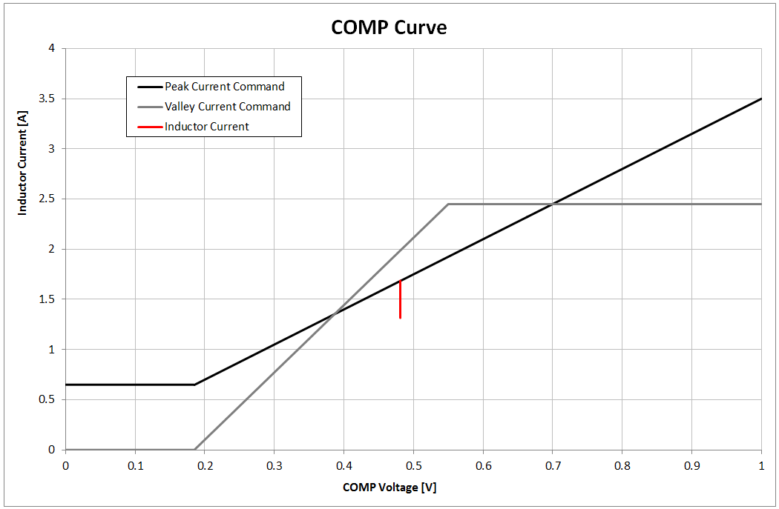
Why? |  | These parts have many features, a few of which (PFM, Auto foldback, heavy-load foldback) reduce the switching frequency. This tool predicts the switching frequency accounting for these features to help you find your expected operating frequency.

How? |  | See descriptions below. Click the, "Calculator" sheet to enter the tool or click any image below. Or click, "Click to begin"

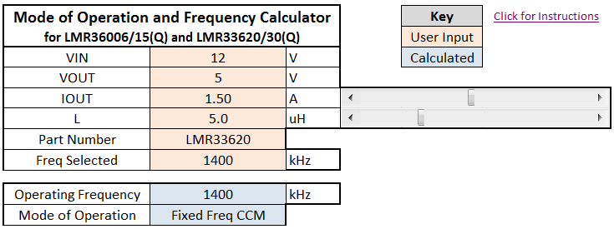
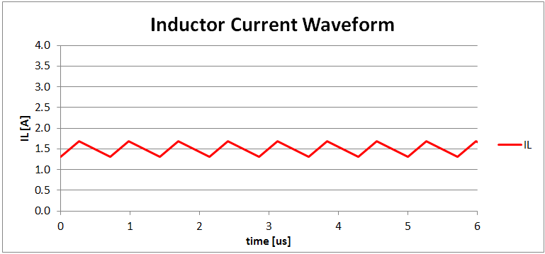

 |  |  | User Inputs | and | Calculated Outputs |  |  |  | COMP Curve

 |  |  |  |  |  | Inductor Current Waveform
 |  | Step 1. | Add user inputs in the orange boxes |  |  |  |  |  |  | This chart shows the peak current command and valley current command limits which shows when the IC will switch on and off. The chart also shows the inductor current ripple in red.
 |  |  | Use the sliders for IOUT and L |  |  |  | This chart shows the approximate inductor current waveform with respect to time

 |  | Step 2. | See results in the blue boxes

 | Entering data: |  |  |  |  |  | Disclaimers: |  |  | COMP Curve Rules:
 | VIN |  | Type your input voltage |  |  |  | • The IL waveform may not be exactly what one would see on the bench.
 | VOUT |  | Type your output voltage |  |  |  |  |  |  | 1. Peak Current Command
 | IOUT |  | Use the slider to select IOUT |  |  |  | • PFM near Auto Foldback may express as multiple pulses at the selected frequency, then a wait time as opposed to equally-spaced pulses as shown on the graph on this tool |  |  |  | • The IC turns on the low-side FET (high-side off) when the inductor current reaches the peak current command
 | L |  | Use the slider to select L
 | Part Number |  | Click the drop-down to select your part
 | Freq Sel |  | Click the drop down to select your frequency |  |  |  |  |  |  |  | • This causes IL to ramp down.
 |  |  |  |  |  |  |  |  |  | 2. Valley Current Command
 | Operating Frequency |  | Result: An approximate operating frequency |  |  |  |  |  |  |  | • The IC turns on the high-side FET (low-side off) when the inductor has reached or passed this line.
 | Mode of Operation |  | Result: The predicted mode of operation for the given specs

 |  |  |  |  |  |  |  |  |  |  | • This causes IL to ramp up.
 |  |  |  |  |  |  |  |  |  |  | • IL ripple has a certain amplitude based on VIN, VOUT, L, and Freq. IL ramps below the valley current command when that ripple is greater than the distance between the peak current command and valley current command at the operating COMP voltage on the COMP curve.

Disclaimers:
- This tool uses arithmetic and rules of operation to calculate results. This is not a true simulation tool. Please use the Spice models or WEBENCH for simulations.
- This tool should be used to understand how the part works in normal operation, not to determine exact values or edge cases. For this see simulations (Spice/WEBENCH).
- For questions / concerns please search |  |  |  | E2E. | If you do not find your answer please post a question asking about the part you're interested in, mention this
 | tool, and ask for Sam.
 |  |  |  |  |  |  |  |  |  |  | • Otherwise the IC has to wait until IL reaches the valley current command to turn the high-side FET on again. This results in a reduced frequency, either PFM, Auto foldback, or Heavy Load Foldback.

 |  |  |  |  |  |  |  |  |  | 3. Current Limit
 |  |  |  |  |  |  |  |  |  |  | • VCOMP Clamps at 1V. Anything higher causes the output voltage to droop.

 |  |  |  |  |  |  |  |  |  | 4. Hiccup
 |  |  |  |  |  |  |  |  |  |  | • VOUT droop of ~40% or more (see datasheet for specifics) enters hiccup mode.

 |  |  |  |  |  |  |  |  |  | • Values may vary up to +/-0.3A for the peak current command value and up to +/-0.2A for the valley current command value at VCOMP = 1V (variation is proportional to VCOMP). Actual bench results may vary from calculated values due to these margins.

Calculator
COMP Curve
 | Peak Current Command | Valley Current Command | Inductor Current
0 | 0.48 | 0.000 | #N/A
0 | 0.48 | 0.000 | #N/A
0.001 | 0.48 | 0.000 | #N/A
0.001 | 0.48 | 0.000 | #N/A
0.002 | 0.48 | 0.000 | #N/A
0.002 | 0.48 | 0.000 | #N/A
0.003 | 0.48 | 0.000 | #N/A
0.003 | 0.48 | 0.000 | #N/A
0.004 | 0.48 | 0.000 | #N/A
0.004 | 0.48 | 0.000 | #N/A
0.005 | 0.48 | 0.000 | #N/A
0.005 | 0.48 | 0.000 | #N/A
0.006 | 0.48 | 0.000 | #N/A
0.006 | 0.48 | 0.000 | #N/A
0.007 | 0.48 | 0.000 | #N/A
0.007 | 0.48 | 0.000 | #N/A
0.008 | 0.48 | 0.000 | #N/A
0.008 | 0.48 | 0.000 | #N/A
0.009 | 0.48 | 0.000 | #N/A
0.009 | 0.48 | 0.000 | #N/A
0.01 | 0.48 | 0.000 | #N/A
0.01 | 0.48 | 0.000 | #N/A
0.011 | 0.48 | 0.000 | #N/A
0.011 | 0.48 | 0.000 | #N/A
0.012 | 0.48 | 0.000 | #N/A
0.012 | 0.48 | 0.000 | #N/A
0.013 | 0.48 | 0.000 | #N/A
0.013 | 0.48 | 0.000 | #N/A
0.014 | 0.48 | 0.000 | #N/A
0.014 | 0.48 | 0.000 | #N/A
0.015 | 0.48 | 0.000 | #N/A
0.015 | 0.48 | 0.000 | #N/A
0.016 | 0.48 | 0.000 | #N/A
0.016 | 0.48 | 0.000 | #N/A
0.017 | 0.48 | 0.000 | #N/A
0.017 | 0.48 | 0.000 | #N/A
0.018 | 0.48 | 0.000 | #N/A
0.018 | 0.48 | 0.000 | #N/A
0.019 | 0.48 | 0.000 | #N/A
0.019 | 0.48 | 0.000 | #N/A
0.02 | 0.48 | 0.000 | #N/A
0.02 | 0.48 | 0.000 | #N/A
0.021 | 0.48 | 0.000 | #N/A
0.021 | 0.48 | 0.000 | #N/A
0.022 | 0.48 | 0.000 | #N/A
0.022 | 0.48 | 0.000 | #N/A
0.023 | 0.48 | 0.000 | #N/A
0.023 | 0.48 | 0.000 | #N/A
0.024 | 0.48 | 0.000 | #N/A
0.024 | 0.48 | 0.000 | #N/A
...
Mode of Operation and Frequency Calculator for LMR36006/15(Q) and LMR33620/30(Q) |  |  |  | Key | Click for Instructions
 |  |  |  | User Input
VIN | 12 | V |  | Calculated
VOUT | 5 | V | IOUT Slider Disabled. Ctrl-Z to re-enable
IOUT | 0.10 | A
L | 10.0 | uH
Part Number | LMR36015 |  | L Slider Disabled. Ctrl-Z to re-enable
Freq Selected | 400 | kHz

Operating Frequency | 253 | kHz
Mode of Operation | PFM

Inductor Current Waveform
 | IL | ILMAX
0 | 0.0 | 2.4
1 | 0.5
2 | 0.0
4 | 0.0
5 | 0.5
6 | 0.0
8 | 0.0
9 | 0.5
10 | 0.0
12 | 0.0
13 | 0.5
13 | 0.0
16 | 0.0
16 | 0.5
17 | 0.0
20 | 0.0
20 | 0.5
21 | 0.0
24 | 0.0
24 | 0.5
25 | 0.0
28 | 0.0
28 | 0.5
29 | 0.0
32 | 0.0
32 | 0.5
33 | 0.0
36 | 0.0
36 | 0.5
37 | 0.0
39 | 0.0
40 | 0.5
41 | 0.0
43 | 0.0
44 | 0.5
45 | 0.0
47 | 0.0
48 | 0.5
49 | 0.0
51 | 0.0
52 | 0.5
53 | 0.0
55 | 0.0
56 | 0.5
57 | 0.0
59 | 0.0
60 | 0.5
61 | 0.0
63 | 0.0
64 | 0.5
...

Disclaimers:
- This tool uses arithmetic and rules of operation to calculate results. This is not a true simulation tool. Please use the Spice models or WEBENCH for simulations.
- This tool should be used to understand how the part works in normal operation, not to determine exact values or edge cases. For this see simulations (Spice/WEBENCH).
- For questions or concerns please search |  | E2E. | If you do not find your answer please post a question asking about the part you're interested in, mention this tool, and ask for Sam.

