LM5069 protection
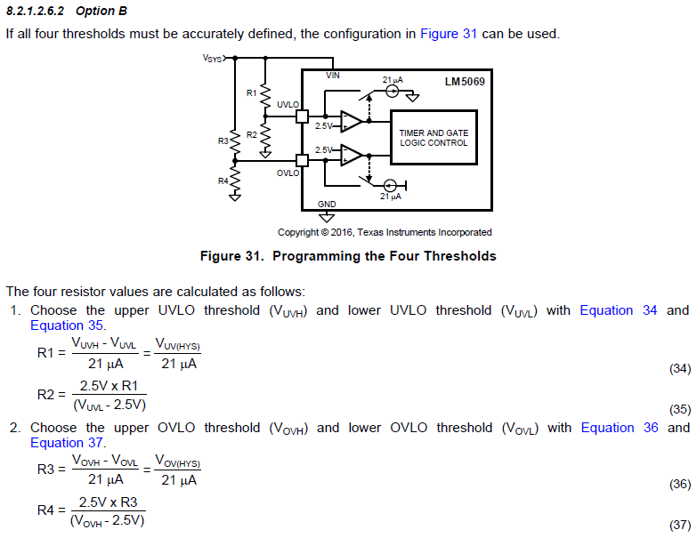
Under Voltage

Vsys

Vuv High
 |  |  |  |  |  |  |  | Vuv Hysteresis
Vuv Low

 |  | Gate Off |  |  |  | Gate On

R1 | 20000 | ohm | --> | Vuv Hys | 0.42 | V | from (34)
R2 | 6040 | ohm | --> | Vuv Low | 10.78 | V | from (35)

 |  |  |  | Vuv High | 11.20 | V

Over Voltage

Vov High
 |  |  |  |  |  |  |  | Vov Hysteresis
Vov Low

Vsys

 |  | Gate Off |  |  |  | Gate On

R3 | 20000 | ohm | --> | Vov Hys | 0.42 | V | from (36)
R4 | 2000 | ohm | --> | Vov High | 27.50 | V | from (37)

 |  |  |  | Vov Low | 27.08 | V

