Question_220614
our product
Battery
BQ34Z100-G1
MCU
BQ25883
(Charger IC)
I2C
CC to CV : 8200mV
CV to the end : 200mA

Cell V at Chg Term : 4100mV
Number of series cell : 2
Taper Current : 200mA
Min Taper Capacity : 25mAh
Cell Taper Voltage : 100mV
Current Taper Window : 40s

Exp.1 : Charging at 200mA
Voltage is high enough
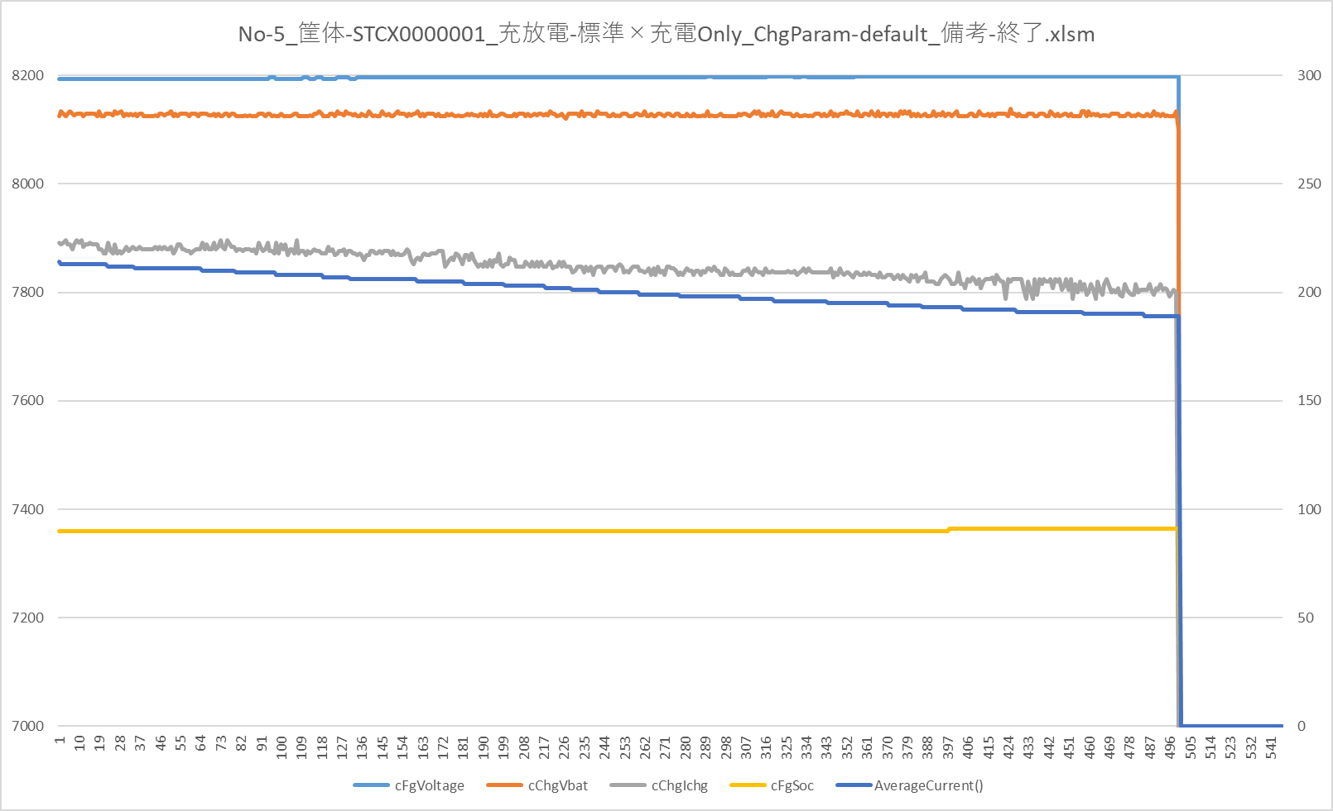

AverageCurrent is low enough

it seems that the termination conditions are met.

cFgVoltage:Battery voltage read by Fuelgauge IC cChgVbat:Battery voltage read by charge IC
cChgIchg:Charging current read by charge IC
cFgSoc:SOC read by Fuelgauge IC
AverageCurrent():Average current read by Fuelgauge IC

Exp.2 : Charging at 100mA
No-6_筐体-STCX0000001_充放電-標準×充電Only_ChgParam-Term100mA_備考-終了.xlsm
 | cFgVoltage | cChgVbat | cChgIchg | cFgSoc | AverageCurrent()
 | 8210 | 8130 | 102 | 94 | 0
 | 8210 | 8125 | 102 | 94 | 105
 | 8210 | 8130 | 99 | 94 | 105
 | 8210 | 8130 | 102 | 94 | 105
 | 8208 | 8125 | 103 | 94 | 105
 | 8208 | 8125 | 100 | 94 | 105
 | 8208 | 8125 | 102 | 94 | 105
 | 8208 | 8130 | 102 | 94 | 105
 | 8208 | 8130 | 104 | 94 | 105
 | 8208 | 8130 | 102 | 94 | 105
 | 8208 | 8130 | 102 | 94 | 105
 | 8208 | 8124 | 109 | 94 | 105
 | 8208 | 8130 | 97 | 94 | 105
 | 8210 | 8134 | 102 | 94 | 105
 | 8210 | 8125 | 99 | 94 | 105
 | 8210 | 8125 | 104 | 94 | 105
 | 8208 | 8124 | 102 | 94 | 105
 | 8208 | 8130 | 102 | 94 | 105
 | 8208 | 8125 | 102 | 94 | 105
 | 8210 | 8125 | 102 | 94 | 105
 | 8210 | 8130 | 102 | 94 | 105
 | 8210 | 8124 | 102 | 94 | 105
 | 8210 | 8125 | 95 | 94 | 105
 | 8210 | 8125 | 105 | 94 | 105
 | 8210 | 8125 | 102 | 94 | 105
 | 8210 | 8125 | 96 | 94 | 105
 | 8210 | 8130 | 99 | 94 | 105
 | 8210 | 8124 | 102 | 94 | 105
 | 8208 | 8126 | 101 | 94 | 105
 | 8208 | 8134 | 102 | 94 | 105
 | 8208 | 8125 | 99 | 94 | 105
 | 8208 | 8124 | 108 | 94 | 105
 | 8208 | 8125 | 99 | 94 | 105
 | 8208 | 8134 | 99 | 94 | 105
 | 8210 | 8126 | 102 | 94 | 105
 | 8210 | 8125 | 101 | 94 | 105
 | 8210 | 8134 | 99 | 94 | 105
 | 8210 | 8130 | 98 | 94 | 105
 | 8210 | 8130 | 98 | 94 | 105
 | 8210 | 8132 | 100 | 94 | 105
 | 8208 | 8126 | 101 | 94 | 105
 | 8208 | 8130 | 100 | 94 | 105
 | 8208 | 8130 | 100 | 94 | 105
 | 8210 | 8124 | 102 | 94 | 105
 | 8210 | 8125 | 99 | 94 | 105
 | 8210 | 8132 | 99 | 94 | 105
 | 8210 | 8130 | 102 | 94 | 105
 | 8210 | 8130 | 99 | 94 | 105
 | 8210 | 8125 | 105 | 94 | 105
 | 8210 | 8130 | 109 | 94 | 105
...

Voltage is high enough

AverageCurrent is low enough

Soc change to 100%

