Sheet1
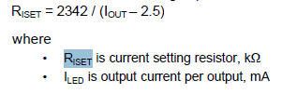
Riset | 24 | kohm
Iout | 100.08333333 | mA

Riset min | 24 | kohm
Riset max | 220 | kohm

Sync current at Iset(1.21V fixed)
50.416666667 | uA

If there is Riset between Iset pin and external DC input

External DC | 1 | V
Iset | 8.75 | uA
Iout | 19.577083333 | mA

