Input Here
UCC28780 DESIGN CALCULATOR TOOL
TI Literature Number: | SLUC664A
Disclaimer
This product is designed as an aid for customers of Texas Instruments. No warranties, either expressed or implied, with respect to this software or its fitness for any particular purpose, are claimed by Texas Instruments or the author. The software is licensed solely on an "as is" basis. The entire risk as to its quality and performance is with the customer.

UCC28780 CONSTANT-VOLTAGE, CONSTANT-CURRENT FLYBACK DESIGN CALCULATOR
CLEAR ALL USER INPUT CELLS BEFORE STARTING A NEW DESIGN
ALL GREEN CELLS ARE USER INPUTS
WHERE APPLICABLE, A RECOMMENDED VALUE IS GIVEN THAT WILL BE THE BEST CHOICE TO MEET THE GIVEN SPECIFICATION. IT IS IN THE BEST INTEREST OF THE USER TO USE A VALUE AS CLOSE AS POSSIBLE TO THE SUGGESTED RECOMMENDED VALUE. FOR ACCURATE RESULTS, THE USER MUST ENTER THE ACTUAL VALUE USED IN THE APPROPRIATE CELL.
DESIGN REQUIREMENTS

INPUT SPECIFICATIONS
Input Voltage Type, AC or DC: | DC | Choose either AC or DC
Brown-out Input Voltage, VINPUT_Brownout = | 370 | VDC | Brown-out
Brown-in Input Voltage, VINPUT_Brownin = | 370 | VDC | Brown-in
Maximum Input Voltage, VINPUT_max = | 385 | VDC
Input Voltage BUR, VINPUT_BUR = | 380 | VDC | Burst is normally set at high line
Nominal Input Voltage, VINPUT_nom = | 380 | VDC
Low Line Input Voltage, VIN_LOW = | 375 | VDC
Minimum Line Frequency, fLINE_min = | 1200 | Hz | For universal line enter 47 Hz
Minimum switching frequency, fSWmin= | 160 | kHz | Estimate frequency at maximum load, minimum line

OUTPUT SPECIFICATIONS
Nominal Output Voltage, VOUT = | 15 | V
Full Load Output Power, PO_FL = | 125 | W | OPP not included
Full Load Rated Output Current, IOUT = | 8.3333333333 | A
Output Load into BUR, BUR = | 60 | % | Start with 50%-60% at high line
Output OPP, OPP = | 110 | % | Power level threshold to start OPP timer
Output OVP, OVP = | 115 | %
Minimum Crossover Frequency, Fcr_min = | 2 | kHz | For loop compensation
Estimated High Line Burst Frequency, fBUR_standyby = | 200 | Hz | No load frequency

Primary MOSFET Switch, QL QH
Derating Coefficient for QL and QH, Kder = | 90.000 | %
Required Drain to Soure Voltage Rating , VDS_recommended = | 515.278 | V
MOSFET Rated Drain to Source Voltage, VDS_actual = | 600 | V
Set pin,SET | 0 | 0 for GaN, 1 for silicon In schematic, connect to ground for GaN, connect to REF for Si
KTZ = | 1120000000000 |  | from the datasheet
QH Parameter
QH Part Number | NAV6117
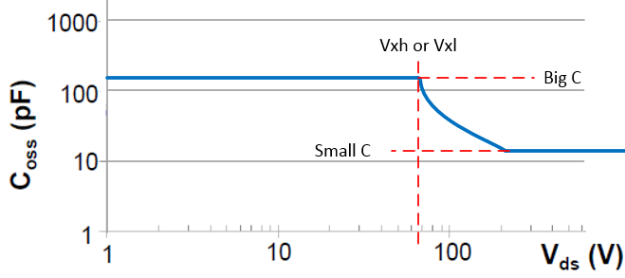
Drain to Source On-Resistance of High Side Selected MOSFET, RDSon_QH = | 0.129 | Ω
Output Capacitance of Selected MOSFET Big-C Below Vxh, COSS_QH_bg = | 100 | pF
Output Capacitance of Selected MOSFET Small-C Above Vxh, COSS_QH_sm = | 60 | pF
Output Capacitance Threshold of Big-Small-C, Vxh = | 200 | V
Input Current Pulse Rating, IQH_max = | 12 | A
Time related output capacitance, Coss_QH_T= | 77.250673854 | pF
QL Parameter
QL Part Number | NAV6117
Drain to Source On-Resistance of High Side Selected MOSFET, RDSon_QL = | 0.129 | Ω
Output Capacitance of Selected MOSFET Big-C Below Vxh, COSS_QL_bg = | 100 | pF
Output Capacitance of Selected MOSFET Small-C Above Vxh, COSS_QL_sm = | 70 | pF
Output Capacitance Threshold of Big-Small-C, Vxl = | 200 | V
Input Current Pulse Rating, IQL_max = | 12 | A
Time related output capacitance, Coss_QH_T= | 82.938005391

Driver
Low Side Driver Delay , TD_LDr = | 100 | ns
High Side Driver Delay, TD_HDr = | 100 | ns
Bootstrap Diode's Forward Voltage, Vf_BootD = | 1 | V
Bootstrap Diode's Parasitic Capacitance, CBootD_T = | 10 | pF
Driver Current, IVCC_qcc = | 0.4 | mA | Quicesent current of driver

Output Cap and Input Cap Selection
Recommended Input Capacitance, CBULK_rec = | 59.558 | µF | consider 25% tolerance
Actual Input Capacitance, CBULK_act = | 68.000 | µF
Input Capacitance Used in Calculations, CBULK = | 68.000 | µF
Minimum Voltage Rating, Vcin_rated = | 400.000 | V
COUT Parasistic Resistor, RCO = | 25.000 | mΩ
Voltage Drop During Transient, Vo_drop = | 2.000 | V
Recommended Output Capacitance, COUT_rec = | 1255.8139535 | µF | consider 20% tolerance
Actual Output Capacitance, COUT_act = | 1500 | µF
Output Capacitance Used in Calculations, COUT = | 1500 | µF

Secondary Rectifier, SR or Diode
Voltage Derating Coefficient for SR, Kder_SR = | 90.000 | %
Required Drain to Soure Voltage Rating , VSR_recommended = | 100.648 | V
MOSFET Rated Drain to Source Voltage, VSR_actual = | 150 | V
Output Capacitance of Selected MOSFET Big-C Below Vx_SR, Coss_SR_bg = | 600.000 | pF
Output Capacitance of Selected MOSFET Small-C Above Vx_SR, Coss_SR_sm = | 300.000 | pF
Output Capacitance Threshold of Big-Small-C, Vx_SR = | 25.000 | V
Time related output capacitance, COSS_SR_T | 384.906 | pF
Output Capacitance During High Voltage, COSS_SR_H= | 425 | pF | at 150V
Forward Voltage of Output Rectifier, Vf_SR= | 0 | V | for SR use 0V
Maximum Rectifier Current, ID_SR_max= | 200 | A | pulse current

Optocoupler
Part Number | FODM8801A
Collector Emitter Saturation Voltage, VCE_sat_opto= | 0.2 | V
Normal Forward Voltage, VD_LED= | 1.35 | V
Forward Voltage at High Temperature, VD_LED_off= | 1 | V
Cut Off Frequency, fp_opto= | 3 | kHz
Maximum Current Transfer Ratio, CTRmax= | 1.6
Minimum Current Transfer Ratio, CTRmin= | 0.4
CTR During High Temperature, KCTR_Temp= | 0.5 |  | at 80°C ambient

Shunt Regulator | (For Vout<5 need to be careful for design)
Part Number | ATL431
Minimum Cathode Current for Regulation, IKA_min= | 35 | µA
Reference Voltage, Vref_431= | 2.5 | V
Reference Input Current, Iref_431= | 30 | nA
Maximum Reference Input Current, Iref_431_max = | 150 | nA

Depletion FET
Part Number | BSS126
Output Capacitance, COSS_Qs= | 1.7 | pF
Gate Source Voltage, Vgs_Qs= | 20 | V
Parasitic Inductance, LQs= | 4 | nH | Assumption value
Maximum Input Capacitance, Ciss_Qs= | 28 | pF
Gate Threshold Voltage, Vth_Qs= | 2 | V

TVS Clamping Diode For SWS
Part Number | CDSOD323-T18
Minimum Breakdown Voltage, VDz = | 20 | V
Typical Capacitance, CDz = | 5 | pF | at~4V

Auxiliary Rectifier Diode
Part Number | CSFMT108-HF
Time Related Output Capacitance, CDaux_T= | 4.68 | pF
Output Capacitance During High Voltage, CDaux_H= | 2 | pF | at 150V
Forward Voltage, Vf_Daux= | 1.25 | V
Forward Rectified Current, IDaux_max= | 1.25 | A

Calculation
UCC28780 Electrical Characteristic
VDD Turn off Threshold | VDD_off = | 10.000 | V
VDD Turn on Threshold | VDD_on = | 17.500 | V
Maximum Bias-Supply Operating Voltage | VDD_max = | 34.000 | V
Offset to Power Cycle for Long Output Voltage Overshoot | VDD_PCT = | 1.000 | V
VS Line Sense run Current | IVSL_run = | 365.000 | µA
VS Pin Over Voltage Threshold | VVS_OVP = | 4.5 | V
Propagation Delay of CS Comparator High to PWML Low | tD_CS = | 15 | ns
Maximum Threshold on CS Pin | VCST_max = | 0.8 | V
Over Power Threshold on CS Pin | VCST_OPP1 = | 0.6 | V
Over Power Threshold on CS Pin | VCST_OPP4 = | 0.425 | V
Current Sense Pin Hysteresis Voltage | Vhys_CS = | 5 | mV
VS Pin Negative Clamp Level | Vs_clamp = | 0.25 | V
Line Compensation Current Ratio | KLC = | 25
RDM Pin Coefficient | KDM = | 5000000000
Ratio from VBUR to VCST | KBUR_CST = | 4
HVG Voltage Level | VHVG = | 11 | V
Supply Current Run | IRUN_VDD = | 2.3 | mA
...
Resistor Divider of VS Pin
Recommended RVS1 | RVS1_rec = | 355.277 | kΩ
Actual RVS1 | RVS1_act = | 355.000 | kΩ
RVS1 Used in Calculations | RVS1 = | 355.000 | kΩ
Recommended RVS2 | RVS2_rec = | 53.250 | kΩ
Actual RVS2 | RVS2_act = | 69.100 | kΩ
RVS2 Used in Calculations | RVS2 = | 69.100 | kΩ

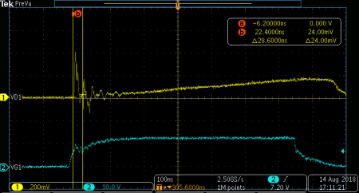
Current Sense Resistor, RCS
Estimate Current Sense Filter Delay | TD_CS_filter = | 25.000 | ns | ≈ROPP*CCS | Enter an asumption value, or measure the real waveform on Rcs during Vin_max and no load
Recommended Current Sense Resistor | RCS_rec = | 0.139 | Ω
Actual Current Sense Resistor | RCS_act = | 0.130 | Ω
Current Sense Resistor Used in Calculations | RCS = | 0.130 | Ω
RMS Current on RCS Resistor | iQL_RMS = | 1.091 | A
Power Loss on RCS | PRcs = | 0.155 | W

OPP Programming Resistor
Recommended OPP Resistor | R_OPP_rec = | -8964.098 | Ω
Actual OPP Resistor | R_OPP_act = | 1870.000 | Ω
OPP Resistor Used in Calculations | R_OPP = | 1870.000 | Ω
Maximum Current Sense Capacitance | CCS_max = | 13.369 | pF
Actual Current Sense Capacitance | CCS_act = | 15.000 | pF
Current Sense Capacitance Used in Calculations | CCS = | 15.000 | pF
Actual Current Sense Filter Delay | TD_CS_filter_act = | 28.050 | ns
...
Decoupling Cap of Internal Regulator
Minimum RHVG Resistor | RHVG_min = | 133.333 | kΩ | Affect standby power
Actual RHVG resistor | RHVG_act = | 0.130 | MΩ | 1MΩ recommended
RHVG Resistor Used in Calculations | RHVG = | 0.130 | MΩ
Minimum CHVG Capacitance | CHVG_min = | 1.384 | nF | 20%tolerance
Actual CHVG Capacitance | CHVG_act = | 2.200 | nF | 2.2nF recommended
CHVG Capacitance Used in Calculations | CHVG = | 2.200 | nF
Minimum CREF Capacitance | CREF_min = | 0.050 | µF | 20% tolerance
Actual CREF Capacitance | CREF_act = | 0.100 | µF | 0.1µF recommended
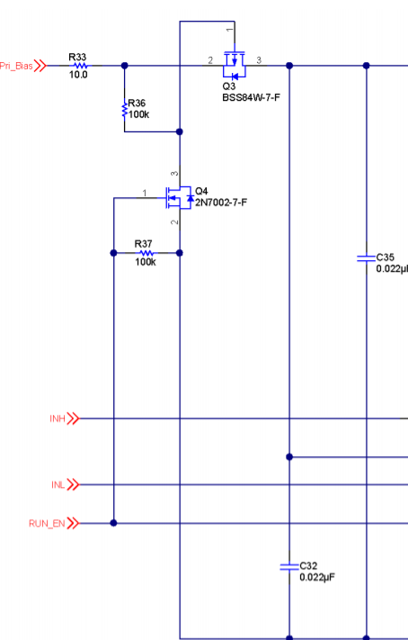
CREF Capacitance Used in Calculations | CREF = | 0.100 | µF

VDD Supply for Driver
Minimum Boot Capacitance | Cboot_min = | 1.455 | nF
Maximum Boot Capacitance | Cboot_max = | 10.390 | nF
Boot Capacitance Used in Calculations | Cboot = | 10.000 | nF | For high side driver
Minimum CDD2 | CDD2_min = | 0.100 | µF | Suggested 10*Cboot
CDD2 Used in Calculations | CDD2 = | 0.047 | µF | CDD2 Should use smaller value, if use extra circuit to reduce standby power loss (UCC28780EVM-002 use 0.044µF)
Minimum RDD2 | RDD2_min = | 1.300 | Ω | Suggested 10*RCS
RDD2 Used in Calculations | RDD2 = | 2.200 | Ω

AUX Power on Primary Side
Output Voltage Reflect to Auxiliary Winding | VDD = | 28.750 | V
Minimum RDD1 | RDD1_min = | 15.000 | Ω
Actual RDD1 | RDD1_act = | 18.000 | Ω
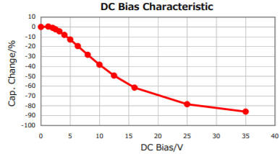
RDD1 Used in Calculations | RDD1 = | 18.000 | Ω
Require Time on HVG Pin | THVG = | 0.303 | ms
Vout Startup Time | TSS_max = | 5.513 | ms
CDD1 DC Bias Derating | Drea_CDD1 = | 50.000 | %
Recommended CDD1 Capacitance | CDD1_rec = | 6.020 | µF
Actual CDD1 Capacitance | CDD1_act = | 4.700 | µF
CDD1 Capacitance Used in Calculations | CDD1 = | 4.700 | µF

Optocoupler Feedback
Maximum Feedback Pin Resistor | RFB_max = | 35.158 | kΩ
Actual Feedback Pin Resistor | RFB_act = | 28.600 | kΩ | smaller resistance move low frequency pole to higher frequency for better response in ABM
Feedback Pin Resistor Used in Calculations | RFB = | 28.600 | kΩ
Recommended CFB | CFB = | 100.000 | pF
Recommended RCOMP | RCOMP= | 1.000 | MΩ | Suggested start from 1MΩ but can reduce to improve ABM stability. Do not recommend smaller than 510kΩ startup and OPP will be negatively affected
Recommended Bias Resistor 2 | Rbias2_rec = | 28.571 | kΩ | Rbias2 to supply shunt regulator when opto-coupler is cut off
Actual Bias Resistor 2 | Rbias2_act = | 28.600 | kΩ
Bias Resistor 2 Used in Calculations | Rbias2 = | 28.600 | kΩ
...

Schematic and BoM
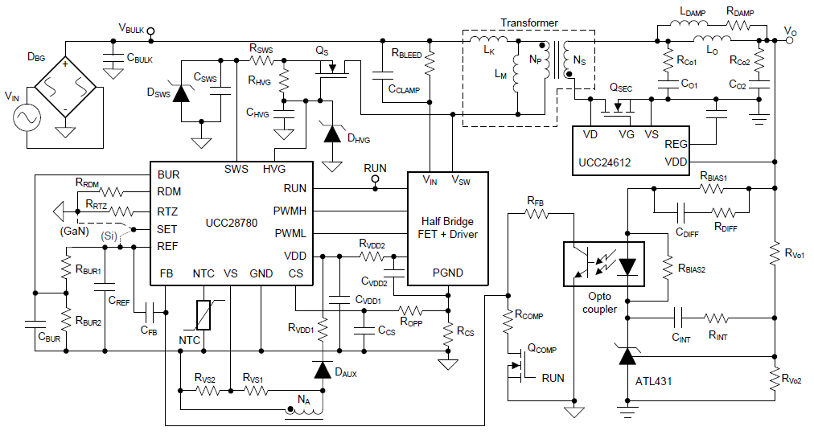

 |  |  |  |  | Secondary resonance in tab "Fine Tune Sec Res & ARC"

RECOMMENDED BILL OF MATERIALS (Primary Resonance)
Reference Designator | Description/Comments

RCS | Value: | 0.130 | Ω | ±1%
 | Power Dissipation: | 0.155 | W

RFB | Value: | 28.6 | kΩ | ±1%
...

Fine Tune Sec Res & ARC
...
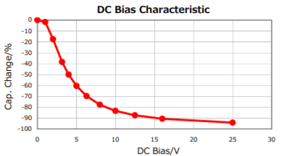
...
 |  | % | Capacitance derating base on output voltage
 |  | µF
 |  | µF | Need to fine tune based on scope waveform

 |  | µH
 |  | µH

Minimum LDAMP | 0.0611 | µH
LDAMP Used in Calculations | 0.1 | µH | Need to fine tune based on scope waveform
Minimum RDAMP | 0.10 | Ω
RDAMP Used in Calculations | 0.22 | Ω | LQH31MNR68K03L

A. Fine tune LDAMP | LDAMP no smaller than | 0.0611 | µH
 | Decrease LDAMP for stronger damping ==> Lower VCo1 ripple ==> stable Vgs(SR) ==> Lower efficiency

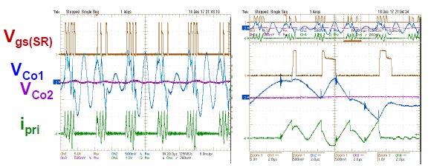
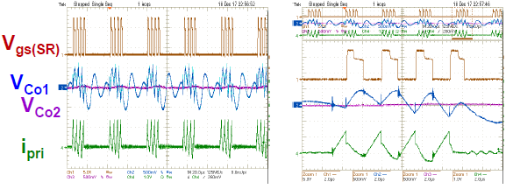

 | Higher Efficiency <==Unstable Vgs(SR) <==Higher VCo1 ripple <==Increase LDAMP for weaker damping

B. Fine tune Co1
1.Capture transformer primary current ILr to fine tune, during low line and Io_max
2.Increase Co1 to extend resonant current, improve efficiency

 |  | Increase Co1

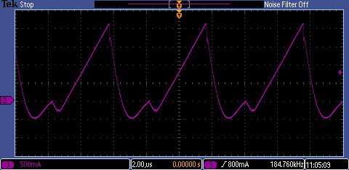
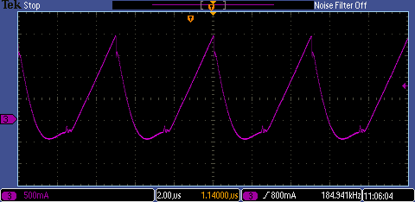

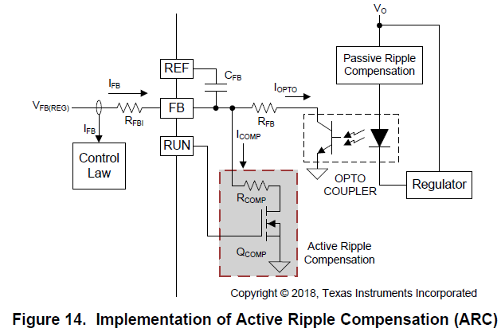
C. Fine tune ARC circuit
 |  |  |  | For reference, please take a look at 7.3.2 of the UCC28780 datasheet for more detail about ARC circuit.

 |  |  |  | Suggested start from 1M, can reduce to improve ABM stability, but no smaller than 510k, or will affect start up and OPP

 | Reduce RCOMP ==> Larger ICOMP ==> More stable ABM mode

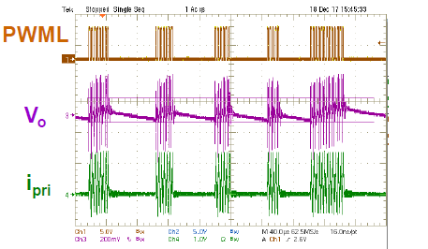
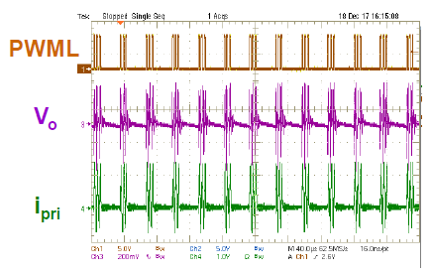

USB PD
Design considerations for wide range output voltages for auxiliary power, such as USB PD

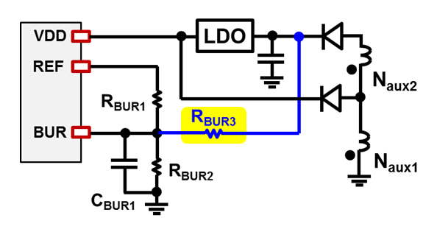
Na1 | 5
Na2 | 13
Ns | 4
RBUR1 | 160000 | Ω
Vomax | 20 | V | Vbur1 | 0.975 | V
Vomin | 5 | V | Vbur2 | 0.842 | V

RBUR2 | 30442 | Ω
RBUR3 | 12954586 | Ω

Lower VBUR2 :
1. More stable transient and ABM for lower Vo
2. Lower average efficiency on lower Vo

