Sheet1
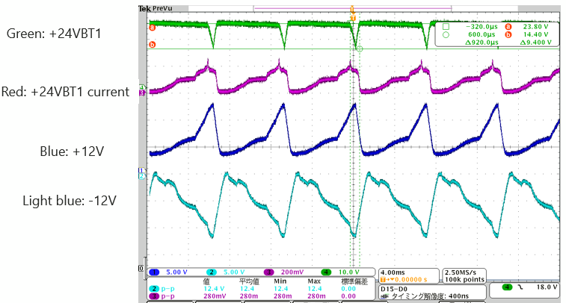
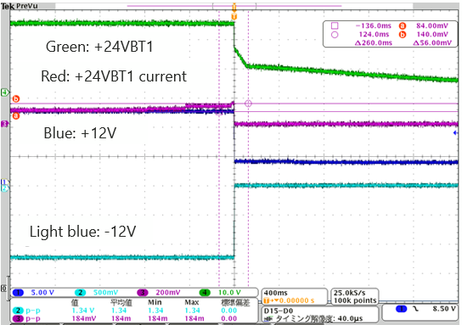
Iocp=12kΩ、IDLY=not implemented、+12V=1.4A、-12V=1.2A
←3ch=100mV/A
140mV=1.4A

Iocp=7.5kΩ、IDLY=22nF、+12V=1.4A、-12V=1.2A

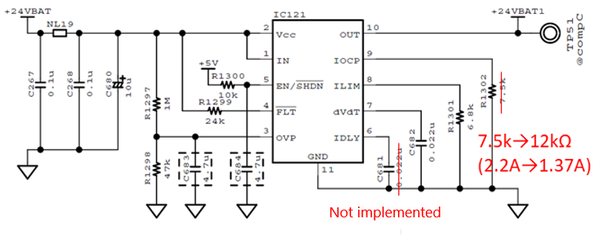

Ilim | 1.45 | A | Iocp | 1.37 | A
Rlim | 6.8 | kΩ | Rocp | 12 | kΩ

