工作表3
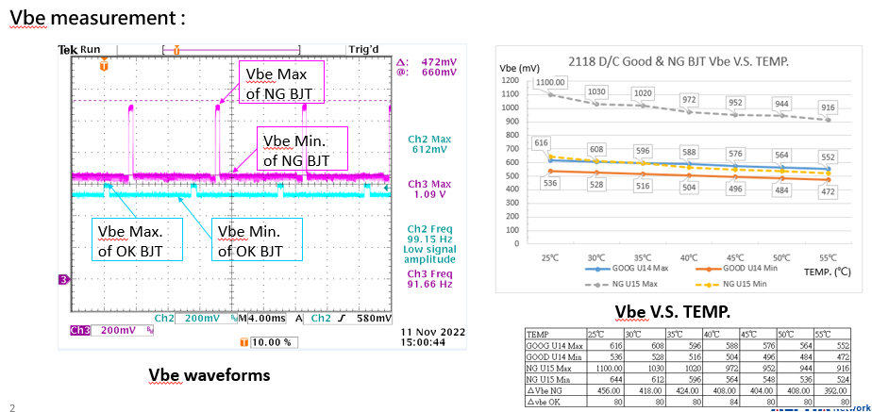

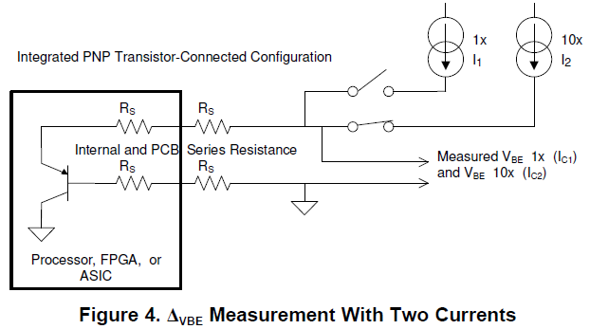

Questions :
1.Are Vbe waveforms should look like above?
TI Ans :

2.Is Vbe Max. measured in the condition of Itsns=100uA?
TI Ans :

3.If so, Vbe Min. is measured in the condition of Itsns=10uA, right? And every 11ms will detect once?
TI Ans :

4.TPS40422 is used ΔVbe to calculate the temperature, so ΔVbe should be around 80mV, right? The failed BJT has around 400mV ΔVbe, so what is the normal range of ΔVbe ?
TI Ans :

5.As what we had measured ΔVbe in the good part, the ΔVbe would not change by increasing the TEMP( in FIG. Vbe V.S. TEMP.) Is that right? If so, how could it be used for TPS40422 to determine the external temperature?
TI Ans :

6.If we want to use the BJT as a TEMP. sensor, what is the n-factor range? Is it between 0.950205 and 1.073829 mentioned in the DOC. SBOA173A (page7, section 1.2.1) ?
TI Ans :

