Sheet1
TPS543B20 OCP calculation |  | TPS543B20
 |  |  | :input
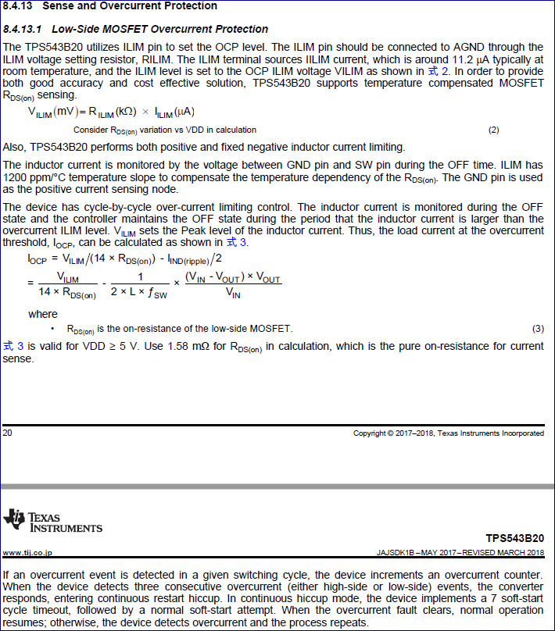
 | RILIM(Kohm)= | 43
 | Ilim(uA)= | 11.2
 | Vlim(mV)= | 481.6

 | Rdson(mOhm)= | 1.58
 | L(uH)= | 1
 | Vin(V)= | 17
 | Vout(V)= | 0.85
 | Fsw(KHz)= | 800
 | Iocp(A)= | 21.267464399

