Sheet1
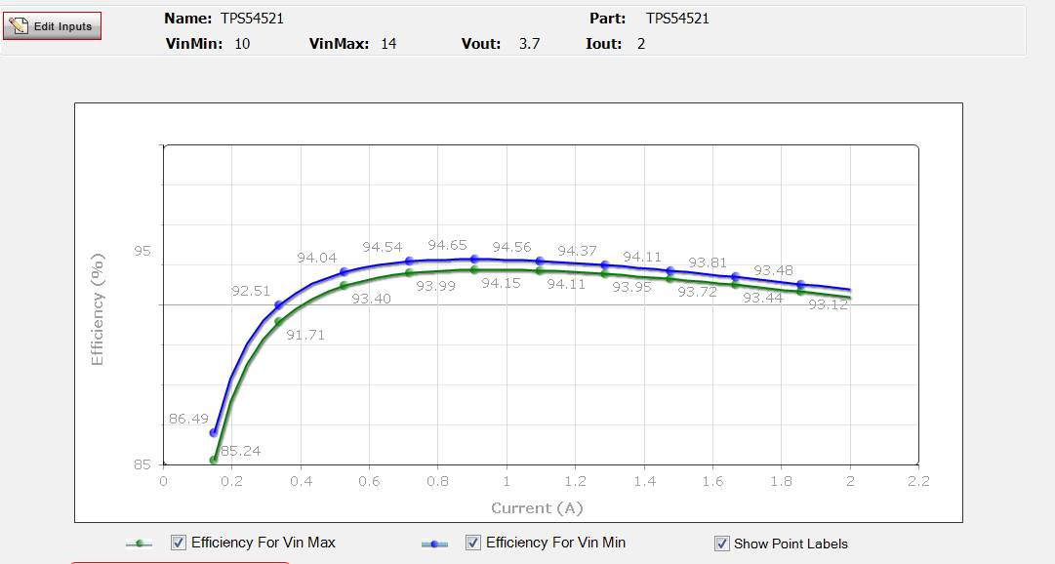
Freq-Hz | Total Gain | Total Phase
10 | 60.50969446 | 176.8087951
11 | 60.50735462 | 176.490236
12 | 60.50479333 | 176.1718369
13 | 60.50201098 | 175.853612
14 | 60.49900799 | 175.5355758
16 | 60.49234186 | 174.9001259
17 | 60.48867971 | 174.5827405
19 | 60.48069993 | 173.9487191
21 | 60.47185013 | 173.3157894
23 | 60.46213549 | 172.6840618
25 | 60.45156165 | 172.0536447
28 | 60.43410338 | 171.1107105
31 | 60.41474831 | 170.1713207
34 | 60.39352117 | 169.2358208
37 | 60.3704488 | 168.3045465
41 | 60.3368654 | 167.069981
45 | 60.30012652 | 165.8442441
50 | 60.24988614 | 164.3255535
55 | 60.19500349 | 162.8230346
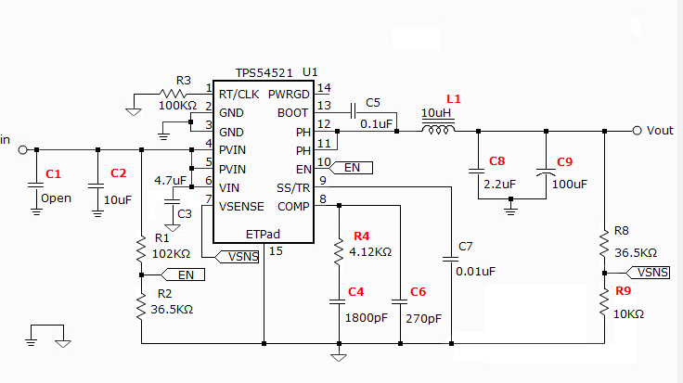
61 | 60.1232632 | 161.0430152
67 | 60.04540799 | 159.2898226
74 | 59.94729084 | 157.2804893
81 | 59.84184348 | 155.3120649
89 | 59.71306297 | 153.1148117
98 | 59.55862575 | 150.7120916
108 | 59.37651195 | 148.1306039
119 | 59.16516638 | 145.3997911
131 | 58.92363071 | 142.5509545
144 | 58.65163072 | 139.6161459
158 | 58.34960711 | 136.626946
174 | 57.99642962 | 133.4190591
191 | 57.6156209 | 130.2400326
211 | 57.1648219 | 126.779538
232 | 56.69266711 | 123.4413387
255 | 56.18110408 | 120.0947525
281 | 55.61367847 | 116.6535111
309 | 55.01859095 | 113.2977971
340 | 54.38122305 | 109.9426572
374 | 53.70907702 | 106.6281359
411 | 53.00923134 | 103.3817346
452 | 52.27042664 | 100.1455917
497 | 51.5007469 | 96.95102219
547 | 50.69141461 | 93.75793774
602 | 49.8508126 | 90.5969192
662 | 48.98588827 | 87.48923487
728 | 48.08901326 | 84.40542956
801 | 47.15437372 | 81.32943379
881 | 46.18943795 | 78.29240722
970 | 45.17827491 | 75.25579147
1067 | 44.14017578 | 72.2915359
1173 | 43.07121003 | 69.40180245
1291 | 41.95055559 | 66.55168819
1420 | 40.79792126 | 63.8148067
1562 | 39.60551549 | 61.194316
1718 | 38.37653904 | 58.72049989
1890 | 37.10814314 | 56.4107389
2079 | 35.8069599 | 54.29870802
2287 | 34.47403218 | 52.40479696
2516 | 33.11254917 | 50.75029637
2768 | 31.72742058 | 49.35492411
3044 | 30.32970019 | 48.23830066
3349 | 28.91188489 | 47.40178585
3684 | 27.48797368 | 46.85920789
4052 | 26.06301847 | 46.61254211
4457 | 24.63985361 | 46.66042108
4903 | 23.2233023 | 46.99896537
5394 | 21.81956506 | 47.61992326
5933 | 20.43807619 | 48.50763751
6526 | 19.08102468 | 49.64536312
7179 | 17.75250259 | 51.01157172
7897 | 16.45938423 | 52.57642711
8687 | 15.20511179 | 54.30802
9555 | 13.99501937 | 56.1663114
10511 | 12.82910662 | 58.1141977
11562 | 11.71155849 | 60.10329261
12718 | 10.64269932 | 62.08744929
13990 | 9.621981762 | 64.01917338
15389 | 8.648612996 | 65.8494369
16928 | 7.719977031 | 67.53198242
18621 | 6.832612789 | 69.02288205
20484 | 5.981815498 | 70.28259604
22532 | 5.163107826 | 71.27532647
24785 | 4.369879213 | 71.97351444
27264 | 3.595582327 | 72.35533655
29990 | 2.834057307 | 72.40579938
32989 | 2.078341169 | 72.11700498
36288 | 1.322167933 | 71.48699637
39917 | 0.559609891 | 70.51893926
43909 | -0.21473238 | 69.21984694
48300 | -1.005637789 | 67.59938442
53130 | -1.817415536 | 65.66842955
58443 | -2.653903067 | 63.43821713
64287 | -3.518516137 | 60.91990108
70716 | -4.41459185 | 58.12361662
77787 | -5.345000051 | 55.06003906
85566 | -6.312965839 | 51.73830466
94123 | -7.321359138 | 48.16885654
103535 | -8.373030373 | 44.36282444
113889 | -9.471010617 | 40.33146332
125278 | -10.61792294 | 36.088222
137806 | -11.81636861 | 31.64699522
151586 | -13.06856936 | 27.0228704
166745 | -14.37670328 | 22.23021426
183419 | -15.74237025 | 17.28399454
201761 | -17.16724057 | 12.19692872
221938 | -18.65278464 | 6.980298048
244131 | -20.20034472 | 1.643827066
268545 | -21.8118959 | -3.806404608
295399 | -23.48941292 | -9.364896219
324939 | -25.23579629 | -15.02873114
357433 | -27.05458117 | -20.79527895
393176 | -28.95028679 | -26.66197296
432494 | -30.92867202 | -32.62569916
475744 | -32.9968214 | -38.68162265
523318 | -35.16354192 | -44.8228211
575650 | -37.4400476 | -51.040287
633215 | -39.84058651 | -57.32186391
696536 | -42.38396446 | -63.65194156
766190 | -45.09593266 | -70.01011636
842809 | -48.01310596 | -76.3675943
927090 | -51.19069328 | -82.68032591
1019799 | -54.71769292 | -88.87117512
1121779 | -58.75193957 | -94.7812941
1233957 | -63.61635278 | -100.0008757
1357353 | -70.15569538 | -102.987822
1493088 | -82.06640643 | -88.71699241
1642397 | -80.69772896 | 34.11511349
1806637 | -74.82719359 | 39.46619202
1987301 | -72.79860924 | 35.75942087
2186031 | -72.16282077 | 30.49130877
2404634 | -72.26632478 | 24.76337271
2645097 | -72.84079603 | 18.92217095
2909607 | -73.74914879 | 13.12788856
3200568 | -74.91093324 | 7.475993997
3520625 | -76.27390841 | 2.033453898
3872687 | -77.80129877 | -3.148283048
4259956 | -79.46544348 | -8.028194014
4685952 | -81.24435646 | -12.57345256
5154547 | -83.11979763 | -16.75844496
5670002 | -85.07614074 | -20.56417378
6237002 | -87.09966713 | -23.97772526
6860702 | -89.17814354 | -26.99179754
7546773 | -91.30053037 | -29.6041803
8301450 | -93.45677002 | -31.81725608
9131595 | -95.63765744 | -33.637599
10044754 | -97.8347111 | -35.07563019
11049230 | -100.0401009 | -36.14541698
12154153 | -102.2465804 | -36.86456282
13369568 | -104.4474737 | -37.2541883
14706525 | -106.6366775 | -37.33892565

