Layout Checklist
Pin | Name | Purpose | Placement or Routing? | Remarks | Reasoning | Status | Comments
Configuration
29, 30, 31, 32, 33, 34 | MSEL2, VSEL, ADRSEL, MSEL1, VOSNS, GOSNS |  | Placement | Keep signal components local to the device, and place them as close as possible to the pins to which they are connected. These components include the VOSNS and GOSNS series resistors and differential filter capacitor as well as MSEL1, MSEL2, VSEL, and ADRSEL resistors. Those components must be terminated to AGND with a minimum return loop or bypassed to the copper area of a separate low-impedance analog ground (AGND) that is isolated from fast switching voltages and current paths and has single connection to PGND on the thermal pad through the AGND pin. |  | Open
33, 34 | VOSNS, GOSNS |  | Routing | Route the VOSNS and GOSNS lines from the output capacitor bank at the load back to the device pins as a tightly coupled differential pair. These traces must be kept away from switching or noisy areas which can add differential-mode noise. |  | Open
35, 38, 39, 40 | VSHARE, SYNC, BCX_CLK, BCX_DATA |  | Routing | Use caution when routing of the SYNC, VSHARE, BCX_CLK and BCX_DATA traces for stackable configurations. The SYNC trace carries a rail-to-rail signal and should be routed away from sensitive analog signals, including the VSHARE, FB signals. The VSHARE traces should also be kept away from fast switching voltages or currents formed by the PVIN, AVIN, SW, BOOT, VDD5 pins. |  | Open

Power Stage
7, 8, 9, 10, 11, 12 | BOOT, SW |  | Routing | Route sensitive traces away from the SW and BOOT pins as these nets contain fast switching voltages and lend easily to capacitive coupling |  | Open
7, 8, 9, 10, 11, 12 | BOOT, SW |  | Routing | Minimize the SW copper area for best noise performance. Route sensitive traces away from the SW and BOOT pins as these nets contain fast switching voltages and lend easily to capacitive coupling. |  | Open
8, 9, 10, 11, 12 | SW | Switched power output of the device. | Placement | Snubber component placement is critical for effective ringing reduction. These components should be on the same layer as the TPS546D24A devices and be kept as close as possible to the SW and PGND copper areas. |  | Open
8, 9, 10, 11, 12 | SW, Cout |  | Placement | The output capacitor is the second one which should be considered. Below shows an example of building a “pyramid” arrangement. Start with some of the ceramic capacitors close to the inductor; Then build to the bulk capacitors; Finally, decreasing ceramic capacitors down to the smallest, lowest values close to the load. |  | Open
21, 22, 23, 24, 25, 26 | PVIN, AVIN |  | Placement | The AVIN bypass capacitor should be placed close to the AVIN pin and provide a low-impedance path to PGND at the thermal pad. If AVIN is powered from PVIN for single supply operation, AVIN and PVIN should be separated with a 10-μs R-C filter to reduce PVIN switching noise on AVIN. |  | Open
7, 8, 9, 10, 11, 12, 21, 22, 23, 24, 25, 26, 28 | BOOT, SW, PVIN, AVIN, VDD5 |  | Routing | Use caution when routing of the SYNC, VSHARE, BCX_CLK and BCX_DATA traces for stackable configurations. The SYNC trace carries a rail-to-rail signal and should be routed away from sensitive analog signals, including the VSHARE, FB signals. The VSHARE traces should also be kept away from fast switching voltages or currents formed by the PVIN, AVIN, SW, BOOT, VDD5 pins. |  | Open
13, 14, 15, 16, 17, 18, 19, 20 | PGND | Power stage ground return. | Routing | The PGND pin (pin 26) must be directly connected to the thermal pad of the device on the PCB, with a low noise, low-impedance path. |  | Open
13, 14, 15, 16, 17, 18, 19, 20, 37 | PGND, AGND |  | Routing | AGND and PGND tied together and connected directly to the thermal pad |  | Open

On Chip Regulator
4, 5 | BP1V5, DRTN |  | Placement | The BP1V5 bypass capacitor should be placed close to the BP1V5 pin and provide a low-impedance path to DRTN. |  | Open
5 | DRTN | Digital bypass return for bypass capacitor for BP1V5. | Routing | DRTN should not be connected to any other pin or node. DRTN is internally connected to AGND and by external connection to System Ground. Connecting DRTN to PGND or AGND could introduce a ground loop and errant operation. |  | Open
28 | VDD5 | Output of the 5-V internal regulator | Placement | The VDD5 bypass capacitor carries a large switching current for the gate driver. Bypassing the VDD5 pin to PGND at the thermal pad with a low-impedance path is very critical to the stable operation of the TPS546D24 devices. Place the VDD5 high-frequency bypass capacitors as close as possible to the device pins, with a minimum return loop back to the Thermal Pad. |  | Open

PMBus
2, 3, 6 | PMB_DATA, PMB_CLK, SMB_ALRT |  | Placement | Keep the pullup resistors close to the pin and rout these signals away from noisy areas and other noise sensitive traces. |  | Open

Misc
N/A | Vias |  | Routing | 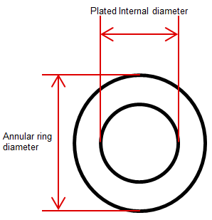 There is not a specific rule for via’s size. Typically, small size is recommended as it allows vias to be placed together while maintaining connectivity to internal layers. However, it will also increase the cost since drills used for smaller via tend to break more. The general rule is that designers can pick smallest via size with minimum plated internal diameter and annular ring diameter which do not increase PCB cost. A typical example is: Drilled Hole: 13 mils Plated Hole: 10 mils (1oz plating reduces a hole size about 3 mils) Annular Ring: 20 mils | Vias help reduce current loop and help thermal dissipation by providing additional copper area for heat to dissipate. Also vias help to reduce the parasitic resistance and inductance caused by long loops through which current flows. | Open
N/A | Via-to-via spacing |  | Routing | 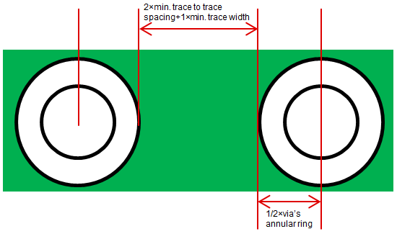 In order to reduce parasitic parameters’ effect brought by inappropriate vias placement, it is best to space vias out wide enough to allow a minimum width line to round between them. The specific rule is shown below. • Check minimum trace width and minimum trace to trace spacing; • Check via’s annular ring; • Via’s minimum center to center spacing is 1×annular ring+2×minimum trace to trace spacing+1×minimum trace width; • Drilled Hole: 13 mils • Plated Hole: 10 mils (1oz plating reduces a hole size about 3 mils) • Annular Ring: 20 mils • Minimum spacing between vias and traces: 8 mils • Minimum line spacing: 8 mils • Minimum Center to Center Via spacing: 2x 18mils/2 + 2x 7 mils + 7 mils = 18 + 3x 7 = 18 + 21 = 39 mils (1mm) Its worth pointing out that in the ground under the thermal pad we generally don’t want other signals flowing and we want to maximize thermal and electrical conduction, so we typically space vias closer within the thermal pad. | The distance of a via to its proximate via is critical. When vias are tightly spaced, planes and pours on other layers cannot route between the vias. In this case, current cannot flow in its most direct path with the lowest inductance and resistance. In other words, it will find some ways else which have larger distance to finish the loop. This leads to undesirable parasitic parameters. | Open
N/A | Via placement |  | Placement |  | Via should be placed near output capacitors to provide the shortest possible loop to minimize parasitic resistance and inductance. It is recommended to position via near terminals of capacitors. Regarding to large package capacitors, for example 0805, 1206 and 1210 packages, vias can be placed under the capacitors. This will further reduce the current loop. | Open
N/A | Via quantity |  |  | Depending on via’s size and minimum center-to-center spacing, 2 to 4 vias per capacitor terminal are effective to provide direct connection to internal and bottom layers. It should be noted those vias must be paralleled to lead, as which has been shown below. |  | Open

