TPSM8287Bxx
PARAMETER | SYMBOL | VALUE | VALUE | UNIT | REMARKS
Number of Phases | # | 1 | 1 |  | Enter the number of TPSM8287Bxx devices that are paralleled.
Input Voltage | VIN | 3.3 | 3.3 | V | Enter the maximum input voltage. | 123 | Cells with this color are cells in which you must enter your application parameters.
Output Voltage | VOUT | 0.635 | 0.94 | V | Enter the output voltage. | 123 | Cells with this color are cells that display calculated values. Do not change the values in these cells.
Load Current Step | ∆IOUT(step) | 1 | 1 | A | Enter the peak-to-peak load current step. | 123 | Cells with this color are cells that contain fixed parameters. Do not change the values in these cells.
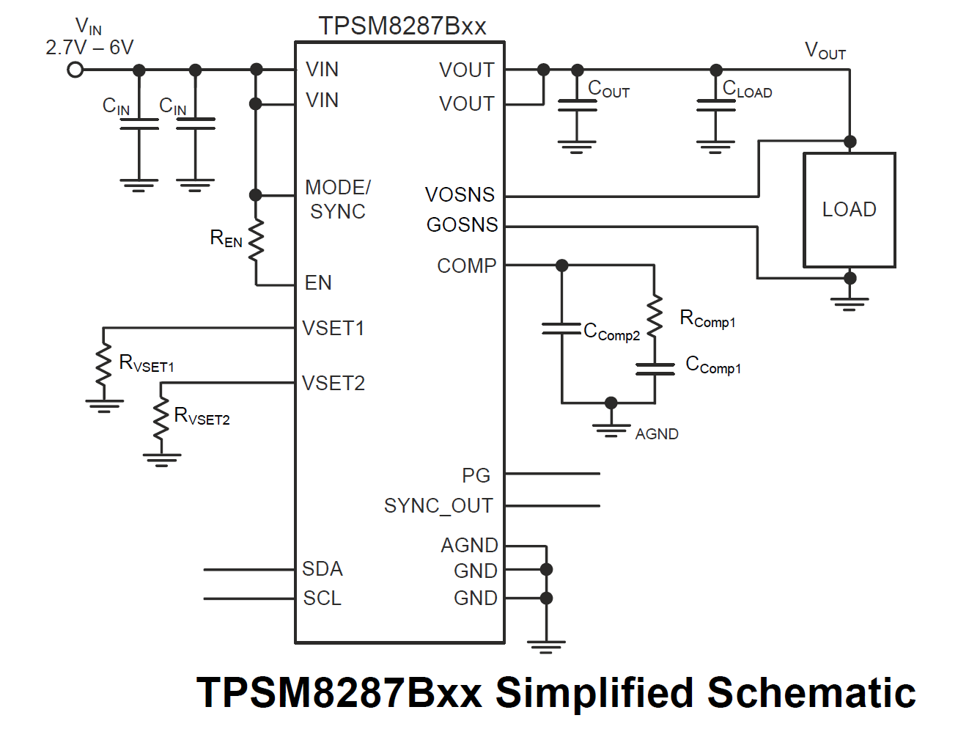
Maximum VOUT Deviation | ∆VOUT | 4.2% | 4.2% |  | Enter the maximum allowable output voltage deviation during a load transient. For typical applications, use the maximum overall voltage tolerance minus 0.8% for the DC accuracy of the TPSM8287Bxx device.
 |  | 0.02667 | 0.03948 | V
Load Step Rise and Fall Time | tr, tf | 1E-06 | 1E-06 | s | Enter the rise and fall time of the transient load step.
Error Amplifier Transconductance | gm | 0.0015 | 0.0015 | S
Internal Timing Parameter | 𝜏 | 1.25e-05 | 1.25e-05 | s
Switching Frequency | fSW | 2250000 | 2250000 | Hz | Enter the switching frequency (1.5 MHz nominal)
Switching Frequency Tolerance | TOLfSW | 10% | 10%
Inductance | L | 1e-07 | 1e-07 | H | Internal inductor value
Inductance Tolerance | TOLIND | 20% | 20%
Maximum Bandwidth | BWmax | 562500 | 562500 | Hz
Recommended Bandwidth | BW | 200000 | 200000 | Hz
Target Bandwidth | BWT | 200000 | 200000 | Hz | Enter a target BW, between the values of the previous 2 cells. Values closer to 200 kHz are recommended for simpler designs.
Inductor Ripple Current | ∆IL | 2.3 | 3.0 | A | This is the calculated ripple current in each inductor.
Total Inductor Current Step Change | ∆IOUT(max) | 2.1 | 2.5 | A | This is the total load step, once the inductor ripple current has been added to the load step current.
Minimum Compensation Resistance (Calculated) | RComp1(min) | 188 | 127 | Ω | The is the minimum compensation resistance required to achieve the transient performance requirements.
Compensation Resistance (Used) | RComp1 | 800 | 800 | Ω | Enter the value of RComp1 you will use. This value should be larger than the value calculated above.
Minimum Output Capacitance (regulated case) | COUT(min)(reg) | 0.0001460573 | 0.0001460573 | F | This is the minimum output capacitance required, assuming the loop remains in regulation under all conditions.
Minimum Output Capacitance (saturated case) | COUT(min)(sat) | -6.2787e-06 | -5.1423e-06 | F | This is the minimum output capacitance required, assuming the loop saturates during a transient.
Minimum Output Capacitance (Calculated) | COUT(min) | 0.0001460573 | 0.0001460573 | F | This is the minimum output capacitance required to achieve the specified transient performance. It is the maximum of the two values calculated above.
Minimum Output Capacitance (Used) | COUT(min) | 0.0001645 | 0.0001645 | F | Enter the minimum capacitance used in the application. Its value must be greater than the minimum calculated output capacitance, taking into consideration, tolerance, temperature effects, DC bias, aging, etc. The TPSM8287Bxx integrates an additional 14 µF of capacitance.
Output Voltage Ripple | Vp-p(max) | 0.0007697259 | 0.0010090321 | V | The calculated maximum output voltage ripple, based on the minimum output capacitance value. The ripple will be slightly higher in the application, due to the ESR and ESL in the output capacitors.
Bandwidth | BW | 145126.0879257404 | 145126.0879257404 | Hz | This is the calculated bandwidth of the converter using the above component values.
Primary Compensation Capacitance (Calculated) | CComp1 | 5.5e-09 | 5.5e-09 | F | This is the calculated primary compensation capacitance value.
Primary Compensation Capacitance (Used) | CComp1 | 5.5e-09 | 5.5e-09 | F | Enter the value of CComp1 you will use. This value should be the closest standard value to the value calculated above.
Secondary Compensation Capacitance | CComp2 | 0 | 0 | F | Enter the value of CComp2 you will use, if desired. The purpose of this capacitor is to bypass high frequency noise away from the COMP pin. Its value is not critical, and 10 pF is suitable for most applications.
Secondary Compensation Capacitance Pole | fpole | 19894367.886486918 | 19894367.886486918 | Hz | This is the calculated frequency of the pole created by CComp2.

