Sheet1
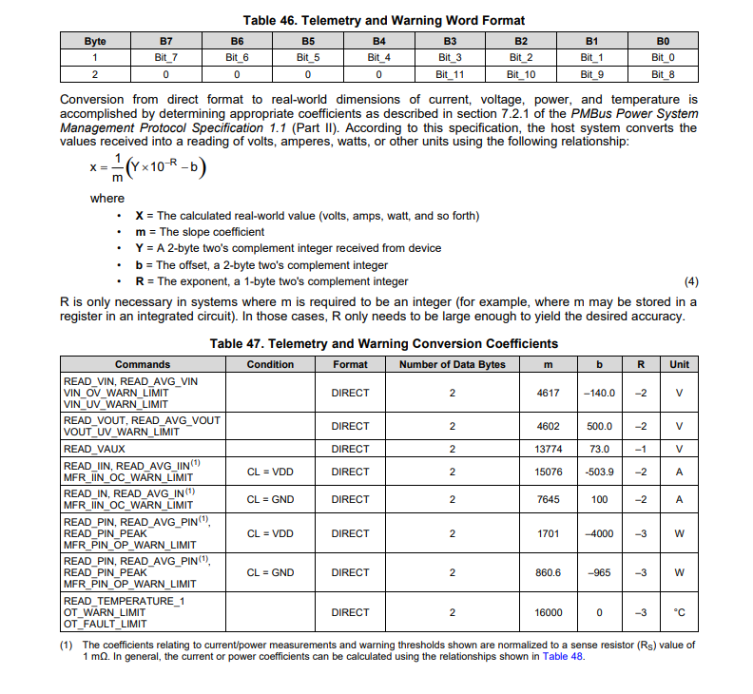
 | m | 16000
8D register | Y | FF |  | 255
8D register Most significant bit (0/1) |  | 0 |  | 1
 | b | 0
 | R | -3

 | X | 15.9375

 | m | b | R
Temp Coefficients | 16000 | 0 | -3
8Dh register value (example) readout | 0AFF

Temp (in Hex Reg) | FF0A
Y = A 2-byte two's complement integer received from device | -246
Result (real-world value, Temp) | -15.38 C

