Input_Here
UCC25800 Design Calculator, Rev 1.0, 2021-03-18 |  |  |  | TI Literature Number: SLUC705
UCC25800 Design Calculator Instructions
This spreadsheet guides the user through the design process for the UCC25800 LLC half-bridge Controller. It is recommended that you read data sheet before using this design tool.
1. Input data are required on column "Input_Here" only. Enter the desired design parameters in the YELLOW shaded boxes.
2. The spreadsheet will calculate the ideal values and display the results.
3. Actual standard values must be entered from nearest calculated value.
UCC25800-Q1 Design Calculator, Rev 1.0
Please enter design parameters into the YELLOW
Calculated results are in GRAY
Design Inputs | Variables | Value | Unit
Input voltage | VIN = | 24.0 | V | Maximum POUT depends on VIN and frequency
Output voltage | VOUT = | 24.0 | V
Output current, rated | IOUT = | 0.2 | A | OCP1 limits IOUT along with VIN and VOUT
Resonant frequency | fO = | 510000 | Hz
Output voltaeg ripple | VO_PK-PK = | 0.02 | V
Transformer turns-ratio | NSP = | 1.042 | ratio
OCP1 setting | OCP1 | OCP1_6 | N/A | ≥ 20% margin for OCP1
 | OCP1 = | 0.5 | A | Fill in corresponding current value
Maximum dead-time | DTMAX | 1.961e-07 | s | Recommended
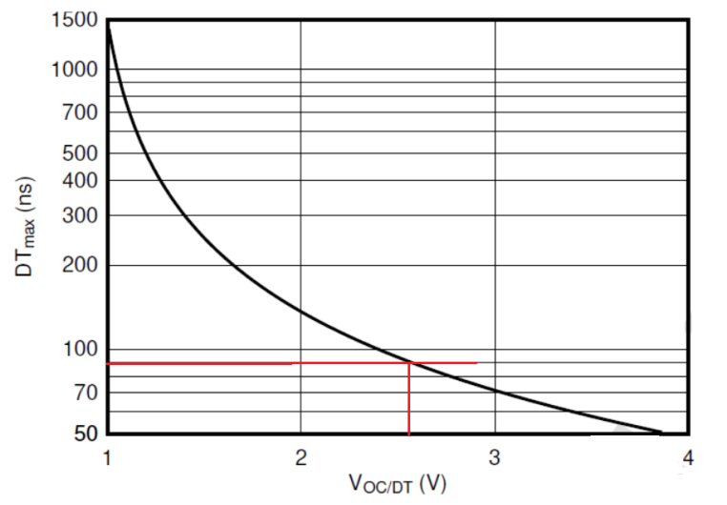
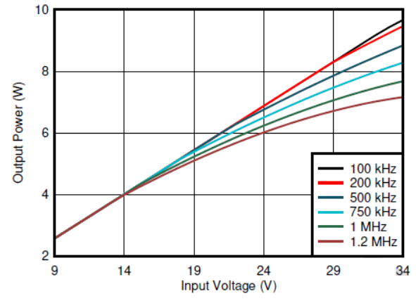
 | DTMAX = | 2e-07 | s | User selection
R, see the diagram on right | Ra | 7500 | Ω | Recommended
 | Ra = | 7500 | Ω | User selection
R, see the diagram on right | Rb | 3650 | Ω | Recommended
 | Rb = | 3600 | Ω | User selection
R, see the diagram on right | RRT | 51100 | Ω | Recommended
 | RRT = | 51000 | Ω | User selection
Voltage on OC/DT pin | VOC/DT = | 1.650 | V | Calculated
 | CVREG= | 1e-06 | F | Recommended
VCC capacitor value | CVCC = | 1e-06 | F | Recommended
C, see the diagram on right | CB1 = | 2.2e-06 | F | Recommended
C, see the diagram on right | CB2 = | 2.2e-06 | F | Recommended
C, see the diagram on right | CR1 = | 2.2e-08 | F | Calculated
C, see the diagram on right | CR2 = | 2.2e-08 | F | Calculated
Output capacitor value | COUT | 2.8062e-06 | F | Need to consider DC voltage capacitance reduction
 | COUT = | 4.7e-06 | F | User selection
Switching frequency | fSW = | 510000 | Hz | Calculated
Resonant frequency | fO = | 594729.3847446134 | Hz | Calculated
Ratio of f0 to fsw |  | 1.1661360485
Transformer | Variables | Value | Unit
Turns-ratio, NS:NP | NSP | 1.042 | ratio | Calculated
Turns-ratio, NS:NP | NSP = | 1.000 | ratio | User selection
Primary-side RMS current | IP_RMS = | 0.540 | A | Calculated
Secondary-side RMS current | IS_RMS = | 0.518 | A | Calculated
Volt-second | VS = | 5.8824e-06 | Wb | Seen on primary-side | 2.20E-06
Primary inductance | Lp = | 3.52941e-05 | H | Calculated
Primary inductance | Lp = | 3.46e-05 | H | User selection
Inductance ratio Lp/LI | m = | 23.2 | ratio | User selection, suggest select m > 20
Leakage inductance | Ll = | 1.4914e-06 | H | Seen on primary-side
Leakage inductance | Ll = | 1.5e-06 | H | User selection
Leakage inductance |  | 1.6276e-06 | H | Seen on secondary-side
Diodes | Variables | Value | Unit
Breakdown voltage | VD | 36 | V | 50% margin
Peak current | IF, peak | 0.879 | A | 20% margin
Average current | IF, avg | 0.280 | A | 20% margin
Diode type | Schottky |  | N/A | Recommended

