Checklist
Texas Instruments
UCC2732X Dual Channel LS Gate Driver Schematic and Layout Checklist
Instructions: Use this document as a supplemental checklist to be used with the driver's datasheet.

System | Component | Purpose | Component required | Typical Value | Additional Considerations | Connections | Layout Recommendation | Check if Complete | Comments | Typical Application Schematic:

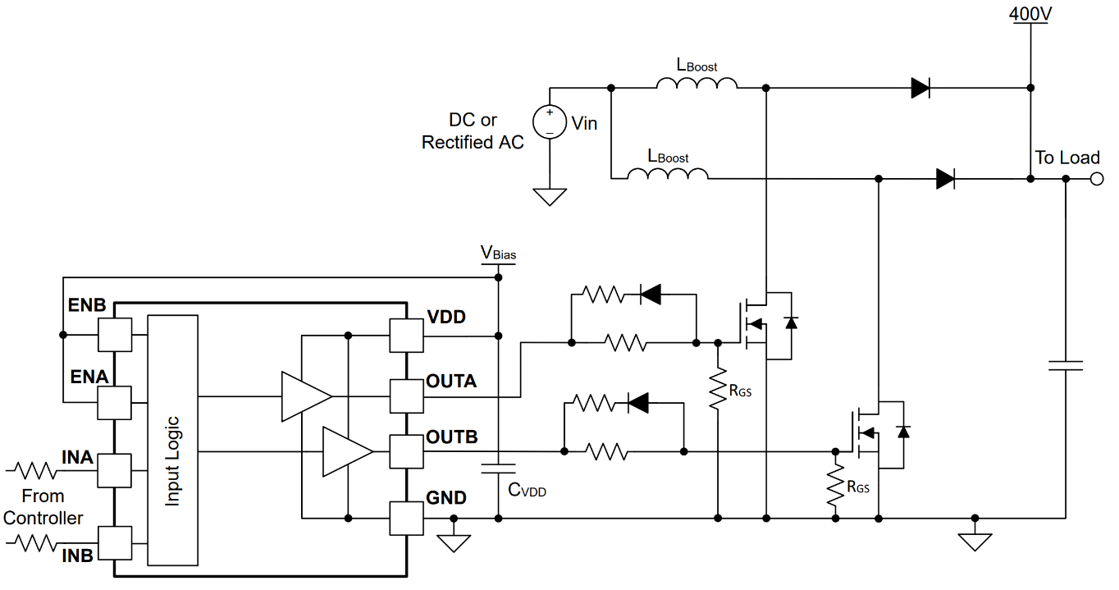
Power supply | Large Bypass cap | reduce VDD drop at switch on | Yes | >1μF | 50V , MLCC, X7R recommended | VDD,GND | Place as close to VDD pin next to the small bypass cap, connect to large ground plane | Open
 | Small Bypass cap | reduce noise on VDD pin | Yes | >100nF | 50V , MLCC, X7R recommended | VDD,GND | Place as close to VDD pin as possible, connect to large ground plane | Open

 | INA Resistor | filter input noise | No | 0Ω - 100Ω |  | IN, Input | Place close to INA pin | Open
 | INA Cap | filter input noise | No | 10pF-100pF |  | IN, GND | Place close to INA pin, to large ground plane | Open
 | INB Resistor | filter input noise | No | 0Ω - 100Ω |  | LI, Input | Place close to INB pin | Open
 | INB Cap | filter input noise | No | 10pF-100pF |  | LI, GND | Place close to INB pin, to large ground plane | Open
 | ENA Resistor | filter input noise | No | 0Ω - 100Ω |  | EN, Input | Place close to ENA pin. If not using ENA pin, disregard resistor and connect EN directly to VDD pin | Open
 | ENA Cap | filter input noise | No | 10pF-100pF |  | EN, GND | Place close to ENA pin, to large ground plane. If not using ENA pin, disregard resistor and connect ENA directly to VDD pin | Open
 | ENB Resistor | filter input noise | No | 0Ω - 100Ω |  | EN, Input | Place close to ENB pin. If not using ENB pin, disregard resistor and connect ENB directly to VDD pin | Open
 | ENB Cap | filter input noise | No | 10pF-100pF |  | EN, GND | Place close to ENB pin, to large ground plane. If not using ENB pin, disregard resistor and connect ENB directly to VDD pin | Open

 | OUTA Resistor | reduce switching speed | Yes | 0 - 5Ω |  | OUTA, Gate | Place as close to the MOSFET gate as possible in order to minimize ground loop | Open
 | OUTB Resistor | control switch off speed | Yes | 0 - 5Ω |  | OUTB, Gate | Place as close to the MOSFET gate as possible in order to minimize ground loop | Open
 | Doff Diode | increase switch off speed | No | Schottky |  | Low Gate, Roff LO | Place close to gate | Open
 | Rgs Resistor | hold MOSFET gate low during system startup / shutdown | No | 5.1kΩ - 20kΩ |  | MOSFET Gate, MOSFET Source | Place close to the gate, to source | Open
 | Dclamp Diode(s) | shunts away large gate path overshoot / undershoot | No | Schottky | Consider using a back to back Schottky diode package; dual serial configuration (Example: BAT54S) | Ouput | Place close to OUT pin. Connect anode to GND, connect cathode to VDD, and connect shared cathode/anode to OUT pin. | Open

