Checklist
Texas Instruments
UCC27518/19 Single Channel LS Gate Driver Schematic and Layout Checklist
Instructions: Select device on selection page. Use this document as a supplemental checklist to be used with the driver's datasheet.

System | Component | Purpose | Component required | Typical Value | Additional Considerations | Connections | Layout Recommendation | Check if Complete | Comments | Device:

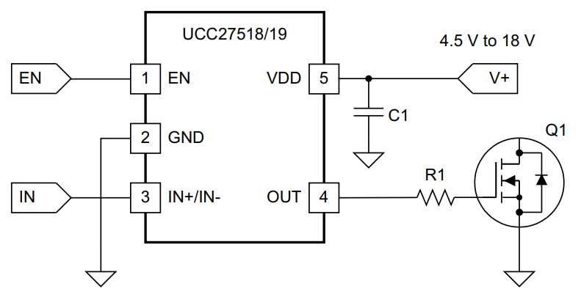
Power supply | Large Bypass cap | reduce VDD drop at switch on | Yes | >1μF | 50V , MLCC, X7R recommended | VDD,GND | Place as close to VDD pin next to the small bypass cap, connect to large ground plane | Open
 | Small Bypass cap | reduce noise on VDD pin | Yes | >100nF | 50V , MLCC, X7R recommended | VDD,GND | Place as close to VDD pin as possible, connect to large ground plane | Open

Input filtering | IN Resistor | filter input noise | No | 0Ω - 100Ω |  | IN, Input | Place close to IN pin | Open
 | IN Cap | filter input noise | No | 10pF-100pF |  | IN, GND | Place close to IN pin, to large ground plane | Open
 | EN Resistor | filter input noise | No | 0Ω - 100Ω |  | EN, Input | Place close to EN pin. If not using EN pin, disregard resistor and connect EN directly to VDD pin | Open
 | EN Cap | filter input noise | No | 10pF-100pF |  | EN, GND | Place close to EN pin, to large ground plane. If not using EN pin, disregard capacitor and connect EN directly to VDD pin | Open

Outputs | OUT Resistor | reduce switching speed | Yes | 0 - 5Ω |  | OUT, Gate | Place as close to the MOSFET gate as possible in order to minimize ground loop | Open
 | Doff Diode | increase switch off speed | No | Schottky |  | Low Gate, Roff LO | Place close to gate | Open
 | Rgs Resistor | hold MOSFET gate low during system startup / shutdown | No | 5.1kΩ - 20kΩ |  | MOSFET Gate, MOSFET Source | Place close to the gate, to source | Open
 | Dclamp Diode(s) | shunts away large gate path overshoot / undershoot | No | Schottky | Consider using a back to back Schottky diode package; dual serial configuration (Example: BAT54S) | Ouput | Place close to OUT pin. Connect anode to GND, connect cathode to VDD, and connect shared cathode/anode to OUT pin. | Open

