Calculations
UCC28782 Electrical Characteristics (from datasheet SLUSDK4)
Typical VDD Turn-off Threshold | VDD_off = | 10.6 | V | ds specs
Typical VDD Turn-on Threshold | VDD_on = | 17 | V | ds specs
Maximum VDD Bias-Supply Operating Voltage | VDD_max = | 34 | V | ds recommendation
Offset to Power Cycle for Long Output Voltage Overshoot | VDD_PCT = | 2.2 | V | ds specs
VS Line-Sense Run Current, Maximum | IVSL_run_max = | 409 | µA | ds specs
VS Line-Sense Run Current, Typical | IVSL_run = | 365 | µA | ds specs
VS Line-Sense Run Current, Minimum | IVSL_run_min = | 313 | µA | ds specs
VS Line-Sense Stop Current, Maximum | IVSL_stop_max = | 336 | µA | ds specs
VS Line-Sense Stop Current, Typical | IVSL_stop = | 305 | µA | ds specs
VS Line-Sense Stop Current, Minimum | IVSL_stop_min = | 255 | µA | ds specs
VS Pin Over-Voltage Threshold | VVS_OVP = | 4.55 | V | ds specs
Propagation Delay of CS-Comparator High to PWML Low | tD_CS = | 26 | ns | ds specs
Maximum Threshold on CS Pin | VCST_max = | 0.8 | V | ds specs
Over-Power Threshold on CS Pin, at Ivsl = 0µA | VCST_OPP1 = | 0.6 | V | ds section 8.4.14.6
Over-Power Threshold on CS Pin, at Ivsl = -1.25mA | VCST_OPP4 = | 0.4275 | V | ds section 8.4.14.6
VS Pin Negative-Clamp Level | Vs_clamp = | 0.287 | V | ds specs
Line-Compensation Current Ratio | KLC = | 25 | A/A | ds specs
RDM Pin Coefficient | KDM = | 5.25E+09 | F-1 | ds section 8.3.13
Ratio from VBUR to VCST | KBUR_CST = | 3.98 | V/V | ds specs
P13 Voltage Regulation Level | VP13 = | 12.8 | V | ds specs
VDD Supply Current, Run-state, Switching | IRUN_VDD = | 3 | mA | ds specs
VDD Supply Current, Wait-state | IWAIT_VDD = | 0.58 | mA | ds specs, VDD boost circuit enabled
Delay from RUN High to PWML High | tD_RUN_PWML = | 4.7 | µs | ds specs
P13 Sink-Current During Start-up | IP13_START = | 2.2 | mA | ds specs
NTC Resistance Threshold on FLT pin to Trigger OTP Fault, Maximum | RNTCTH_max = | 11.18 | kΩ | ds specs
NTC Resistance Threshold on FLT pin to Trigger OTP Fault, Typical | RNTCTH = | 9.91 | kΩ | ds specs
NTC Resistance Threshold on FLT pin to Trigger OTP Fault, Minimum | RNTCTH_min = | 8.9 | kΩ | ds specs
NTC Resistance Threshold on FLT pin to Clear OTP Fault, Maximum | RNTCR_max = | 26.4 | kΩ | ds specs
NTC Resistance Threshold on FLT pin to Clear OTP Fault, Typical | RNTCR = | 23 | kΩ | ds specs
NTC Resistance Threshold on FLT pin to Clear OTP Fault, Minimum | RNTCR_min = | 21.2 | kΩ | ds specs
ΔV_{o(ABM)}
Δi_{FB(ABM)}
REF Voltage | VREF = | 5 | V | ds specs
Regulated FB Pull-up Voltage | VFB_max = | 4.25 | V | ds specs
FB Internal Pull-up Resistance | RFB_int = | 8300 | Ω | ds specs
Maximum Control FB Current (typ) | IFB_max = | 75 | µA | ds specs
Burst voltage ripple of lowest VO when in ABM | ∆VO_ABM = | 100 | mV | Typically use 100mV or higher. Refer to the figure at the right >>>
Upper Threshold of Burst Frequency in ABM | fBUR_UP = | 34.4 | kHz | ds specs
Lower Threshold of Burst Frequency in ABM | fBUR_LR = | 24.5 | kHz | ds specs
Fault-Delay-Recovery Time | tFDR = | 1.5 | s | ds specs
Resonant Duty-Cycle Factor in percent of maximum period | KRES = | 6 | % | Estimate portion of maximum switching period for ZVS resonance, at low-line
Minimum ∆V for NA_min Design Margin | ∆V_MIN = | 3 | V | Margin added to VDD_off threshold to calculate minimum AUX turns
Maximum Voltage Spike on Output Rectifier | ΔVSPIKE_SR = | 30 | V | Estimate spike voltage due to inductive ringing
Voltage Above Reflected Output Voltage | ΔVCLAMP = | 50 | V | Estimate maximum increase in clamp voltage during LPM

Transformer Parameters
Minimum Primary-to-Secondary Turns Ratio | NPS_min = | 4.159
Maximum Primary-to-Secondary Turns Ratio | NPS_max = | 74.783
Primary-to-Secondary Turns Ratio Used in Calculations | NPS = | 60.000 |  | NPS_min < NPS < NPS_max (whole number not required, may be fractional)
Primary Turns | NP = | 120 |  | Select the primary turns target; must be a whole number
Minimum Recommended Secondary Turns | NS_rec = | 2.0
Secondary Turns Used in Calculations | NS = | 2 |  | (Recommended value rounded to nearest integer)
Minimum Auxiliary-Winding Turns | NA_min = | 6.8
Maximum Auxiliary-Winding Turns | NA_max = | 11.8
Auxiliary Winding Turns Used in Calculations | NA = | 8 |  | Choose integer turns: NA_min < NA < NA_max
VO Reflected to Primary Winding | VRfl = | 300 | V
Maximum Duty-Cycle | D_max = | 0.577
Recommended Primary Magnetizing Inductance | LM_rec = | 1214 | µH
Actual Magnetizing Inductance | LM_act = | 1200 | µH | Measurement from transformer sample, or intended target value
Magnetizing Inductance Used in Calculations | LM = | 1200 | µH
Actual Primary Leakage Inductance | LK_act = | 2 | µH | Measurement from transformer sample, or intended target value
Estimated Transformer Efficiency | ηXFMR = | 0.960
Transformer Primary Winding Capacitance | CTr = | 3.1 | pF | Derived from self-resonant frequency of primary winding
DC Resistance of Primary Winding | Rpri_dc = | 1.000 | Ω | Measurement from transformer sample, or intended target value

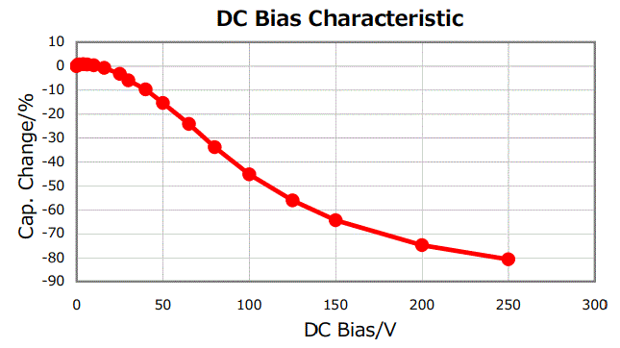
Switching Node Capacitance, CSW |  |  |  |  | Example graph of DC-bias reduction. Use actual cap data, not this example.
Time-Based Output Capacitance of QH | COSS_QH_T = | 88 | pF | (at lowest bulk voltage) | Note: Larger case sizes and better dielectrics help to minimize DC-Bias effect.
Time-Based Output Capacitance of QL | COSS_QL_T = | 88 | pF | (at lowest bulk voltage)
Transformer Parasitic Capacitance | CTr = | 3 | pF
Bootstrap Diode Capacitance | CBootD_T = | 10 | pF
Depletion FET Output Capacitance | COSS_Qs = | 1.7 | pF
Secondary Side Reflected to Primary Side | CReflect = | 1 | pF
Total Equivalent Time-Based Capacitance of Switching Node | CSWN_T = | 191 | pF | (at lowest bulk voltage)

Clamp Capacitance
Expected Clamp Cap DC-Bias Reduction, in negative percent | Drea_clamp = | -45 | % | Initial capacitance is reduced by this percentage due to applied voltage >>>>
Recommended Clamp Cap Initial Capacitance | Cclamp_rec = | 0.627 | µF | Nominal recommended value includes adjustment for dc-bias effect
Actual Clamp Cap Nominal Capacitance Selected | Cclamp_act = | 0.68 | µF | Select closest standard value ≥ recommended value
Effective Clamp Capacitance under DC Bias | Cclamp_eff = | 0.374 | µF
Current of primary winding
Clamp-Cap Value Used in Calculations | Cclamp = | 0.374 | µF
Recommended Bleeder Resistance | RBLEED_rec = | 0.726 | MΩ
Actual Bleeder Resistance Selected | RBLEED_act = | 1 | MΩ
Bleeder Resistance Used in Calculations | RBLEED = | 1 | MΩ

Resistor Divider of VS Pin
Recommended RVS1 Value | RVS1_rec = | 40.183 | kΩ
Actual RVS1 | RVS1_act = | 41.2 | kΩ | Enter nearest standard value, use ±1% tolerance or better
Maximum voltage across RVS1 during QL on-time at maximum Vin | VRvs1_max = | -40.0 | V | Note: Choose RVS1 case-size based on appropriate "Limiting Element Voltage" rating, not on power dissipation.
RVS1 Used in Calculations | RVS1 = | 41.2 | kΩ
Actual Brown-in (Start-up) Voltage, Maximum | VBrownin_max = | 255.0 | V | Possible Brown-in voltage calculated with maximum parameters
Actual Brown-in (Start-up) Voltage, Typical | VBrownin = | 225.6 | V | Verify with target at 'Begin Input Here' cell D20
Actual Brown-in (Start-up) Voltage, Minimum | VBrownin_min = | 191.5 | V | Possible Brown-in voltage calculated with minimum parameters
Actual Brown-out (Shut-down) Voltage, Maximum | VBrownout_max = | 210.0 | V | Possible Brown-out voltage calculated with maximum parameters
Actual Brown-out (Shut-down) Voltage, Typical | VBrownout = | 188.5 | V | Brown-out voltage calculated with typical parameters
Actual Brown-out (Shut-down) Voltage, Minimum | VBrownout_min = | 156.0 | V | Possible Brown-out voltage calculated with minimum parameters
Recommended RVS2 Value | RVS2_rec = | 10.160 | kΩ
Actual RVS2 | RVS2_act = | 10.7 | kΩ | Enter nearest standard value, use ±1% tolerance or better
RVS2 Used in Calculations | RVS2 = | 10.7 | kΩ
Actual OVP Level, in Percent of Output Voltage, VOUT | OVP = | 110.3 | % | Verify with target at 'Begin Input Here' cell D29
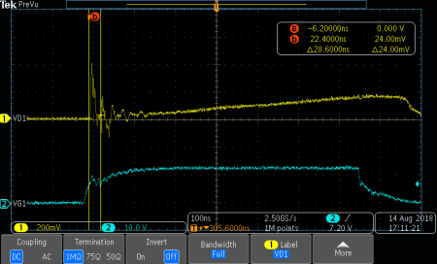
Voltage across Rcs
VGS of low-side MOSFET
Current-Sense Resistor, RCS
Estimate Delay from Current-Sense Filtering | TD_CS_filter = | 50 | ns | Prediction of ROPP x CCS; compare to cell D116 and iterate as needed.
Recommended Current-Sense Resistance | RCS_rec = | 0.589 | Ω
Actual Current-Sense Resistor | RCS_act = | 0.500 | Ω | Enter value ≤ recommended (not too much less), use ±1% tolerance or better
Current-Sense Resistor Used in Calculations | RCS = | 0.500 | Ω
Maximum RMS Current in RCS Resistor | iQL_RMS = | 0.467 | A
Maximum Power Loss in RCS | PRcs = | 0.109 | W

OPP Programming Resistor
Recommended OPP Resistor Value | R_OPP_rec = | 985 | Ω | Negative value for R_OPP_rec indicates too much current-sense delay
Actual OPP Resistor | R_OPP_act = | 1000 | Ω | Enter nearest standard value, use ±1% tolerance or better
OPP Resistor Used in Calculations | R_OPP = | 1000 | Ω
Maximum Current-Sense Capacitance | CCS_max = | 50 | pF
Actual Current-Sense Capacitance | CCS_act = | 47 | pF | C0G is recommended to keep stable value
Current-Sense Capacitance Used in Calculations | CCS = | 47 | pF
Actual Current-Sense Filter Delay | TD_CS_filter_act = | 47.0 | ns | Check against cell D102. Iterate D102, D104, D111, D114 to converge close enough.

RDM Pin Setting
Recommended RDM Resistor Value | RDM_rec = | 173.2 | kΩ
Actual RDM Resistor | RDM_act = | 180 | kΩ | Enter nearest standard value, use ±1% tolerance or better
RDM Resistor Used in Calculations | RDM = | 180 | kΩ

RTZ Pin Setting
Transition Time for ZVS | TZ_min = | 962 | ns
Recommended RTZ Resistor Value | RTZ_rec = | 1089.6 | kΩ
Actual RTZ Resistor | RTZ_act = | 1000 | kΩ | Enter nearest standard value, use ±1% tolerance or better
RTZ Resistor Used in Calculations | RTZ = | 1000 | kΩ

BUR Pin Setting
Target Threshold Voltage to enter ABM, at CS Input | VCST_BUR = | 0.224 | V
Equivalent BUR Voltage Target Based on VCST_BUR | VBUR_tgt = | 0.893 | V | = VCST_BUR target * KBUR_CST factor
Recommended RBUR1_rec Resistor | RBUR1_rec = | 147.86 | kΩ | Recommended value from 'BUR Pin' sheet
Actual RBUR1_act Resistor | RBUR1_act = | 115 | kΩ | Selected value from 'BUR Pin' sheet, ±1%
RBUR1 Resistor Used in Calculations | RBUR1 = | 115 | kΩ
Recommended RBUR2_rec Resistor | RBUR2_rec = | 30.51 | kΩ | Recommended value from 'BUR Pin' sheet
Actual RBUR2_act Resistor | RBUR2_act = | 35.7 | kΩ | Selected value from 'BUR Pin' sheet, ±1%
RBUR2 Resistor Used in Calculations | RBUR2 = | 35.7 | kΩ
Actual BUR Pin Voltage | VBUR = | 1.048 | V | Should be close to VBUR target at cell D131
Maximum CBUR Capacitance Value | CBUR_max = | 489 | pF
Actual CBUR Capacitance | CBUR_act = | 330 | pF | C0G or X7R is recommended to keep stable value
CBUR Capacitance Used in Calculations | CBUR = | 330 | pF

Damping Network for Depletion FET
Recommended Capacitance on SWS | CSWS_rec = | 50 | pF
Actual Capacitance | CSWS_act = | 22 | pF | C0G is recommended to keep stable value
Capacitance Used in Calculations | CSWS = | 22 | pF
Calculated Resistance in Series with Source to SWS | RSWS_rec = | 135 | Ω | (Minimum value)
Actual Resistor | RSWS_act = | 523 | Ω | Between 499 Ω and 820 Ω is recommended for UCC28782
Resistor Used in Calculations | RSWS = | 523 | Ω

Decoupling Capacitors for Internal Regulators
Minimum CP13 Capacitance | CP13_min = | 1 | µF
Actual CP13 Capacitance | CP13_act = | 1 | µF | 1 µF, X7R is recommended
CP13 Capacitance Used in Calculations | CP13 = | 1 | µF
Minimum CREF Capacitance | CREF_min = | 0.22 | µF
Actual CREF Capacitance | CREF_act = | 0.47 | µF | 0.22 µF, X7R is recommended
CREF Capacitance Used in Calculations | CREF = | 0.47 | µF

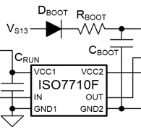
Bias Supply for Driver VDD
Maximum "Boot-Strap" Capacitance | CBOOT_max = | 59 | nF
Minimum "Boot-Strap" Capacitance | CBOOT_min = | 8 | nF
Boot-Strap Capacitance Used in Calculations | CBOOT = | 33 | nF | For high-side driver. X7R is recommended
Suggested RBOOT | RBOOT = | 5.0 | Ω | Suggested 10*RCS
RBOOT Used in Calculations | RBOOT = | 10 | Ω
Minimum CDD2 | CDD2_min = | 0.330 | µF | Suggested 10*CBOOT
CDD2 Used in Calculations | CDD2 = | 1 | µF | X7R is recommended

AUX Power on Primary Side
Output Voltage Reflected to Auxiliary Winding | VDD = | 18.75 | V |  | Example graph of DC-bias reduction. Use actual cap data, not this example.
Approximate Time for VP13 to Settle to Regulation After Start-Up | tP13 = | 2.0 | ms |  | Note: Larger case sizes and better dielectrics help to minimize DC-Bias effect.
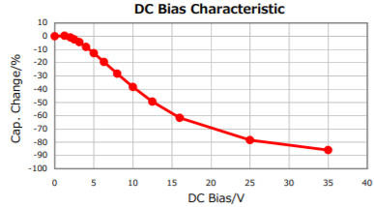
VO Rise Time to Regulation | tSS_max = | 2.1 | ms | Estimated; with no external load applied.
Reduction Factor, in Negative Percent, for CDD1 due to DC-Bias Effect | Drea_CDD1 = | -70 | % | Initial capacitance is reduced by this percentage due to applied voltage >>>>
Recommended CDD1 Nominal Capacitance | CDD1_rec = | 14.9 | µF | Nominal recommended value includes adjustment for dc-bias effect
Actual CDD1 Capacitance | CDD1_act = | 33 | µF | Select standard value ≥ recommended
CDD1 Capacitance Used in Calculations | CDD1 = | 33 | µF

Optocoupler Feedback
Maximum FB Pin Resistor | RFB_max = | 45.7 | kΩ
Actual FB Pin Resistor | RFB_act = | 22.1 | kΩ | ~20 kΩ is recommended
FB Pin Resistance Used in Calculations | RFB = | 22.1 | kΩ
Recommended CFB | CFB = | 330 | pF | 220 pF to 330pF, C0G is recommended
Recommended Bias Resistor2 Value | Rbias2_rec = | 14.3 | kΩ | Rbias2 across photo-diode to supply shunt-regulator bias current when photo-diode current is cut off
Actual Bias Resistor2 | Rbias2_act = | 14.7 | kΩ
Bias Resistor2 Used in Calculations | Rbias2 = | 14.7 | kΩ
Lowest normal output voltage | VOUT_low = | 5.3 | V | In case of variable output voltage
Maximum Bias Resistor1 During SBP mode | Rbias1_max_SBP = | 6.85 | kΩ
Maximum Bias Resistor1 During ABM mode | Rbias1_max_ABM = | 22.00 | kΩ
Maximum Value for Rbias1 | Rbias1_max = | 6.85 | kΩ
Minimum Value for Rbias1 | Rbias1_min = | 9.68 | kΩ | If Rbias1_min > Rbias1_max, choose Rbias1 ≤ Rbias1_max
Rbias1 Used in Calculations | Rbias1 = | 5.6 | kΩ

Voltage-Divider for Shunt Regulator
Shunt Regulator Part Number (for reference) | ATL431
Recommended Maximum RVo2 Value | Rvo2_rec_max = | 33.3 | kΩ
Actual RVo2 Resistor | Rvo2_act = | 14.7 | kΩ | Enter nearest standard value, use ±1% tolerance or better
RVo2 Resistor Used in Calculations | Rvo2 = | 14.7 | kΩ
Recommended RVo1 Value | Rvo1_rec = | 14.7 | kΩ
Actual RVo1 Resistor | Rvo1_act = | 16.4 | kΩ | Enter nearest standard value, use ±1% tolerance or better
RVo1 Resistor Used in Calculations | Rvo1 = | 16.4 | kΩ
Typical Output Voltage | VO_typ = | 5.290 | V | Result should match target VOUT closely (see 'Begin Input Here' sheet, cell D28)

Frequency Compensation Networks
Ripple-Regulation in ABM
Recommended Cdiff Value | Cdiff_rec = | 9.1 | nF
Actual Cdiff | Cdiff_act = | 4.7 | nF | X7R or better is recommended
Cdiff Used in Calculations | Cdiff = | 4.7 | nF
Recommended Rdiff Value | Rdiff_rec = | 492 | Ω
Actual Rdiff | Rdiff_act = | 499 | Ω
Rdiff Used in Calculations | Rdiff = | 499 | Ω
Loop Stability in AAM
Recommended Cint Value | Cint_rec = | 48.5 | nF
Actual Cint | Cint_act = | 47 | nF | X7R or better is recommended
Cint Used in Calculations | Cint = | 47 | nF
Rint Used in Calculations | Rint = | 0 | Ω | (This value not calculated at this time.)

IPC Pin Setting
Recommended RIPC Resistor to AGND | RIPC_rec = | 0.0 | kΩ | (This value not calculated at this time. Set to 0.)
Actual RIPC Resistor to AGND | RIPC_act = | 0 | kΩ | Enter nearest standard value, use ±5% tolerance or better
RIPC Resistor Used in Calculations | RIPC = | 0 | kΩ | (This value not calculated at this time. Set to 0.)

Over-Temperature Protection on FLT Pin ====>> |  |  |  | NTC connected from FLT pin to AGND pin.
NTC Resistor Part Number (for reference) | NTHS0603N01N1003F |  |  | To adjust values, select NTC parameters at 'Begin Input Here' cells D127-D135

Maximum Temperature at which OTP Fault Sets | TOTP_set_max = | 93.97 | °C | OTP-Fault Set and Reset hysteresis range, when parameters are maximum
Maximum Temperature at which OTP Fault Resets (Clears) | TOTP_rst_max = | 65.94 | °C

Nominal Temperature at which OTP Fault Sets | TOTP_set_nom = | 87.56 | °C | OTP-Fault Set and Reset hysteresis range, when parameters are nominal
...

Optimize BUR Pin
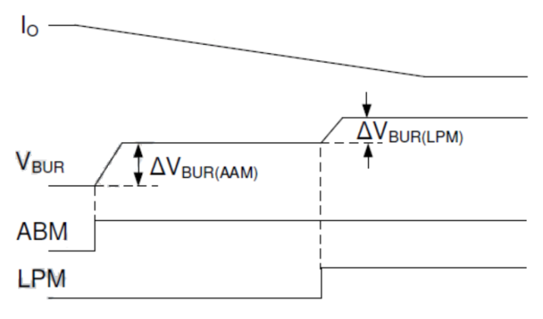
How to use this sheet:
1. VBUR_tgt is obtained first from 'Calculations D131', then the designer decides ∆VBUR(AAM).
2. ∆VBUR(AAM) is recommended to be about 200 mV initially, if the designer
does not have an idea yet. It is recommended that ∆VBUR(LPM) > 100 mV.
3. After ∆VBUR(AAM) is selected, the calculator determines RBUR1 and RBUR2 targets.
4. The designer then can use the calculated RBUR1 and RBUR2 or change them to
different values; the calculator will calculate resultant ∆VBUR(AAM), ∆VBUR(LPM).
5. The designer can try different combinations of RBUR1 and RBUR2
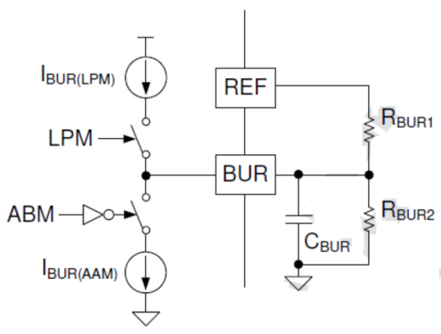
to get balance among ∆VBUR(AAM), ∆VBUR(LPM) and VBUR values.

Name | Value | Unit | Comments
VREF = | 5 | V | device parameter
IBUR(AAM) = | 5 | µA | device parameter
IBUR(LPM) = | 2.7 | µA | device parameter
Target to enter ABM | 40 | % | % of full load for ABM, from 'Begin Input Here' sheet, cell D34
VBUR_tgt = | 0.893 | V | BUR target from 'Calculations' sheet, cell D131
∆VBUR(AAM) = | 155 | mV | user selection, target hysteresis at AAM <=> ABM boundary
∆VBUR(LPM) = | 84 | mV | hysteresis at ABM <=> LPM boundary, dependent on ∆VBUR(AAM)

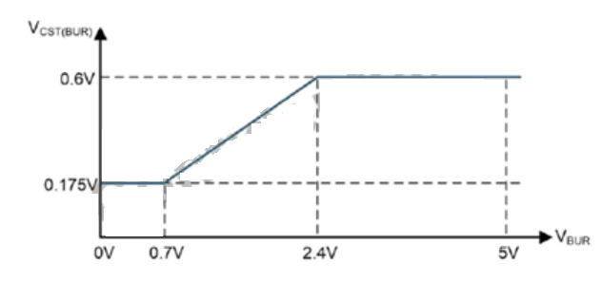
RBUR1||RBUR2 = | 31.0 | kΩ | parallel combination required to achieve ∆VBUR(AAM)
Rbur2/(Rbur1+Rbur2) = | 0.2097 |  | divider ratio required to achieve VBUR_tgt
RBUR1_rec = | 147.9 | kΩ | recommended target value for RBUR1
RBUR1_act = | 115 | kΩ | user selection, ±1% standard value
RBUR2_rec = | 30.51 | kΩ | recommended target value for RBUR2
RBUR2_act = | 35.7 | kΩ | user selection, ±1% standard value

VBUR2 = | 1.048 | V | actual BUR voltage at AAM <=> ABM boundary while in AAM approaching ABM (compare to cell C17)
∆VBUR(AAM) = | 136 | mV | actual BUR hysteresis at AAM <=> ABM boundary (compare to cell C18)
∆VBUR(LPM) = | 74 | mV | actual BUR hysteresis at ABM <=> LPM boundary, dependent on ∆VBUR(AAM) (compare to cell C19)

Tune Secondary Resonance
...
 |  |  |  | Example graph of severe reduction. Use actual cap data, not this example.
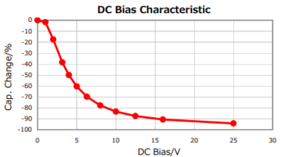
...
 |  |  | Capacitance change (negative) based on output voltage >>>
 |  |  | (may consist of multiple parallel capacitors)
 |  |  | Accounts for DC-bias reduction
 |  |  | Need to fine tune, based on scope waveform
 |  |  | Effective value under DC bias condition
...
 |  |  | Choose inductor with minimal series resistance
 |  |  |  | Note: Larger MLCC case sizes exhibit less DC-Bias effect.
 |  |  | LO > LDAMP > 0.13*LO
 |  |  | Need to tune value based on waveforms, as below
 |  |  | RDAMP ≥ √(LO/CO1)
RDAMP Used in Calculations | 0.67 | Ω | Choose inductor with resistance ≥ RDAMP(min), < 5*RDAMP(min)

A. CO1 Adjustment
1. Monitor transformer primary current ILr to fine tune CO1 value, during low line and Io_max
2. Increase CO1 to extend resonant current, improve efficiency (spreads width, reduces peak and rms values)

 |  | Increase CO1

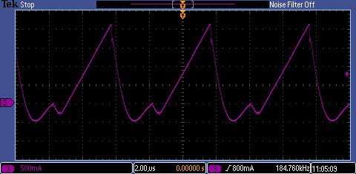
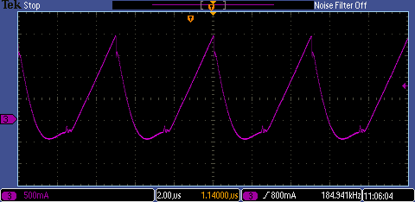
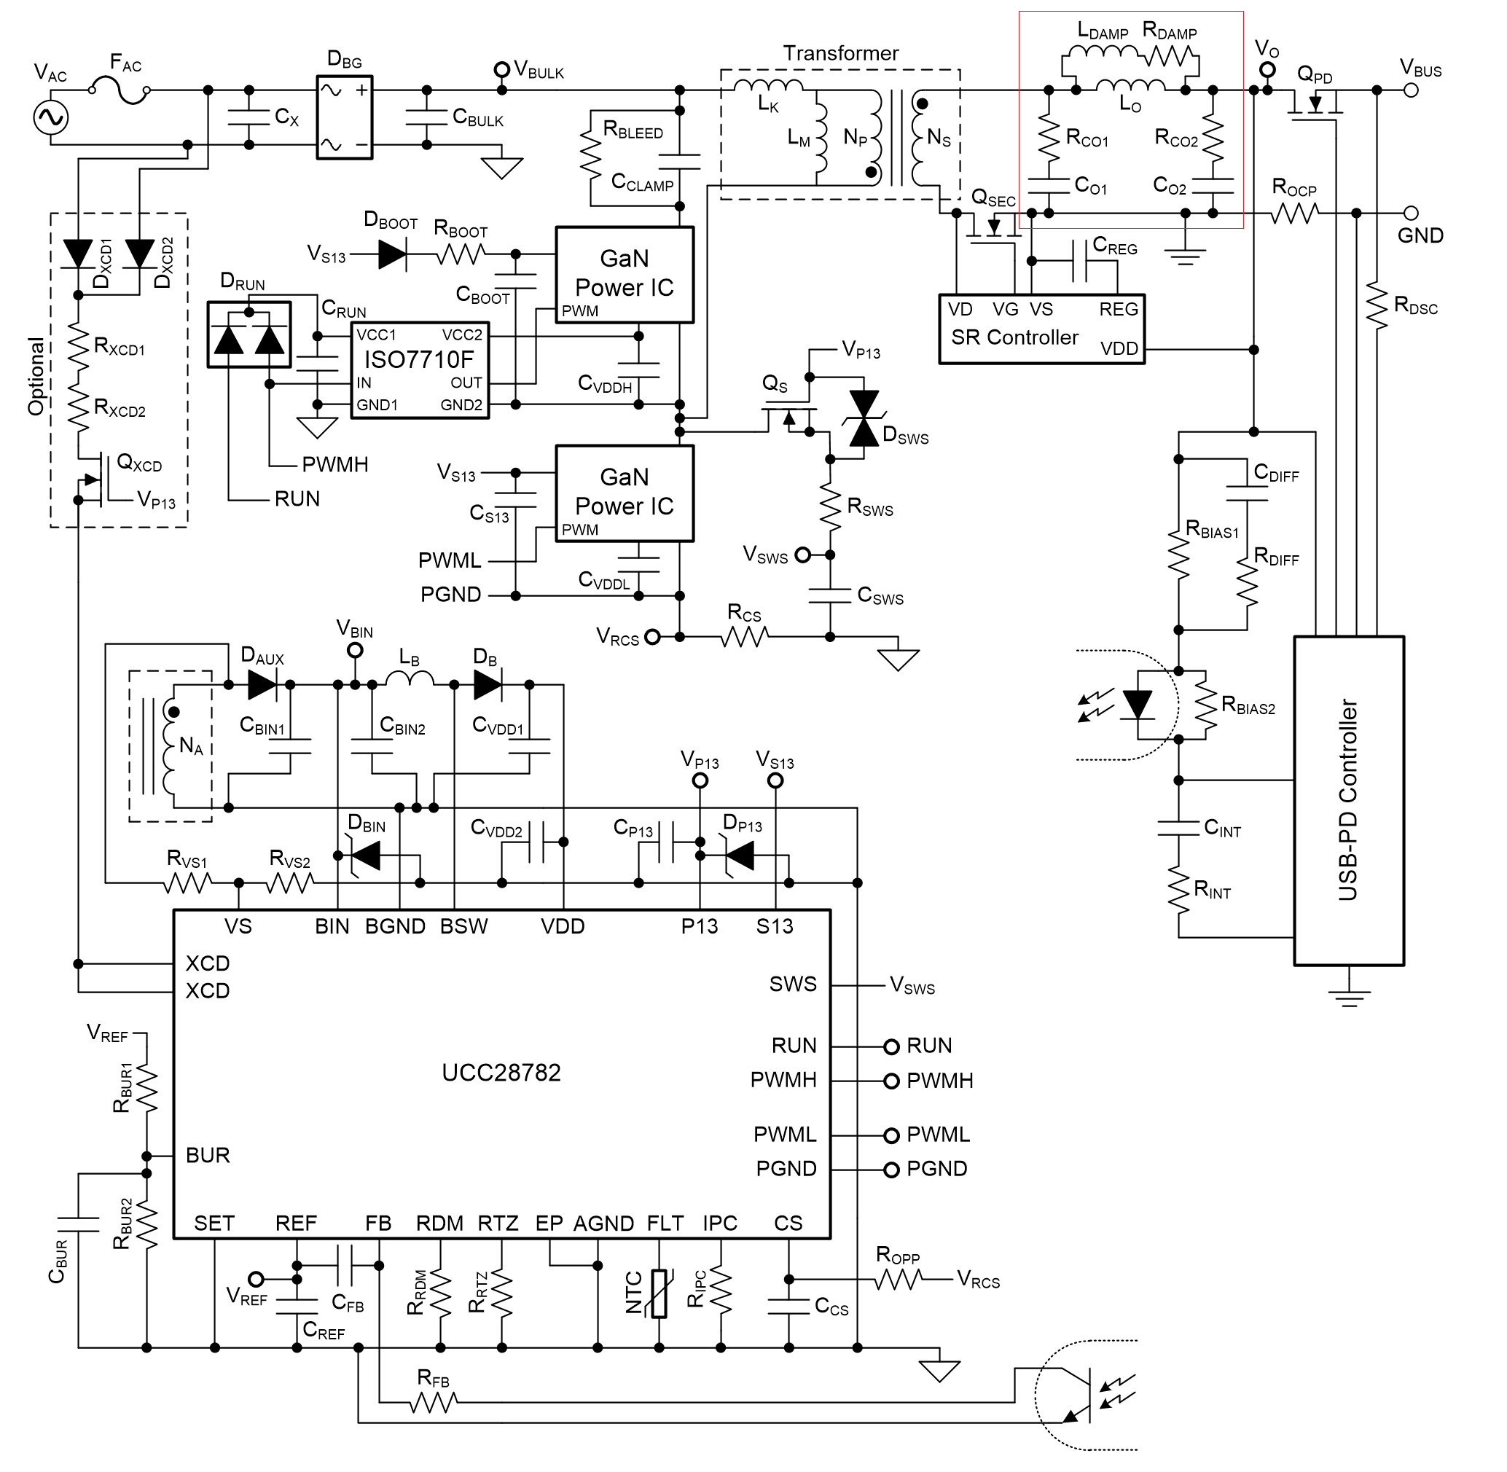
Sec - Res

B. LDAMP Determination | LDAMP no smaller than | 0.13 | µH

Trade off stability with efficiency: | Decrease LDAMP for stronger damping ==> Lower VCo1 ripple ==> Stable Vgs(SR) ==> Lower efficiency (by 10ths of %)

 | Higher Efficiency <== Unstable Vgs(SR) <== Higher VCo1 ripple <== Increase LDAMP for weaker damping

