Modified formula
Theoretical calculation
Rup | 191296 | 196000 | 200704 | R7
Rdw | 91744 | 94000 | 96256 | R8
Vuvlo | 1.345 | 1.43 | 1.517
Iuvlo | 3.00E-06 | 5.00E-06 | 6.00E-06

 |  |  |  |  | ERROR %
Ven | 4.0180086436 | 4.4117021277 | 4.835668992 |  | 9.24%

 |  |  |  | Modified formula without using Ven to find Vsh

Vsh | 2.8702326436 | 3.4317021277 | 4.233556992 |  | 19.19%

Simulation
WC Simulation Result
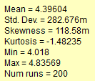
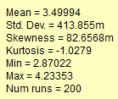

SCHEMATIC

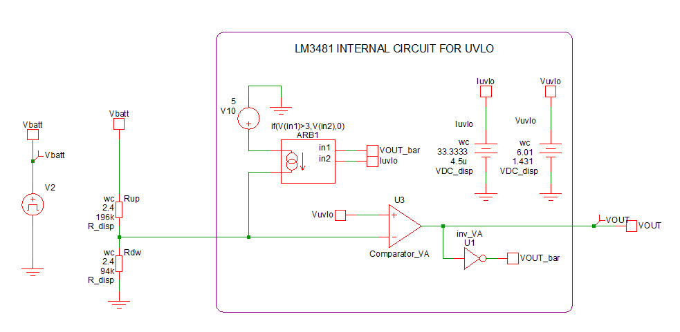

WC SIMULATION GRAPH

