Design Calculator
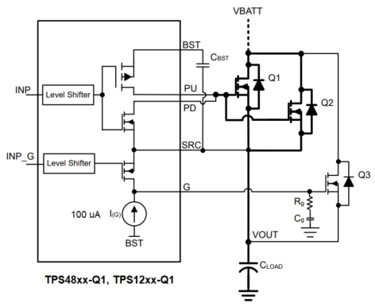
Mosfet SOA Margin Calculator during dvdt/Inrush limit Startup
Note: This worksheet provides reasonable understanding on the Mosfet SOA margin while starting up with dvdt control.Tolerances of the components are not included in the calculations. See the Instructions tab for additional information.

 |  | Enter Values in Green Shaded Cells
 |  | Calculated/Suggested Values are shown in White Cells
 |  | Yellow and Red cells highlight pottential issues with the design. Red highlights items that are higher risk.

 | Step 1: Operating Conditions |  | Minimum Input DC Operating Voltage: VIN(MIN) | 9 | V | Device | GATE Source Current | Units
 |  |  | Nominal Input DC Operating Voltage: VIN(NOM) | 24 | V | LM74502-Q1 | 60 | µA
 |  |  | Maximum Input DC Operating Voltage: VIN(MAX) | 60 | V | LM7480x-Q1 | 55 | µA
 |  |  | Maximum Load Current: IOUT(MAX) | 25 | A | LM7472x-Q1 | 50 | µA
 |  |  | Maximum Output Load Capacitance: COUT | 330 | µF | LM749x0-Q1 | 55 | µA
 |  |  | Maximum Ambient Operating Temperature: TMAX | 50 | oC
 |  |  | Required Maximum allowed Inrush Current | 1000 | mA | TPS48xx-Q1, TPS12xx-Q1 | 100 | µA | Pre-charge GATE; Rg = 220Ω
 | Steps 1 & 2: Operating Conditions, Current Limit, & Circuit Breaker |  | Enter GATE Source Current of the controller | 75.6 | µA
 |  |  |  |  |  | TPS48xx-Q1, TPS12xx-Q1 | 75.6 | µA | R1 = 100kΩ; R2 = 10Ω

 | Temp Derated FET SOA | FET Operating SOA Limit
60.00 | 4.33 | 0.76
59.42 | 4.37 | 0.76
58.85 | 4.41 | 0.76
58.27 | 4.46 | 1.33
57.69 | 4.50 | 1.53
57.12 | 4.55 | 1.72
56.54 | 4.59 | 1.91
55.96 | 4.64 | 2.10
55.38 | 4.69 | 2.29
54.81 | 4.74 | 2.49
54.23 | 4.79 | 2.68
53.65 | 4.84 | 2.87
53.08 | 4.89 | 3.06
52.50 | 4.95 | 3.26
51.92 | 5.00 | 3.45
51.35 | 5.06 | 3.64
50.77 | 5.11 | 3.83
50.19 | 5.17 | 4.03
49.62 | 5.23 | 4.22
49.04 | 5.30 | 4.41
48.46 | 5.36 | 4.60
47.88 | 5.42 | 4.79
47.31 | 5.49 | 4.99
46.73 | 5.56 | 5.18
46.15 | 5.63 | 5.37
45.58 | 5.70 | 5.56
45.00 | 5.77 | 5.76
44.42 | 5.85 | 5.95
43.85 | 5.92 | 6.14
43.27 | 6.00 | 6.33
42.69 | 6.08 | 6.53
42.12 | 6.17 | 6.72
41.54 | 6.25 | 6.91
40.96 | 6.34 | 7.10
40.38 | 6.43 | 7.29
39.81 | 6.52 | 7.49
39.23 | 6.62 | 7.68
38.65 | 6.72 | 7.87
38.08 | 6.82 | 8.06
37.50 | 6.92 | 8.26
36.92 | 7.03 | 8.45
36.35 | 7.14 | 8.64
35.77 | 7.26 | 8.83
35.19 | 7.38 | 9.03
34.62 | 7.50 | 9.22
34.04 | 7.63 | 9.41
33.46 | 7.76 | 9.60
32.88 | 7.90 | 9.79
32.31 | 8.04 | 9.99
31.73 | 8.18 | 10.18
...
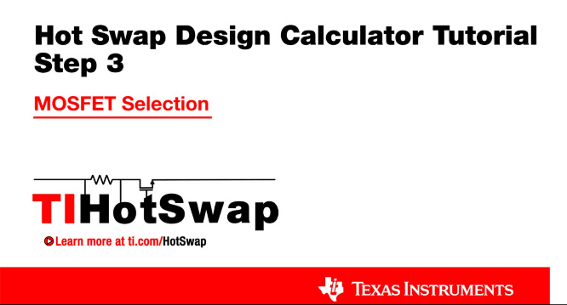
 | Step 2: MOSFET Selection |  | FET driven by GATE | PDC09D8BX
 |  |  | Estimated MOSFET RQJA | 62 | oC/W
 |  |  | Number of MosFETs in parallel driven by HGATE | 1 | #
 |  |  | MOSFET On resistance @ TJ,DC | 3.6 | mW
 |  |  | Maximum FET Junction Temperature | 150 | oC
 |  |  | 100ms SOA Current (re-use 1ms data if unavailable) @ VIN(MAX) | 60.0 | A
 |  |  | 1ms SOA Current @ VIN(MAX) | 18.0 | A
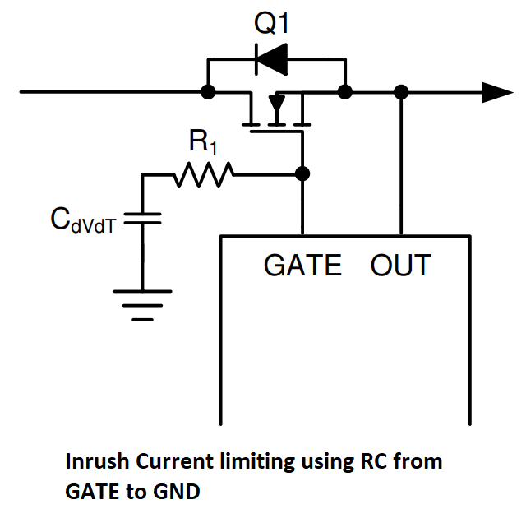
 |  |  | 10ms SOA Current @ VIN(MAX) | 6.0 | A
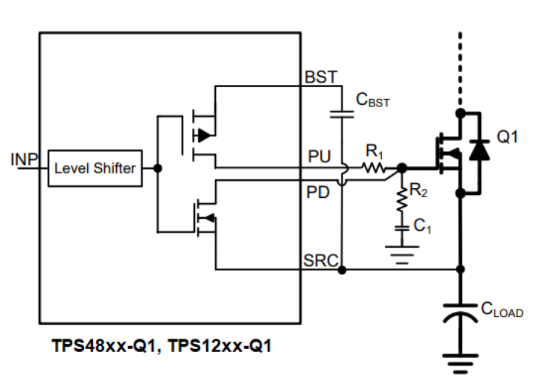
 |  |  | 100ms Current at @ VIN(MAX) (use DC if 100ms not available) | 4.0 | A
 | Step 2: MOSFET Selection |  | 1s or DC SOA Current at @ VIN(MAX) (use DC if 1s not available) | 3.0 | A
 | Note: TI recommends choosing a FET with SOA current specified for 100ms and/or 1s or DC. If choosing a FET without these parameters, this calculator will estimate the values via extrapolation, which leaves an inherent associated risk. |  | FET Power dissapation at full load (per FET) | 2.2500 | W
 |  |  | Maximum steady state FET Junction Temperature (TJ,DC) | 189.5 | oC

ILOAD and IFET vs Vout (VIN = VINMAX)
 | ILOAD | IFET
0.00 | 0.000 | 0.756
0.58 | 0.000 | 0.756
1.15 | 0.000 | 0.756
1.73 | 0.577 | 1.3329230769
2.31 | 0.769 | 1.5252307692
2.88 | 0.962 | 1.7175384615
3.46 | 1.154 | 1.9098461538
4.04 | 1.346 | 2.1021538462
4.62 | 1.538 | 2.2944615385
5.19 | 1.731 | 2.4867692308
5.77 | 1.923 | 2.6790769231
6.35 | 2.115 | 2.8713846154
6.92 | 2.308 | 3.0636923077
7.50 | 2.500 | 3.256
8.08 | 2.692 | 3.4483076923
8.65 | 2.885 | 3.6406153846
9.23 | 3.077 | 3.8329230769
9.81 | 3.269 | 4.0252307692
10.38 | 3.462 | 4.2175384615
10.96 | 3.654 | 4.4098461538
11.54 | 3.846 | 4.6021538462
12.12 | 4.038 | 4.7944615385
12.69 | 4.231 | 4.9867692308
13.27 | 4.423 | 5.1790769231
13.85 | 4.615 | 5.3713846154
14.42 | 4.808 | 5.5636923077
15.00 | 5.000 | 5.756
15.58 | 5.192 | 5.9483076923
16.15 | 5.385 | 6.1406153846
16.73 | 5.577 | 6.3329230769
17.31 | 5.769 | 6.5252307692
17.88 | 5.962 | 6.7175384615
18.46 | 6.154 | 6.9098461538
19.04 | 6.346 | 7.1021538462
19.62 | 6.538 | 7.2944615385
20.19 | 6.731 | 7.4867692308
20.77 | 6.923 | 7.6790769231
21.35 | 7.115 | 7.8713846154
21.92 | 7.308 | 8.0636923077
22.50 | 7.500 | 8.256
23.08 | 7.692 | 8.4483076923
23.65 | 7.885 | 8.6406153846
24.23 | 8.077 | 8.8329230769
24.81 | 8.269 | 9.0252307692
25.38 | 8.462 | 9.2175384615
25.96 | 8.654 | 9.4098461538
26.54 | 8.846 | 9.6021538462
27.12 | 9.038 | 9.7944615385
27.69 | 9.231 | 9.9867692308
28.27 | 9.423 | 10.179076923
...
 |  |  |  |  |  | Note: Hover here to see the 3 values affecting this curve, consult a thermal expert if you are unsure!
 | Step 3: Startup FET SOA Margin calculations |  | Load Turn-On Threshold | 1.6 | V
 |  |  | Startup Load Type | Resistive
 |  |  | Startup Load Value | 3 | Ohms
 |  |  | Use External Soft-Start Control | Yes
 |  |  | Enter Crss of Q2 FET/s Driven by HGATE | 0.5 | nF
 |  |  | Calculated SS capacitance Cdv/dt | 24.948 | nF
 |  |  | Select SS capacitance Cdv/dt | 33 | nF
 |  |  | dv/dt rate on Vout for above capacitor | 2.29 | V/ms
 |  |  | Actual Inrush Current | 0.76 | A
 | Step 3: Startup |  | SOA margin during start-up | 0.80
 |  |  | Start-up time | 26.19 | ms

