Calculation
UCC28780 Electrical Characteristic
Typical VDD Turn off Threshold | VDD_off_typ = | 9.8 | V ds specs
VDD Turn on Threshold | VDD_on = | 17.5 | V ds specs
Maximum Bias-Supply Operating Voltage | VDD_max = | 34.0 | V ds recommendation
Offset to Power Cycle for Long Output Voltage Overshoot | VDD_PCT = | 1.0 | V ds specs
VS Line Sense run Current | IVSL_run = | 365.0 | µA ds specs
VS Pin Over Voltage Threshold | VVS_OVP = | 4.5 | V ds specs
Propagation Delay of CS Comparator High to PWML Low | tD_CS = | 15 | ns | ds specs
Maximum Threshold on CS Pin | VCST_max = | 0.8 | V ds specs
Over Power Threshold on CS Pin | VCST_OPP1 = | 0.6 | V ds specs
Over Power Threshold on CS Pin | VCST_OPP4 = | 0.425 | V ds specs
Current Sense Pin Hysteresis Voltage | Vhys_CS = | 5 | mV
VS Pin Negative Clamp Level | Vs_clamp = | 0.25 | V | ds specs
Line Compensation Current Ratio | KLC = | 25 | A/A | ds specs
RDM Pin Coefficient | KDM = | 5.00E+09 | F-1 | ds specs
Ratio from VBUR to VCST | KBUR_CST = | 4 | V/V | ds specs
HVG Voltage Level | VHVG = | 10.5 | V | ds specs
Supply Current Run | IRUN_VDD = | 2.5 | mA | ds specs
Supply Current Wait | Iwait_VDD = | 0.4 | mA | ds specs
Delay from Run High to PWML High | tD_RUN_PWML = | 2.2 | µs
HVG Sink Current During Startup | Istart_HVG = | 90 | µA ds specs
Sink Current on VDD pin | IEN_VDD = | 1 | mA
Regulated FB Voltage Level | VFB_max = | 4.3 | V | ds specs
ΔV_{o(ABM)}
Δi_{FB(ABM)}
FB Input Pin Resistance | RFB_int = | 8.00E+03 | Ω ds specs
Maximum Control FB Current | IFB_max = | 75 | µA | ds specs
Burst voltage ripple of VO | ∆VO_ABM = | 100 | mV | Refer to the figure on the right
Lower Threshold of Burst Rate Frequency in Adaptive Burst Mode | fBUR_LR = | 25 | kHz | ds specs
Upper Threshold of Burst Rate Frequency in Adaptive Burst Mode | fBUR_UP = | 34 | kHz | ds specs
Fault Delay Recovery Time | tFDR = | 1.5 | s | ds specs
Estimate Minimum Power Stage Efficiency | η = | 93 | %
Estimate Duty Cycle Loss | KRES = | 6 | %
Minimum ∆V for NA_min Design Margin | ∆V_MIN = | 3 | V
Additional Voltage Spike Higher than VBULK(MAX)/NPS | ΔVSPIKE = | 30 | V | Estimate inductive spike voltage on output rectifier
Voltage Above Reflected Output Voltage | ΔVCLAMP= | 20 | V

Transformer Parameter
Minimum Primary to Secondary Turns Ratio | NPS_min = | 3.421
Maximum Primary to Secondary Turns Ratio | NPS_max = | 7.790
Primary to Secondary Turns Ratio Used in Calculations | NPS = | 5.000 | NPS_min<NPS<NPS_max
Primary Turns | NP = | 21.000 |  | Select the primary turns target
Minimum Recommended Secondary Turns | NS_rec = | 4.200
Secordary Turns Used in Calculations | NS = | 4.000
Minimum Auxiliary Winding Turns | NA_min = | 2.000
Maximum Auxiliary Winding Turns | NA_max = | 4.000
Auxiliary Winding Turns Used in Calculations | NA = | 3.000 |  | NA_min <NA<NA_max
Vout Reflect to Primary Side | VRfl = | 160.000
Maximum Duty Cycle | D_max = | 0.597
Recommended Magnetizing Inductance | LM_recommended = | 275.298 | µH
Actual Magnetizing Inductance | LM_actual = | 300.000 | µH
Magnetizing Inductance Used in Calculations | LM = | 300.000
Actual Leakage Inductance | LK_actual= | 2.500 | µH
Estimate Transformer Efficiency | ηXFMR = | 0.960
Transformer Parasitic Capacitance | CTr = | 3.000 | pF
Resistance of Primary Winding | Rpri_dc = | 0.100 | Ω

Switching Node Capacitance, CSW
Time Based Output Capacitance of QH | COSS_QH_T = | 300.447 | pF
Time Based Output Capacitance of QL | COSS_QL_T = | 300.447 | pF
Transformer Parasitic Capacitance | CTr = | 3.000 | pF
Bootstrap Diode | CBootD_T = | 10 | pF
Depletion FET Output Capacitance | COSS_Qs = | 1.7 | pF
Secondary Side Reflect to Primary Side | Creflect = | 44.3 | pF
Total Time Base Switching Node Capacitance | CSW_T_nor = | 659.849 | pF

Current of primary winding
Clamp Capacitance
Clamp Cap DC Bias Derating | Drea_clamp= | 40 | %
Recommended Clamp Cap Capacitance | Cclamp_rec = | 0.228 | µF
Actual Clamp Cap Capacitance | Cclamp_act = | 0.440 | µF
Clamp Cap Used in Calculations | Cclamp = | 0.440 | µF
Recommended Bleed Resistor | RBLEED_rec = | 3.104 | MΩ
Actual Bleed Resistor | RBLEED_act = | 6.600 | MΩ
Bleed Resistor Used in Calculations | RBLEED = | 6.600 | MΩ

Resistor Divider of VS Pin
Recommended RVS1 | RVS1_rec = | 50.915 | kΩ
Actual RVS1 | RVS1_act = | 48.700 | kΩ
RVS1 Used in Calculations | RVS1 = | 48.700 | kΩ
Recommended RVS2 | RVS2_rec = | 9.487 | kΩ
Actual RVS2 | RVS2_act = | 9.310 | kΩ
RVS2 Used in Calculations | RVS2 = | 9.310 | kΩ

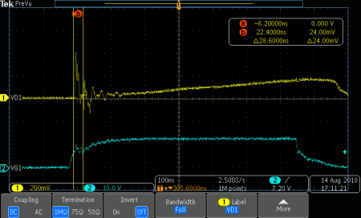
Voltage across Rcs
Current Sense Resistor, RCS
Estimate Current Sense Filter Delay | TD_CS_filter = | 150.000 | ns | ≈ROPP*CCS
Recommended Current Sense Resistor | RCS_rec = | 0.563 | Ω
Actual Current Sense Resistor | RCS_act = | 0.560 | Ω | Enter an asumption value, or measure the waveform on Rcs during Vin_max and no load
Current Sense Resistor Used in Calculations | RCS = | 0.560 | Ω
VGS of low-side MOSFET
RMS Current on RCS Resistor | iQL_RMS = | 0.511 | A
Power Loss on RCS | PRcs = | 0.146 | W

OPP Programming Resistor
Recommended OPP Resistor | R_OPP_rec = | 1401.687 | Ω
Actual OPP Resistor | R_OPP_act = | 2750.000 | Ω
OPP Resistor Used in Calculations | R_OPP = | 2750.000 | Ω
Maximum Current Sense Capacitance | CCS_max = | 54.545 | pF
Actual Current Sense Capacitance | CCS_act = | 47.000 | pF
Current Sense Capacitance Used in Calculations | CCS = | 47.000 | pF
Actual Current Sense Filter Delay | TD_CS_filter_act = | 129.250 | ns

RDM Pin Setting
Recommended RDM Resistor | RDM_rec = | 61.412 | kΩ | 1% tolerance
Actual RDM Resistor | RDM_act = | 61.900 | kΩ
RDM Resistor Used in Calculations | RDM = | 61.900 | kΩ

RTZ Pin Setting
Transition Time for ZVS | TZ_min = | 782.598 | ns
Recommended RTZ Resistor | RTZ_rec = | 494.255 | kΩ
Actual RTZ Resistor | RTZ_act = | 499.000 | kΩ
RTZ Resistor Used in Calculations | RTZ = | 499.000 | kΩ

BUR Pin Setting
Target Threshold Voltage | VCST_BUR = | 0.328 | V
Recommended RBUR2_rec Resistor | RBUR2_rec = | 59.628 | kΩ
Actual RBUR2_act Resistor | RBUR2_act = | 59.619 | kΩ
RBUR2 Resistor Used in Calculations | RBUR2 = | 59.619 | kΩ
Recommended RBUR1_rec Resistor | RBUR1_rec = | 167.859 | kΩ
Actual RBUR1_act Resistor | RBUR1_act = | 169.000 | kΩ
RBUR1 Resistor Used in Calculations | RBUR1 = | 169.000 | kΩ
BUR Pin Voltage | VBUR = | 1.304 | V
Maximum CBUR Capacitance | CBUR_max = | 302.538 | pF
Actual CBUR Capacitance | CBUR_act = | 250.000 | pF
CBUR Capacitance Used in Calculations | CBUR = | 250.000 | pF

Damping Network for Depletion FET
Minimum Capacitance | CSWS_min = | 18.461 | pF
Actual Capacitance | CSWS_act = | 22.000 | pF
Capacitance Used in Calculations | CSWS = | 22.000 | pF
Minimum Resistor | RSWS_min = | 121.716 | Ω
Actual Resistor | RSWS_act = | 124.000 | Ω
Resistor Used in Calculations | RSWS = | 124.000 | Ω

Decoupling Cap of Internal Regulator
Minimum RHVG Resistor | RHVG_min = | 133.333 | kΩ | Affects standby power
Actual RHVG resistor | RHVG_act = | 1.000 | MΩ | 1MΩ recommended
RHVG Resistor Used in Calculations | RHVG = | 1.000 | MΩ
Minimum CHVG Capacitance | CHVG_min = | 1.465 | nF | 20%tolerance
Actual CHVG Capacitance | CHVG_act = | 2.200 | nF | 2.2nF recommended
CHVG Capacitance Used in Calculations | CHVG = | 2.200 | nF
Minimum CREF Capacitance | CREF_min = | 0.055 | µF | 20% tolerance
Actual CREF Capacitance | CREF_act = | 0.100 | µF | 0.1µF recommended
CREF Capacitance Used in Calculations | CREF = | 0.100 | µF

VDD Supply for Driver
Minimum Boot Capacitance | Cboot_min = | 2.276 | nF
Maximum Boot Capacitance | Cboot_max = | 15.094 | nF
Boot Capacitance Used in Calculations | Cboot = | 10.000 | nF | For high side driver
Minimum CDD2 | CDD2_min = | 0.100 | µF | Suggested 10*Cboot
CDD2 Used in Calculations | CDD2 = | 0.100 | µF | CDD2 Should use smaller value, if use extra circuit to reduce standby power loss (UCC28780EVM-002 use 0.044uF)
Minimum RDD2 | RDD2_min = | 5.600 | Ω | Suggested 10*RCS
RDD2 Used in Calculations | RDD2 = | 5.600 | Ω

AUX Power on Primary Side
Output Voltage Reflect to Auxiliary Winding | VDD = | 22.750 | V
Minimum RDD1 | RDD1_min = | 10.360 | Ω
Actual RDD1 | RDD1_act = | 10.500 | Ω
RDD1 Used in Calculations | RDD1 = | 10.500 | Ω
Require Time on HVG Pin | THVG = | 0.167 | ms
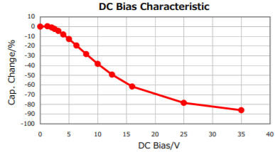
Vout Startup Time | TSS_max = | 42.474 | ms
CDD1 DC Bias Derating | Drea_CDD1 = | 70.000 | %
Recommended CDD1 Capacitance | CDD1_rec = | 81.975 | µF
Actual CDD1 Capacitance | CDD1_act = | 88.000 | µF
CDD1 Capacitance Used in Calculations | CDD1 = | 88.000 | µF

Optocoupler Feedback
Maximum Feedback Pin Resistor | RFB_max = | 46.667 | kΩ
Actual Feedback Pin Resistor | RFB_act = | 22.100 | kΩ | smaller resistance move low frequency pole to higher frequency for better response in ABM
Feedback Pin Resistor Used in Calculations | RFB = | 22.100 | kΩ
Recommended CFB | CFB = | 100.000 | pF
Recommended RCOMP | RCOMP= | 1.000 | MΩ | Suggested start from 1M, can reduce to improve ABM stability, but no smaller than 510 k, or will affect start up and OPP
Recommended Bias Resistor 2 | Rbias2_rec = | 14.286 | kΩ | Rbias2 to supply shunt regulator when opto-coupler is cut off
Actual Bias Resistor 2 | Rbias2_act = | 14.300 | kΩ
Bias Resistor 2 Used in Calculations | Rbias2 = | 14.300 | kΩ
Maximum Bias Resistor 1 During SBP mode | Rbias1_max_SBP = | 59.969 | kΩ
Maximum Bias Resistor 1 During ABM mode | Rbias1_max_ABM = | 16.000 | kΩ
Minimum for Rbias1 | Rbias1_min = | 0.092 | kΩ
Maximum for Rbias1 | Rbias1_max = | 16.000 | kΩ
Rbias1 Used in Calculations | Rbias1 = | 11.000 | kΩ

Voltage Divider for Shunt Regulator
Shunt Regulator Part Number | ATL431
Recommended Maximum RVo2 Resistor | Rvo2_rec_max = | 33.333 | kΩ
Actual RVo2 Resistor | Rvo2_act = | 32.400 | kΩ
RVo2 Resistor Used in Calculations | Rvo2 = | 32.400 | kΩ
Recommended RVo1 Resistor | Rvo1_rec = | 382.171 | kΩ
Actual RVo1 Resistor | Rvo1_act = | 383.000 | kΩ
RVo1 Resistor Used in Calculations | Rvo1 = | 383.000 | kΩ
Typical Output Voltage | Vo_typ = | 32.064 | V

Frequency Compensation Network
Ripple Regulation in ABM
Recommended Cdiff | Cdiff_rec = | 4.611 | nF
Actual Cdiff | Cdiff_act = | 4.700 | nF
Cdiff Used in Calculations | Cdiff = | 4.700 | nF
Recommended Rdiff | Rdiff_rec = | 498.076 | Ω
Actual Rdiff | Rdiff_act = | 499.000 | Ω
Rdiff Used in Calculations | Rdiff = | 499.000 | Ω
Loop Stability in AAM
Recommended Cint | Cint_rec = | 0.104 | nF
Actual Cint | Cint_act = | 0.100 | nF
Cint Used in Calculations | Cint = | 0.100 | nF
Rint Used in Calculations | Rint = | 0.000 | Ω

Schematic and Values
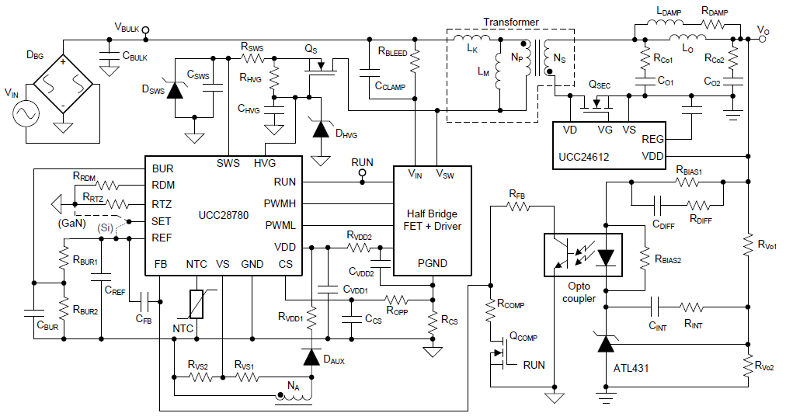

 |  |  |  |  | Secondary resonance in another tab

RECOMMENDED Values (Primary Resonance)
Reference Designator | Description/Comments

RCS | Value: | 0.560 | Ω | ±1%
 | Power Dissipation: | 0.146 | W

RFB | Value: | 22.1 | kΩ | ±1%

Rbleed | Value: | 6.6 | MΩ | ±1%

RVS1 | Value: | 48.7 | kΩ | ±1%

RVS2 | Value: | 9.31 | kΩ | ±1%

ROPP | Value: | 2750 | Ω | ±1%

RDM | Value: | 61.9 | kΩ | ±1%

RTZ | Value: | 499 | kΩ | ±1%

RBUR1 | Value: | 169 | kΩ | ±1%

RBUR2 | Value: | 59.619 | kΩ | ±1%

RSWS | Value: | 124 | Ω | ±1%

RHVG | Value: | 1 | MΩ | ±1%

RDD2 | Value: | 5.6 | Ω | ±1%

RDD1 | Value: | 10.5 | Ω | ±1%

RBias1 | Value: | 11 | kΩ | ±1%

RBias2 | Value: | 14.3 | kΩ | ±1%

RVo1 | Value: | 383 | kΩ | ±1%

RVo2 | Value: | 32.4 | kΩ | ±1%

RCOMP | Value: | 1 | MΩ | ±1%

Rdiff | Value: | 499 | Ω | ±1%

CBULK | Type: | Aluminum Electrolytic
...

Secondary Resonance
...
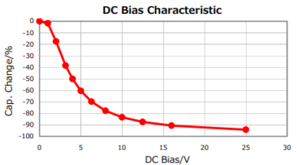
...
 |  |  | % | Capacitance derating base on output voltage
 |  |  | µF
 |  |  | µF | Need to fine tune based on scope waveform

 |  |  | µH
 |  |  | µH

Minimum LDAMP |  | 0.13 | µH | LDAMP > 0.13*Lo
LDAMP Used in Calculations |  | 0.68 | µH | Need to fine tune based on scope waveform
Minimum RDAMP |  | 0.28 | Ω | RDAMP>=√(Lo/Co1 )
RDAMP Used in Calculations |  | 0.67 | Ω

A. LDAMP Determination |  | LDAMP no smaller than | 0.13 | µH
 |  | Decrease LDAMP for stronger damping ==> Lower VCo1 ripple ==> stable Vgs(SR) ==> Lower efficiency

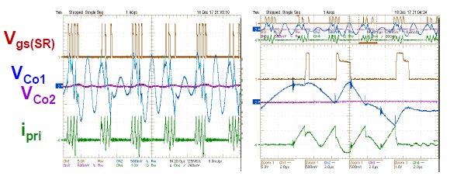
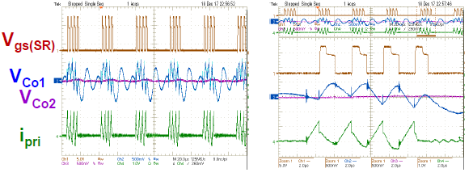

 |  | Higher Efficiency <==Unstable Vgs(SR) <==Higher VCo1 ripple <==Increase LDAMP for weaker damping

B. Co1 Determination
1.Capture transformer primary current ILr to fine tune, during low line and Io_max
2.Increase Co1 to extend resonant current, improve efficiency

 |  |  | Increase Co1

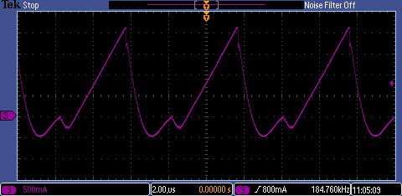
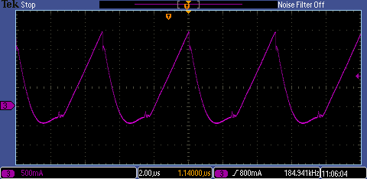

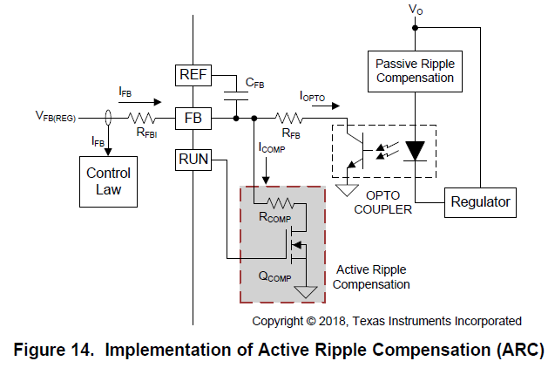
C. ARC Circuit
 | C. 1. RCOMP Determination |  |  |  | For reference, please see section 7.3.2 of the UCC28780 datasheet for more detail about ARC circuit.

 |  |  |  |  | Suggested start from 1MΩ, can reduce to improve ABM stability, but no smaller than 510kΩ, or will affect start up and OPP

 |  | Reduce RCOMP ==> Larger ICOMP ==> More stable ABM mode

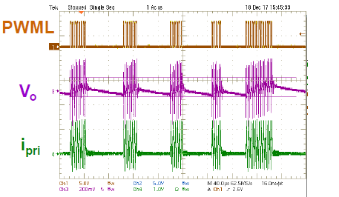
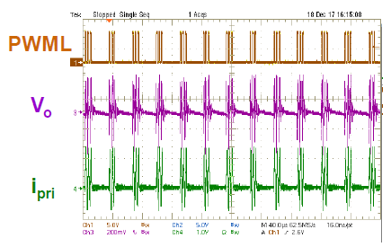

Burst Mode for USB-PD
 |  |  | Multi-Level Burst Mode Threshold Calculations for USB-PD Applications
 |  |  |  |  |  | (with Aux-winding structure shown below)

3 | Turns |  | Naux1=NA
13 | Turns
4 | Turns
169 | kΩ
20 | V | Vbur1 | 0.975 | V | 0.7V<Vbur1<2.4V |  | Vbur1-Vbur2>100 mV
5 | V | Vbur2 | 0.842 | V | 0.7V<Vbur2<2.4V
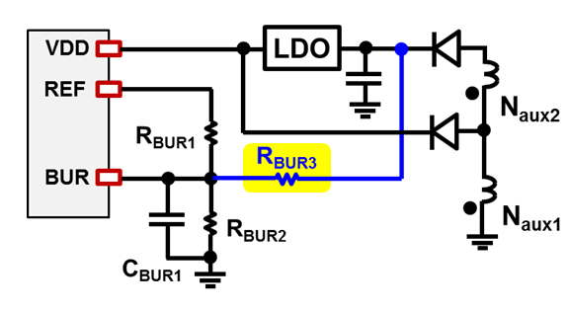
32.2 | kΩ
12.2 | MΩ
...

