Sheet1
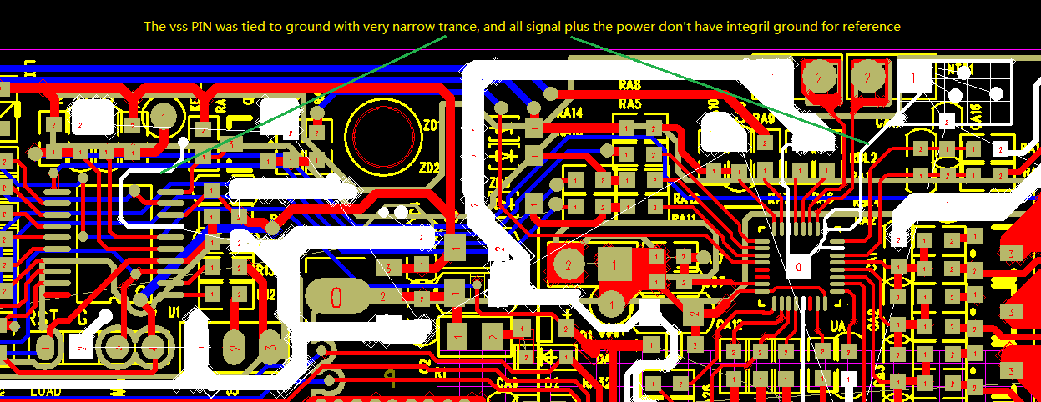
1:As we know, when we connected BMS debugger onto the battery, it disconnected every now and then, the GUI would display "No ACK" at left down corner;
we thought which was because of the bus conflict: there were 3 components in the i2c bus--MCU,BQ40Z50,BMS dubugger; maybe two master on this bus want to control the bus at the same time;
but today I observed some interesting appearance;
1): when all led was off/on(don't flash),the connection was very stable, GUI never display"No ACK";
 | 2): it lose connection just at the right time when led was turning on/off(flashing);
 | 3): As the schematic, the MCU and all LED shared the power--VCC_MCU,when led was turn on/off(flashing), there was obvious interferance on VCC-MCU, as below picture1;

 | So I conclude: this connection losing was just caused by LED's interferance;
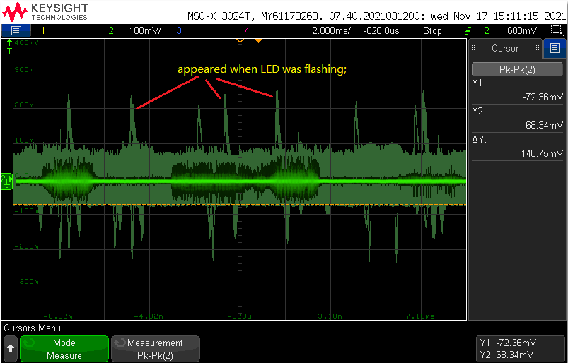

 |  | 1

2:when LED was turning off/on, there was obvious interferance on VC1,VC2,VC3,VC4 pin of BQ40Z50; as below picture2/3;

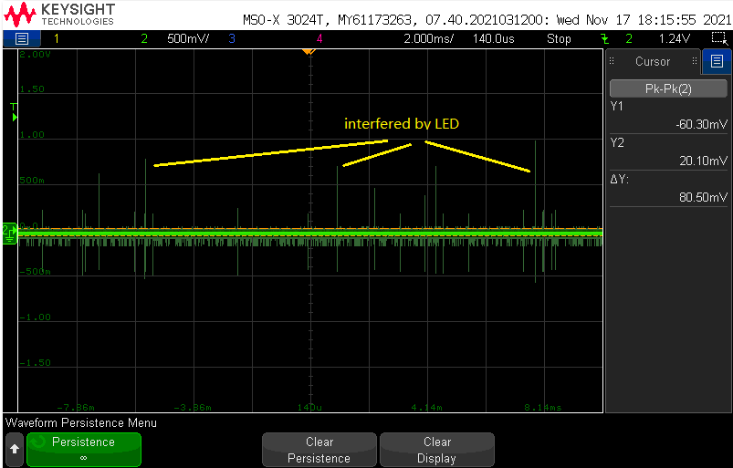
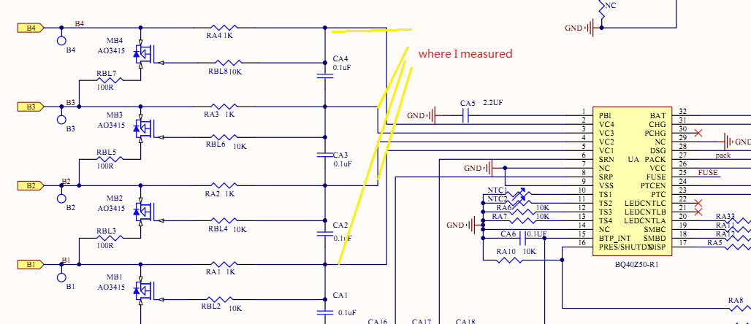

 |  | 2
 |  |  | 3
3:because we use 3 layer pcb, all signal and POWER don't has integril ground for referance, so the sensitive signal was very easy to be interfered;

