Calculation
UCC28780 Electrical Characteristics (from datasheet SLUSD12A)
Typical VDD Turn-off Threshold | VDD_off = | 9.8 | V | ds specs
Typical VDD Turn-on Threshold | VDD_on = | 17.5 | V | ds specs
Maximum Bias-Supply Operating Voltage | VDD_max = | 34 | V | ds recommendation
Offset to Power Cycle for Long Output Voltage Overshoot | VDD_PCT = | 1.0 | V | ds specs
VS Line-Sense Run Current | IVSL_run = | 365 | µA | ds specs
VS Pin Over-Voltage Threshold | VVS_OVP = | 4.5 | V | ds specs
Propagation Delay of CS Comparator High to PWML Low | tD_CS = | 15 | ns | ds specs
Maximum Threshold on CS Pin | VCST_max = | 0.8 | V | ds specs
Over-Power Threshold on CS Pin, at Ivsl = 0µA | VCST_OPP1 = | 0.6 | V | ds specs
Over-Power Threshold on CS Pin, at Ivsl = -1.25mA | VCST_OPP4 = | 0.425 | V | ds specs
VS Pin Negative-Clamp Level | Vs_clamp = | 0.250 | V | ds specs
Line-Compensation Current Ratio | KLC = | 25 | A/A | ds specs
RDM Pin Coefficient | KDM = | 5.00E+09 | F-1 | ds page 20
Ratio from VBUR to VCST | KBUR_CST = | 4 | V/V | ds specs
HVG Voltage Level | VHVG = | 10.5 | V | ds specs
VDD Supply Current, Run-state, Switching | IRUN_VDD = | 2.5 | mA | ds specs
VDD Supply Current, Wait-state | Iwait_VDD = | 0.4 | mA | ds specs
Delay from RUN High to PWML High | tD_RUN_PWML = | 2.2 | µs | typical
HVG Sink-Current During Start-up | Istart_HVG = | 90 | µA | ds specs
ΔV_{o(ABM)}
Δi_{FB(ABM)}
Sink-Current on VDD pin | IEN_VDD = | 1 | mA
Regulated FB Pull-up Voltage | VFB_max = | 4.3 | V | ds specs
FB Pin Pull-up Resistance | RFB_int = | 8.00E+03 | Ω | ds specs
Maximum Control FB Current (typ) | IFB_max = | 75 | µA | ds specs
Burst voltage ripple of VO when in ABM | ∆VO_ABM = | 100 | mV | Typically use 100mV or higher. Refer to the figure at the right >>>
Upper Threshold of Burst Frequency in ABM | fBUR_UP = | 34 | kHz | ds specs
Lower Threshold of Burst Frequency in ABM | fBUR_LR = | 25 | kHz | ds specs
Fault-Delay-Recovery Time | tFDR = | 1.5 | s | ds specs
Resonant Duty-Cycle Factor | KRES = | 6 | % | Estimate portion of maximum switching period for ZVS resonance, at low-line
Minimum ∆V for NA_min Design Margin | ∆V_MIN = | 3 | V | Margin added to VDD_off threshold to calculate minimum AUX turns
Maximum Voltage Spike (if any) on Output Rectifier | ΔVSPIKE_SR = | 30 | V | Estimate spike voltage due to inductive ringing
Voltage Above Reflected Output Voltage | ΔVCLAMP= | 20 | V | Estimate maximum increase in clamp voltage during LPM

Transformer Parameters
Minimum Primary-to-Secondary Turns Ratio | NPS_min = | 2.634
Maximum Primary-to-Secondary Turns Ratio | NPS_max = | 32.174
Primary-to-Secondary Turns Ratio Used in Calculations | NPS = | 28.000 |  | NPS_min < NPS < NPS_max
Primary Turns | NP = | 28 |  | Select the primary turns target
Minimum Recommended Secondary Turns | NS_rec = | 1.0
Secondary Turns Used in Calculations | NS = | 1 |  | (Recommended value rounded to nearest integer)
Minimum Auxiliary-Winding Turns | NA_min = | 2.8
Maximum Auxiliary-Winding Turns | NA_max = | 5.9
Auxiliary Winding Turns Used in Calculations | NA = | 3 |  | Choose integer turns: NA_min < NA < NA_max
VO Reflected to Primary Winding | VRfl = | 140 | V
Maximum Duty-Cycle | D_max = | 0.500
Recommended Primary Magnetizing Inductance | LM_rec = | 669 | µH
Actual Magnetizing Inductance | LM_act = | 650 | µH | Measured from transformer sample
Magnetizing Inductance Used in Calculations | LM = | 650 | µH
Actual Primary Leakage Inductance | LK_act= | 6.5 | µH | Measured from transformer sample
Estimated Transformer Efficiency | ηXFMR = | 0.960
Transformer Primary Winding Capacitance | CTr = | 10 | pF | Derived from self-resonant frequency of primary winding
DC Resistance of Primary Winding | Rpri_dc = | 0.600 | Ω | Measured from transformer sample

Switching Node Capacitance, CSW
Time-Based Output Capacitance of QH | COSS_QH_T = | 61 | pF | (at lowest bulk voltage)
Time-Based Output Capacitance of QL | COSS_QL_T = | 61 | pF | (at lowest bulk voltage)
Transformer Parasitic Capacitance | CTr = | 10 | pF
Bootstrap Diode Capacitance | CBootD_T = | 10 | pF
Depletion FET Output Capacitance | COSS_Qs = | 1.7 | pF
Secondary Side Reflected to Primary Side | Creflect = | 4 | pF
Total Equivalent Time-Based Capacitance of Switching Node | CSWN_T = | 149 | pF | (at lowest bulk voltage)

Clamp Capacitance
Expected Clamp Cap DC-Bias Reduction, in negative percent | Drea_clamp= | -20 | % | Initial capacitance is reduced by this percentage due to applied voltage
Recommended Clamp Cap Initial Capacitance | Cclamp_rec = | 0.157 | µF | Nominal recommended value includes adjustment for dc-bias effect
Actual Clamp Cap Nominal Capacitance Selected | Cclamp_act = | 0.47 | µF | Select closest standard value ≥ recommended value
Effective Clamp Capacitance under DC Bias | Cclamp_eff = | 0.376 | µF
Clamp-Cap Value Used in Calculations | Cclamp = | 0.376 | µF
Recommended Bleed Resistance | RBLEED_rec = | 2.229 | MΩ
Current of primary winding
Actual Bleed Resistance Selected | RBLEED_act = | 0.909 | MΩ
Bleed Resistance Used in Calculations | RBLEED = | 0.909 | MΩ

Resistor Divider of VS Pin
Recommended RVS1 | RVS1_rec = | 41.096 | kΩ
Actual RVS1 | RVS1_act = | 41.2 | kΩ | Enter nearest standard value, 1%
RVS1 Used in Calculations | RVS1 = | 41.2 | kΩ
Actual Brown-in (Start-up) Voltage | Vbrownin = | 140.4 | V | Verify with target on "Input Here" sheet (cell D20)
Recommended RVS2 | RVS2_rec = | 14.541 | kΩ
Actual RVS2 | RVS2_act = | 14.7 | kΩ | Enter nearest standard value, 1%
RVS2 Used in Calculations | RVS2 = | 14.7 | kΩ
Actual OVP Level, in Percent of Output Voltage | OVP = | 114.1 | % | Verify with target on "Input Here" sheet (cell D29)
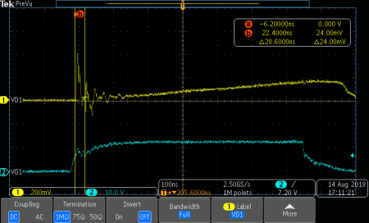
Voltage across Rcs
VGS of low-side MOSFET
Current-Sense Resistor, RCS
Estimate Delay from Current-Sense Filtering | TD_CS_filter = | 25 | ns | ≈ ROPP x CCS
Recommended Current-Sense Resistor | RCS_rec = | 0.802 | Ω
Actual Current-Sense Resistor | RCS_act = | 1.000 | Ω | Enter value ≤ recommended value, 1% (not too much less)
Current-Sense Resistor Used in Calculations | RCS = | 1.000 | Ω
Maximum RMS Current in RCS Resistor | iQL_RMS = | 0.300 | A
Maximum Power Loss in RCS | PRcs = | 0.090 | W

OPP Programming Resistor
Recommended OPP Resistor | R_OPP_rec = | 1461 | Ω
Actual OPP Resistor | R_OPP_act = | 1470 | Ω | Enter nearest standard value, 1%
OPP Resistor Used in Calculations | R_OPP = | 1470 | Ω
Maximum Current-Sense Capacitance | CCS_max = | 17 | pF
Actual Current-Sense Capacitance | CCS_act = | 47 | pF | C0G is recommended
Current-Sense Capacitance Used in Calculations | CCS = | 47 | pF
Actual Current-Sense Filter Delay | TD_CS_filter_act = | 69.1 | ns | Check against D85. Iterate D85, D94, D97 to converge close enough.

RDM Pin Setting
Recommended RDM Resistor | RDM_rec = | 91.6 | kΩ | 1% tolerance
Actual RDM Resistor | RDM_act = | 91.6 | kΩ | Enter nearest standard value, 1%
RDM Resistor Used in Calculations | RDM = | 91.6 | kΩ

RTZ Pin Setting
Transition Time for ZVS | TZ_min = | 533 | ns
Recommended RTZ Resistor | RTZ_rec = | 608.5 | kΩ
Actual RTZ Resistor | RTZ_act = | 680 | kΩ | Enter nearest standard value, 1%
RTZ Resistor Used in Calculations | RTZ = | 680 | kΩ

BUR Pin Setting
Target Threshold Voltage at CS Input | VCST_BUR = | 0.457 | V
Equivalent BUR Voltage Target Based on VCST_BUR | VBUR_tgt = | 1.828 | V
Recommended RBUR2_rec Resistor | RBUR2_rec = | 64.22 | kΩ | Assumes 110mV hysteresis at ABM to LPM due to 2.7µA hysteresis current
Actual RBUR2_act Resistor | RBUR2_act = | 60.4 | kΩ | Enter nearest standard value, 1%
RBUR2 Resistor Used in Calculations | RBUR2 = | 60.4 | kΩ
Recommended RBUR1_rec Resistor | RBUR1_rec = | 104.80 | kΩ
Actual RBUR1_act Resistor | RBUR1_act = | 100 | kΩ | Enter nearest standard value, 1%
RBUR1 Resistor Used in Calculations | RBUR1 = | 100 | kΩ
Actual BUR Pin Voltage | VBUR = | 1.883 | V | Should be close to VBUR target at D112
Maximum CBUR Capacitance | CBUR_max = | 354 | pF
Actual CBUR Capacitance | CBUR_act = | 330 | pF | C0G is recommended
CBUR Capacitance Used in Calculations | CBUR = | 330 | pF

Damping Network for Depletion FET
Recommended Capacitance on SWS | CSWS_rec = | 26 | pF
Actual Capacitance | CSWS_act = | 22 | pF | C0G is recommended
Capacitance Used in Calculations | CSWS = | 22 | pF
Calculated Resistance in Series with Source to SWS | RSWS_rec = | 122 | Ω | (Minimum value)
Actual Resistor | RSWS_act = | 121 | Ω | Between 470 and 510 ohm is recommended
Resistor Used in Calculations | RSWS = | 121 | Ω

Decoupling Cap of Internal Regulator
Minimum RHVG Resistor | RHVG_min = | 133.3 | kΩ | (Actual value affects stand-by power)
Actual RHVG resistor | RHVG_act = | 0.909 | MΩ | 1MΩ is recommended
RHVG Resistor Used in Calculations | RHVG = | 0.909 | MΩ
Minimum CHVG Capacitance | CHVG_min = | 1.459 | nF | 20% tolerance
Actual CHVG Capacitance | CHVG_act = | 2.2 | nF | 2.2nF, C0G or X7R is recommended
CHVG Capacitance Used in Calculations | CHVG = | 2.2 | nF
Minimum CREF Capacitance | CREF_min = | 0.055 | µF | 20% tolerance
Actual CREF Capacitance | CREF_act = | 0.1 | µF | 0.1µF, X7R is recommended
CREF Capacitance Used in Calculations | CREF = | 0.1 | µF

Bias Supply for Driver VDD
Minimum "Boot-Strap" Capacitance | Cboot_min = | 12 | nF
Maximum "Boot-Strap" Capacitance | Cboot_max = | 40 | nF
Boot Capacitance Used in Calculations | Cboot = | 33 | nF | For high side driver
Minimum CDD2 | CDD2_min = | 0.330 | µF | Suggested 10*Cboot
CDD2 Used in Calculations | CDD2 = | 1 | µF | CDD2 can use smaller value if use extra circuit to reduce standby power loss (UCC28780EVM-002 uses 0.044uF)
Minimum RDD2 | RDD2_min = | 10.0 | Ω | Recommend ≥ 10*RCS
RDD2 Used in Calculations | RDD2 = | 10 | Ω

AUX Power on Primary Side
Output Voltage Reflected to Auxiliary Winding | VDD = | 13.75 | V
Minimum Recommended RDD1 | RDD1_min = | 3.2 | Ω
Actual RDD1 | RDD1_act = | 3.3 | Ω
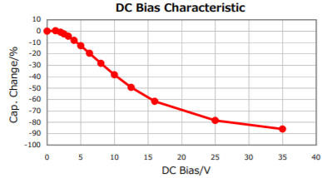
RDD1 Used in Calculations | RDD1 = | 3.3 | Ω
Approximate Time for VHVG to Settle to Regulation After Start-Up | THVG = | 0.167 | ms
VO Rise Time to Regulation | TSS_max = | 11.2 | ms | Estimated with no external load applied.
Reduction Factor, in Negative Percent, for CDD1 due to DC-Bias Effect | Drea_CDD1 = | -20 | % | Initial capacitance is reduced by this percentage due to applied voltage
Recommended CDD1 Nominal Capacitance | CDD1_rec = | 8.3 | µF | Nominal recommended value includes adjustment for dc-bias effect
Actual CDD1 Capacitance | CDD1_act = | 4.7 | µF | Select standard value ≥ recommended
CDD1 Capacitance Used in Calculations | CDD1 = | 4.7 | µF

Optocoupler Feedback
Maximum FB Pin Resistor | RFB_max = | 46.7 | kΩ
Actual FB Pin Resistor | RFB_act = | 22 | kΩ | ~20kΩ is recommended
FB Pin Resistance Used in Calculations | RFB = | 22 | kΩ
Recommended CFB | CFB = | 100 | pF
Recommended RCOMP | RCOMP= | 1.0 | MΩ | Suggested start from 1MΩ; can reduce to improve ABM stability, but no smaller than 510kΩ or will affect start up and OPP
Recommended Bias Resistor2 | Rbias2_rec = | 14.3 | kΩ | Rbias2 to supply shunt regulator when opto-coupler is cut off
Actual Bias Resistor2 | Rbias2_act = | 14.7 | kΩ
Bias Resistor2 Used in Calculations | Rbias2 = | 14.7 | kΩ
Maximum Bias Resistor1 During SBP mode | Rbias1_max_SBP = | 3.4 | kΩ
Maximum Bias Resistor1 During ABM mode | Rbias1_max_ABM = | 16.0 | kΩ
Maximum for Rbias1 | Rbias1_max = | 3.4 | kΩ
Minimum for Rbias1 | Rbias1_min = | 2.1 | kΩ
Rbias1 Used in Calculations | Rbias1 = | 3.3 | kΩ

Voltage-Divider for Shunt Regulator
Shunt Regulator Part Number (for reference) | ATL432
Recommended Maximum RVo2 Resistor | Rvo2_rec_max = | 33.3 | kΩ
Actual RVo2 Resistor | Rvo2_act = | 30.5 | kΩ | Enter nearest standard value, 1%
RVo2 Resistor Used in Calculations | Rvo2 = | 30.5 | kΩ
Recommended RVo1 Resistor | Rvo1_rec = | 30.5 | kΩ
Actual RVo1 Resistor | Rvo1_act = | 30.5 | kΩ | Enter nearest standard value, 1%
RVo1 Resistor Used in Calculations | Rvo1 = | 30.5 | kΩ
Typical Output Voltage | Vo_typ = | 5.001 | V | Result should match original target VO closely (see "Input Here" sheet, cell D28)

Frequency Compensation Networks
Ripple-Regulation in ABM
Recommended Cdiff | Cdiff_rec = | 15.3 | nF
Actual Cdiff | Cdiff_act = | 22 | nF | C0G or X7R is recommended
Cdiff Used in Calculations | Cdiff = | 22 | nF
Recommended Rdiff | Rdiff_rec = | 106 | Ω
Actual Rdiff | Rdiff_act = | 121 | Ω
Rdiff Used in Calculations | Rdiff = | 121 | Ω
Loop Stability in AAM
Recommended Cint | Cint_rec = | 26.1 | nF
Actual Cint | Cint_act = | 22 | nF | X7R is recommended
Cint Used in Calculations | Cint = | 22 | nF
Rint Used in Calculations | Rint = | 0 | Ω | (This value not calculated at this time.)

Schematic and Values
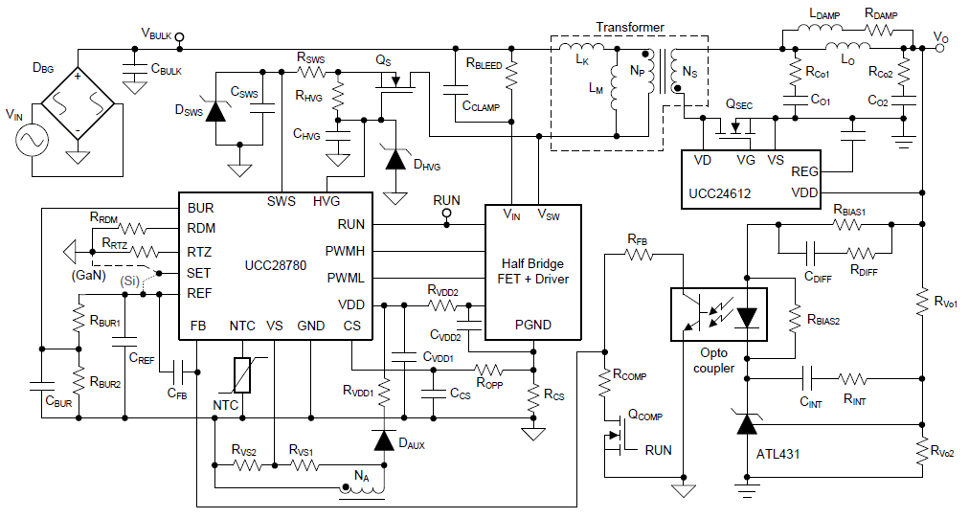

 |  |  |  |  | Secondary-side Resonance in another tab

SELECTED Values (Primary-Side Resonance)
Reference Designator | Description/Comments

RCS | Value: | 1.000 | Ω | ±1%
 | Max Power Dissipation: | 0.090 | W

RFB | Value: | 22 | kΩ | ±1%

RBLEED | Value: | 0.909 | MΩ

RVS1 | Value: | 41.2 | kΩ | ±1%

RVS2 | Value: | 14.7 | kΩ | ±1%

ROPP | Value: | 1470 | Ω | ±1%

RDM | Value: | 91.6 | kΩ | ±1%
...

Secondary Resonance and ARC
Secondary Resonance and Active Ripple Compensation (ARC) Circuits
Sec - Res
ARC

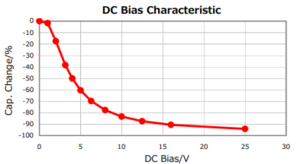
 |  |  |  |  |  |  |  |  | Example graph of severe reduction. Use actual cap data.
Assume CCLAMP >> CO1 / NPS2, and clamp voltage is constant
Part Number(s) for CO1 (for ref) |  |  | C3216JB1E336M160AC
DC-Bias Reduction at Design VO |  |  | -10 |  | % | Capacitance change (negative) based on output voltage
Recommended CO1 |  |  | 254 |  | µF | (may be multiple parallel caps)
CO1 Used in Calculation |  |  | 330 |  | µF | Need to fine tune, based on scope waveform

Recommended Minimum LO |  |  | -0.01 |  | µH
LO Used in Calculations |  |  | 0.47 |  | µH

Minimum LDAMP |  |  | 0.0611 |  | µH | LDAMP > 0.13*LO
LDAMP Used in Calculations |  |  | 0.15 |  | µH | Need to tune value based on waveforms, as below
Minimum RDAMP |  |  | 0.04 |  | Ω | RDAMP ≥ √(LO/CO1) |  |  | Note: Larger MLCC case sizes exhibit less DC-Bias effect.
RDAMP Used in Calculations |  |  | 0.22 |  | Ω

A. LDAMP Determination |  |  | LDAMP no smaller than |  | 0.0611 | µH
Trade off stability with efficiency: |  |  | Decrease LDAMP for stronger damping ==> Lower VCo1 ripple ==> Stable Vgs(SR) ==> Lower efficiency (by 10ths of %)

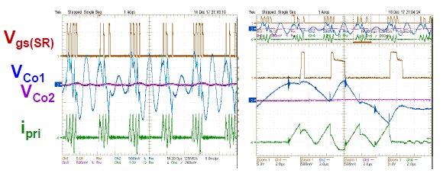
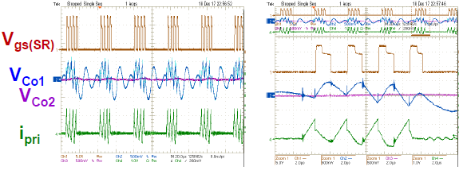

 |  |  | Higher Efficiency <== Unstable Vgs(SR) <== Higher VCo1 ripple <== Increase LDAMP for weaker damping

B. CO1 Adjustment
1. Capture transformer primary current ILr to fine tune CO1 value, during low line and Io_max
2. Increase CO1 to extend resonant current, improve efficiency (spreads width, reduces peak and rms value)

 |  |  |  |  | Increase CO1

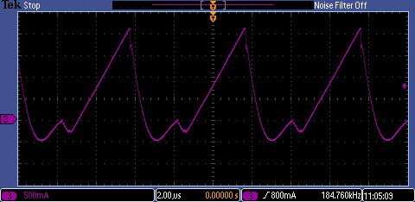
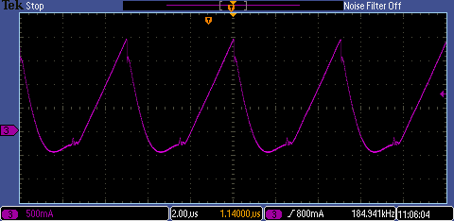

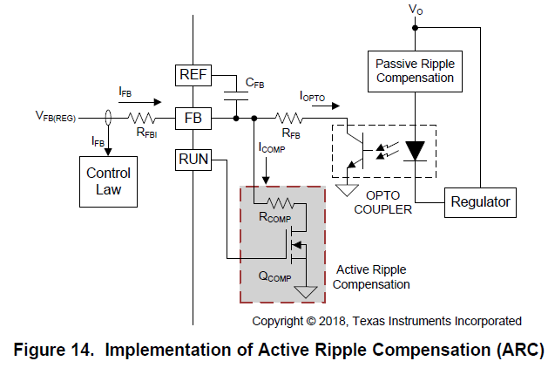
C. ARC Circuit
 | C. 1. RCOMP Determination |  |  |  |  |  |  | For reference, please see Section 7.3.2 of the UCC28780 datasheet for more detail about the ARC circuit.

 |  |  |  |  |  |  |  | Suggested start with RCOMP = 1MΩ, can reduce value to improve ABM stability, but no smaller than 510kΩ, or will affect start up and OPP

 |  |  |  | Reduce RCOMP ==> Larger ICOMP ==> More stable ABM mode

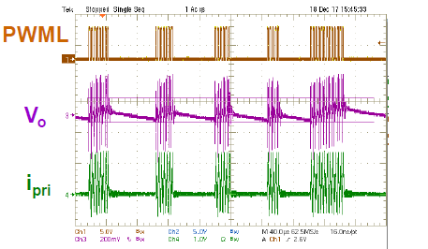
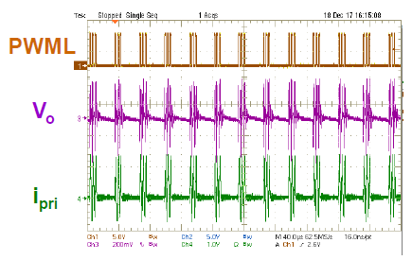

 |  | Variable Burst Packets |  |  |  |  | Consistent Burst Packets

Burst Mode for USB-PD
...
 | (with Aux-winding arrangement shown below)

3 | Turns |  | Note: Naux1 = NA
3 | Turns
1 | Turns
100.0 | kΩ |  |  |  |  | Keep:
5.25 | V | VBUR1 = | 1 | V | 0.7V < VBUR1 < 2.4V |  | Keep: VBUR1 - VBUR2 > 100 mV
4.85 | V | VBUR2 = | 1 | V | 0.7V < VBUR2 < 2.4V
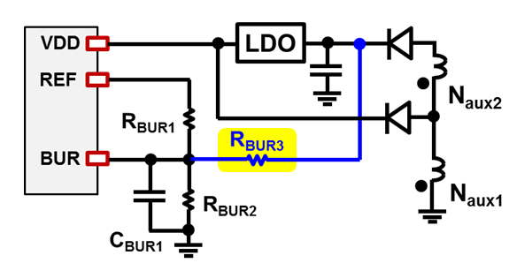
25.0 | kΩ
#DIV/0! | MΩ
...

