TPS25751S
Pin name | Pin Number | Description | Min | Typ | Max | Comment | Done
Decoupling caps
LDO_1V5 | 4 | Bypass with appropriate capacitor Output of internal 1.5V regulator Pin cannot source current to external circuits | 4.5uF | 4.7uF | 12uF
LDO_3V3 | 1 | Bypass with appropriate capacitor Output of internal 3.3V regulator | 5uF | 10uF | 25uF
VIN_3V3 | 32 | Input to internal 3.3V regulator Bypass with appropriate capacitor | 5uF | 10uF
PP5V | 28, 29 | Bypass with appropriate capacitor, ground pin if unused | 120uF |  |  | PP5V used for 5-V Source and VCONN
 |  |  |  | 10uF |  | PP5V used for VCONN only
VSYS | 19 | High-voltage sinking node in the system. It is used to implement reversecurrent-protection (RCP) for the external sinking paths controlled by GATE_VSYS. |  | 47uF | 100uF | Bulk capacitance. Does not need to be connected directly to VSYS pin
VBUS | 26, 27 | Add Schottkey diode and place it close to the pin to conduct large GND currents Add TVS diode (TVS2200 ) to protect the pin from higher voltage spikes Port side VBUS bypass with appropriate capacitor, tie to ground if unused | 1uF | 4.7uF | 10uF
Application Specific Pins
I2Ct_SCL | 9 | I2C target serial clock input. Tie to LDO3V3 through a pullup resistor. May be grounded if unused. | 2.2KΩ | 3.3KΩ | 10KΩ
I2Ct_SDA | 8 | I2C target serial data. Open-drain input/output. Tie to LDO3V3 through a pullup resistor. May be grounded if unused. | 2.2KΩ | 3.3KΩ | 10KΩ
I2Ct_IRQ | 10 | I2C target interrupt. Active low. Tie to LDO3V3 through a pullup resistor. Pin can be re-configured to GPIO10. Tie to ground when unused. |  | 10KΩ
I2Cc_SCL | 16 | I2C controller serial clock. Open-drain output. Tie to LDO3V3 through a resistor. Connect to I2C Flash if present. Can be grounded if unused. | 2.2KΩ | 3.3KΩ | 10KΩ
I2Cc_SDA | 15 | I2C controller serial data. Open-drain input/output. Tie to LDO3V3 through a pullup resistor. Connect to I2C Flash if present. Can be grounded if unused. | 2.2KΩ | 3.3KΩ | 10KΩ
I2Cc_IRQ | 17 | I2C controller interrupt. Active low. Tie to LDO3V3 through a pullup resistor. Do NOT tie to GND when used or unused. Tie to LDO3V3 through a pullup resistor when unused. Pin can be re-configured to GPIO12. |  | 10KΩ
ADCIN1 | 2 | Configuration input. Connect to a resistor divider to LDO_3V3. The resistors in the voltage divider network need to be 1% The ratios values have to be in the middle of the range | Refer Datasheet
ADCIN2 | 3 | Configuration input. Connect to a resistor divider to LDO_3V3. The resistors in the voltage divider network need to be 1% The ratios values have to be in the middle of the range | Refer Datasheet
GATE_VSYS | 20 | Connect to the Gate of N-ch MOSFET that has source tied to VSYS.
GATE_VBUS | 21 | Connect to the Gate of N-ch MOSFET that has source tied to VBUS.
CC1/CC2 | 24, 25 | Connected to Type-C connector, add an ESD protection device and appropriate capacitor | 200pF | 220pF w/ Prot 330pF w/o Prot | 480pF
GPIOs
GPIO0 | 5 | General purpose digital I/O. Tie to ground when unused.
GPIO1 | 6 | General purpose digital I/O. Tie to ground when unused.
GPIO2 | 7 | General purpose digital I/O. Tie to ground when unused.
GPIO3 | 18 | General purpose digital I/O. Tie to ground when unused
GPIO4/USB_P/LD1 | 22 | General purpose digital I/O. Tie to ground when unused. Pin can be connected to D+ for BC1.2 support. Pin can be connected for liquid detection on the Type-C connector. Tie to ground when pin is unused.
GPIO5/USB_N/LD2 | 23 | General purpose digital I/O. Tie to ground when unused. Pin can be connected to D- for BC1.2 support. Pin can be connected for liquid detection on the Type-C connector. Tie to ground when pin is unused.
GPIO6 | 31 | General purpose digital I/O. Tie to ground when unused.
GPIO7 | 30 | General purpose digital I/O. Tie to ground when unused.
GPIO11 | 13 | General purpose digital I/O. Tie to ground when unused.
Ground
GND | 11, 12, 14 | Ground. Connect to ground plane.
Type-C Vbus connector
VBUS pins |  | Connect 10nF caps on each Vbus pins (A4, B4, A9, B9)
ESD protection
 |  | Add ESD protection as per the system requirements on all the pins connected to Type-C connector.
 |  | 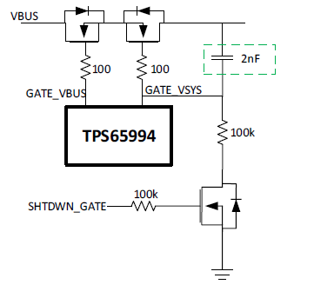

TPS26750 + TPD4S480
TPS26750
Pin name | Pin Number | Description | Min | Typ | Max | Comment | Done
Decoupling caps
LDO_1V5 | 4 | Bypass with appropriate capacitor Output of internal 1.5V regulator Pin cannot source current to external circuits | 4.5uF | 4.7uF | 12uF
LDO_3V3 | 1 | Bypass with appropriate capacitor Output of internal 3.3V regulator | 5uF | 10uF | 25uF
VIN_3V3 | 32 | Input to internal 3.3V regulator Bypass with appropriate capacitor | 5uF | 10uF
PP5V | 28, 29 | Bypass with appropriate capacitor, ground pin if unused | 120uF |  |  | PP5V used for 5-V Source and VCONN
 |  |  |  | 10uF |  | PP5V used for VCONN only
VBUS | 26, 27 | Connect to VBUS_LV of TPD4S480. Bypass with appropriate capacitor. |  | .1uF
Application Specific Pins
I2Ct_SCL | 9 | I2C target serial clock input. Tie to LDO3V3 through a pullup resistor. May be grounded if unused. | 2.2KΩ | 3.3KΩ | 10KΩ
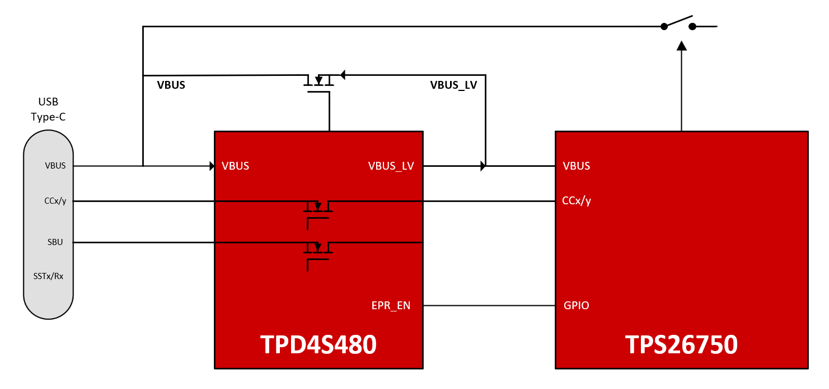
I2Ct_SDA | 8 | I2C target serial data. Open-drain input/output. Tie to LDO3V3 through a pullup resistor. May be grounded if unused. | 2.2KΩ | 3.3KΩ | 10KΩ
I2Ct_IRQ | 10 | I2C target interrupt. Active low. Tie to LDO3V3 through a pullup resistor. Pin can be re-configured to GPIO10. Tie to ground when unused. |  | 10KΩ
I2Cc_SCL | 16 | I2C controller serial clock. Open-drain output. Tie to LDO3V3 through a resistor. Connect to I2C Flash if present. Can be grounded if unused. | 2.2KΩ | 3.3KΩ | 10KΩ
I2Cc_SDA | 15 | I2C controller serial data. Open-drain input/output. Tie to LDO3V3 through a pullup resistor. Connect to I2C Flash if present. Can be grounded if unused. | 2.2KΩ | 3.3KΩ | 10KΩ
I2Cc_IRQ | 17 | I2C controller interrupt. Active low. Tie to LDO3V3 through a pullup resistor. Do NOT tie to GND when used or unused. Tie to LDO3V3 through a pullup resistor when unused. Pin can be re-configured to GPIO12. |  | 10KΩ
ADCIN1 | 2 | Configuration input. Connect to a resistor divider to LDO_3V3. The resistors in the voltage divider network need to be 1% The ratios values have to be in the middle of the range | Refer Datasheet
ADCIN2 | 3 | Configuration input. Connect to a resistor divider to LDO_3V3. The resistors in the voltage divider network need to be 1% The ratios values have to be in the middle of the range | Refer Datasheet
VSYS | 19 | Tie to GND. Used as a reference for POWER_PATH_EN.
POWER_PATH_EN | 20 | Power path enable for external load swith. Leave floating when unused. This is NOT a logic voltage level output.
CC1/CC2 | 24, 25 | Connected to Type-C connector, add an ESD protection device and appropriate capacitor. CC caps placed between TPS26750 and TPD4S480 | 200pF | 220pF | 480pF
GPIOs
EPR_EN | x | Ensure one GPIO is allocated for the EPR_EN GPIO event. TPS26750 EPR_EN GPIO must be tied to EPR_EN TPD4S480 pin.
GPIO0 | 5 | General purpose digital I/O. Tie to ground when unused.
GPIO1 | 6 | General purpose digital I/O. Tie to ground when unused.
GPIO2 | 7 | General purpose digital I/O. Tie to ground when unused.
GPIO3 | 18 | General purpose digital I/O. Tie to ground when unused
GPIO4/USB_P/LD1 | 22 | General purpose digital I/O. Tie to ground when unused. Pin can be connected to D+ for BC1.2 support. Pin can be connected for liquid detection on the Type-C connector. Tie to ground when pin is unused.
GPIO5/USB_N/LD2 | 23 | General purpose digital I/O. Tie to ground when unused. Pin can be connected to D- for BC1.2 support. Pin can be connected for liquid detection on the Type-C connector. Tie to ground when pin is unused.
GPIO6 | 31 | General purpose digital I/O. Tie to ground when unused.
GPIO7 | 30 | General purpose digital I/O. Tie to ground when unused.
GPIO11 | 13 | General purpose digital I/O. Tie to ground when unused.
Ground
GND | 11, 12, 14, 19, 21 | Ground. Connect to ground plane.
Type-C Vbus connector
VBUS pins |  | Connect 10nF caps on each Vbus pins (A4, B4, A9, B9)
ESD protection
 |  | Add ESD protection as per the system requirements on all the pins connected to Type-C connector.

TPS4S480
Pin name | Pin Number | Description | Min | Typ | Max | Comment | Done
Decoupling caps
VBIAS | 3 | Pin for ESD support capacitor. Place a 0.1-uF cpacitor on this pin to ground | 0.04uF | 0.1uF
VPWR | 10 | 2.7-V to 4.5-V power supply. Bypass with appropriate capacitor. | 0.3uF | 1uF
VBUS_LV | 19 | Output of EPR VBUS divider. Bypass with appropriate capacitor. |  | .1uF
VBUS | 20 | Input for EPR VBUS divider. Add Schottkey diode and place it close to the pin to conduct large GND currents Add TVS diode (TVS5200 ) to protect the pin from higher voltage spikes Port side VBUS bypass with appropriate capacitor, tie to ground if unused | 1uF | 4.7uF | 10uF
Application Specific Pins
RPD_G2 | 6 | Short to C_CC2 if dead battery resistors are needed. If dead battery resistors are not needed, short pin to GND.
RPD_G1 | 7 | Short to C_CC1 if dead battery resistors are needed. If dead battery resistors are not needed, short pin to GND.
Ground
GND | 8,13,18, Thermal Pad | Ground. Connect to ground plane.

Liquid Detection
TPS25751/TPS26750
Pin name | Pin Number | Description | Min | Typ | Max | Comment | Done
GPIOs
GPIOx |  | General purpose digital I/O configured to drive pull-up PFETs for liquid detection. Connect to gates of PMOS. Use any unused GPIO. Recommend using 100k pull-up to LDO3V3 to bias the FETs.
GPIOy |  | General purpose digital I/O configured to drive pull-down NFET for liquid detection. Connect to gates of NMOSFETs. Use any unused GPIO. Recommend using 100k pull-down to GND to bias the FETs.
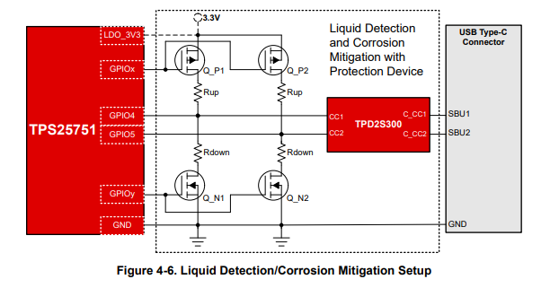
GPIO4/LD1 | 26 | Liquid detection sense pin for SBU1. Connect to center of liquid detection divider. Connect to USB Type-C connector SBU1/2 pin through TPD2S300.
GPIO5/LD2 | 27 | Liquid detection sense pin for SBU1. Connect to center of liquid detection divider. Connect to USB Type-C connector SBU2/1 pin through TPD2S300.
Short-to-VBUS protection

TPD2S300
Pin name | Pin Number | Description | Min | Typ | Max | Comment | Done
C_CC1 | A1 | Connect to SBUy pin of USB Type-C Connector
VBIAS | A2 | Pin for ESD support capacitor. Place a 0.1-µF capacitor on this pin to ground
C_CC2 | A3 | Connect to SBUx pin of USB Type-C Connector
CC1 | B1 | Connect to GPIO4/LD1
GND | B2 | Ground
CC2 | B3 | Connect to GPIO5/LD2
FLT | C1 | Tie to GPIO4 or GPIO5(only one) for overvoltage protection detection
VPWR | C2 | 2.7 V–4.5 V power supply, tie to LDO3V3
VM | C3 | Voltage mode pin. Place 2.7 V–4.5 V on pin to operate for CC, PD, and FRS. Place 8.7 V–22 V on pin to operate the device in low resistance mode as well

*Liquid Detection only supported by TPS25751 and TPS26750

Disclaimer


