Fan stall
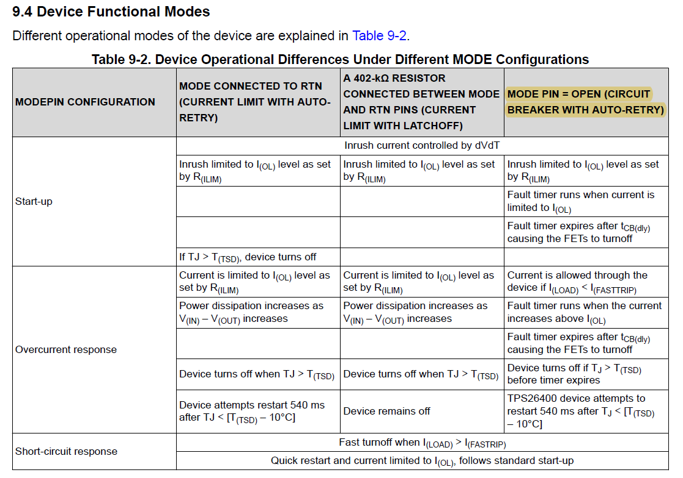
Test Item | The fan rotation is blocked by an external force.

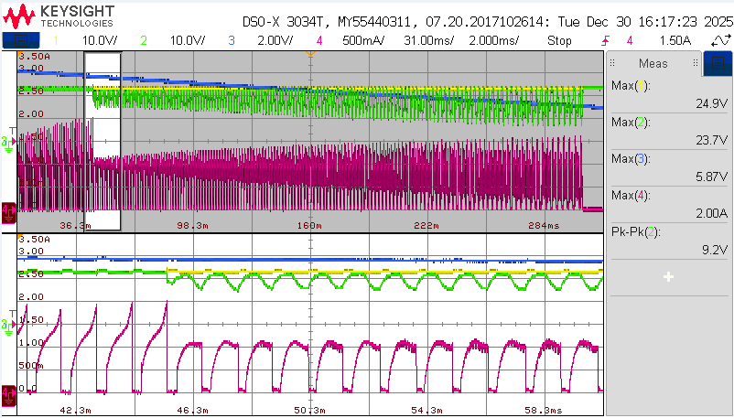

Test method 1: | Set the PSU input to 24 V with the current limited to 3 A. After the fan reaches full speed, use a jig to apply an external force to the fan blades to stop the rotation.

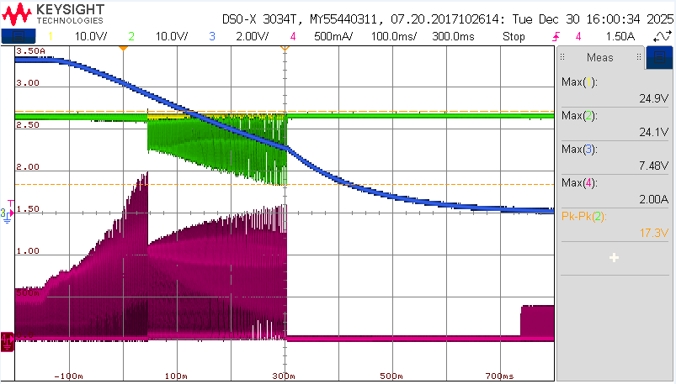

ZOOM IN
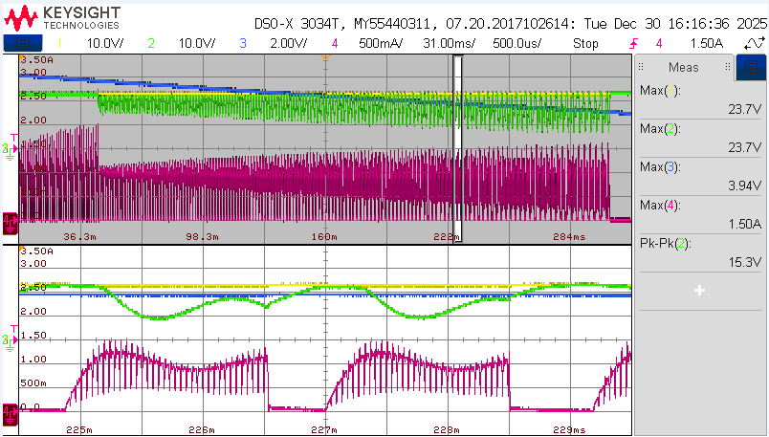

CH1: TPS2640 input voltage
CH2: TPS2640 output voltage
CH3: Fan Speed (1V: 3000rpm)
CH4: TPS2640 output current
Test summary: | Observations revealed that when the current exceeds the fast trip threshold (I_FASTRIP = 1.87 A), the device returns to the startup state. During the restart process, once the output current exceeds the overload current limit (I_OL = 0.99 A), the output voltage is pulled low, and the device enters current-limiting mode instead of remaining in circuit breaker mode.

