Added resistor
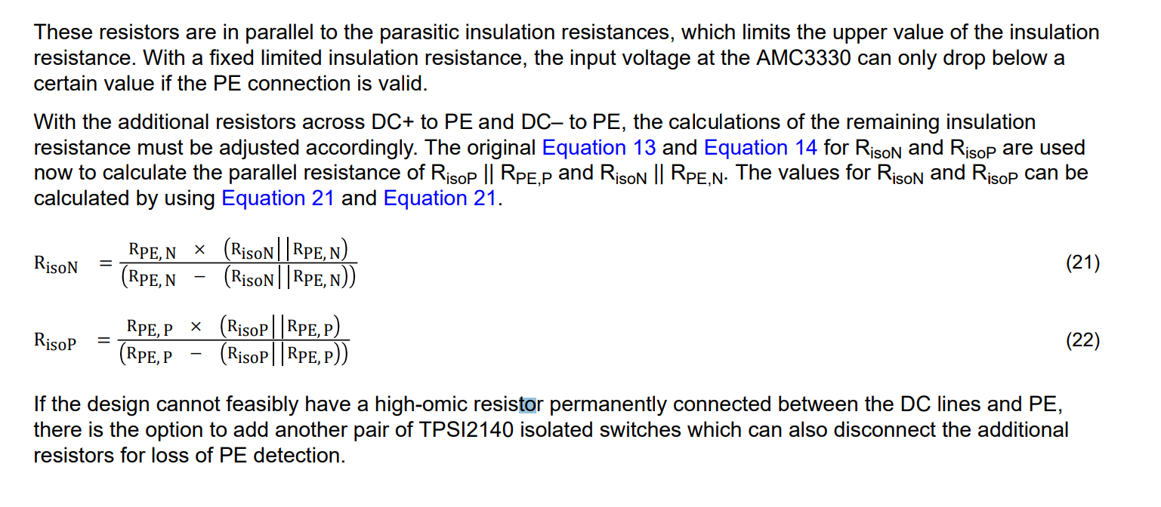

RisoN||RPE,N | 931004.77 | Calculated via equation 13 & 14

RisoN | -112033.62527 | Equation 21

RisoP||RPE,P | 932061.66 | Calculated via equation 13 & 14

RisoP | -112018.34008 | equation 22

