As_per_TI
S.No | Voltage | Expected (V) | Simulation (V)
1 | 50 | 1.03317 | 0.916
2 | 55 | 1.13649 | 1.01
3 | 60 | 1.23980 | 1.10
4 | 65 | 1.34312 | 1.19
5 | 70 | 1.44644 | 1.28
6 | 75 | 1.54975 | 1.37
7 | 80 | 1.65307 | 1.47
8 | 85 | 1.75639 | 1.56
9 | 90 | 1.85970 | 1.65
10 | 95 | 1.96302 | 1.74
11 | 100 | 2.06634 | 1.83
12 | 105 | 2.16965 | 1.92
13 | 110 | 2.27297 | 2.02
14 | 115 | 2.37629 | 2.11
15 | 120 | 2.47960 | 2.20
16 | 125 | 2.58292 | 2.29
17 | 130 | 2.68624 | 2.38
18 | 135 | 2.78956 | 2.47
19 | 140 | 2.89287 | 2.57
20 | 145 | 2.99619 | 2.66
21 | 150 | 3.09951 | 2.75
22 | 155 | 3.20282 | 2.84
23 | 160 | 3.30614 | 2.93
24 | 165 | 3.40946 | 3.02
25 | 170 | 3.51277 | 3.11
26 | 175 | 3.61609 | 3.21
27 | 180 | 3.71941 | 3.30
28 | 185 | 3.82272 | 3.39
29 | 190 | 3.92604 | 3.48
30 | 195 | 4.02936 | 3.57
31 | 200 | 4.13267 | 3.66
32 | 205 | 4.23599 | 3.76
33 | 210 | 4.33931 | 3.85
34 | 215 | 4.44262 | 3.94
35 | 220 | 4.54594 | 4.03
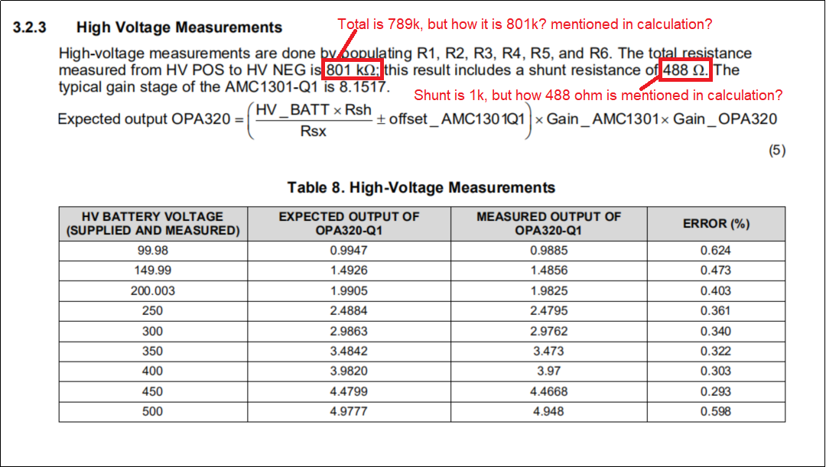
36 | 225 | 4.64926 | 4.12
37 | 230 | 4.75258 | 4.21
38 | 235 | 4.85589 | 4.30
39 | 240 | 4.95921 | 4.40
40 | 245 | 5.06253 | 4.49
41 | 250 | 5.16584 | 4.58
42 | 255 | 5.26916 | 4.67
43 | 260 | 5.37248 | 4.76
44 | 265 | 5.47579 | 4.85
45 | 270 | 5.57911 | 4.95
46 | 275 | 5.68243 | 4.99
47 | 280 | 5.78574 | 4.99
48 | 285 | 5.88906 | 4.99
49 | 290 | 5.99238 | 4.99
50 | 295 | 6.09569 | 4.99
51 | 300 | 6.19901 | 4.99
52 | 305 | 6.30233 | 4.99
53 | 310 | 6.40565 | 4.99
54 | 315 | 6.50896 | 4.99
55 | 320 | 6.61228 | 4.99
56 | 325 | 6.71560 | 4.99
57 | 330 | 6.81891 | 4.99
58 | 335 | 6.92223 | 4.99
59 | 340 | 7.02555 | 4.99
60 | 345 | 7.12886 | 4.99
61 | 350 | 7.23218 | 4.99
62 | 355 | 7.33550 | 4.99
63 | 360 | 7.43881 | 4.99
64 | 365 | 7.54213 | 4.99
65 | 370 | 7.64545 | 4.99
66 | 375 | 7.74876 | 4.99
67 | 380 | 7.85208 | 4.99
68 | 385 | 7.95540 | 4.99
69 | 390 | 8.05871 | 4.99
70 | 395 | 8.16203 | 4.99
71 | 400 | 8.26535 | 4.99
72 | 405 | 8.36867 | 4.99
73 | 410 | 8.47198 | 4.99
74 | 415 | 8.57530 | 4.99
75 | 420 | 8.67862 | 4.99
76 | 425 | 8.78193 | 4.99
77 | 430 | 8.88525 | 4.99
78 | 435 | 8.98857 | 4.99
79 | 440 | 9.09188 | 4.99
80 | 445 | 9.19520 | 4.99
81 | 450 | 9.29852 | 4.99
82 | 455 | 9.40183 | 4.99
83 | 460 | 9.50515 | 4.99
84 | 465 | 9.60847 | 4.99
85 | 470 | 9.71178 | 4.99
86 | 475 | 9.81510 | 4.99
87 | 480 | 9.91842 | 4.99
88 | 485 | 10.02174 | 4.99
89 | 490 | 10.12505 | 4.99
90 | 495 | 10.22837 | 4.99
91 | 500 | 10.33169 | 4.99
92 | 505 | 10.43500 | 4.99
93 | 510 | 10.53832 | 4.99
94 | 515 | 10.64164 | 4.99

