AMC (3)
Sp short |  |  |  | Reading from ADC & Calculation via Firmware
VinADC | 0.000961 | V
GainAMC | 2 |  |  | vinAMCP | VinAMCN | Vdc | Vp | Vn | Rison | RisoP
Rst | 365200 | ohm |  | 0.000961 | -0.000111 | 402.773407 | 0.59734 | -0.069113 | 246036953.29 | 2126481155.8
RinAMC | 294 | ohm |  | -0.000251 | 0.000227 | 402.773407 | -0.155896 | 0.140836 | -944988018.22 | -1046040187.5
Visolation (Vp) | 0.59734648639 | V |  | 0.000242 | -0.000202 | 402.773407 | 0.15023 | -0.125701 | 979236966.31 | 1170321736.7
 |  |  |  | -0.000312 | 0.000559 | 402.773407 | -0.194068 | 0.347429 | -759573496.19 | -424285349.6
Sn short |  |  |  | -0.000078 | -0.000801 | 402.773407 | -0.048238 | -0.497808 | -3048394434.7 | 295388841.92
VinADC | -0.000111 | V |  | -0.000287 | 0.000459 | 402.773407 | -0.178561 | 0.28525 | -825381608.82 | -516672478.06
Visolation (Vn) | -0.068996316327 | V
 | ;
RisoP & RisoN
Rst | 365200 | ohm
DC | 402.773407 | V
Vp | 0.59734648639 | V
Vn | -0.068996316327 | V
RisoP | 2130080664.396397 | ohm
RisoN | -2130080664.396397 | ohm
RisoP | 2130.081 | (Mohm)
RisoN | -2130.081 | (Mohm)

 | Flow of calculating RisP and RisoN

 | 1. Switch SP is closed and Vp is measured. You can use formula (18) on page 16 of the design guide to calculate the Isolation voltage which is Vp in case SP is closed |  |  |  | 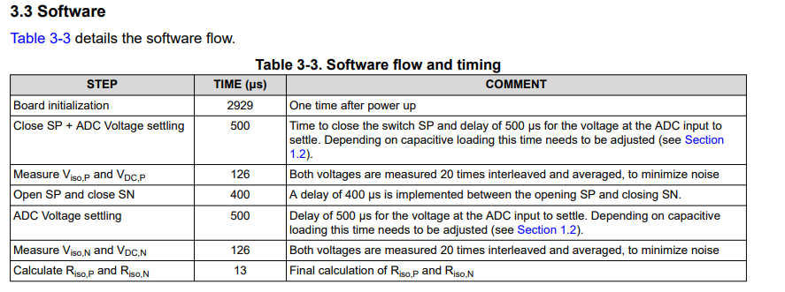
 | 2. Open SP , close SN, measured Vn, Again you can use formula (18) to calculate the Isolation voltage (In this case Vn)
 | 3. Calculate RisoP and RisoN using formulas (13) and (14)
 | 4. Check thresholds. If RisoP or RisoN is smaller then the fault threshold indicate a fault. If RisoP or RisoN is smaller than the warning threshold indicate a warning.

* | We used the threshold values used in standards. 500Ohms/V for a warning and 100Ohms/V for Fault.

 | Extra Notes |  | in order to calculate Vp and Vn we need to use 2 different VinADC values, like VinADC_P to calculate Vp and VinADC to calculate Vn. Then we going to use Vp and Vn to find RisoP and RisoN.

