Input Section
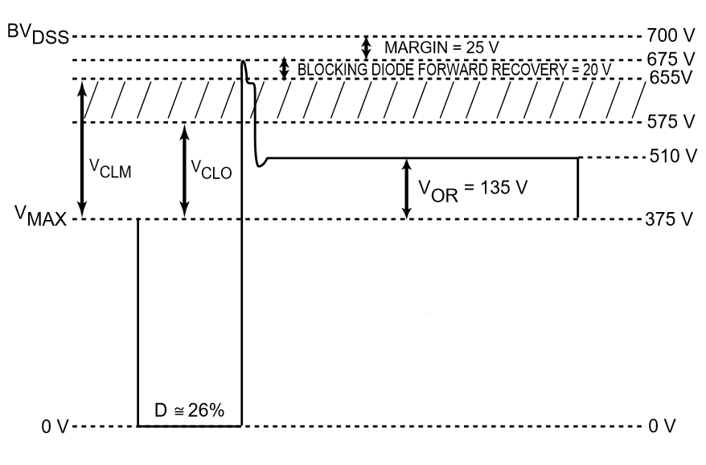
INPUT SPECIFICATION |  | OUTPUT SPECIFICATION |  | MOSFET selection

AC rms V min | 85 | DC voltage | 30V
AC rms V max | 265 | DC current | .5A | Vdrain = V max+Vr+30%Vmax+20V
Frequency | 47.5 to 52.5 | DC voltage | 50 | Vdrain = 374.76+95+30+(.3*374.76)
Efiiciency | >.85 | DC current | 0.1A | Vdrain = 612.188
Power | 23.529W | Output ripple(ΔVout) | .3V | MOSFET must withstand atleast 700V
 |  | Power | 20W
 |  |  |  | Dmax for low line = Vor/(Vor+(Vmin-Vds))
 |  |  |  | Dmin = 95/95+(92.208)) = .507
 |  |  |  | Ipeak = 2*Iavg/D
 |  |  |  | Iavg = 24/92 = 0.260A
 |  |  |  | Ipeak = 2*Iavg/D
 |  |  |  | Ipeak = 1.02564
 |  |  |  | Iprirms = Ipripeak*√(D/3) for traingular Wave
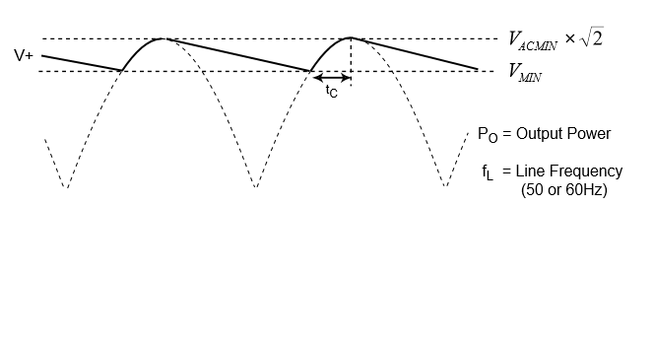
 |  |  |  | Iprirms = 0.421636A
Bulk Capacitor Calculation |  |  |  | Fswitching = 80KHz
 |  |  |  | Assume Vr, Vr = (Vout + Vd)/(Ns/Np) = 95
V DC max for 85V is 120.2081V
Assume 30V ripple
Time instant when voltage across capacitor is Vdc_min |  |  |  | Diode selection

(1/2pi*f)*arcsin(Vdc_min/Vdc_peak)
 |  |  |  | Input V DC Max for 265V is 374.766V
Time instant when voltage across capacitor is Vdc_peak |  |  |  | Peak inverse voltage is Vmax+0.7
 |  |  |  | PIV = 375V
(1/2pi*f)*arcsin(Vdc_peak/Vdc_peak) |  |  |  | Max Input current is 1.02564A

Duration of capacitor charging tc

(1/(2pi*f))*(Pi/2))-(1/(2pi*f))*arcsin(Vdc_min/Vdc_peak)

Tc = 2.298mS
Td = 7.701mS
C = (2*Pin*Td)/(Vdc_peak^2-Vdc_min^2) | C=57.40uF

Assume 25V ripple
Tc = 2.2500ms
Td = 7.74996ms
C = (2*Pin*Td)/(Vdc_peak^2-Vdc_min^2) | C = 69.066uF
Assume 20V ripple
Tc = 1.8626ms
Td = 8.137ms
C = (2*Pin*Td)/(Vdc_peak^2-Vdc_min^2) | C = 88.599uF

Output sectioon
Diode calculation | Diode Calculatin | Transistor Calculation

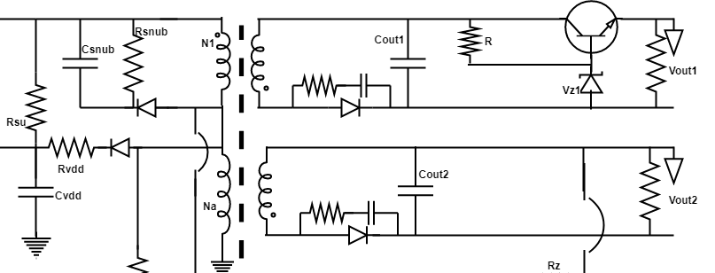
Because of high switching frequencies in the secondary side we have to use Schottky diode. | PIV = 50.7+ 375(26/50)+ 10 = 255.7V
PIV = output + Vdcmax*(Ns/Np) | Isec Peak =1.89*1.029 = 1.94481
PIV = 30.7 + 375*(27/100)+ 10 | Irms = 0.360A
PIV = 150.7V
Isec peak = 3.24135A
Isec rms = sqrt((2*iout*ipeak)/3) = 1.039A

Capacitor Calculation | Capacitor Calculation

The output capacitor needs to be selected to meet these 3 important parameters: capacitance, ESR (equivalent series resistance) and RMS current rating | Iout = C (dv/dt)
Iout = C (dv/dt) | dv = 0.5
dv = .3V | dt = 5.625uS | Zener Current = Zner Watt/Zener Voltage
dt = 5.625uS | Isec peak = 1.94A | Zener Current = 0.0666
Iout = C (dv/dt) | Cout = 21.825F | R = Supply -Zener/Current
I secpeak = 0.6945 | I ripple = 0.34A | R =282Ω
C = 60.775uF | R esr = 1.445Ω | Transistor must withstand Vce of 50V
I ripple = 0.910A
Resr = 329mΩ

UCC28600
Calcualtion

Npb=Nps*(Vout/Vbias) | Nps = 3.7
Npb = 3.1537
Rovp1=Vbulk/(Npb*Iovp) | Iovp(line), which is equal to 450 µA
Rovp1 = 133.33KΩ
Rovp2 = Rovp1*Vovp/(((Nps/Npb)*(Voutshut+Vf))-Vovp) | Vovp(load), equal to 3.75 V
Rovp2 = 36.39KΩ
Ipeak for low line = 1.02564A = Ip1
Ipeak for max load = 0.2690A = Ip2
Ics = .5[550mV*[((1/Rovp1)+(1/Rovp2))+((V/(Npb*Rout))]
Ics1 = 64.8195uA
Ics2 = 414.01uA
Rcs=(((Vpl-Vcs)*(Ics2-Ics1))/((Ics2*Ip1)-(Ics1*Ip2)) | Vpl = 1.20 V | Vcs(os) = 0.40 V
Rcs= 0.875
Rpl = (((Vpl-Vcs)*(Ip2-Ip1))/((Ics1*Ip2)-(Ics2*Ip1))
Rpl = 2.25KΩ
tss min = (Cout* Vout^2)/(2*Pilm) = 3.419mS | Cout = 38uF
tss min=[-Rload*Cout/2]*[ln[(Vout-ΔV)/(Rload*Poutlimit)] = 47.230nS | Iss = 6μA | ΔV =8
tss should be greater of above two
Css> Iss*[(tss/Acs(fb)*(Vpl-Vcs)] | Acs(fb)=2.5
Css = 10.25nF
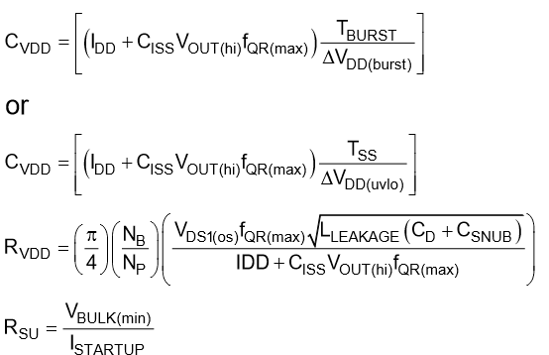
 | Istartup = 25μA

Cvdd = 1.432uF
Cvdd = 7.58uF
Rvdd = 48.32Ω
Rsu = Vbulkmin/I startup = 4.8MΩ (0603)

Feedback Design
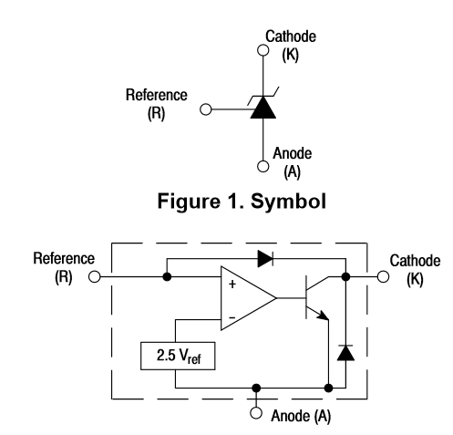
OPTOCOUPLAR SELECTION | 5.857e-07 s^2 + 0.006508 s -------------------------- 5.427e-06 s^2 + 0.0003 s
 | We have to cancel the Zero which is at 55.279Hz and pole at 11.111KHz
 | Rled = (Vout - Vf -Vtlmin)*(CTR*Rpullup)/(Vdd - Vcesat - +(Ibias*CTRmin*Rpullup)
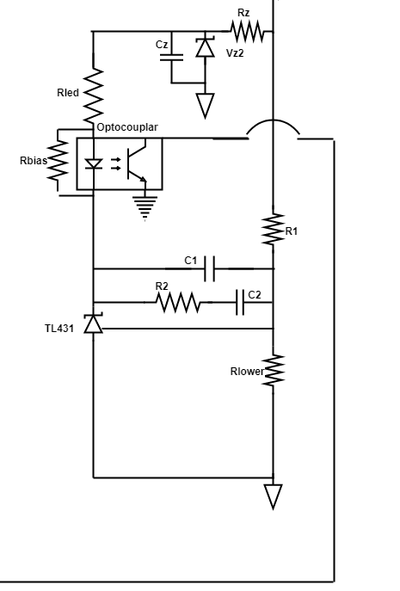
 | R led should be less than 14.85KΩ
 | Assume Rled value 1KΩ | Assume Rled value 4KΩ | Assume R led value 5KΩ
 | G mid = 20db
 | R2 = (G mid*R1*Rled)/(Rpullup*Rled)
 | R2 = 55KΩ | R2 =165KΩ | R2 = 275KΩ
 | C2 = 1/(2*Π*Fz*R2) = 52.34nF | C2 = 17.53nF | C2 = 10.46nF
 | C1 = 1/(2*Π*Fp1*R2) = 260.43pF | C1 = 86.86pF | C1 = 52.08pF
 | C3 = 1/(2*Π*Rpullup*fp2) = 198.94pF
 | (3*30)/(3+R1) = 2.495 so R1 = 33KΩ

 | TL431

