Sheet1
UCC2891 ACTIVE CLAMP FORWARD CALCULATIONS

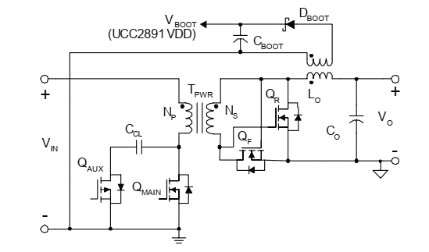
PARAMETERS | VALUE | UNIT
INPUT VOLATAGE(V), MIN | 75 | V
INPUT VOLATAGE(V), NOMINAL | 100 | V
INPUT VOLATAGE(V), MAXIMUM | 125 | V
FULL LOAD EFFICIENCY | 0.95
OUTPUT VOLTAGE | 14 | V
OUTPUT CURRENT | 22 | A
CURRENT LIMIT | 25 | A
SWITCHING FREQUENCY | 300 | khz
Tsw | 3.3333333333 | uS
% Ripple in Output | 5 | %
ΔVo | 0.033 | V
Dmax | 0.6
tr(main) | 0.27 | uS | From the datasheet of NMOS
tf(main) | 0.22 | uS
tdelay | 0.04 | us
Vs(min) | 24.6 | V
N | 3
Dmin | 0.34
Lmag | 100.00 | uH

OUTPUT INDUCTOR
% Current ripple in Lo | 0.15
Lo | 9.40 | uH
ΔILo | 3.3 | Ap-p
ILo(RMS) | 22.08 | Arms
ILo(pk) | 23.65 | A
 | Taking a standard value of 10uH rated at 25A and Isat =30A
BOOTSTRAP WINDING
NBOOT | 1
VdBOOT | 0.5 | V
VBOOT | 13.5 | V
ISTART | 0.5 | mA
CBOOT | 33.50 | uF
 | MP1794 A to be used to provide power to VCC
OUTPUT CAPACITOR
Co(min) | 4.1666666667E-05 | uF
Resr(out) | 0.01 | Ohm
Co | 67.2 | uF
 | Two 47uF caps are to be placed in parallel with 10uF ceramic capacitor

Synchronous Rectification
IqF(rms) | 17.04 | A
VgsF(max) | 41.67 | V | #problem
VdsF(max) | 31.82 | V
IqR(rms) | 17.93 | A
VdsR(max) | 41.67 | V
VgsR(max) | 31.82 | V
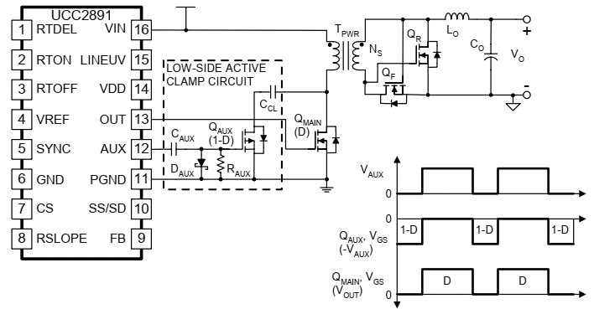
Power transformer consideration
Imag | 1.50 | A
Ipri(pk) | 9.38 | A
Ipri(rms) | 3.59 | A
LLkg | 100 | nH

Low side gate drive Circuit
Raux | 1 | KOhm
Caux | 0.33333333333 | uF
Ccl(min) | 1.240891794E-10 | nF
Vcl(max) | 112.95 | V | #also VdsQ(main)
Vreset | 95.45 | V

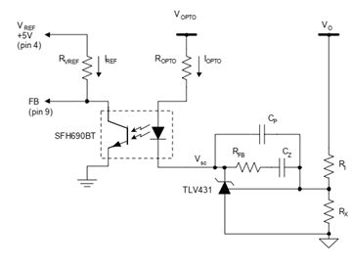
INPUT CAPACITOR
Iin(MAX) | 4.32 | A
Cin | 3.44E-06 | uF
Resr(in) | 0.37 | ohm

CURRENT SENSING
Vcs | 0.75 | V | #FROM DATA SHEET
Rcs | 0.080 | Ohm
PRcs | 1.03 | W

OPTOCOUPLER FEEDBACK
Vref | 5 | V
Vfb(min) | 1.5 | V
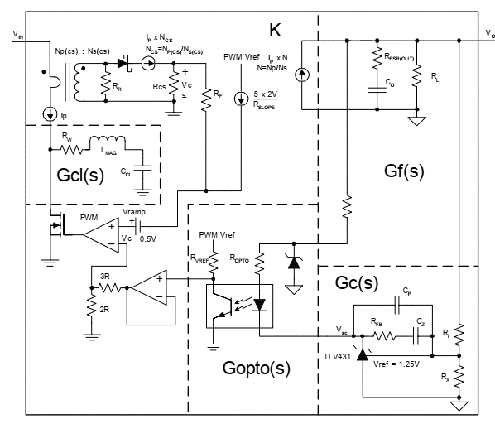
Vfb(max) | 3 | v
Iref(max) | 2 | mA
RVref | 1.75 | KOhm
Iref | 1.14 | mA
CTR(min) | 1.00
Iopto(min) | 1.14 | mA
ITLV431 | 5 | mA
Vopto | 23.1 | V
Vf | 1.3 | V
Vsc | 1.24 | V
Ropto | 4.112 | KOhm
Gopto | -7.42 | dB | why dc gain is negative?

Compensating feedback loop
K | 23.88
Fcl | 45182055.43 | KHz
Fo(max) | 4518205.54 | KHz | crossover frequency
Fo | 8 | KHz
gc(Fo)
Rx | 10 | KOhm
R1 | 102.9 | KOhm
RFB | 5.11 | KOhm | Taken from web bench design
Cp | 0 | pF
Cz | 0.01 | pF

Programming UCC2891

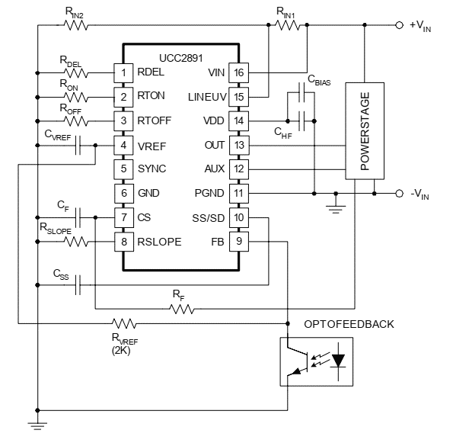
Oscilator
Ron | 53.6 | Kohm
Roff | 83.333333333 | Kohm
SOFT START
tss | 40 | mS
Css | 0.2 | uF
VDD BIAS REQUIREMENT
Vdd | 12 | V
Qg(MAIN) | 41 | nC | From data sheet
Qg(aux) | 8.5 | nC
Idd(max) | 3 | mA
Ig(main) | 2 | A
tr(main) | 90 | nS
Ig(aux) | 2 | A
tr(aux)' | 270 | nS
CHF | 495 | nF
CHF(Selected) | 1 | uF
Pbias | 2.8062 | W
Cbias | 2.04 | mF
DELAY PROGRAMING
tDEL | 100 | nS
RDEL | 4.35 | KOhm
INPUT VOLTAGE MONITERING
Ihys | 0.029 | mA
INPUT TURN ON VOLTAGE | 72 | V | IS THIS SELECTED VALUE CORRECT
INPUT TURN OFF VOLTAGE | 70 | V
RIN1 | 69.60 | KOhm
RIN2 | 1.29 | KOhm
CURRENT SENSE FILTER AND SLOPE COMENSATION
CF | 100 | pf
RF | 531 | Ohm
DVL/Dt | 0.03 | V/uS | manual calculations
Rslope | 118 | KOhm

