MCT8316Z_Trap
MCT8316Z Trapezoidal Thermal Calculator | Directions - Fill in all yellow boxes with known motor system parameters for the MCT8316Z.
Electrical Parameters | MCT8316Z | Unit | Estimated Results | Value | Unit
DC Input Voltage [VM] | 24 | V | Total Losses | 2.43 | W
Motor Winding RMS Current [Irms(trap)] | 2.5 | A | Junction Temperature | 136.67 | °C
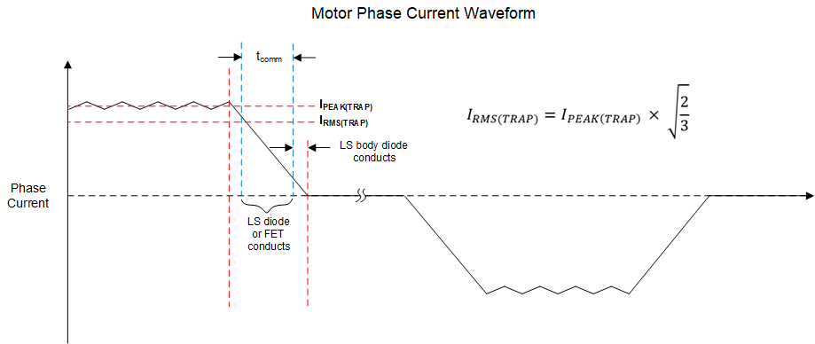
Active Demagnetization Enabled? | No | -
Motor Winding Configuration | Wye | -
Commutation time [tcomm] | 500 | us
- |  | -
- |  | -
Motor Electrical Frequency [fele] | 133 | Hz
PWM Frequency [fpwm] | 20 | kHz
Switching Slew Rate (SR) | 200 | V/us
AVDD output current (IAVDD) | 5 | mA
Ambient Temperature | 25 | °C
PCB Specification
PCB Layers | 2 | #
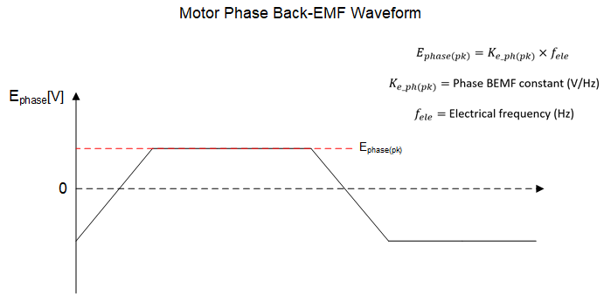
Top/Bottom Layers Cu Thickness (if PCB more than 2 layers, internal layers assume 1 oz Cu thickness) | 1 | oz
PCB Area | 16 | cm²
NOTE: MCT8316Z trapezoidal thermal calculator assumes synchronous modulation switching and typical datasheet values

