TI_DRV8231A_output current
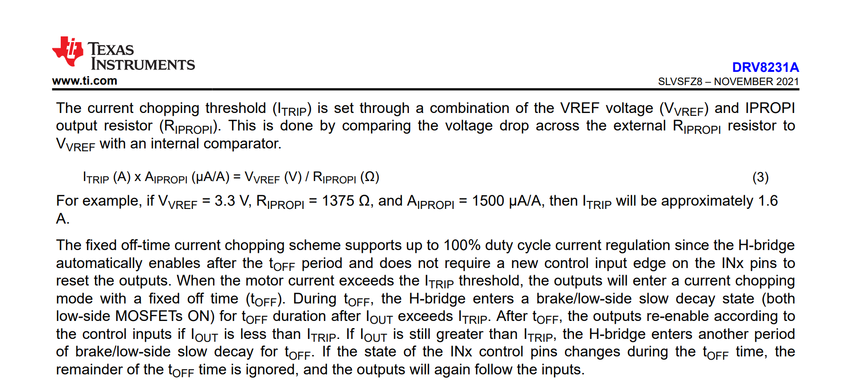

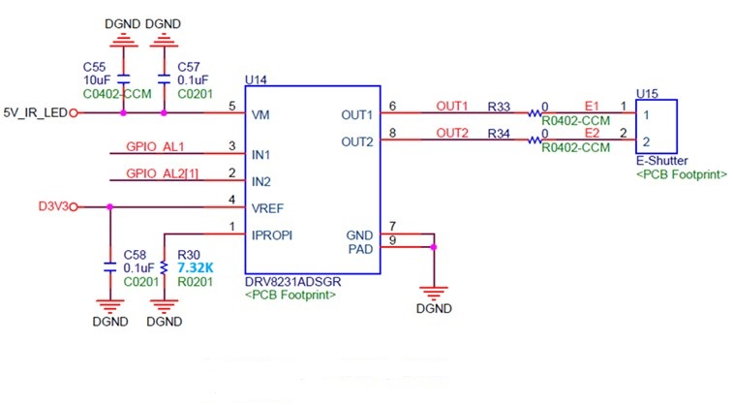

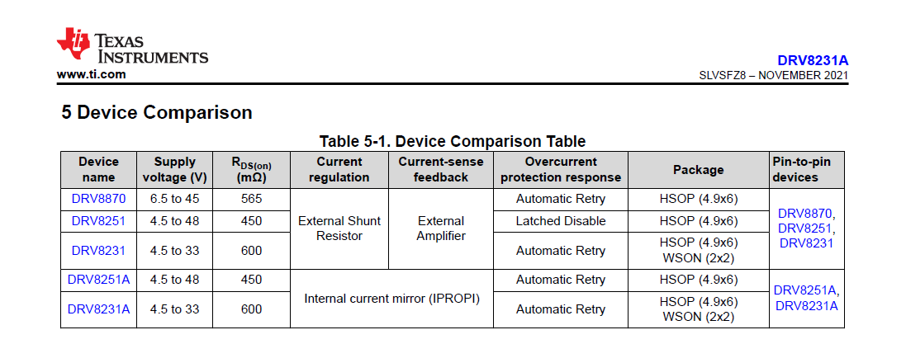
 |  |  |  |  |  |  |  |  |  |  |  |  |  |  | Vref(V) | 3
 |  |  |  |  |  |  |  |  |  |  |  |  |  |  | RIPROPI (ohm) | 7320
 |  |  |  |  |  |  |  |  |  |  |  |  |  |  | AipROPI(A) | 0.0015

 |  |  |  |  |  |  |  |  |  |  |  |  |  |  | Itrip (A)= | 0.27322404372

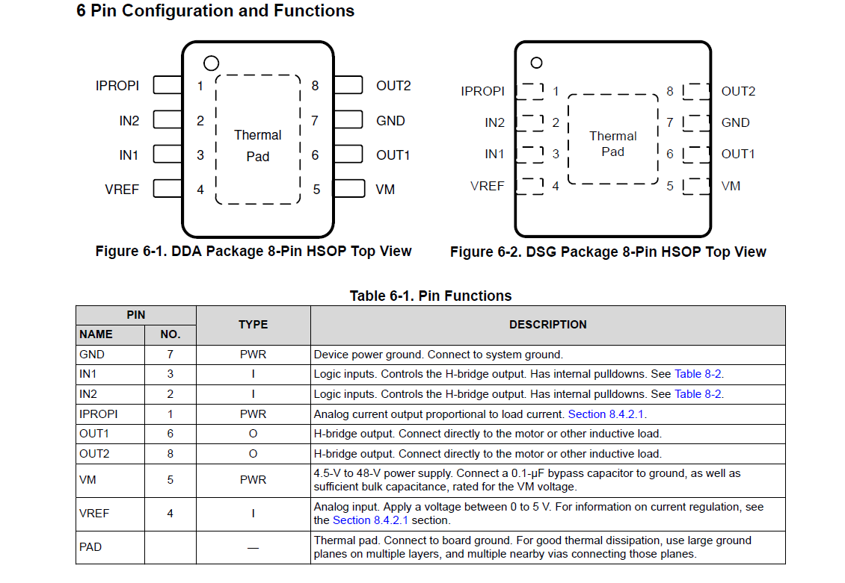

Motor IC ==> DRV8231A |  |  |  |  |  |  |  | Motor IC ==> PT5111

 | Vref(V) | 3 |  | VM :4.8V |  |  |  | VM :4.8V
 | RIPROPI (ohm) | 7320 |  | VREF : 3.0V
 | AipROPI(A) | 0.0015

 | Itrip (A)= | 0.27322404372

 | Rated driving current : 270 mA ±5 % (constant current with 15mS) |  |  |  | Rmotor | 12 | ohm±10% | Rated driving current : 270 mA ±5 % (constant current with 15mS) |  |  |  | Rmotor | 12 | ohm±10%
 | Min. | Typ. | Max. |  | Min. | Typ. | Max. | Min. | Typ. | Max. |  | Min. | Typ. | Max.
 | 256.5 | 270 | 283.5 |  | 10.8 | 12 | 13.2 | 256.5 | 270 | 283.5 |  | 10.8 | 12 | 13.2
 | * W/o OIS |  |  |  |  |  |  | * W/o OIS
 | VM= | 4.428V | =0.27*(Rdson +Rset+Rmotor) |  |  | 4.428 |  | VM= | 4.428V | =0.27*(Rdson +Rset+Rmotor) |  |  | 4.428
 |  |  | Rdso= | 2.2 | ohm |  |  |  |  | Rdso= | 2.2 | ohm
 |  |  | Rset= | 1 | ohm |  |  |  |  | Rset= | 1 | ohm
 |  |  | Rmotor= | 13.2 | ohm |  |  |  |  | Rmotor= | 13.2 | ohm
 |  |  | Vm= | Vcc of Motor driver IC |  |  |  |  |  | Vm= | Vcc of Motor driver IC

 | Motor IC==>DRV8231A |  |  |  |  |  |  | Motor IC==>PT5111
