Sheet1
Gate Resistor Calculator (General)
Parallel FETs? | No
 | 2
FET Qgd | 3.2 | nC
Target FET VDS fall time (turning on FET) | 200.0 | ns
FET VGS plateau voltage | 4.2 | V | Note: If Vplateau is not directly specified in the datasheet electrical characteristics, refer to the plateau voltage that is shown in the gate charge (Qg) vs Vgs voltage plot in the datasheet. Vplateau is the same as the miller voltage
Vgs voltage of FET when on | 12 | V
Driver high side gate voltage architecture | Bootstrap
 | 12

IDRIVE setting | 1000 | mA
RDRIVE provided in datasheet? | No
 | 10.6
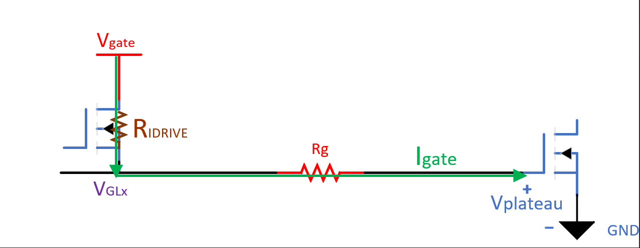
Total effective Qgd | 3.2 | nC
Gate current needed to achieve target rise time | 16.00 | mA
Total Rgate needed per channel to achieve a theoretical MOSFET rise time of 200ns | 485 | Ω
Rgate needed for each parallel FET | 485 | Ω

Actual chosen gate resistance per FET | 1000 | Ω
Actual calculated gate current | 7.8 | mA
Calculated rise time | 411.28 | ns

 | 0.0
FALSE | 0.0

MOSFET VGS voltage vs gate current for actual chosen gate resistance
 |  |  | Calculated gate current at plateau voltage
0 | 12 | 0 | 7.8 | 4.2 | 0.0 | 4.2 | 7.8
1 | 11 | 4.2 | 7.8 | 4.2 | 7.8
2 | 10
3 | 9
4 | 8
5 | 7
6 | 6
7 | 5
8 | 4
9 | 3
10 | 2
11 | 1
12 | 0
12 | 0
12 | 0

