2
TI - DRV8825
 | V.ref
 |  |  | V |  | Note | I |  | Note | R |  | Note | P |  | Note
 |  | Vcc | 3.3 | V |  | 0.000103125 | A | Same as I.R |  |  |  | 0.0003403125 | W | V * I
 |  | R1 (high) | 2.26875 | V | Equ-1 | 0.000103125 | A | V / R | 22000 | Ω |  | 0.0002339648 | W | V*V / R
 |  | R2 (low) | 1.03125 | V | Equ-2 | 0.000103125 | A | V / R | 10000 | Ω |  | 0.0001063477 | W | V*V / R

 |  | Equation : Voltage Divider
 |  | Equ-1 | Vcc * R1 / (R1+R2)
 |  | Equ-2 | Vcc * R2 / (R1+R2) = Vref

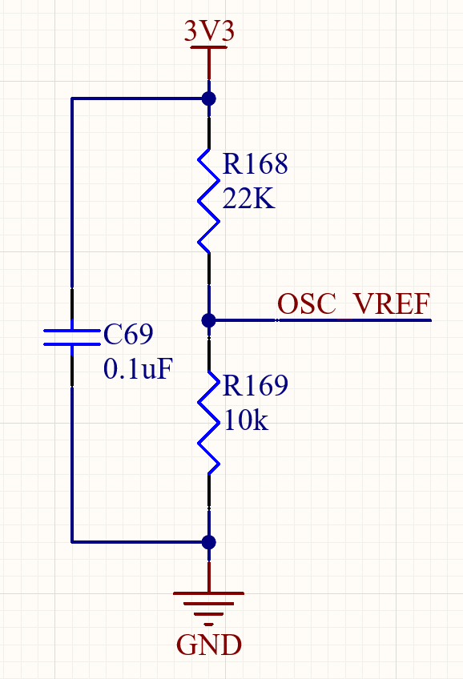

 | I.chop
 |  |  | VxREF |  | Note | I.chop |  | Note | R.ISENSE |  | Note
 |  |  | 1.03125 | V | see above | 2.0625 | A | Equ-3 | 0.1 | Ω

 |  | Equ-3 | I.chop = V.xREF / (5 × R.ISENSE ) |  |  |  | ◄ TI TI - DRV8825 datasheet page 12

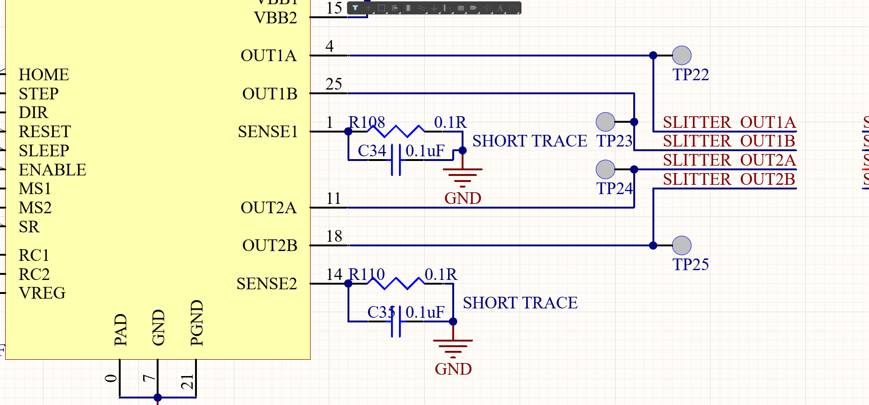

 | DECAY (pin 19)
 |  |  | V |  | Note | I |  | Note | R |  | Note | P |  | Note
 |  | Vcc | 3.3 | V |  | 0.0001815721 | A | Same as I.R |  |  |  | 0.0005991878 | W | V * I
 |  | R1 (high) | 1.6860262009 | V | Equ-1 | 0.0001815721 | A | V / R | 9285.7142857143 | Ω | internal || external | 0.0003061352 | W | V*V / R
 |  | R2 (low) | 1.6139737991 | V | Equ-2 | 0.0001815721 | A | V / R | 8888.8888888889 | Ω | internal || external | 0.0002930525 | W | V*V / R

 |  | R1 (high) | 10000 | Ω | external pull-up R | 130000 | Ω | internal 130kΩ pull-UP
 |  | R2 (low) | 10000 | Ω | external pull-down R | 80000 | Ω | internal 80kΩ pull-DOWN

 |  | DECAY
 |  | fast decay | 2 | V | HIGH, V.IH(min) | ◄ page 6, 7.5 Electrical Characteristics
 |  | mixed decay | not specified | V | open | ◄ default (open) = 1.26 Vdc
 |  | slow decay | 0.8 | V | LOW, V.IL(max) | ◄ page 6, 7.5 Electrical Characteristics

