TCK(not_short_to_3.3V)
1st sample
2nd sample

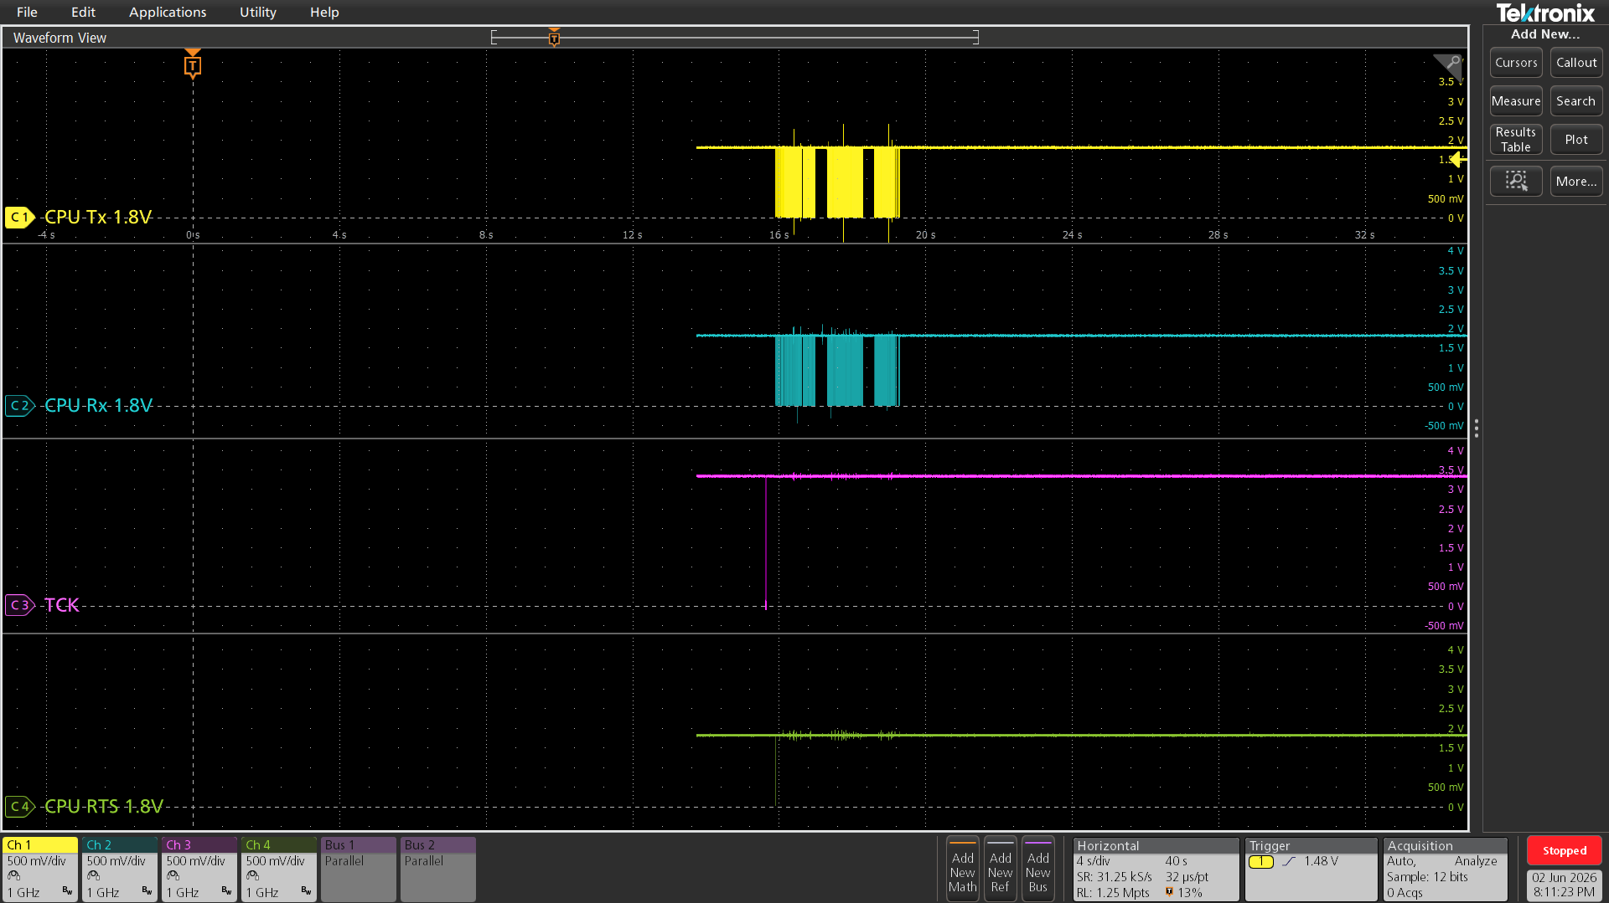
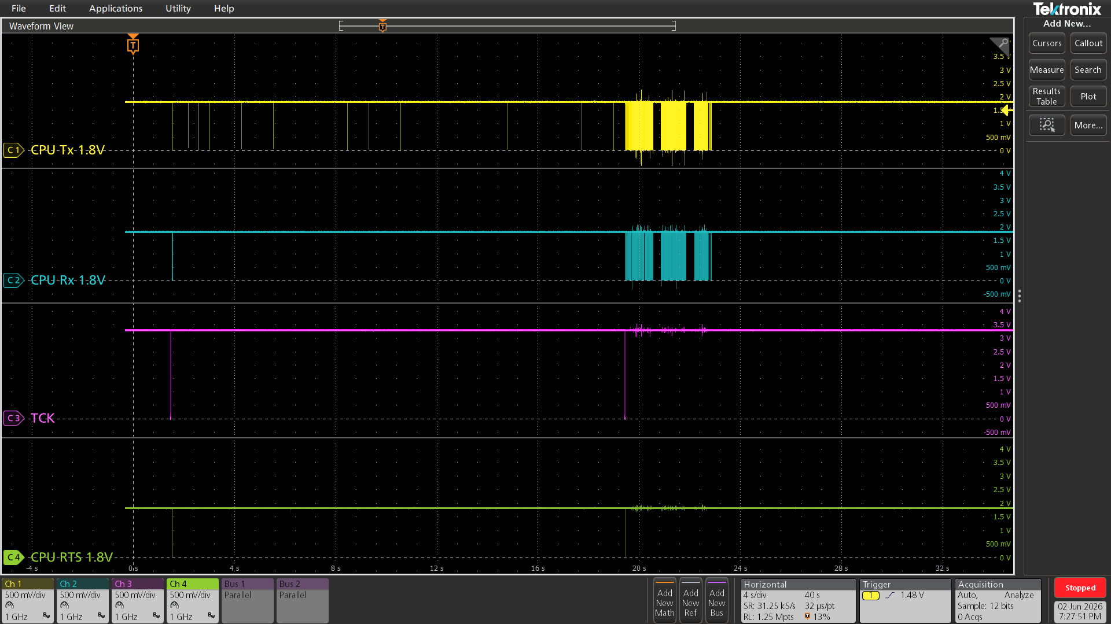
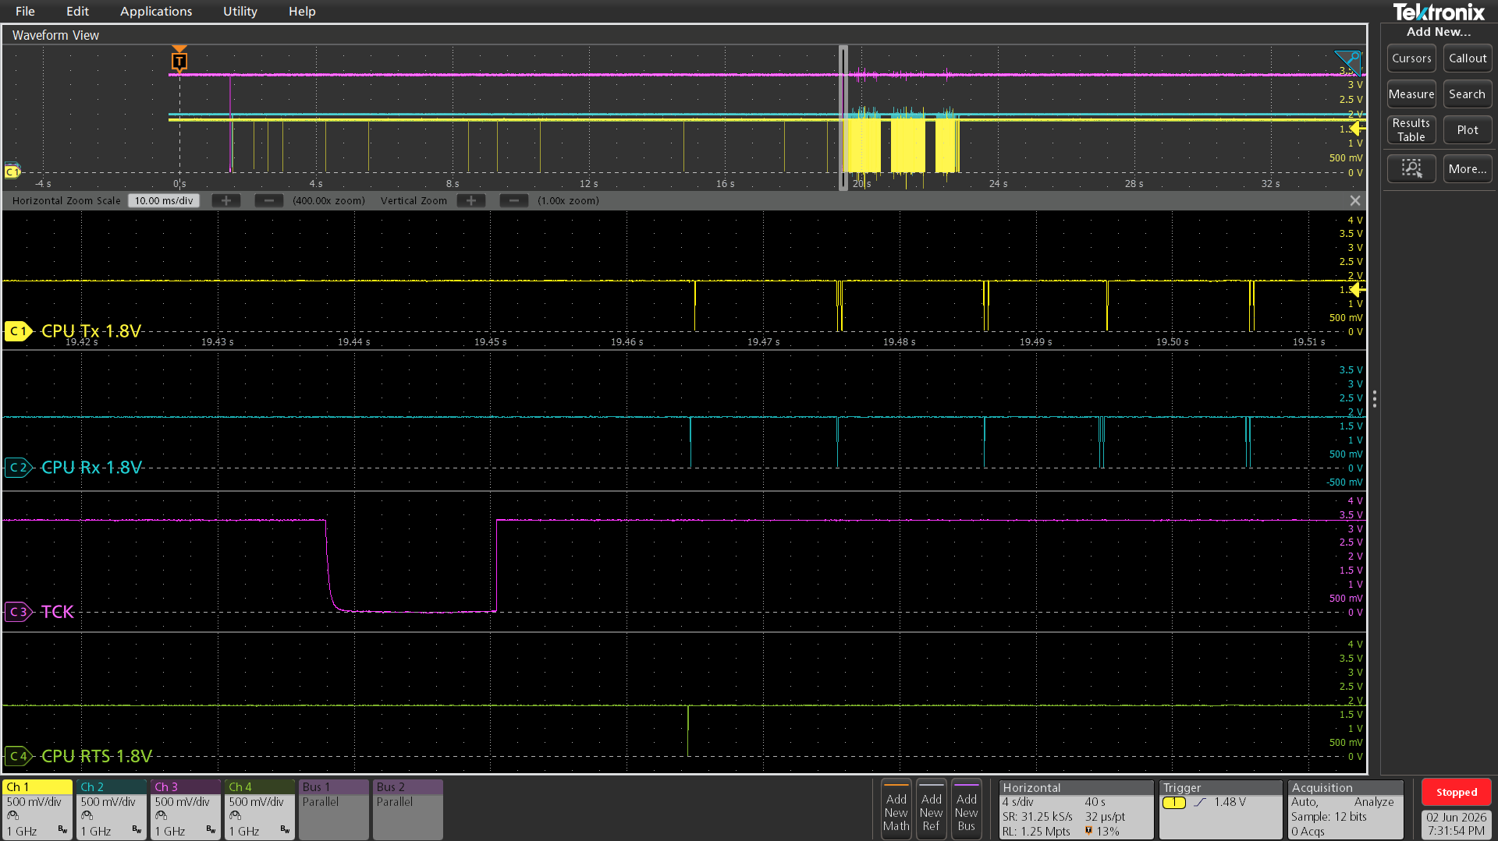

Reset BLE
(RESET pin change Low)
RESET pin change High
Enter FW writing comamnd

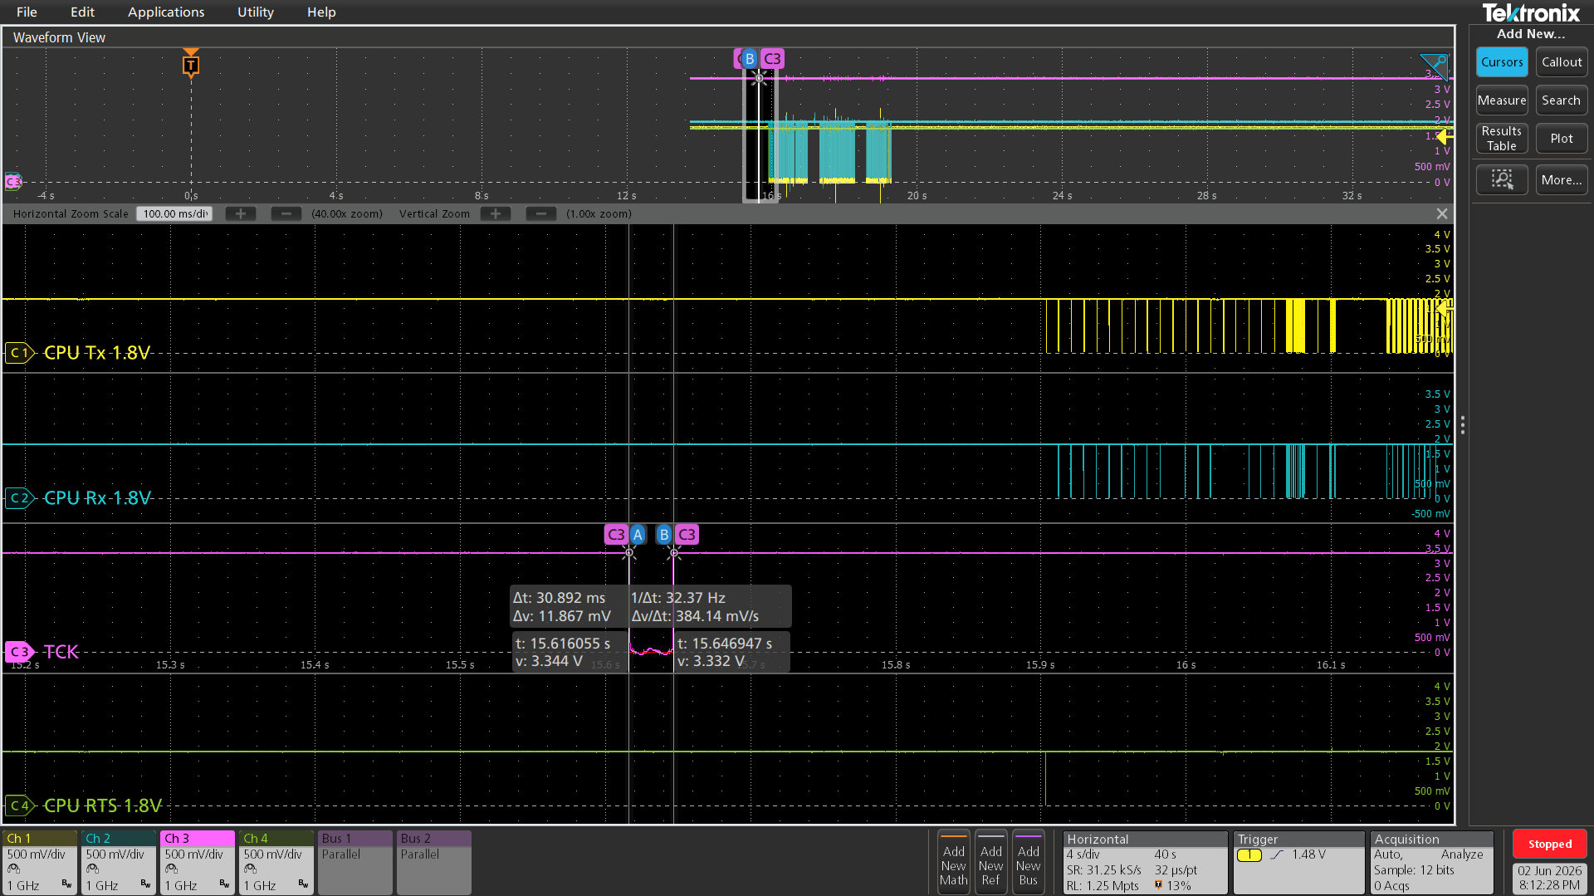
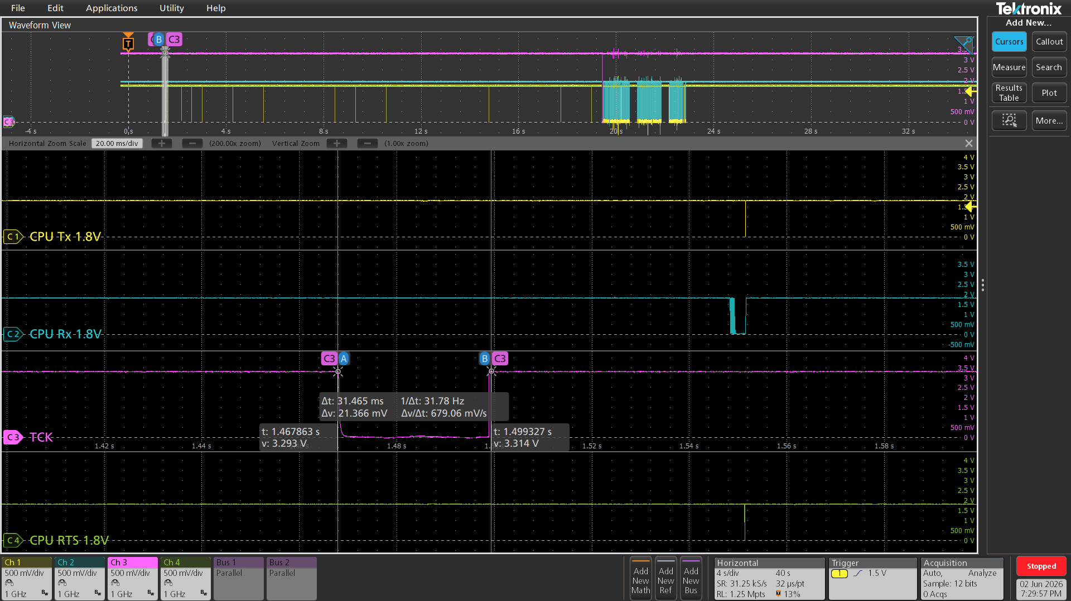

Reset BLE
(RESET pin change Low)
RESET pin change High
Enter FW writing comamnd

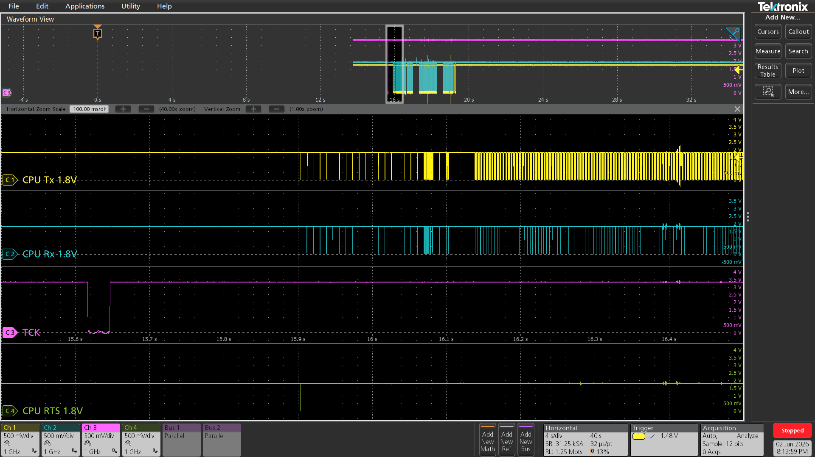
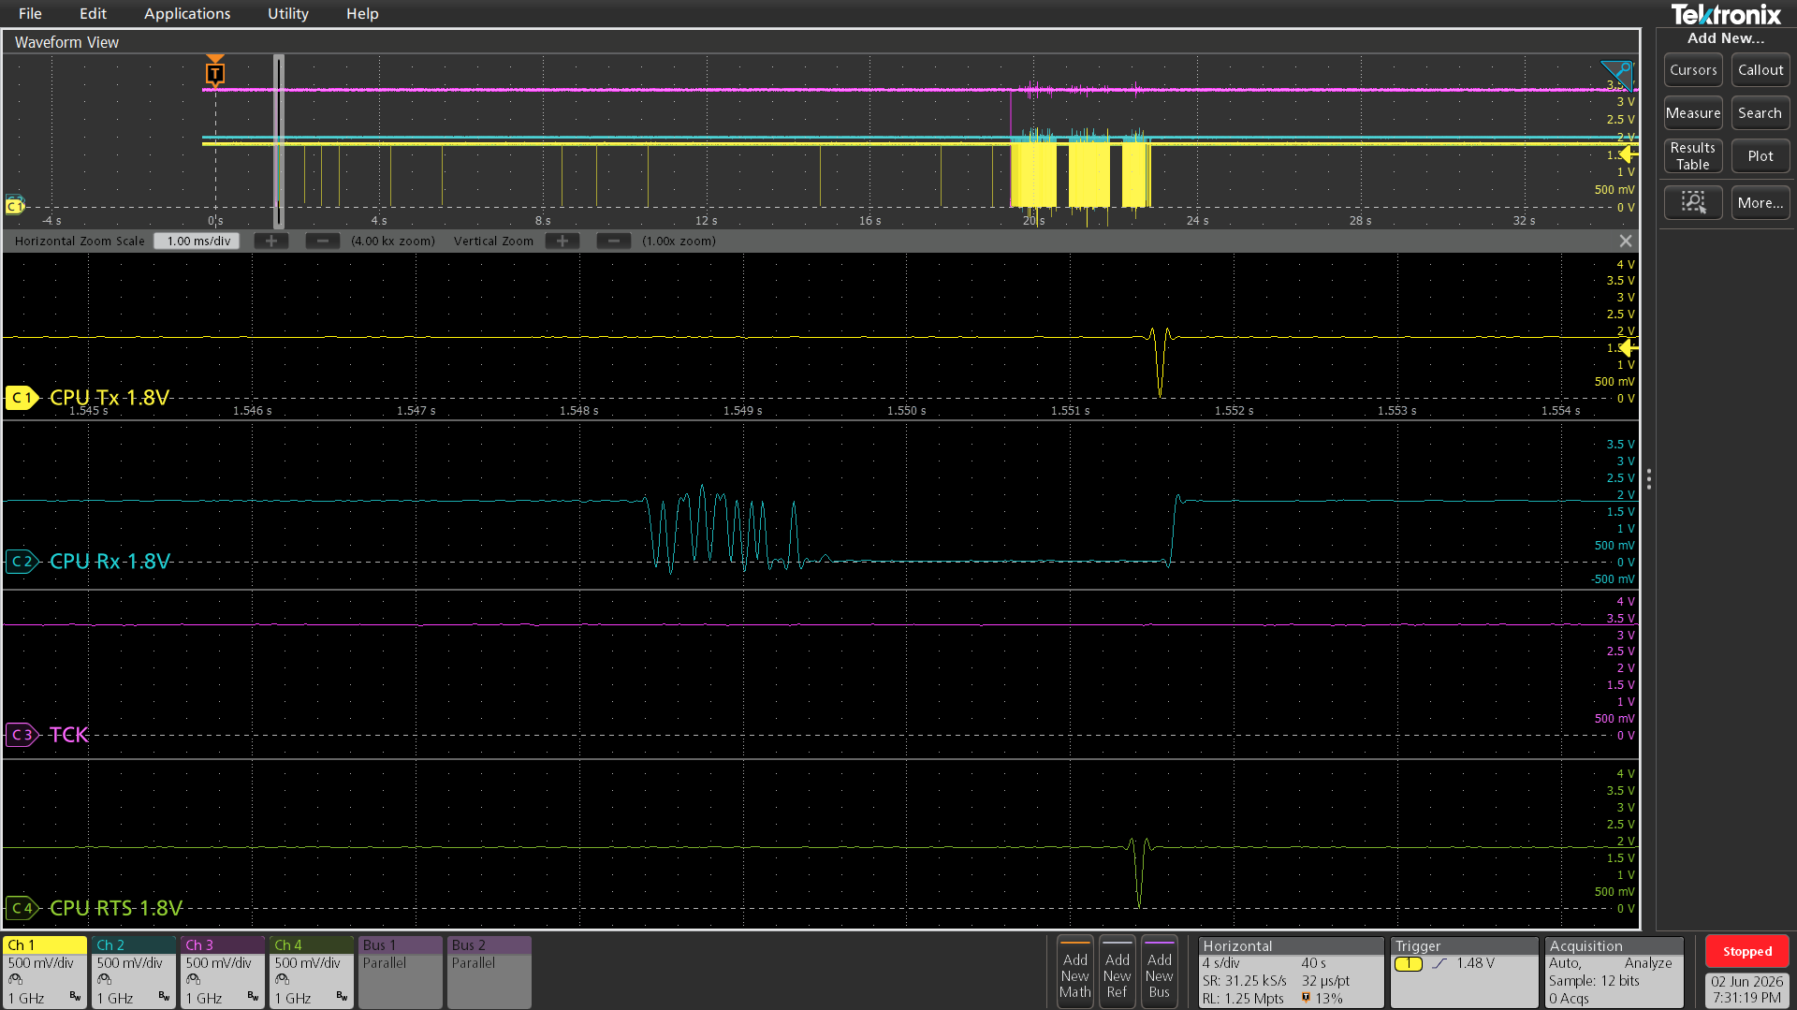
Enter FW writing comamnd

Reset BLE
(RESET pin change Low)
RESET pin change High
FW writing start

TCK(short_to_3.3V)
1st sample
2nd sample

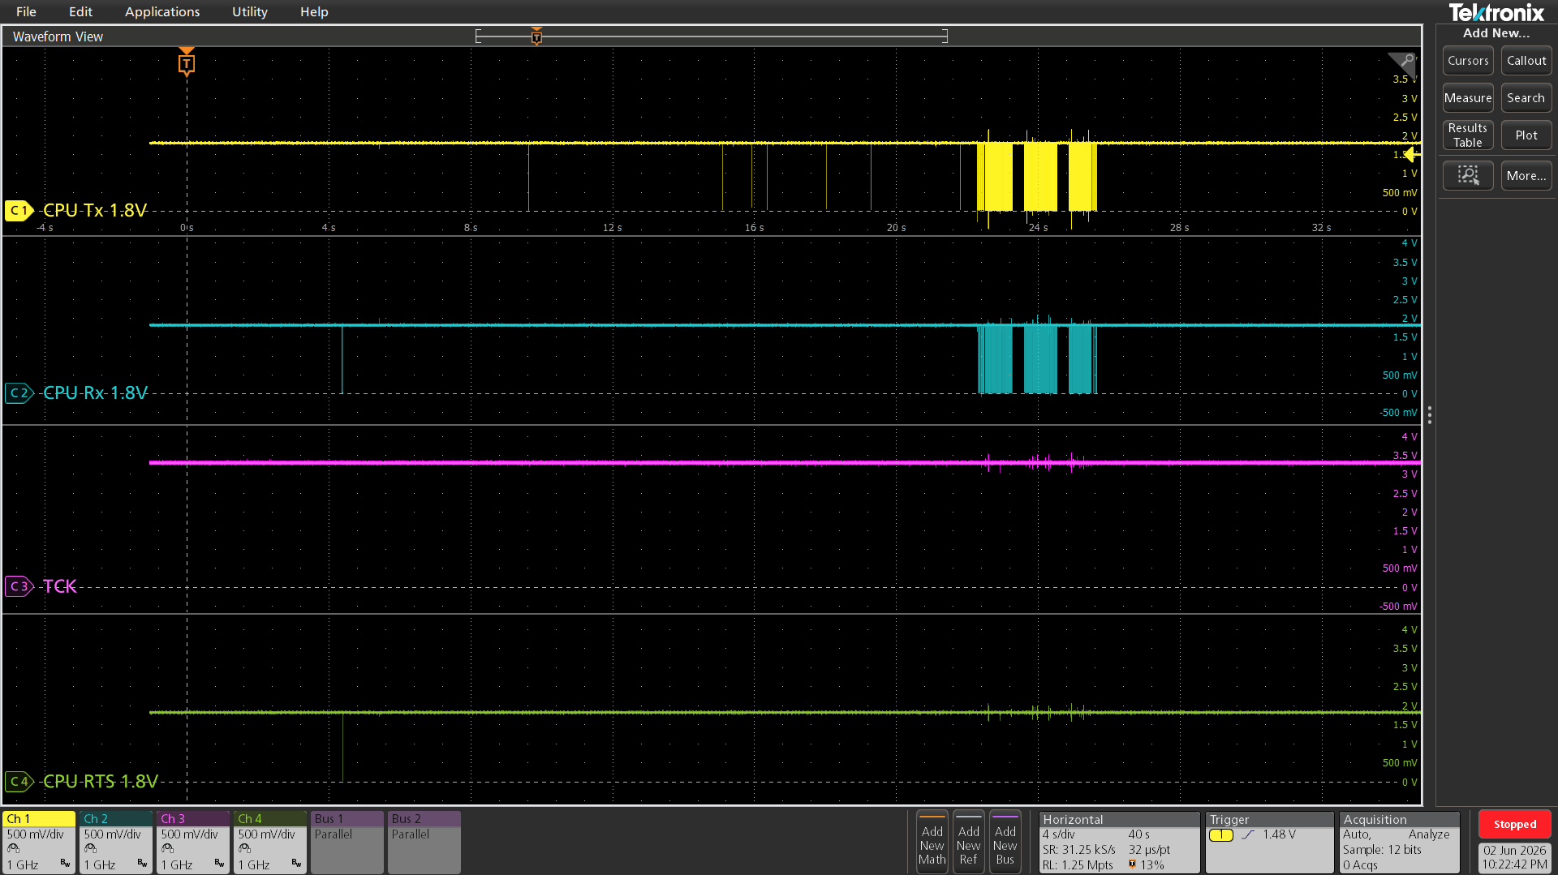
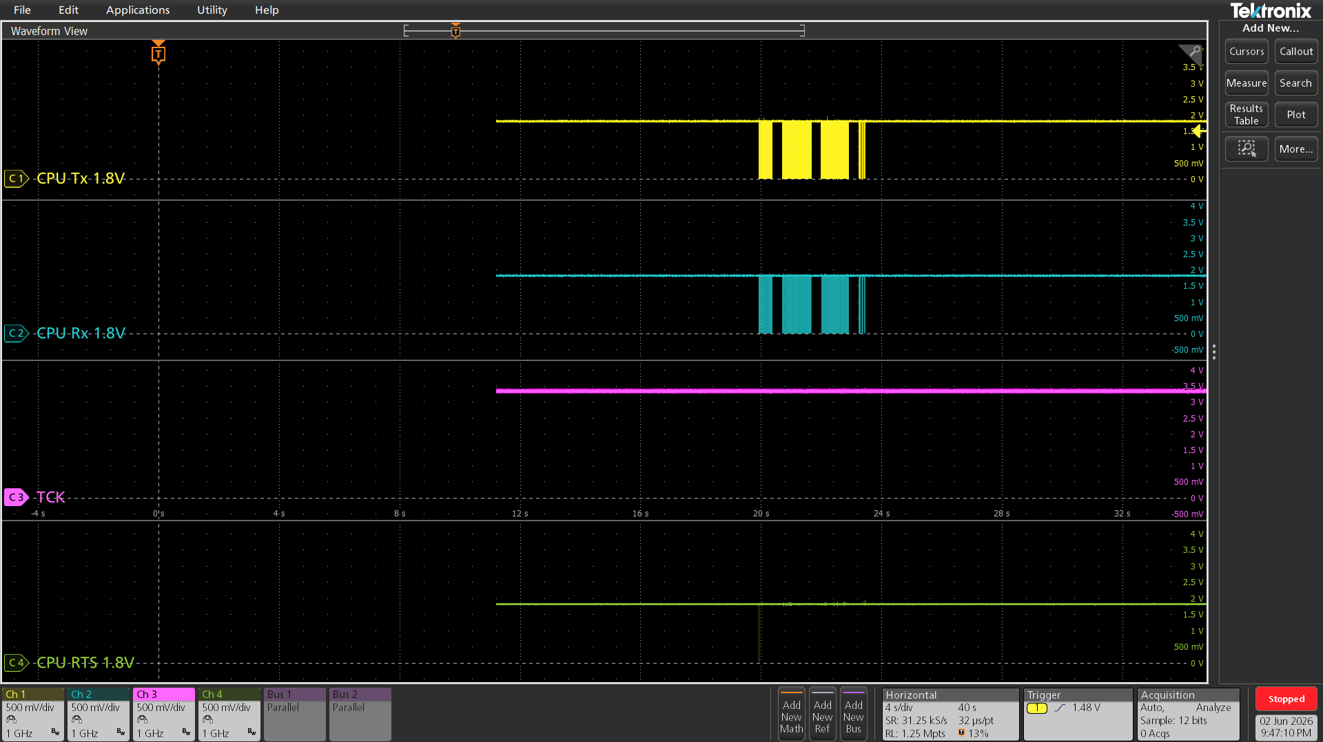
Enter FW writing comamnd
Enter FW writing comamnd
Enter FW writing comamnd

FW writing start
FW writing start

TCK was always high,
but first FW writing
failed

