Table of Contents
Audio CODEC/ADC PLL Calculators: Table of Contents

Worksheets | Description

TLV320AIC310x | Calculates ADC and DAC sampling rates using user input parameters for the TLV320AIC310x family of audio CODECs

TLV320AIC31xx | Calculates ADC and DAC sampling rates using user input parameters for the TLV320AIC31xx family of audio CODECs

TLV320ADC310x | Calculates ADC sampling ratesusing user input parameters for the TLV320ADC310x family of audio ADCs

TLV320AIC320x | Calculates ADC and DAC sampling rates using user input parameters for the TLV320AIC320x family of audio CODECs

TLV320AIC325x | Calculates ADC and DAC sampling rates using user input parameters for the TLV320AIC325x family of audio CODECs

TLV320AIC310x
TLV320AIC310x PLL/Clock Calculator

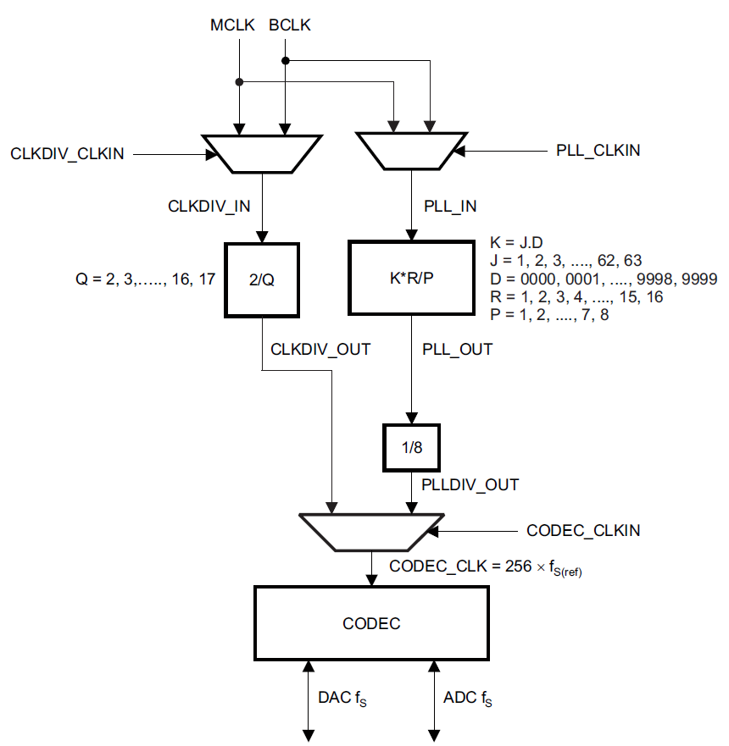
PLL Input Clock |  |  | PLL Constraints |  |  |  |  |  |  |  | Audio Clock Generation | Legend
PLL_CLKIN | 16 | MHz | D=0000 | 0.512 | MHz | < | 16 | < | 20 | MHz |  | Input
 |  |  |  | 80 | MHz | < | 90.3168 | < | 110 | MHz |  | Result
PLL Coefficients |  |  |  | 4 |  | < | 5 | < | 55
P | 1
R | 1 |  | D≠0000 | 10 | MHz | < | 16 | < | 20 | MHz
J | 5 |  |  | 80 | MHz | < | 90.3168 | < | 110 | MHz
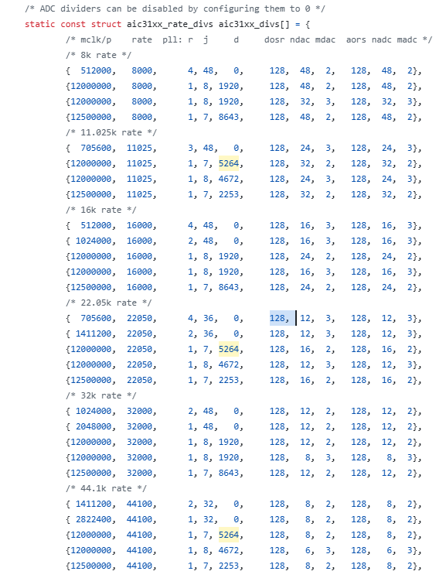
D | 6448 |  |  | 4 |  | < | 5 | < | 11
K | 5.6448 |  |  | R |  | = | 1
* R should be set to 1 for frequencies > 2MHz |  |  | *Green text indicates constraint is satisfied. Red text indicates constraint is not satisfied

ADC/DAC Fsref (PLL) |  |  | Coefficient | Register Information
Fsref | 44.1 | KHz | P | Page 0 / Regsiter 03, Bits D2 - D0
*Fsref is a reference sampling rate |  |  | R | Page 0 / Regsiter 11, Bits D3 - D0
 |  |  | J | Page 0 / Regsiter 04, Bits D7 - D2
Clock Divider Input Clock |  |  | D | MSB: Page 0 / Register 05, Bits D7 - D0
CLKDIV_CLKIN | 12.288 | MHz |  | LSB: Page 0 / Register 06, Bits D7 - D0

Clock Divider
Q | 2
*When NCODEC = 1.5, 2.5, 3.5, 4.5, or 5.5, odd values of Q are not allowed

 |  |  |  | 11289.6
ADC/DAC Fsref (Divider)
Fsref | 48.0 | KHz
*Fsref is a reference sampling rate

TLV320AIC31xx
TLV320AIC31xx PLL/Clock Calculator

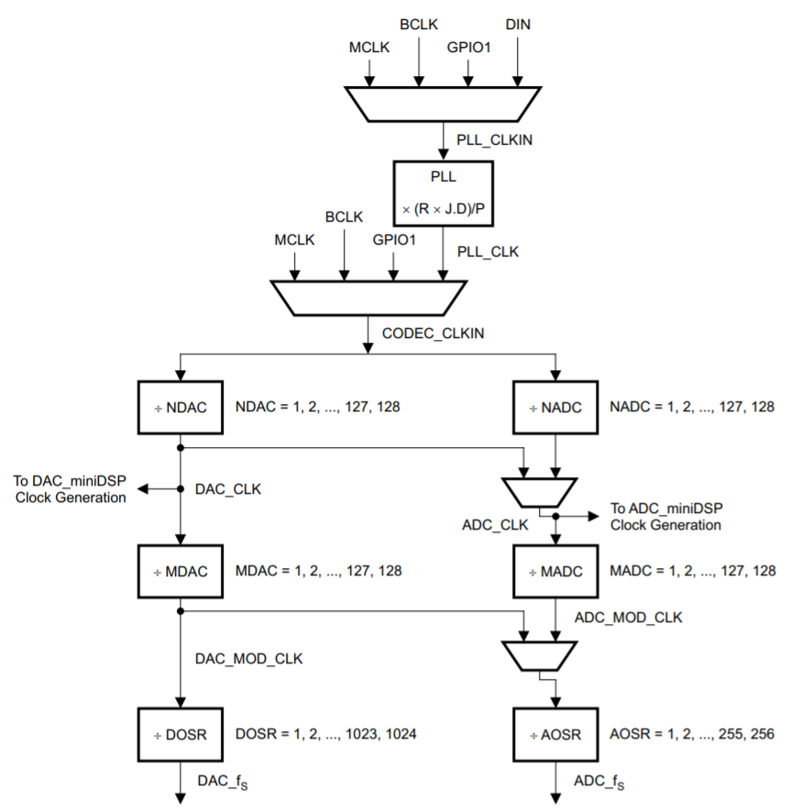
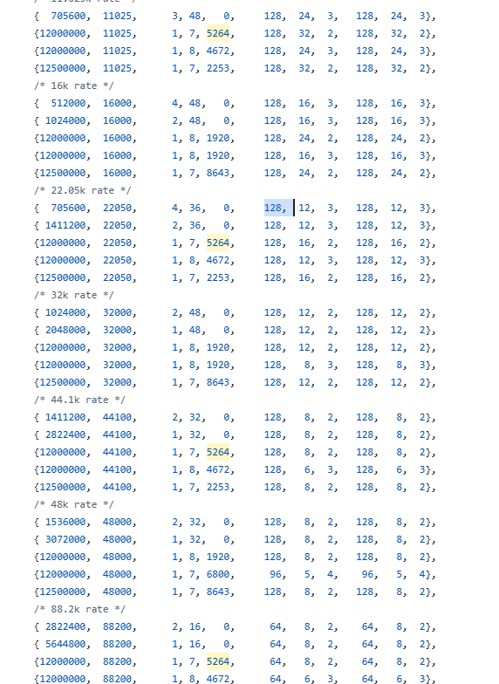
PLL Input Clock |  |  | PLL Constraints |  |  |  |  |  |  |  | Audio Clock Generation | Legend
PLL_CLKIN | 12.28 | MHz | D=0000 | 0.512 | MHz | < | 6.14 | < | 20 | MHz |  | Input
 |  |  |  | 80 | MHz | < | 51.988608 | < | 110 | MHz |  | Result
PLL Coefficients |  |  |  | 4 |  | < | 8 | < | 55
P | 2
R | 1 |  | D≠0000 | 10 | MHz | < | 6.14 | < | 20 | MHz
J | 8 |  |  | 80 | MHz | < | 51.988608 | < | 110 | MHz
D | 4672 |  |  | 4 |  | < | 8 | < | 11
K | 8.4672 |  |  | R |  | = | 1
* R should be set to 1 for frequencies > 2MHz |  |  | *Green text indicates constraint is satisfied. Red text indicates constraint is not satisfied

PLL Output Clock |  |  | Coefficient | Register Information
PLL_CLK | 51.988608 | MHz | P | Page 0 / Register 05, Bits D6 - D4
 |  |  | R | Page 0 / Register 05, Bits D3 - D0
Clock Coefficients |  |  | J | Page 0 / Register 06, Bits D5 - D0
NDAC | 6 |  | D | MSB: Page 0 / Register 07, Bits D5 - D0
MDAC | 3 |  |  | LSB: Page 0 / Register 08, Bits D7 - D0
NADC | 6
MADC | 3 |  | Divider | Register Information
DOSR | 128 |  | NDAC | Page 0 / Register 11, Bits D6 - D0
AOSR | 128 |  | MDAC | Page 0 / Register 12, Bits D6 - D0
 |  |  | DOSR | Page 0 / Register 13, Bits D1 - D0, Register 14, Bits D7 - D0
ADC/DAC Sampling Rate |  |  | NADC | Page 0 / Register 18, Bits D6 - D0
DAC_fs | 22.6 | KHz | MADC | Page 0 / Register 19, Bits D6 - D0
ADC_fs | 22.6 | KHz | AOSR | Page 0 / Register 20, Bits D7 - D0

miniDSP Clock
DAC_DSP | 8.6648 | MHz
ADC_DSP | 8.6648 | MHz
* AIC3110 and AIC3100 will have PRB clock
* Please see device application reference guide for more information on the maximum miniDSP clock frequency

 |  |  |  |  |  |  |  |  |  |  | * DAC_miniDSP clock only applies to the AIC3111 and the AIC3120. The AIC3110 and AIC3100 will have a PRB clock

TLV320ADC310x
TLV320ADC310x PLL/Clock Calculator

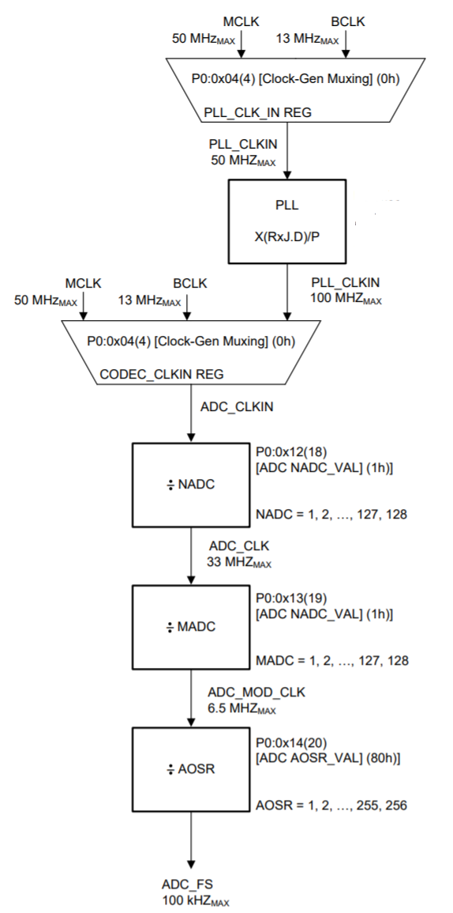
PLL Input Clock |  |  | PLL Constraints |  |  |  |  |  |  |  | Audio Clock Generation | Legend
PLL_CLKIN | 2.048 | MHz | D=0000 | 0.512 | MHz | ≤ | 2.048 | ≤ | 20 | MHz |  | Input
 |  |  |  | 80 | MHz | ≤ | 98.304 | ≤ | 110 | MHz |  | Result
PLL Coefficients |  |  |  | 4 |  | ≤ | 48 | ≤ | 55
P | 1
R | 1 |  | D≠0000 | 10 | MHz | ≤ | 2.048 | ≤ | 20 | MHz
J | 48 |  |  | 80 | MHz | ≤ | 98.304 | ≤ | 110 | MHz
D | 0 |  |  | 4 |  | ≤ | 48 | ≤ | 11
K | 48 |  |  | R |  | = | 1
* R should be set to 1 for frequencies > 2MHz |  |  | *Green text indicates constraint is satisfied. Red text indicates constraint is not satisfied

PLL Output Clock |  |  | Coefficient | Register Information
PLL_CLK | 98.304 | MHz | P | Page 0 / Register 05, Bits D6 - D4
 |  |  | R | Page 0 / Register 05, Bits D3 - D0
Clock Coefficients |  |  | J | Page 0 / Register 06, Bits D5 - D0
NADC | 8 |  | D | MSB: Page 0 / Register 07, Bits D5 - D0
MADC | 2 |  |  | LSB: Page 0 / Register 08, Bits D7 - D0
AOSR | 128
 |  |  | Divider | Register Information
ADC/DAC Sampling Rate |  |  | NADC | Page 0 / Register 18, Bits D6 - D0
ADC_fs | 48.0 | KHz | MADC | Page 0 / Register 19, Bits D6 - D0
 |  |  | AOSR | Page 0 / Register 20, Bits D7 - D0
ADC_MOD_CLK
ADC_DSP | 6.1440 | MHz
*Maximum ADC_MOD_CLK is 6.5MHz

 |  |  |  |  |  |  |  |  |  |  | *MADC × AOSR ≥ IADC, where IADC is the number of instructions (instruction count) for the ADC MAC engine

TLV320AIC320x
TLV320AIC320x PLL/Clock Calculator

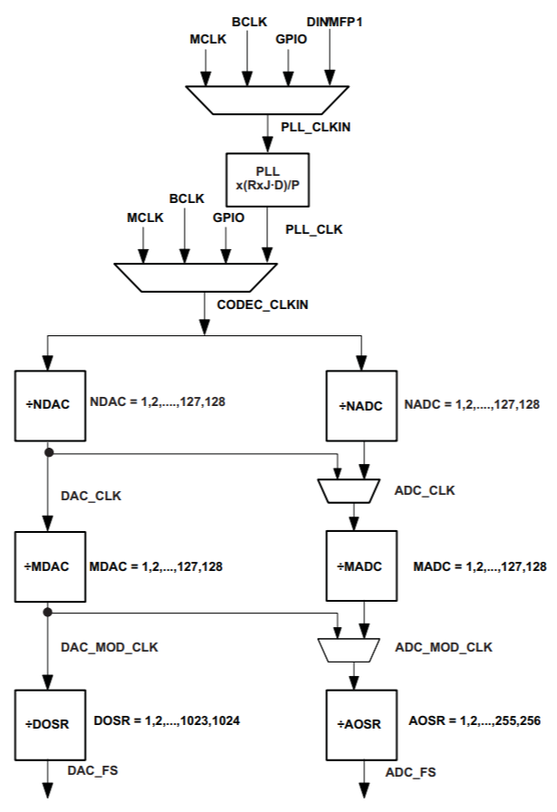
PLL Input Clock |  |  | PLL Constraints |  |  |  |  |  |  |  | Audio Clock Generation | Legend
PLL_CLKIN | 12 | MHz | D=0000 | 0.512 | MHz | < | 12 | < | 20 | MHz |  | Input
 |  |  |  |  |  |  |  |  |  |  |  | Result
PLL Coefficients |  |  | D≠0000 | 10 | MHz | < | 12 | < | 20 | MHz
P | 1 |  | *Green text indicates constraint is satisfied. Red text indicates constraint is not satisfied
R | 1
J | 8 |  | Coefficient | Register Information
D | 1920 |  | P | Page 0 / Register 05, Bits D6 - D4
K | 8.192 |  | R | Page 0 / Register 05, Bits D3 - D0
* R should be set to 1 for frequencies > 2MHz |  |  | J | Page 0 / Register 06, Bits D5 - D0
 |  |  | D | MSB: Page 0 / Register 07, Bits D5 - D0
PLL Output Clock |  |  |  | LSB: Page 0 / Register 08, Bits D7 - D0
PLL_CLK | 98.304 | MHz
 |  |  | Divider | Register Information
Clock Coefficients |  |  | NDAC | Page 0 / Register 11, Bits D6 - D0
NDAC | 7 |  | MDAC | Page 0 / Register 12, Bits D6 - D0
MDAC | 2 |  | DOSR | Page 0 / Register 13, Bits D1 - D0, Register 14, Bits D7 - D0
NADC | 7 |  | NADC | Page 0 / Register 18, Bits D6 - D0
MADC | 2 |  | MADC | Page 0 / Register 19, Bits D6 - D0
DOSR | 128 |  | AOSR | Page 0 / Register 20, Bits D7 - D0
AOSR | 128
 |  |  | Resource Class (RC)
ADC/DAC Sampling Rate |  |  | If the processing blocks are used, there is an associated Resource Class (RC) given to each ADC and DAC processing block. The constraint MADC *AOSR/32 ≥ RC should be satisfied for the ADC and MDAC *DOSR/32 ≥ RC should be satisfied for the DAC.
DAC_fs | 54.9 | KHz
ADC_fs | 54.9 | KHz

 |  |  | Note: NADC and NDAC should be as large as possible as long as the above conditions are still met. Refer to Tables 2-7 and 2-16 in the TLV320AIC325x Reference Guide for the ADC and DAC processing block resource class, respectively.

TLV320AIC325x
TLV320AIC325x PLL/Clock Calculator

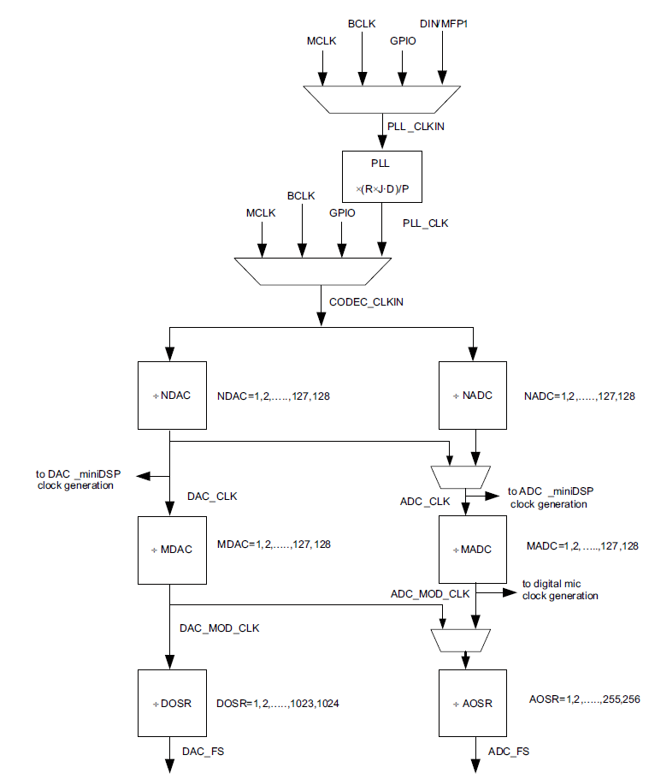
PLL Input Clock |  |  | PLL Constraints |  |  |  |  |  |  |  | Audio Clock Generation | Legend
PLL_CLKIN | 12 | MHz | D=0000 | 0.512 | MHz | < | 12 | < | 20 | MHz |  | Input
 |  |  |  |  |  |  |  |  |  |  |  | Result
PLL Coefficients |  |  | D≠0000 | 10 | MHz | < | 12 | < | 20 | MHz
P | 1 |  | *Green text indicates constraint is satisfied. Red indicates constraint is not satisfied
R | 1
J | 1 |  | Coefficient | Register Information
D | 1920 |  | P | Page 0 / Register 05, Bits D6 - D4
K | 1.192 |  | R | Page 0 / Register 05, Bits D3 - D0
* R should be set to 1 for frequencies > 2MHz |  |  | J | Page 0 / Register 06, Bits D5 - D0
 |  |  | D | MSB: Page 0 / Register 07, Bits D5 - D0
PLL Output Clock |  |  |  | LSB: Page 0 / Register 08, Bits D7 - D0
PLL_CLK | 14.304 | MHz
 |  |  | Divider | Register Information
Clock Coefficients |  |  | NDAC | Page 0 / Register 11, Bits D6 - D0
NDAC | 7 |  | MDAC | Page 0 / Register 12, Bits D6 - D0
MDAC | 2 |  | DOSR | Page 0 / Register 13, Bits D1 - D0, Register 14, Bits D7 - D0
NADC | 7 |  | NADC | Page 0 / Register 18, Bits D6 - D0
MADC | 2 |  | MADC | Page 0 / Register 19, Bits D6 - D0
DOSR | 128 |  | AOSR | Page 0 / Register 20, Bits D7 - D0
AOSR | 128
 |  |  | Resource Class (RC)
ADC/DAC Sampling Rate |  |  | If the processing blocks are used, there is an associated Resource Class (RC) given to each ADC and DAC processing block. The constraint MADC *AOSR/32 ≥ RC should be satisfied for the ADC and MDAC *DOSR/32 ≥ RC should be satisfied for the DAC.
DAC_fs | 8.0 | KHz
ADC_fs | 8.0 | KHz

miniDSP Clock
DAC_DSP | 2.0434 | MHz | Note: NADC and NDAC should be as large as possible as long as the above conditions are still met. Refer to Tables 2-7 and 2-16 in the TLV320AIC325x Reference Guide for the ADC and DAC processing block resource class, respectively.
ADC_DSP | 2.0434 | MHz
* Please see device application reference guide for more information on the maximum miniDSP clock frequency

Help
How to use this tool...

For any futher assistance on this tool, please post your question in the following forum - E2E Precision Data Converters Forum |  |  |  | Table of Contents

Getting Started with this tool ?

 | 1. Reference the product datasheet, found at the URLs below, for information about the particular device.

 |  | TLV320AIC310x
 |  | TLV320AIC3101: | https://www.ti.com/lit/gpn/tlv320aic3101
 |  | TLV320AIC3104: | https://www.ti.com/lit/gpn/tlv320aic3104
 |  | TLV320AIC3106: | https://www.ti.com/lit/gpn/tlv320aic3106
 |  | TLV320AIC3107: | https://www.ti.com/lit/gpn/tlv320aic3107
 |  | TLV320AIC3109: | https://www.ti.com/lit/gpn/tlv320aic3109-q1
 |  | TLV320AIC31xx
 |  | TLV320AIC3100: | https://www.ti.com/lit/gpn/tlv320aic3100
 |  | TLV320AIC3110: | https://www.ti.com/lit/gpn/tlv320aic3110
 |  | TLV320AIC3111: | https://www.ti.com/lit/gpn/tlv320aic3111
 |  | TLV320AIC3120: | https://www.ti.com/lit/gpn/tlv320aic3120
 |  | TLV320AIC320x
 |  | TLV320AIC3204: | https://www.ti.com/lit/gpn/tlv320aic3204
 |  | TLV320AIC3206: | https://www.ti.com/lit/gpn/tlv320aic3206
 |  | TLV320AIC325x
 |  | TLV320AIC3254: | https://www.ti.com/lit/gpn/tlv320aic3254
 |  | TLV320AIC3256: | https://www.ti.com/lit/gpn/tlv320aic3256
 |  | TLV320ADC3x01
 |  | TLV320ADC3100: | https://www.ti.com/lit/gpn/tlv320adc3100
 |  | TLV320ADC3101: | https://www.ti.com/lit/gpn/tlv320adc3101
 |  | TLV320ADC3001: | https://www.ti.com/lit/gpn/tlv320adc3001

 | 2. Go to the Table of Contents for tool descriptions and links to specific worksheets.
 |  | Link: | Table of Contents

 | 3.Use the "Legend" on each worksheet for guidance. The required inputs and calculated results typically follow the convention below:

 |  |  | = Input
 |  |  | = Result

