Sheet1
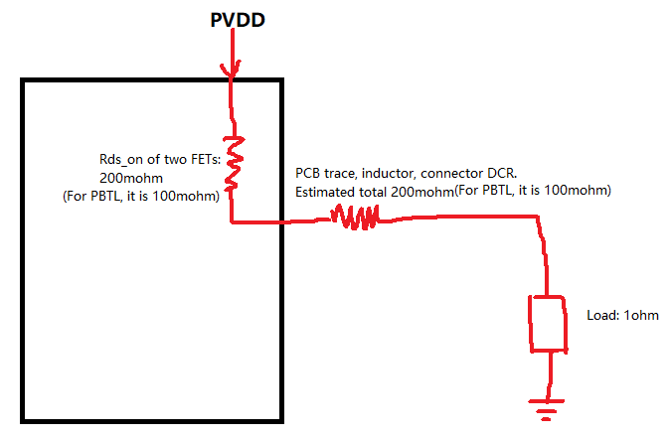
PVDD | 26.4 | V
Rds_on | 0.1 | ohm
parasitic DCR | 0.1 | ohm
Load | 1 | ohm

Total output power(at both Rds_on, DCR and Load) | 290.4

1%THD PO (good sine wave) | 242
10%THD PO (1.25*1%THDPO) | 302.5 | (at high power, there would be a bit drop due to increased Rds_on)

