Sheet1
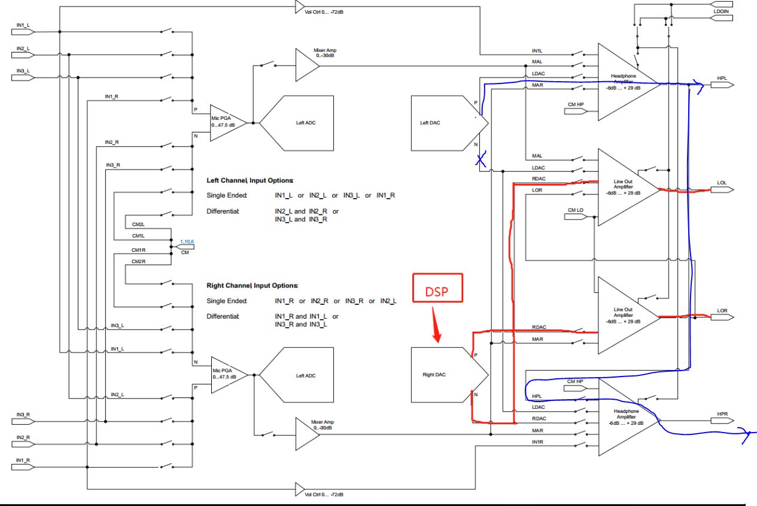
Configure 1
Page | Register | Value(DEC) | Value(hex) | Comment | Proposed Sequence
1 | 16 | 0 | 0 | HPL not muted with 0dB gain
1 | 17 | 0 | 0 | HPR not muted with 0dB gain
0 | 65 | 22 | 16 | Left DAC DVOL=11dB
0 | 63 | 20 | 14 | Left and Right DAC powered down
0 | 29 | 4 | 4 | Primary BCLK and Primary WCLK buffers are powered up when they are used in clock generation even when the codec is powered down
0 | 30 | 144 | 90 | BCLK N divider powered up with divider=17 | disable/remove this configuration first for testing
0 | 70 | 182 | B6 | DRC attack rate=1.9531e-3, decay rate=2.4414e-4 per DAC WCLK
0 | 69 | 0 | 0 | DRC hold disable
0 | 68 | 27 | 1B | Left DRC disable
0 | 68 | 27 | 1B | Left DRC disable
0 | 68 | 123 | 7B | Enable Left and Right DRC with -21dBFS TH and 3dB Hyst | disable/remove this configuration first for testing
0 | 61 | 1 | 1 | PRB_R1
0 | 60 | 2 | 2 | PRB_P2
1 | 1 | 0 | 0 | AVDD=DVDD when AVDD-LDO powered down
1 | 2 | 1 | 1 | AVDD-LDO powered up=1.72V and analog block enable
1 | 13 | 1 | 1 | Left DAC filter's negative term not to HPR, Right DAC filter's positive term not to HPR, HPR=HPL | The configuration shows the DAC is routed to HP instead of LO as shown in the graph Is this correct?
1 | 12 | 8 | 8 | Left DAC filter's positive term to HPL
0 | 63 | 148 | 94 | Left DAC power up with 1 soft-stepping, Right DAC power down | move this step after powering HPL/HPR before register 64 and add some wait time after this step
1 | 9 | 48 | 30 | HPL/HPR powered up | move this step after setting the HPL/R gain line 24
1 | 16 | 0 | 0 | HPL not muted with 0dB gain
1 | 17 | 0 | 0 | HPR not muted with 0dB gain
0 | 64 | 4 | 4 | Left DAC not muted, right DAC muted
1 | 59 | 20 | 14 | Left MICPGA enabled with 10dB volume gain | disable/remove this configuration first for testing
0 | 82 | 136 | 88 | Left and right ADC muted | disable/remove this configuration first for testing
1 | 16 | 0 | 0 | HPL not muted with 0dB gain | remove this
1 | 17 | 0 | 0 | HPR not muted with 0dB gain | remove this
0 | 64 | 4 | 4 | Left DAC not muted, right DAC muted | remove this

I2S Data
Is this step where the host is transmitting the I2S signals?
Have you tried putting some wait time before running configuration 2?

Configure 2
Page | Register | Value(DEC) | Value(hex) | Comment
1 | 16 | 0 | 0 | HPL not muted with 0dB gain | remove this
1 | 17 | 0 | 0 | HPR not muted with 0dB gain | remove this
0 | 64 | 12 | C | Left DAC and right DAC muted
0 | 70 | 182 | B6 | DRC attack rate=1.9531e-3, decay rate=2.4414e-4 per DAC WCLK | disable/remove this configuration first for testing
0 | 70 | 182 | B6 | DRC attack rate=1.9531e-3, decay rate=2.4414e-4 per DAC WCLK
0 | 69 | 0 | 0 | DRC hold disable
0 | 68 | 123 | 7B | Enable Left and Right DRC with -21dBFS TH and 3dB Hyst
0 | 68 | 123 | 7B | Enable Left and Right DRC with -21dBFS TH and 3dB Hyst
0 | 68 | 27 | 1B | Left DRC disable
0 | 61 | 1 | 1 | PRB_R1
0 | 60 | 1 | 1 | PRB_P1
1 | 1 | 0 | 0 | AVDD=DVDD when AVDD-LDO powered down
1 | 9 | 0 | 0 | HPL/HPR powered down
1 | 12 | 0 | 0 | Left DAC filter's positive term not routed to HPL
1 | 13 | 0 | 0 | Left DAC filter's negative term not to HPR, Right DAC filter's positive term not to HPR, HPR not routed to HPL
0 | 63 | 20 | 14 | Left and Right DAC powered down | move this up and place it after register 64

