Sheet1
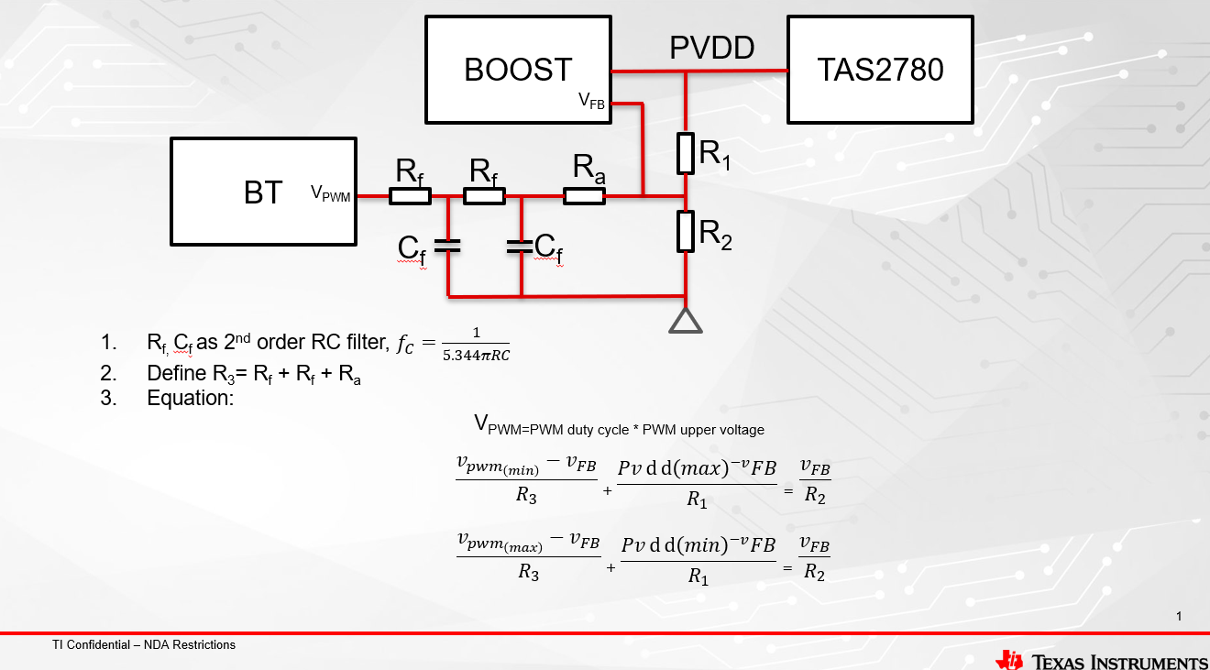
PVDD max vlotage /V | 18
PVDD min vlotage /V | 5
PWM max voltage /V (90%duty) | 3.3
PWM min voltage /V (10%duty) | 0
V_FB /V | 1
R1 /kΩ | 130.60606061 | Rdson/ mΩ(one MOS) | 500
R2 /kΩ | 10 | Load(speaker)/ Ω | 4
R3 /kΩ | 33.153846154 | Gain/ dB | 21
Ra /kΩ | 26.553846154 | margin/ dB | 0.5
PWM Duty | PVDD/V | Amp out/ V | Amp input/ dBFS
10% | 16.7 | 13.36 | -1.9928590264
20% | 15.4 | 12.32 | -2.6967740326
30% | 14.1 | 11.28 | -3.4628061963
40% | 12.8 | 10.24 | -4.3029890564
50% | 11.5 | 9.2 | -5.2332316423
60% | 10.2 | 8.16 | -6.2751850141
70% | 8.9 | 7.12 | -7.4593883165
80% | 7.6 | 6.08 | -8.8309166038
90% | 6.3 | 5.04 | -10.46037746

Define 2nd order RC filter Rf and Cf
fc /kHz | 54.723771737
Rf /kΩ | 3.3
Cf /pF | 330

Tips： 1. The yellow part is the editable part 2. After setting the PVDD and PWM voltage, first select the value of R2 to calculate the value of R1 and R3 3. R3=2*Rf+Ra 4. V_FB is the feedback pin voltage of the Boost chip 5. Rdson in the table is the value of a single MOS, and there are two MOSs in actual work 6. Gain is the tatal gain of TAS2780(from output to output)

