Sheet1
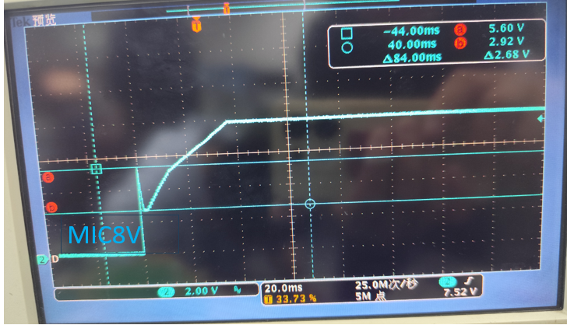
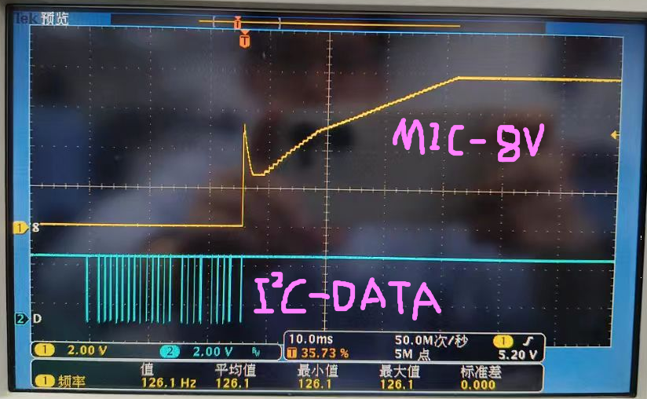
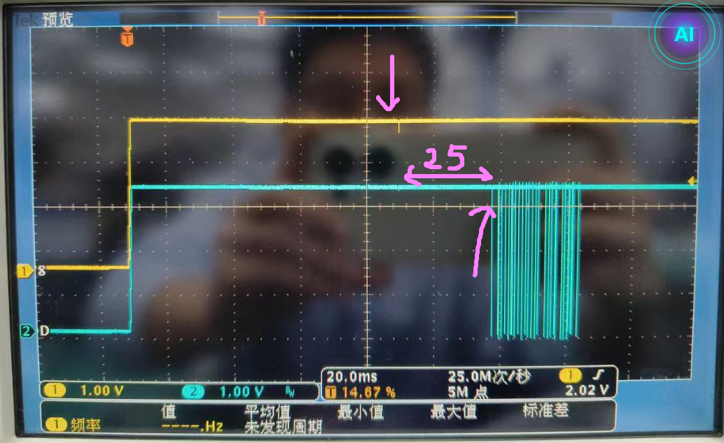
The IOVDD will drop to2.9v afterThe SHDNZ high, and wait 25ms after the drop before sending any I2C commands to the PCM6240.
IO3.3V/A3.3V＆BST3.3V
I2C-DATA
SHDNZ

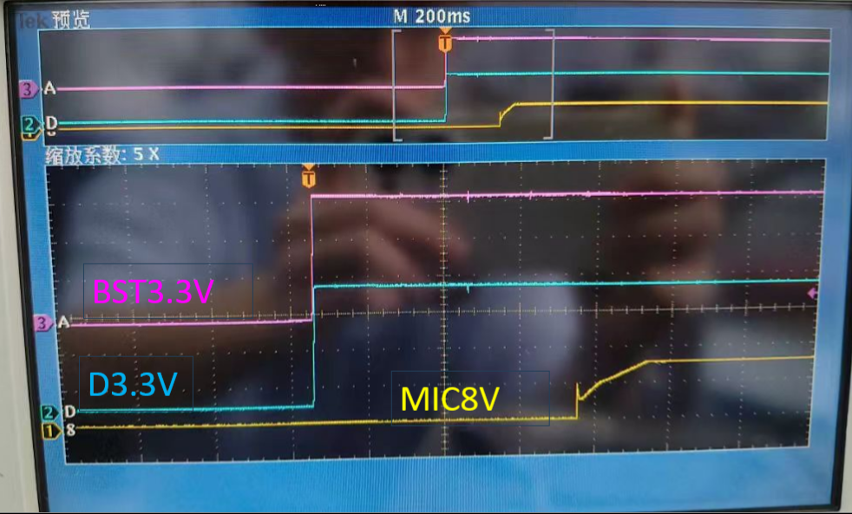
IOVDD

