TLV320AIC3120
TLV320AIC31xx PLL/Clock Calculator

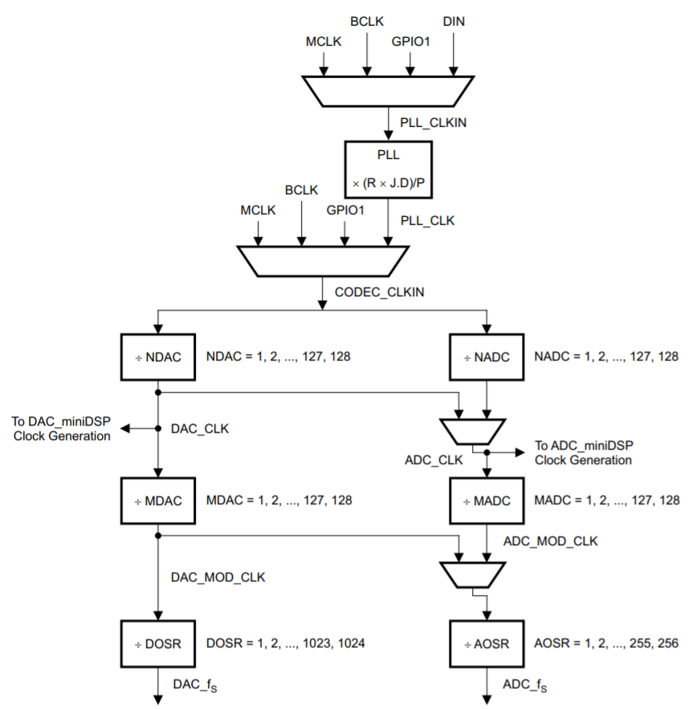
PLL Input Clock |  |  | PLL Constraints |  |  |  |  |  |  |  | Audio Clock Generation | Legend
PLL_CLKIN | 18.518 | MHz | D=0000 | 0.512 | MHz | < | 18.518 | < | 20 | MHz |  | Input
 |  |  |  | 80 | MHz | < | 96.84914 | < | 110 | MHz |  | Result
PLL Coefficients |  |  |  | 4 |  | < | 5 | < | 55
P | 1
R | 1 |  | D≠0000 | 10 | MHz | < | 18.518 | < | 20 | MHz
J | 5 |  |  | 80 | MHz | < | 96.84914 | < | 110 | MHz
D | 2300 |  |  | 4 |  | < | 5 | < | 11
K | 5.23 |  |  | R |  | = | 1
* R should be set to 1 for frequencies > 2MHz |  |  | *Green text indicates constraint is satisfied. Red text indicates constraint is not satisfied

PLL Output Clock |  |  | Coefficient | Register Information
PLL_CLK | 96.84914 | MHz | P | Page 0 / Register 05, Bits D6 - D4
 |  |  | R | Page 0 / Register 05, Bits D3 - D0
Clock Coefficients |  |  | J | Page 0 / Register 06, Bits D5 - D0
NDAC | 7 |  | D | MSB: Page 0 / Register 07, Bits D5 - D0
MDAC | 4 |  |  | LSB: Page 0 / Register 08, Bits D7 - D0
NADC | 7
MADC | 4 |  | Divider | Register Information
DOSR | 72 |  | NDAC | Page 0 / Register 11, Bits D6 - D0
AOSR | 72 |  | MDAC | Page 0 / Register 12, Bits D6 - D0
 |  |  | DOSR | Page 0 / Register 13, Bits D1 - D0, Register 14, Bits D7 - D0
ADC/DAC Sampling Rate |  |  | NADC | Page 0 / Register 18, Bits D6 - D0
DAC_fs | 48.0 | KHz | MADC | Page 0 / Register 19, Bits D6 - D0
ADC_fs | 48.0 | KHz | AOSR | Page 0 / Register 20, Bits D7 - D0

miniDSP Clock
DAC_DSP | 13.8356 | MHz
ADC_DSP | 13.8356 | MHz
* AIC3110 and AIC3100 will have PRB clock
* Please see device application reference guide for more information on the maximum miniDSP clock frequency

 |  |  |  |  |  |  |  |  |  |  | * DAC_miniDSP clock only applies to the AIC3111 and the AIC3120. The AIC3110 and AIC3100 will have a PRB clock

