AVAS
Sl # | Manufacturer | Part Number | Description | Continuous Power (W) | Input Voltage range (VDC) | Nominal Voltage Range | Operating Temperature (⁰C) | Input Channels | Output Channels | Mono Mode | Communication / Interfaces | Load Impedance (Ω) | THD (%) | Protections | Qualification (AECQ) | Area [mm2] | Package | Cost (€) (only IC cost) | Total Cost(€) (With Application) | Website | Remarks
 | Class D with analog input
1 | Rohm Semiconductors | BD28412MUV | 9W+9W Analog Input Class D Speaker Amplifier | 9W + 9W | 4.5 V to 13 V | 12V | -25 °C to +85 °C | 2-Channel | 2-Channel (Stereo) |  | Analog Differential Input | 4 ohm, 8 Ohm | THD+N = 10 % | - Overheat Protection - Under Voltage Protection - Output Short Protection - Output DC Voltage Protection | No(*) |  | VQFN032V5050 |  |  | https://www.rohm.com/products/audio-video/audio-amplifiers/speaker-amplifiers/portable-amplifiers/bd28412muv-product | * This is a standard-grade product. For Automotive usage, please contact Sales.
2 | Rohm Semiconductors | BD5423AEFS | Analog Input / BTL Output Class-D Speaker Amplifier | 17W + 17W @12V, with 4Ω load | 10 to 16.5 | 12V | -40°C ~ 85°C | 2-Channel | 2-Channel (Stereo) |  | Analog Input | 4 to 16 Ohm | THD+N = 10%, | Built-in protection circuits against high temperatures, against VCC shorting and GND shorting, against reduced-voltage, and against applying DC voltage to speaker | No(*) |  | 44-VSOP (0.295", 7.50mm Width) |  |  | https://www.rohm.com/products/audio-video/audio-amplifiers/speaker-amplifiers/mid-high-power-amplifiers/bd5423aefs-product | * This is a standard-grade product. For Automotive usage, please contact Sales. | On supplier website , mentioned as NRND
3 | Rohm Semiconductors | BD5424EFS | Analog Input / BTL Output Class-D Speaker Amplifier | 20W + 20W @Vcc=17V, THD+N = 10% | 10 to 18 | 12V | -40°C ~ 85°C | 2-Channel | 2-Channel (Stereo) |  | Analog Input | 3.6 to 8 Ohm | THD+N = 10% | high temperatures against VCC shorting and GND shorting, against reduced-voltage, and against applying DC voltage to speaker | No(*) |  | 44-VSOP (0.295", 7.50mm Width) |  |  | https://www.rohm.com/products/audio-video/audio-amplifiers/speaker-amplifiers/mid-high-power-amplifiers/bd5424efs-product | * This is a standard-grade product. For Automotive usage, please contact Sales.
4 | Rohm Semiconductors | BD5426EFS | Analog Input / BTL Output Class-D Speaker Amplifier | 10W + 10W @Vcc = 13V, THD+N = 10% | 10 to 16.5 | 12V | -40°C ~ 85°C | 2-Channel | 2-Channel (Stereo) |  | Analog Input | 6 to 16 Ohm | THD+N = 10% | high temperatures against VCC shorting and GND shorting, against reduced-voltage, and against applying DC voltage to speaker | No(*) |  | HTSSOP-A44 |  |  | https://www.rohm.com/products/audio-video/audio-amplifiers/speaker-amplifiers/mid-high-power-amplifiers/bd5426efs-product | * This is a standard-grade product. For Automotive usage, please contact Sales.
6 | Texas Instruments | TPA3110D2-Q1 | Automotive 15W Filter-Free Class D Stereo Amplifier with SpeakerGuardT | 18W (PBTL) | 8 to 26V | - | -40°C to 125°C | 2-Channel | 2-Channel (Stereo) | Yes | Analog Input | 4 Ohm | THD =1% | Protected against output shorts to GND, VCC and output-to-output. | Yes |  | HTSSOP (28) |  |  | http://www.ti.com/lit/ds/symlink/tpa3110d2-q1.pdf
7 | Texas Instruments | TPA3111D1-Q1 | 10-W Filter-Free Mono Class-D Audio Power Amplifier With Speakerguard™ | 16W | 8 to 26V | - | -40°C to 125°C | 1-Channel | 1-Channel | Yes | Analog Input | 4 Ohm | THD =1% | Protected against output shorts to GND, VCC and output-to-output. | Yes |  | HTSSOP (28) |  |  | http://www.ti.com/lit/ds/symlink/tpa3111d1-q1.pdf
8 | Texas Instruments | TPA3112D1-Q1 | Automotive Catalog, 25-W Filter-Free Mono Class-D Audio Amplifier with SpeakerGuardT | 16W | 8 to 26V | - | -40°C to 125°C | 1-Channel | 1-Channel | Yes | Analog Input | 4 Ohm | THD =1% | Protected against output shorts to GND, VCC and output-to-output. | Yes |  | HTSSOP (28) |  |  | http://www.ti.com/lit/ds/symlink/tpa3112d1-q1.pdf
9 | Texas Instruments | TPA3116D2-Q1 | 2-Ch, 50-W Analog Input Class-D Audio Amplifier | 30W (PBTL) | 4.5 V to 26 V | - | -40°C to 125°C | 2-Channel | 2-Channel (Stereo) | Yes | Analog Input | 4 Ohm | THD =1% | short-circuit protection and thermal protection as well as overvoltage, undervoltage and dc protection | Yes |  | HTSSOP (32) |  |  | http://www.ti.com/lit/ds/symlink/tpa3116d2-q1.pdf
10 | Texas Instruments | TPA3118D2-Q1 | 2-Ch, 30-W Analog Input Class-D Audio Amplifier | 30W (PBTL) | 4.5 V to 26 V | - | -40°C to 125°C | 2-Channel | 2-Channel (Stereo) | Yes | Analog Input | 4 Ohm | THD =1% | short-circuit protection and thermal protection as well as overvoltage, undervoltage and dc protection | Yes |  | HTSSOP (32) |  |  | http://www.ti.com/lit/ds/symlink/tpa3118d2-q1.pdf
11 | Texas Instruments | TAS5411-Q1 | 8-W Analog Input Mono Channel Automotive Class-D Audio Amplifier With Load Dump and I2C Diagnostics | 6.5W @14.4V | 4.5 V to 18 V | 14.4V | -40°C to 125°C | 1-Channel | 1-Channel | Yes | Analog Input | 4 Ohm | THD =1% | - Short-Circuit Protection – 40-V Load-Dump Protection per ISO-7637-2 – Output DC Level Detection While Music Is Playing – Overtemperature Protection – Over- and Undervoltage Protection | Yes |  | HTSSOP (16) |  |  | http://www.ti.com/lit/ds/symlink/tas5411-q1.pdf
12 | Texas Instruments | TAS5421-Q1 | 22-W Analog Input Mono Channel Automotive Class-D Audio Amplifier With Load Dump and I2C Diagnostics | 16W | 4.5 V to 18 V | 14.4V | -40°C to 125°C | 1-Channel | 1-Channel | Yes | Analog Input | 4 Ohm | THD =1% | - Short-Circuit Protection – 40-V Load-Dump Protection per ISO-7637-2 – Output DC Level Detection While Music Is Playing – Overtemperature Protection – Over- and Undervoltage Protection | Yes |  | HTSSOP (16) |  |  | http://www.ti.com/lit/ds/symlink/tas5421-q1.pdf |  | 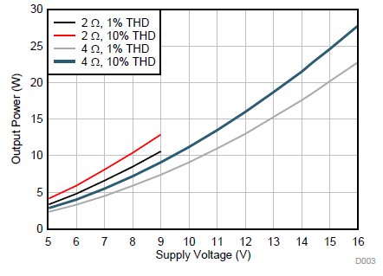
 | DAC(hardware codec)
1 | Rohm Semiconductors | BU26154MUV | Monaural Audio CODEC with Touch Panel Interface
2 | Texas Instruments | PCM1753-Q1 | Automotive 106-dB SNR stereo digital-to-analog converter (DAC) (software control)
3 | Texas Instruments | PCM1754-Q1 | Automotive 106-dB SNR stereo audio digital-to-analog converter (DAC) (hardware control)
4 | Texas Instruments | PCM1789TPWRQ1 | Automotive Catalog 113dB SNR Stereo DAC
5 | Texas Instruments | PCM1794A-Q1 | 132-dB, 24-bit, 192-kHz advanced Segment, Audio Stereo Digital-to-Analog Converter
6 | Texas Instruments | PCM5100AQPWRQ1 | Automotive Catalog 2VRMS DirectPath™, 100dB Audio Stereo DAC with 32-bit, 384kHz PCM Interface
7 | Texas Instruments | TLV320AIC3109-Q1 | Automotive Low-Power 96kHz Mono Audio Codec
8 | Texas Instruments | TLV320DAC3100-Q1 | Low-Power Stereo Audio DAC With Audio Processing
 | ClassD with digital input
1 | STMicroelectronics | FDA803D-EHT | 1 x 45 W class D digital input automotive power amplifier with diagnostics, wide voltage operation range for car audio and telematics | 21W | 3.3V to 18V | - | -40°C to 125°C | I2S input | 1-Channel | Yes | I2S, I2C | 4 Ohm | THD =1% | Short circuit and ESD integrated protections -Over current protection trigger -UVLOVCC -Over voltage (through DUMP condition) -Thermal shutdown | Yes |  | PowerSSO-36 (exposed pad down) |  |  | https://www.st.com/resource/en/datasheet/fda803d.pdf |  | 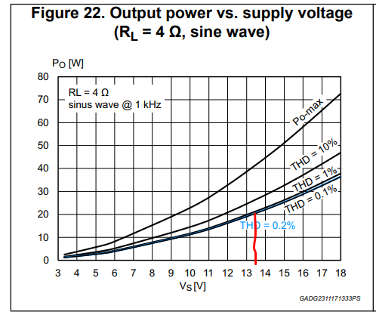
2 | STMicroelectronics | FDA803U-KBT | 1 x 45 W class D digital input automotive power amplifier with diagnostics, wide voltage operation range for car audio and telematic | 21W | 3.3V to 18V | - | -40°C to 125°C | I2S input | 1-Channel | Yes | I2S, I2C | 4 Ohm | THD =1% | Short circuit and ESD integrated protections -Over current protection trigger -UVLOVCC -Over voltage (through DUMP condition) -Thermal shutdown | Yes |  | PowerSSO-36 (slug-up) |  |  | https://www.st.com/resource/en/datasheet/fda803u.pdf |  | 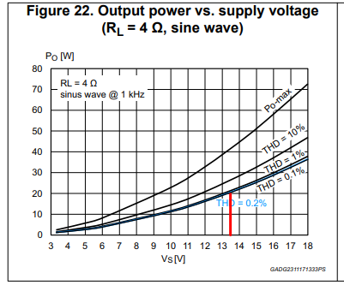
3 | STMicroelectronics | FDA903D-EHT | 1 x 45 W class D digital input automotive power amplifier with load current monitoring, wide voltage operation range for car audio and telematic - slug down version | 21W | 3.3V to 18V | - | -40°C to 125°C | I2S input | 1-Channel | Yes | I2S, I2C | 4 Ohm | THD =1% | Short circuit and ESD integrated protections -Over current protection trigger -UVLOVCC -Over voltage (through DUMP condition) -Thermal shutdown | Yes |  | PowerSSO-36 (exposed pad down) |  |  | https://www.st.com/resource/en/datasheet/fda903d.pdf
4 | STMicroelectronics | FDA903U-KBT | 1 x 45 W class D digital input automotive power amplifier with load current monitoring, wide voltage operation range for car audio and telematic - slug up version | 21W | 3.3V to 18V | - | -40°C to 125°C | I2S input | 1-Channel | Yes | I2S, I2C | 4 Ohm | THD =1% | Short circuit and ESD integrated protections -Over current protection trigger -UVLOVCC -Over voltage (through DUMP condition) -Thermal shutdown | Yes |  | PowerSSO-36 (Slug-up) |  |  | https://www.st.com/resource/en/datasheet/fda903u.pdf
5 | Rohm Semiconductors | BD28623MUV | 17W+17W Class D Speaker Amplifier for Digital Input
6 | Rohm Semiconductors | BM28723AMUV | 17W+17W Full Digital Speaker Amplifier with built-in DSP
8 | Texas Instruments | TAS5720A-Q1 | 1x25-W Digital Input Closed-Loop Automotive Class-D Audio Amplifier | 16W | 4.5V to 26.4V | - | -40°C to 105°C | I2S input | 1-Channel | Yes | I2S, I2C,SW/ HW control | 4 Ohm | THD - 1 % | – Clock error, DC, and short-circuit protection – Overtemperature and programmable overcurrent protection | Yes |  | HTSSOP (32) |  |  | http://www.ti.com/lit/ds/symlink/tas5720a-q1.pdf
9 | Texas Instruments | TAS5760M-Q1 | TAS5760M-Q1 2x25-W Digital Input Closed-Loop Automotive Class-D Audio Amplifier
10 | Texas Instruments | TAS6421QDKQRQ1 | 75-W, 2-MHz digital input 1-channel automotive Class-D Burr-Brown™ audio amplifier
11 | Texas Instruments | TAS6422-Q1 | 75W 2-MHz Digital Input 2-Channel Automotive Class-D Audio Amplifier
12 | Texas Instruments | TAS6424-Q1 | 75-W 2.1-MHz Digital Input 4-Channel Automotive Class-D Audio Amplifier
12 | Texas Instruments | TAS6424-Q1 | 75-W 2.1-MHz Digital Input 4-Channel Automotive Class-D Audio Amplifier

Info
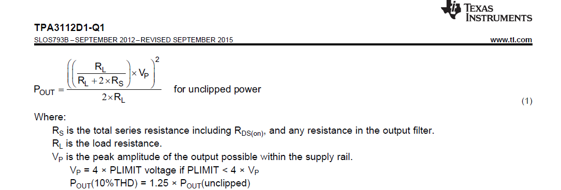
Output Power Rating Calculations |  |  |  |  | Reference formula from Datasheet
 | RL | 4 | Ohm
 | RS | 390 | mOhm | RDS + DC resistance of filter inductor
 |  | 0.39 | Ohm
 | Vpeak | 13.5 | V

POUT 1% | 15.952977014 | W
POUT 10% | 19.941221267 | W

