Sheet1
Parameter | Description | Parameter Range | Field | Encoding | DAC3xJ8x Setting (decimal) | L | 4
ADJCNT | Number of adjustment resolution steps to adjust DAC LMFC Applies to Subclass 2 Operation Only. Program 0x0000 for DAC3xJ8x | 0 to 15 | ADJCNT<3:0> | Binary Value | 0 | M | 4
ADJDIR | Direction to adjust DAC LMFC 0 - Advance 1 - Delay Applies to Subclass 2 Operation Only. Program 0x0 for DAC3xJ8x | 0 to 1 | ADJDIR<0> | Binary Value | 0 | F | 2
BID | Bank ID - Extension to DID. | 0 to 15 | BID<3:0> | Binary Value | 0 | K | 20
CF | Number of control words per frame clock period per link | 0 to 32 | CF<4:0> | Binary Value | 0 | S | 1
CS | Number of control bits per sample | 0 to 3 | CS<1:0> | Binary Value | 0 | N | 16
DID | Device (link) identification number | 0 to 255 | DID<7:0> | Binary Value | 0 | N' | 16
F | Number of octets per frame | 1 to 256 | F<7:0> | Binary value minus 1 | 1 | HD | 1
HD | High Density Format | 0 to 1 | HD<0> | Binary Value | 1 | LID | 0 | *Lane Dependent. Check Config70 to Config72
JESDV | JESD204 Version 000 - JESD204A 001 - JESD204B | 0 to 7 | JESDV<2:0> | Binary Value | 1 | SCR | 0
K | Number of frames per multiframe | 1 to 32 | K<4:0> | Binary value minus 1 | 19
L | Number of lanes per converter device (link) | 1 to 32 | L<4:0> | Binary value minus 1 | 3
LID | Lane identification number (withink link) | 0 to 31 | LID<4:0> | Binary Value | 0
M | Number of converters per device | 1 to 256 | M<7:0> | Binary Value minus 1 | 3
N | Converter resolution | 1 to 32 | N<4:0> | Binary value minus 1 | 15
N' | Total number of bits per sample | 1 to 32 | N'<4:0> | Binary value minus 1 | 15
PHADJ | Phase adjustment request to DAC subclass 2 only | 0 to 1 | PHADJ<0> | Binary value | 0
S | Number of samples per converter per frame cycle | 1 to 32 | S<4:0> | Binary value minus 1 | 0
SCR | Scrambling enabled | 0 to 1 | SCR<0> | Binary value | 0
SUBCLASSV | Device Subclass Version 000 - Subclass 0 001 - Subclass 1 010 - Subclass 2 | 0 to 7 | SUBCLASSV<2:0> | Binary value | 1
RES1 | Reserved field 1 | 0 to 255 | RES1<7:0> | Binary value | 0
RES2 | Reserved field 2 | 0 to 255 | RES2<7:0> | Binary value | 0
CHKSUM | Checksum: summation of all above field modular 256 | 0 to 255 | FCHK<7:0> | Binary Value | 59

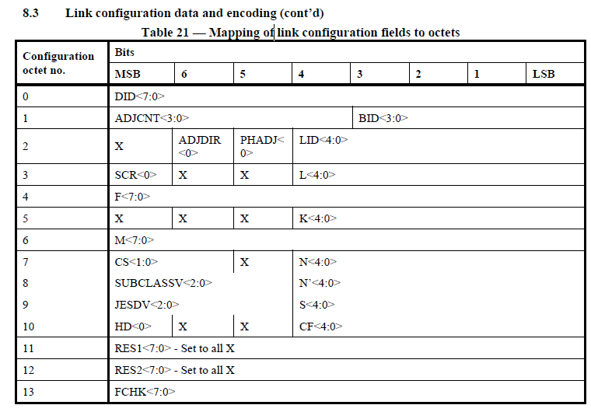
Link Configuration Data and Encoding
Octet #
0 | DID<7:0> | 0x00
1 | ADJCNT<3:0> + BID<3:0> | 0x00
2 | X + ADJDIR<0> + PHADJ<0> + LID<4:0> | 0
3 | SCR<0> + X + X + L<4:0> | 3
4 | F<7:0> | 1
5 | X + X + X + K<4:0> | 13
6 | M<7:0> | 3
7 | CS<1:0> + X + N<4:0> | F
8 | SUBCLASSV<2:0> + X + N'<4:0> | 2F
9 | JESDV<2:0> + X + S<4:0> | 20
10 | HD<0> + X + X + CF<4:0> | 80
11 | RES1<7:0> | 0
12 | RES2<7:0> | 0
13 | FCHK<7:0> | 3B

