ADS5400-SP_Summary
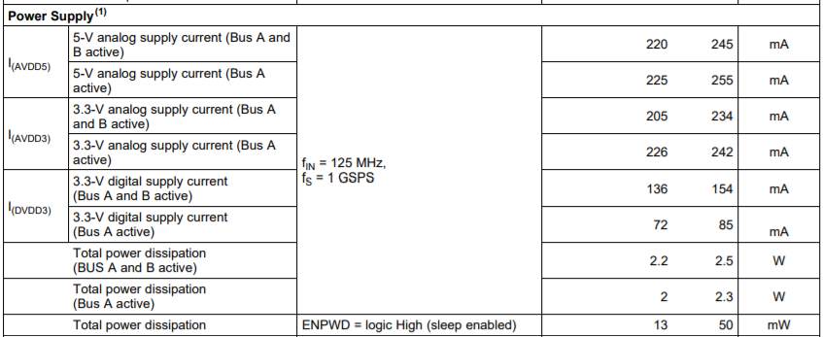

 |  | ROOM |  |  | HOT |  |  | COLD
 | Max DS Limit | Min | Ave | Max | Min | Ave | Max | Min | Ave | Max
Idd_ABbus:Idvdd_00@DVDD[1] | 0.154 | 0.13132338226 | 0.13950977623 | 0.14455679059 | 0.12777870893 | 0.13594140708 | 0.14113016427 | 0.13116583228 | 0.14002966732 | 0.14585638046
Idd_ABbus:Iavdd5_00@AVDD5[1] | 0.245 | 0.21730366349 | 0.21990926266 | 0.2236097604 | 0.21627892554 | 0.21907370239 | 0.22278209031 | 0.21379588544 | 0.21642119139 | 0.21974727511
Idd_ABbus:Iavdd3_00@AVDD3[1] | 0.234 | 0.20682416856 | 0.2091472581 | 0.21341484785 | 0.20384266973 | 0.20622459352 | 0.21078649163 | 0.1987427175 | 0.2008853212 | 0.20337189734
Idd_ABbus:Itotal_00@DVDD[1] |  | 0.55718535185 | 0.56856629252 | 0.58158141375 | 0.54947680235 | 0.56123970151 | 0.5746987462 | 0.54555684328 | 0.55733617544 | 0.56897556782
Idd_ABbus:PwrTotal_00@DVDD[1] | 2.5 | 2.2110760212 | 2.2501145601 | 2.2993552685 | 2.1836276054 | 2.2245162487 | 2.2752354145 | 2.1669397354 | 2.2071254253 | 2.2511897087
Idd_ABbus:Idvdd_01@DVDD[1] |  | 0.0020217976999 | 0.0020772698103 | 0.0021169423126 | 0.0021400679834 | 0.0022860253928 | 0.00241564936 | 0.0021005680319 | 0.0021638955688 | 0.0021957149729
Idd_ABbus:Iavdd5_01@AVDD5[1] |  | 0.00094091898063 | 0.00098846204928 | 0.0010591605678 | 0.0011227127397 | 0.0011934112874 | 0.001295640599 | 0.00080740771955 | 0.00086233943002 | 0.00094091898063
Idd_ABbus:Iavdd3_01@AVDD3[1] |  | 0.0014136706013 | 0.0015003619716 | 0.0016498465557 | 0.00168913987 | 0.0017396871233 | 0.0017676003044 | 0.0011006226996 | 0.0011551467353 | 0.0012183765648
Idd_ABbus:Itotal_01@DVDD[1] |  | 0.0044715320691 | 0.0045660938602 | 0.0047158403322 | 0.004951920826 | 0.0052191237919 | 0.0054155844264 | 0.0040478920564 | 0.0041813816875 | 0.0042756269686
Idd_ABbus:PwrTotal_01@DVDD[1] |  | 0.016355616972 | 0.0167484954 | 0.017336880788 | 0.01824994944 | 0.019251907617 | 0.020074017346 | 0.01473063603 | 0.01526453672 | 0.015709131956
Idd_ABbus:Idvdd_10@DVDD[1] |  | 0.0020217976999 | 0.0020811969414 | 0.0021169423126 | 0.0023368787952 | 0.0025105126901 | 0.0026519603562 | 0.0021005680319 | 0.0021638955688 | 0.0021957149729
Idd_ABbus:Iavdd5_10@AVDD5[1] |  | 0.00094091898063 | 0.00098057938158 | 0.0010438864119 | 0.0011227127397 | 0.0011973524466 | 0.001295640599 | 0.00076799310045 | 0.00086233912734 | 0.00094091898063
Idd_ABbus:Iavdd3_10@AVDD3[1] |  | 0.0014136706013 | 0.0015042913728 | 0.0016498465557 | 0.00168913987 | 0.001739687135 | 0.001806767541 | 0.0011006226996 | 0.0011551467353 | 0.0012183765648
Idd_ABbus:Itotal_10@DVDD[1] |  | 0.0045106997713 | 0.00456606769 | 0.0046766730957 | 0.0051487316377 | 0.00544755226 | 0.0056519019417 | 0.0040869377553 | 0.0041813813616 | 0.0042756269686
Idd_ABbus:PwrTotal_10@DVDD[1] |  | 0.016484871507 | 0.016735008545 | 0.017207628116 | 0.018899425864 | 0.020012420975 | 0.020853865892 | 0.014792482369 | 0.015264535323 | 0.015709131956
Idd_ABbus:Idvdd_11@DVDD[1] |  | 0.0020217976999 | 0.0020851240726 | 0.0021169423126 | 0.0022976086475 | 0.0025065856753 | 0.0026519603562 | 0.0021005680319 | 0.0021638955688 | 0.0021957149729
Idd_ABbus:Iavdd5_11@AVDD5[1] |  | 0.00092564563965 | 0.00098452089587 | 0.0010591605678 | 0.0011227127397 | 0.0011973524466 | 0.001295640599 | 0.00080740771955 | 0.00087022207445 | 0.00094091898063
Idd_ABbus:Iavdd3_11@AVDD3[1] |  | 0.0014136706013 | 0.0014964704053 | 0.0016106793191 | 0.00168913987 | 0.0017318536178 | 0.0017676003044 | 0.0010998252546 | 0.0011473006103 | 0.0012183765648
Idd_ABbus:Itotal_11@DVDD[1] |  | 0.0045109470375 | 0.0045661154203 | 0.0046766730957 | 0.0051094610244 | 0.0054357917048 | 0.0056127342395 | 0.0040480103344 | 0.0041814181954 | 0.0042756269686
Idd_Abus:Idvdd_00@DVDD[1] | 0.085 | 0.068622209132 | 0.072825815529 | 0.075435727835 | 0.067558698356 | 0.071636341512 | 0.074096627533 | 0.068267628551 | 0.073022721708 | 0.076105386019
Idd_Abus:Iavdd5_00@AVDD5[1] | 0.255 | 0.22092966735 | 0.22424471378 | 0.22822108865 | 0.22041729093 | 0.22393729687 | 0.22786638141 | 0.21698835492 | 0.22039798349 | 0.22384622693
Idd_Abus:Iavdd3_00@AVDD3[1] | 0.242 | 0.21208101511 | 0.21404714733 | 0.21859323978 | 0.20976777375 | 0.21181493253 | 0.21663172543 | 0.20219498873 | 0.2041100651 | 0.20658877492
Idd_Abus:Itotal_00@DVDD[1] |  | 0.50443124771 | 0.51111767292 | 0.52225005627 | 0.50038290024 | 0.50738857388 | 0.51859474182 | 0.49040696025 | 0.49753077924 | 0.50654041767
Idd_Abus:PwrTotal_00@DVDD[1] | 2.3 | 2.0449607372 | 2.067904377 | 2.1114010811 | 2.0303952694 | 2.0550756931 | 2.0987355709 | 1.9922482967 | 2.0165281177 | 2.0521218777

