Calculation
Parameter | Value | Unit
Capacitance per channel Cp | 100 | nF | User Input
Sinusoidal voltage signal for PZT Vmax | 3 | V | Calculated value
PZT frequency fmax | 700000 | Hz
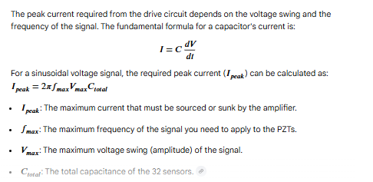
Number of PZT sensor channels | 1
Total capacitance for 32x channels Ctotal | 100 | nF
Required Current Ipeak | 1.3188 | A

Assumptions:
- PZT sensor's capacitance is assumed to be 100nF.
- Sine wave frequency is assumed to be max 700 kHz.
- The equivalent circuit of PZT sensor has capacitance in parallel with leakage resistance (Rp). Since the value of Rp is in the range Mohms, it can be ignored.
- ADC input impedance high : 1Mohm. Draw input current should be negligible

