Positive Output Voltage
Design Tool for Positive Output Voltage Adjustment using a DAC
Application Note Design Tool

This tool aids engineers in selecting components to adjust the output voltage of a power supply using a DC voltage source or a digital-to-analog converter (DAC) output. The circuit uses the TPS62088 based on the application notes SLVA251 and SLYT777, but can be extended to any converter. The user enters values in the yellow cells based on their system's needs and the calculated values are displayed in the green cells. If the value entered is not within a proper range, the cell turns red. The figure to the right shows the circuit topology with the components labeled accordingly. The system adjusts the DAC voltage, which changes the power supply’s output voltage.
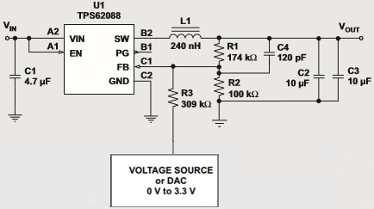

Disclaimer:
This product is designed as an aid for customers of Texas Instruments. No warranties, either express or implied, with respect to this software or its fitness for any particular purpose is made by Texas Instruments or the author. The software is licensed solely on an "as is" basis. The entire risk as to its quality and performance is with the user.

Based on: | SLVA251 | SLYT777
User inputs
Calculated values
Out of Range Values

1. Enter the Following Values According to the Desired System Specifications
Parameter |  | Value | Units | Description
Vdaclow |  | 0.30 | V | Minimum DAC Output Voltage
Vdachigh |  | 3.00 | V | Maximum DAC Output Voltage
Voutlow |  | 0.30 | V | Minimum System Output Voltage
Vouthigh |  | 1.80 | V | Maximum System Output Voltage
VFB |  | 0.60 | V | Feedback Voltage of the device, as found in the device datasheet
R1 |  | 174,000 | Ohm | Vout to FB resistor. Choose R1 between 1kOhm and 500kOhm
Vdacoff |  | 0.00 | V | DAC output voltage when DAC is OFF
Rdacoff |  | 10,000 | Ohm | Internal DAC Output Resistance when DAC is OFF

2. Calculated Values According to User Entered Parameters
Parameter |  | Value | Units | Description
R2 |  | 101,032 | Ohm | Calculated R2 Resistor Value
R3 |  | 313,200 | Ohm | Calculated R3 Resistor Value
Cff |  | 118.77 | pF | Calculated Cff (Feedforward Capacitor) Value

3. Evaluate VDAC versus VOUT with Actual Component Values
Parameter |  | Value | Units | Description
R2 |  | 100,000 | Ohm | Actual R2 Resistor Value
R3 |  | 309,000 | Ohm | Actual R3 Resistor Value
Vout_desired |  | 1.80 | V | Output voltage needed for system
VDAC_applied |  | 0.32 | V | Actual DAC Voltage to be applied
Vstartup |  | 1.97 | V | Actual Output Voltage at Startup

Positive_Evaluation
This sheet allows for the evaluation of the proposed design. The user enters measured data which is compared to the calculated data. The measured output voltage is plotted on the same chart as the calculated output voltage and the error is plotted on the second chart. The user can change the "DAC Output Voltage" column and enter their measured data in the "Measured Output Voltage" column. The chart axes can be modified to show the desired ranges.

 | Calculated Output Voltage (V) | Measured Output Voltage (V)
0 | 1.98
100 | 1.93
200 | 1.87
300 | 1.81
400 | 1.76
500 | 1.70
600 | 1.64
700 | 1.59
800 | 1.53
900 | 1.48
1000 | 1.42
1100 | 1.36
1200 | 1.31
1300 | 1.25
1400 | 1.19
1500 | 1.14
1600 | 1.08
1700 | 1.02
1800 | 0.97
1900 | 0.91
2000 | 0.86
2100 | 0.80
2200 | 0.74
2300 | 0.69
2400 | 0.63
2500 | 0.57
2600 | 0.52
2700 | 0.46
2800 | 0.41
2900 | 0.35
3000 | 0.29
DAC Output Voltage (mV) | Calculated Output Voltage (V) | Measured Output Voltage (V) | Error (%) | Error (mV)
0 | 1.98 |  | #N/A | -1,981.86
100 | 1.93 |  | #N/A | -1,925.55
200 | 1.87 |  | #N/A | -1,869.24
300 | 1.81 |  | #N/A | -1,812.93
400 | 1.76 |  | #N/A | -1,756.62
500 | 1.70 |  | #N/A | -1,700.31
600 | 1.64 |  | #N/A | -1,644.00
700 | 1.59 |  | #N/A | -1,587.69
800 | 1.53 |  | #N/A | -1,531.38
900 | 1.48 |  | #N/A | -1,475.07
1000 | 1.42 |  | #N/A | -1,418.76
1100 | 1.36 |  | #N/A | -1,362.45
1200 | 1.31 |  | #N/A | -1,306.14
1300 | 1.25 |  | #N/A | -1,249.83
1400 | 1.19 |  | #N/A | -1,193.51
1500 | 1.14 |  | #N/A | -1,137.20
1600 | 1.08 |  | #N/A | -1,080.89
1700 | 1.02 |  | #N/A | -1,024.58
1800 | 0.97 |  | #N/A | -968.27
1900 | 0.91 |  | #N/A | -911.96
2000 | 0.86 |  | #N/A | -855.65
2100 | 0.80 |  | #N/A | -799.34
2200 | 0.74 |  | #N/A | -743.03
2300 | 0.69 |  | #N/A | -686.72
2400 | 0.63 |  | #N/A | -630.41
2500 | 0.57 |  | #N/A | -574.10
2600 | 0.52 |  | #N/A | -517.79
2700 | 0.46 |  | #N/A | -461.48
2800 | 0.41 |  | #N/A | -405.17
2900 | 0.35 |  | #N/A | -348.85
3000 | 0.29 |  | #N/A | -292.54

Negative Output Voltage
Design Tool for Negative Output Voltage Adjustment using a DAC
Application Note Design Tool

This tool aids engineers in selecting component values to adjust the output voltage of a power supply using a DC voltage source or a digital-to-analog (DAC) output. The circuit uses the TPS82130 based on the application note SLYT777 but can be extended to any inverting converter topology. The user enters values in the yellow cells based on their system's needs and the calculated values display in the green cells. If the value entered is not within a proper range, the cell turns red. The figure to the right shows the circuit topology with the components labeled accordingly. The system adjusts the DAC voltage, which changes the power supply’s output voltage. In this inverting circuit, the buck converter's output terminals are reversed and all voltage logic is shifted down by a magnitude of -Vout.
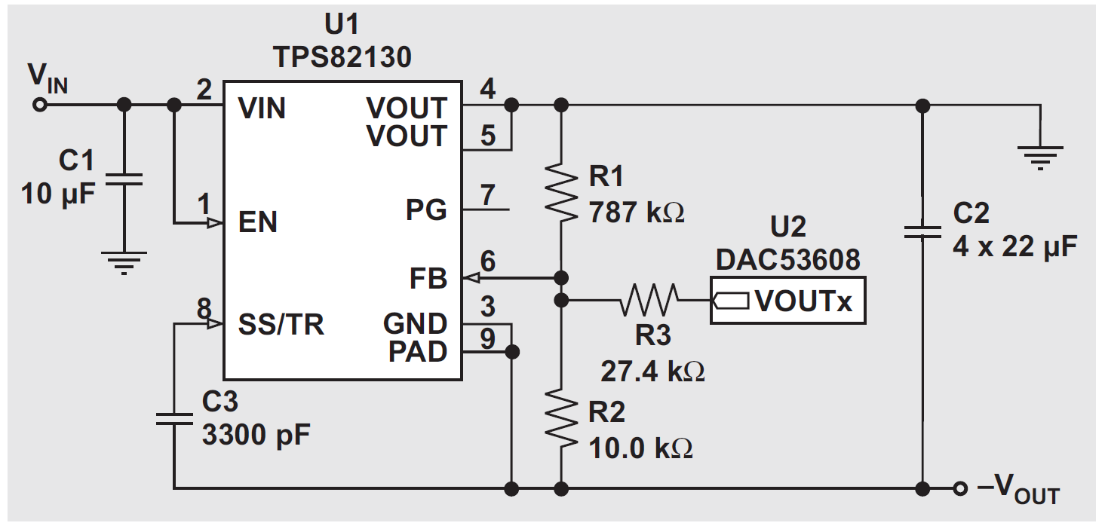

Disclaimer:
This product is designed as an aid for customers of Texas Instruments. No warranties, either express or implied, with respect to this software or its fitness for any particular purpose is made by Texas Instruments or the author. The software is licensed solely on an "as is" basis. The entire risk as to its quality and performance is with the user.

Based on: | SLYT777
User inputs
Calculated values
Out of Range Values

1. Enter the Following Values According to the Desired System Specifications
Parameter |  | Value | Units | Description
Vdaclow |  | 0.30 | V | Minimum DAC Output Voltage
Vdachigh |  | 3.00 | V | Maximum DAC Output Voltage
Voutlow |  | -2.7 | V | Minimum System Output Voltage
Vouthigh |  | 0.00 | V | Maximum System Output Voltage
VFB |  | 0.8 | V | Feedback Voltage of the device, as found in the device datasheet
R1 |  | 787,000 | Ohm | Vout to FB resistor
Vdacoff |  | 0.00 | V | DAC output voltage when DAC is OFF
Rdacoff |  | 10,000 | Ohm | Internal DAC Output Resistance when DAC is OFF

2. Calculated Values According to User Entered Parameters
Parameter |  | Value | Units | Description
R2 |  | -2,951,250 | Ohm | Calculated R2 Resistor Value
R3 |  | 2,951,250 | Ohm | Calculated R3 Resistor Value

3. Evaluate VDAC versus VOUT with Actual Component Values
Parameter |  | Value | Units | Description
R2 |  | 10,000 | Ohm | Actual R2 Resistor Value
R3 |  | 27,400 | Ohm | Actual R3 Resistor Value
Vout_desired |  | -1.8 | V | Output voltage needed for system
VDAC_applied |  | 1.16 | V | Actual DAC Voltage to be applied
Vstartup |  | -3.66 | V | Actual Ouput Voltage at Startup

Negative_Evaluation
This sheet allows for the evaluation of the proposed design. The user enters measured data which is compared to the calculated data. The measured output voltage is plotted on the same chart as the calculated output voltage and the error is plotted on the second chart. The user can change the "DAC Output Voltage" column and enter their measured data in the "Measured Output Voltage" column. The chart axes can be modified to show the desired ranges.

 | Calculated Output Voltage (V) |  | Measured Output Voltage (V)
DAC Output Voltage (mV) | -2.92 | 0
 | -2.82 | 100
 | -2.72 | 200
 | -2.63 | 300
 | -2.53 | 400
 | -2.44 | 500
 | -2.34 | 600
 | -2.24 | 700
 | -2.15 | 800
 | -2.05 | 900
 | -1.95 | 1000
 | -1.86 | 1100
 | -1.76 | 1200
 | -1.66 | 1300
 | -1.57 | 1400
 | -1.47 | 1500
 | -1.37 | 1600
 | -1.28 | 1700
 | -1.18 | 1800
 | -1.08 | 1900
 | -0.99 | 2000
 | -0.89 | 2100
 | -0.79 | 2200
 | -0.70 | 2300
 | -0.60 | 2400
 | -0.50 | 2500
 | -0.41 | 2600
 | -0.31 | 2700
 | -0.21 | 2800
 | -0.12 | 2900
 | -0.02 | 3000
DAC Output Voltage (mV) | Calculated Output Voltage (V) | Measured Output Voltage (V) | Error (%) | Error (mV)
0 | -2.92 |  | #N/A | 2918.25
100 | -2.82 |  | #N/A | 2821.62
200 | -2.72 |  | #N/A | 2724.98
300 | -2.63 |  | #N/A | 2628.34
400 | -2.53 |  | #N/A | 2531.71
500 | -2.44 |  | #N/A | 2435.07
600 | -2.34 |  | #N/A | 2338.44
700 | -2.24 |  | #N/A | 2241.80
800 | -2.15 |  | #N/A | 2145.17
900 | -2.05 |  | #N/A | 2048.53
1000 | -1.95 |  | #N/A | 1951.90
1100 | -1.86 |  | #N/A | 1855.26
1200 | -1.76 |  | #N/A | 1758.62
1300 | -1.66 |  | #N/A | 1661.99
1400 | -1.57 |  | #N/A | 1565.35
1500 | -1.47 |  | #N/A | 1468.72
1600 | -1.37 |  | #N/A | 1372.08
1700 | -1.28 |  | #N/A | 1275.45
1800 | -1.18 |  | #N/A | 1178.81
1900 | -1.08 |  | #N/A | 1082.18
2000 | -0.99 |  | #N/A | 985.54
2100 | -0.89 |  | #N/A | 888.90
2200 | -0.79 |  | #N/A | 792.27
2300 | -0.70 |  | #N/A | 695.63
2400 | -0.60 |  | #N/A | 599.00
2500 | -0.50 |  | #N/A | 502.36
2600 | -0.41 |  | #N/A | 405.73
2700 | -0.31 |  | #N/A | 309.09
2800 | -0.21 |  | #N/A | 212.46
2900 | -0.12 |  | #N/A | 115.82
3000 | -0.02 |  | #N/A | 19.18

